T0MD28
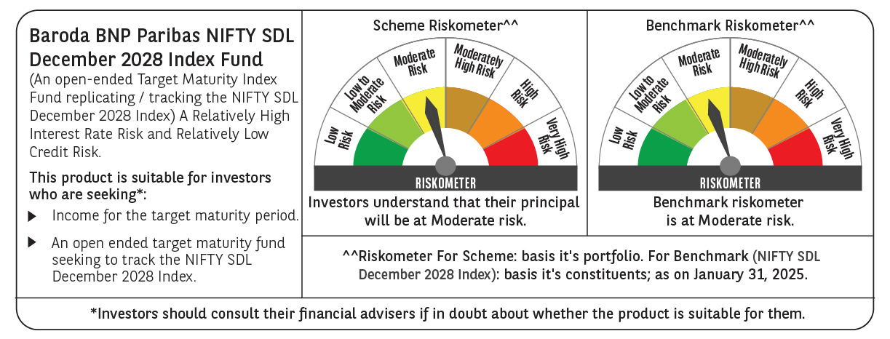

 | Baroda BNP Paribas NIFTY SDL December 2028 Index Fund

 | Monthly Portfolio Statement as on January 31, 2025
 | Name of the Instrument | ISIN | Rating | Quantity | Market/Fair Value (Rs. in Lakhs) | % to Net Assets | YTM~ | YTC^ | null
 | Debt Instruments
 | (a) Listed / awaiting listing on Stock Exchange
GOI2167 | 8.08% State Government Securities (26/12/2028) | IN2220180052 | Sovereign | 1,180,000 | 1,225.86 | 37.36% | 7.04%
GOI2183 | 8.08% State Government Securities (26/12/2028) | IN3120180200 | Sovereign | 808,100 | 839.36 | 25.58% | 7.05%
GOI2168 | 8.08% State Government Securities (26/12/2028) | IN1520180234 | Sovereign | 715,000 | 742.72 | 22.64% | 7.05%
GOI2171 | 8.08% State Government Securities (26/12/2028) | IN1920180115 | Sovereign | 350,000 | 363.42 | 11.08% | 7.06%
 | Sub Total |  |  |  | 3,171.36 | 96.66%
 | (b) Privately placed / Unlisted |  |  |  | NIL | NIL
 | Sub Total |  |  |  | NIL | NIL
 | Total |  |  |  | 3,171.36 | 96.66%
 | Reverse Repo / TREPS
TRP_030225 | Clearing Corporation of India Ltd |  |  |  | 86.08 | 2.62% | 6.54%
 | Sub Total |  |  |  | 86.08 | 2.62%
 | (b) Privately placed / Unlisted |  |  |  | NIL | NIL
 | Sub Total |  |  |  | NIL | NIL
 | Total |  |  |  | 86.08 | 2.62%
 | Net Receivables / (Payables) |  |  |  | 23.52 | 0.72%
 | GRAND TOTAL |  |  |  | 3,280.96 | 100.00%

 | ~ YTM as on January 31, 2025
 | ^ YTC represents Yield to Call provided by valuation agencies as on January 31, 2025. It is disclosed for Perpetual Bond issued by Banks (i.e. AT-1 Bond / Tier 1 Bond / Tier 2 Bond), as per AMFI Best Practices Guidelines Circular no. 135/BP/91/2020-21 read with SEBI circular No. SEBI/HO/IMD/DF4/CIR/P/2021/034 on Valuation of AT-1 Bonds and Tier 2 Bonds.

