T0MD28
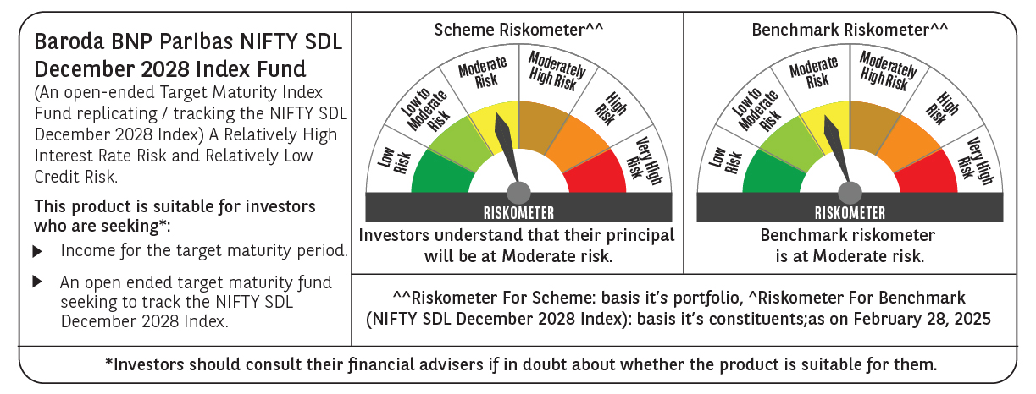

 | Baroda BNP Paribas NIFTY SDL December 2028 Index Fund

 | Monthly Portfolio Statement as on February 28, 2025
 | Name of the Instrument | ISIN | Rating | Quantity | Market/Fair Value (Rs. in Lakhs) | % to Net Assets | YTM~ | YTC^ | null
 | Debt Instruments
 | (a) Listed / awaiting listing on Stock Exchange
GOI2167 | 8.08% State Government Securities (26/12/2028) | IN2220180052 | Sovereign | 1,180,000 | 1,227.43 | 36.77% | 6.98%
GOI2183 | 8.08% State Government Securities (26/12/2028) | IN3120180200 | Sovereign | 808,100 | 840.32 | 25.18% | 6.99%
GOI2168 | 8.08% State Government Securities (26/12/2028) | IN1520180234 | Sovereign | 715,000 | 743.22 | 22.27% | 7.00%
GOI2171 | 8.08% State Government Securities (26/12/2028) | IN1920180115 | Sovereign | 350,000 | 363.96 | 10.90% | 6.99%
 | Sub Total |  |  |  | 3,174.93 | 95.12%
 | (b) Privately placed / Unlisted |  |  |  | NIL | NIL
 | Sub Total |  |  |  | NIL | NIL
 | Total |  |  |  | 3,174.93 | 95.12%
 | Reverse Repo / TREPS
TRP_030325 | Clearing Corporation of India Ltd |  |  |  | 118.84 | 3.56% | 6.24%
 | Sub Total |  |  |  | 118.84 | 3.56%
 | (b) Privately placed / Unlisted |  |  |  | NIL | NIL
 | Sub Total |  |  |  | NIL | NIL
 | Total |  |  |  | 118.84 | 3.56%
 | Net Receivables / (Payables) |  |  |  | 44.12 | 1.32%
 | GRAND TOTAL |  |  |  | 3,337.89 | 100.00%

 | ~ YTM as on February 28, 2025
 | ^ YTC represents Yield to Call provided by valuation agencies as on February 28, 2025. It is disclosed for Perpetual Bond issued by Banks (i.e. AT-1 Bond / Tier 1 Bond / Tier 2 Bond), as per AMFI Best Practices Guidelines Circular no. 135/BP/91/2020-21 read with SEBI circular No. SEBI/HO/IMD/DF4/CIR/P/2021/034 on Valuation of AT-1 Bonds and Tier 2 Bonds.

