T0MD28
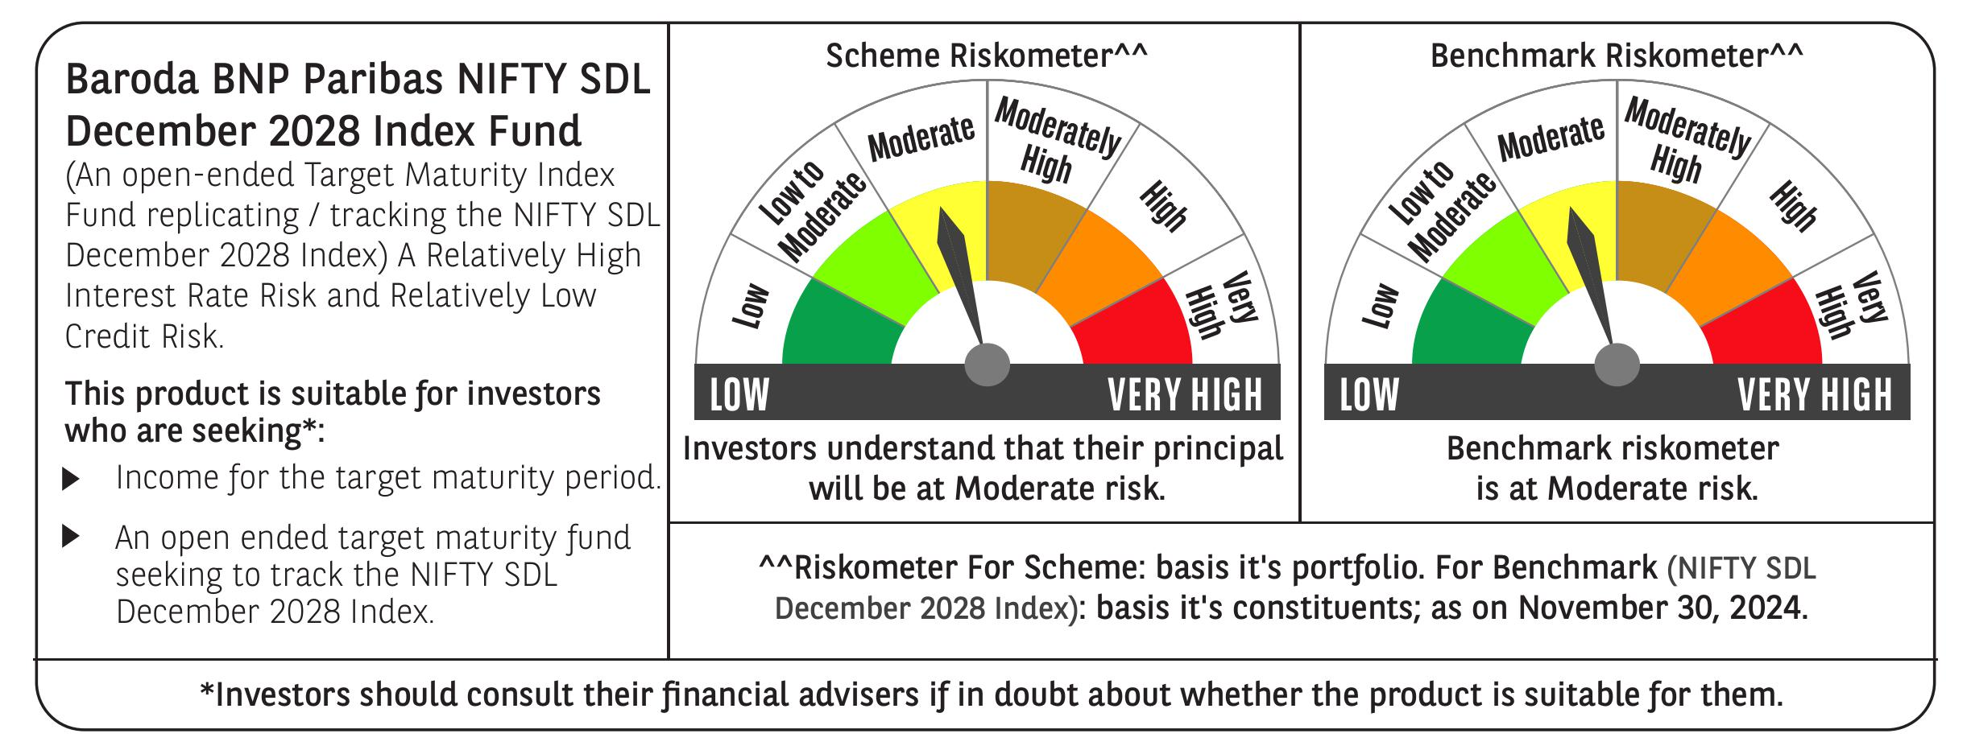

 | Baroda BNP Paribas NIFTY SDL December 2028 Index Fund

 | Monthly Portfolio Statement as on November 30, 2024
 | Name of the Instrument | ISIN | Rating | Quantity | Market/Fair Value (Rs. in Lakhs) | % to Net Assets | YTM~ | YTC^ | null
 | Debt Instruments
 | (a) Listed / awaiting listing on Stock Exchange
GOI2167 | 8.08% State Government Securities (26/12/2028) | IN2220180052 | Sovereign | 1,100,000 | 1,141.94 | 36.70% | 7.11%
GOI2183 | 8.08% State Government Securities (26/12/2028) | IN3120180200 | Sovereign | 700,000 | 726.47 | 23.35% | 7.12%
GOI2168 | 8.08% State Government Securities (26/12/2028) | IN1520180234 | Sovereign | 625,000 | 648.73 | 20.85% | 7.11%
GOI2171 | 8.08% State Government Securities (26/12/2028) | IN1920180115 | Sovereign | 350,000 | 363.22 | 11.67% | 7.12%
 | Sub Total |  |  |  | 2,880.36 | 92.57%
 | (b) Privately placed / Unlisted |  |  |  | NIL | NIL
 | Sub Total |  |  |  | NIL | NIL
 | Total |  |  |  | 2,880.36 | 92.57%
 | Reverse Repo / TREPS
TRP_021224 | Clearing Corporation of India Ltd |  |  |  | 133.77 | 4.30% | 6.69%
 | Sub Total |  |  |  | 133.77 | 4.30%
 | (b) Privately placed / Unlisted |  |  |  | NIL | NIL
 | Sub Total |  |  |  | NIL | NIL
 | Total |  |  |  | 133.77 | 4.30%
 | Net Receivables / (Payables) |  |  |  | 97.06 | 3.13%
 | GRAND TOTAL |  |  |  | 3,111.19 | 100.00%

 | ~ YTM as on November 30, 2024
 | ^ YTC represents Yield to Call provided by valuation agencies as on November 30, 2024. It is disclosed for Perpetual Bond issued by Banks (i.e. AT-1 Bond / Tier 1 Bond / Tier 2 Bond), as per AMFI Best Practices Guidelines Circular no. 135/BP/91/2020-21 re

