T0ME02
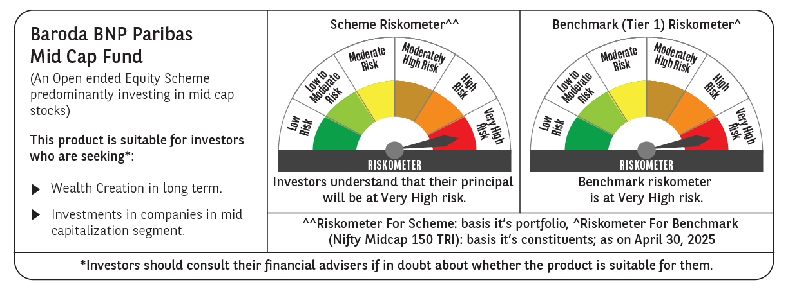
 | Baroda BNP Paribas Mid Cap Fund

 | Monthly Portfolio Statement as on April 30, 2025
 | Name of the Instrument | ISIN | Industry / Rating | Quantity | Market/Fair Value (Rs. in Lakhs) | % to Net Assets | YTM~ | YTC^ | null
 | Equity & Equity related
 | (a) Listed / awaiting listing on Stock Exchanges
PHMI02 | The Phoenix Mills Limited | INE211B01039 | Realty | 325,000 | 5,409.63 | 2.66%
FEBA02 | The Federal Bank Limited | INE171A01029 | Banks | 2,500,000 | 4,917.00 | 2.41%
ESMC02 | PB Fintech Limited | INE417T01026 | Financial Technology (Fintech) | 300,000 | 4,875.90 | 2.39%
INBK01 | Indian Bank | INE562A01011 | Banks | 800,000 | 4,526.40 | 2.22%
PRRC03 | Navin Fluorine International Limited | INE048G01026 | Chemicals & Petrochemicals | 100,000 | 4,521.60 | 2.22%
BINL01 | Indus Towers Limited | INE121J01017 | Telecom - Services | 1,100,000 | 4,490.20 | 2.20%
SHCE01 | Shree Cement Limited | INE070A01015 | Cement & Cement Products | 15,000 | 4,456.50 | 2.19%
IFEL01 | Oracle Financial Services Software Limited | INE881D01027 | IT - Software | 50,000 | 4,360.75 | 2.14%
ABBP01 | Hitachi Energy India Limited | INE07Y701011 | Electrical Equipment | 30,000 | 4,358.70 | 2.14%
UBBL02 | United Breweries Limited | INE686F01025 | Beverages | 200,000 | 4,320.00 | 2.12%
PSYL02 | Persistent Systems Limited | INE262H01021 | IT - Software | 80,000 | 4,257.20 | 2.09%
LICH02 | LIC Housing Finance Limited | INE115A01026 | Finance | 700,000 | 4,206.65 | 2.07%
ADWI01 | AWL Agri Business Limited | INE699H01024 | Agricultural Food & other Products | 1,575,000 | 4,206.04 | 2.07%
SUFI01 | Sundaram Finance Limited | INE660A01013 | Finance | 80,000 | 4,205.28 | 2.06%
BOOT01 | Abbott India Limited | INE358A01014 | Pharmaceuticals & Biotechnology | 14,000 | 4,197.90 | 2.06%
LUPL02 | Lupin Limited | INE326A01037 | Pharmaceuticals & Biotechnology | 200,000 | 4,191.20 | 2.06%
ALKE01 | Alkem Laboratories Limited | INE540L01014 | Pharmaceuticals & Biotechnology | 80,000 | 4,092.80 | 2.01%
BHAH02 | Bharat Heavy Electricals Limited | INE257A01026 | Electrical Equipment | 1,800,000 | 4,083.12 | 2.00%
GLAX01 | GlaxoSmithKline Pharmaceuticals Limited | INE159A01016 | Pharmaceuticals & Biotechnology | 136,783 | 4,055.07 | 1.99%
IHOT02 | The Indian Hotels Company Limited | INE053A01029 | Leisure Services | 500,000 | 3,938.50 | 1.93%
IPCA03 | IPCA Laboratories Limited | INE571A01038 | Pharmaceuticals & Biotechnology | 280,000 | 3,923.36 | 1.93%
ESCO01 | Escorts Kubota Limited | INE042A01014 | Agricultural, Commercial & Construction Vehicles | 120,000 | 3,910.80 | 1.92%
KPEL01 | KPIT Technologies Limited | INE04I401011 | IT - Software | 300,000 | 3,760.80 | 1.85%
PIIN03 | PI Industries Limited | INE603J01030 | Fertilizers & Agrochemicals | 100,000 | 3,640.20 | 1.79%
ALLI02 | GE Vernova T&D India Limited | INE200A01026 | Electrical Equipment | 225,000 | 3,523.73 | 1.73%
CHLO02 | Exide Industries Limited | INE302A01020 | Auto Components | 1,000,000 | 3,517.50 | 1.73%
PROG01 | Procter & Gamble Hygiene and Health Care Limited | INE179A01014 | Personal Products | 22,000 | 3,133.46 | 1.54%
FAGP02 | Schaeffler India Limited | INE513A01022 | Auto Components | 90,000 | 3,125.61 | 1.53%
WABT01 | ZF Commercial Vehicle Control Systems India Limited | INE342J01019 | Auto Components | 24,949 | 3,125.36 | 1.53%
COFE03 | Coromandel International Limited | INE169A01031 | Fertilizers & Agrochemicals | 140,000 | 3,099.88 | 1.52%
IPLI01 | ICICI Prudential Life Insurance Company Limited | INE726G01019 | Insurance | 500,000 | 3,071.75 | 1.51%
MAFS02 | Mahindra & Mahindra Financial Services Limited | INE774D01024 | Finance | 1,150,000 | 3,013.58 | 1.48%
CRED02 | CRISIL Limited | INE007A01025 | Finance | 65,000 | 2,894.26 | 1.42%
ILOM01 | ICICI Lombard General Insurance Company Limited | INE765G01017 | Insurance | 150,000 | 2,814.75 | 1.38%
MAHE01 | Max Healthcare Institute Limited | INE027H01010 | Healthcare Services | 255,000 | 2,800.41 | 1.37%
STPR03 | JK Lakshmi Cement Limited | INE786A01032 | Cement & Cement Products | 324,000 | 2,517.32 | 1.24%
PAGE01 | Page Industries Limited | INE761H01022 | Textiles & Apparels | 5,500 | 2,508.83 | 1.23%
HPEC01 | Hindustan Petroleum Corporation Limited | INE094A01015 | Petroleum Products | 660,000 | 2,499.42 | 1.23%
BHDY02 | Bharat Dynamics Limited | INE171Z01026 | Aerospace & Defense | 160,000 | 2,447.36 | 1.20%
ASHL02 | Ashok Leyland Limited | INE208A01029 | Agricultural, Commercial & Construction Vehicles | 1,050,000 | 2,365.76 | 1.16%
MEBR01 | Metro Brands Limited | INE317I01021 | Consumer Durables | 220,000 | 2,354.00 | 1.16%
MAXI02 | Max Financial Services Limited | INE180A01020 | Insurance | 170,000 | 2,218.50 | 1.09%
THER02 | Thermax Limited | INE152A01029 | Electrical Equipment | 65,000 | 2,139.35 | 1.05%
SAEL02 | TVS Motor Company Limited | INE494B01023 | Automobiles | 80,000 | 2,137.60 | 1.05%
IEIN01 | Info Edge (India) Limited | INE663F01024 | Retailing | 30,000 | 2,120.85 | 1.04%
BHHX01 | Bharti Hexacom Limited | INE343G01021 | Telecom - Services | 125,000 | 2,111.38 | 1.04%
BIRM01 | 3M India Limited | INE470A01017 | Diversified | 7,000 | 2,107.70 | 1.03%
HOCH01 | Sanofi India Limited | INE058A01010 | Pharmaceuticals & Biotechnology | 35,000 | 2,080.05 | 1.02%
SCHI01 | Sanofi Consumer Healthcare India Limited | INE0UOS01011 | Pharmaceuticals & Biotechnology | 42,000 | 2,074.80 | 1.02%
MOTI02 | Bosch Limited | INE323A01026 | Auto Components | 7,000 | 2,061.85 | 1.01%
FRHL01 | Fortis Healthcare Limited | INE061F01013 | Healthcare Services | 300,000 | 2,056.65 | 1.01%
OIIL01 | Oil India Limited | INE274J01014 | Oil | 500,000 | 2,053.75 | 1.01%
PLNG01 | Petronet LNG Limited | INE347G01014 | Gas | 650,000 | 2,039.38 | 1.00%
NACL03 | National Aluminium Company Limited | INE139A01034 | Non - Ferrous Metals | 1,300,000 | 2,034.11 | 1.00%
HTAP02 | Hatsun Agro Product Limited | INE473B01035 | Food Products | 217,207 | 1,967.35 | 0.97%
SOKO03 | Jtekt India Limited | INE643A01035 | Auto Components | 1,344,251 | 1,909.11 | 0.94%
INKN01 | Inventurus Knowledge Solutions Limited | INE115Q01022 | IT - Services | 126,398 | 1,865.89 | 0.92%
VOLT02 | Voltas Limited | INE226A01021 | Consumer Durables | 145,000 | 1,792.35 | 0.88%
RATM02 | Ratnamani Metals & Tubes Limited | INE703B01027 | Industrial Products | 65,400 | 1,755.60 | 0.86%
OLAE01 | Ola Electric Mobility Ltd | INE0LXG01040 | Automobiles | 3,200,000 | 1,558.08 | 0.76%
ICEM01 | The India Cements Limited | INE383A01012 | Cement & Cement Products | 250,000 | 769.88 | 0.38%
ADHL01 | Aster DM Healthcare Limited | INE914M01019 | Healthcare Services | 132,000 | 666.53 | 0.33%
AIEL02 | AIA Engineering Limited | INE212H01026 | Industrial Products | 10,000 | 319.39 | 0.16%
 | Sub Total |  |  |  | 191,558.73 | 94.05%
 | (b) Unlisted |  |  |  | NIL | NIL
 | Sub Total |  |  |  | NIL | NIL
 | Total |  |  |  | 191,558.73 | 94.05%
 | Money Market Instruments
 | Treasury Bill
TBIL2450 | 364 Days Tbill (MD 18/12/2025) | IN002024Z362 | Sovereign | 2,000,000 | 1,927.90 | 0.95% | 5.91%
 | Sub Total |  |  |  | 1,927.90 | 0.95%
 | Total |  |  |  | 1,927.90 | 0.95%
 | Reverse Repo / TREPS
TRP_020525 | Clearing Corporation of India Ltd |  |  |  | 9,519.63 | 4.67% | 5.94%
 | Sub Total |  |  |  | 9,519.63 | 4.67%
 | Total |  |  |  | 9,519.63 | 4.67%
 | Net Receivables / (Payables) |  |  |  | 665.17 | 0.33%
 | GRAND TOTAL |  |  |  | 203,671.43 | 100.00%

 | ~ YTM as on April 30, 2025
 | ^ YTC represents Yield to Call provided by valuation agencies as on April 30, 2025. It is disclosed for Perpetual Bond issued by Banks (i.e. AT-1 Bond / Tier 1 Bond / Tier 2 Bond), as per AMFI Best Practices Guidelines Circular no. 135/BP/91/2020-21 read with SEBI circular No. SEBI/HO/IMD/DF4/CIR/P/2021/034 on Valuation of AT-1 Bonds and Tier 2 Bonds.

