T0ME02
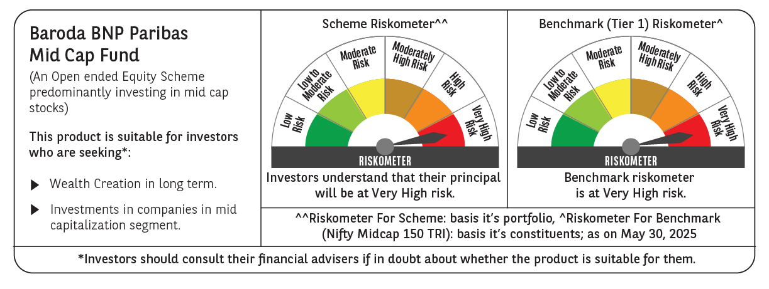
 | Baroda BNP Paribas Mid Cap Fund

 | Monthly Portfolio Statement as on May 31, 2025
 | Name of the Instrument | ISIN | Industry / Rating | Quantity | Market/Fair Value (Rs. in Lakhs) | % to Net Assets | YTM~ | YTC^ | null
 | Equity & Equity related
 | (a) Listed / awaiting listing on Stock Exchanges
ABBP01 | Hitachi Energy India Limited | INE07Y701011 | Electrical Equipment | 30,000 | 5,789.40 | 2.71%
ALLI02 | GE Vernova T&D India Limited | INE200A01026 | Electrical Equipment | 250,000 | 5,603.50 | 2.62%
ESMC02 | PB Fintech Limited | INE417T01026 | Financial Technology (Fintech) | 300,000 | 5,284.80 | 2.47%
FEBA02 | The Federal Bank Limited | INE171A01029 | Banks | 2,500,000 | 5,051.50 | 2.36%
PHMI02 | The Phoenix Mills Limited | INE211B01039 | Realty | 325,000 | 4,995.58 | 2.34%
INBK01 | Indian Bank | INE562A01011 | Banks | 800,000 | 4,932.80 | 2.31%
KPEL01 | KPIT Technologies Limited | INE04I401011 | IT - Software | 350,000 | 4,682.30 | 2.19%
BHAH02 | Bharat Heavy Electricals Limited | INE257A01026 | Electrical Equipment | 1,800,000 | 4,676.94 | 2.19%
HPEC01 | Hindustan Petroleum Corporation Limited | INE094A01015 | Petroleum Products | 1,100,000 | 4,521.55 | 2.12%
GLAX01 | GlaxoSmithKline Pharmaceuticals Limited | INE159A01016 | Pharmaceuticals & Biotechnology | 136,783 | 4,511.92 | 2.11%
PSYL02 | Persistent Systems Limited | INE262H01021 | IT - Software | 80,000 | 4,510.40 | 2.11%
BOOT01 | Abbott India Limited | INE358A01014 | Pharmaceuticals & Biotechnology | 14,000 | 4,263.70 | 2.00%
PRRC03 | Navin Fluorine International Limited | INE048G01026 | Chemicals & Petrochemicals | 100,000 | 4,261.20 | 1.99%
ADWI01 | AWL Agri Business Limited | INE699H01024 | Agricultural Food & other Products | 1,546,632 | 4,253.24 | 1.99%
IFEL01 | Oracle Financial Services Software Limited | INE881D01027 | IT - Software | 50,000 | 4,231.25 | 1.98%
LICH02 | LIC Housing Finance Limited | INE115A01026 | Finance | 700,000 | 4,175.15 | 1.95%
SUFI01 | Sundaram Finance Limited | INE660A01013 | Finance | 80,000 | 4,109.20 | 1.92%
ALKE01 | Alkem Laboratories Limited | INE540L01014 | Pharmaceuticals & Biotechnology | 80,000 | 4,078.80 | 1.91%
IPCA03 | IPCA Laboratories Limited | INE571A01038 | Pharmaceuticals & Biotechnology | 280,000 | 3,989.44 | 1.87%
ESCO01 | Escorts Kubota Limited | INE042A01014 | Agricultural, Commercial & Construction Vehicles | 120,000 | 3,986.04 | 1.87%
UBBL02 | United Breweries Limited | INE686F01025 | Beverages | 200,000 | 3,953.60 | 1.85%
COFE03 | Coromandel International Limited | INE169A01031 | Fertilizers & Agrochemicals | 170,000 | 3,891.98 | 1.82%
PIIN03 | PI Industries Limited | INE603J01030 | Fertilizers & Agrochemicals | 100,000 | 3,823.70 | 1.79%
FAGP02 | Schaeffler India Limited | INE513A01022 | Auto Components | 90,000 | 3,769.83 | 1.76%
FRHL01 | Fortis Healthcare Limited | INE061F01013 | Healthcare Services | 500,000 | 3,531.50 | 1.65%
CHLO02 | Exide Industries Limited | INE302A01020 | Auto Components | 900,000 | 3,481.65 | 1.63%
CRED02 | CRISIL Limited | INE007A01025 | Finance | 65,000 | 3,412.31 | 1.60%
MAHE01 | Max Healthcare Institute Limited | INE027H01010 | Healthcare Services | 300,000 | 3,375.60 | 1.58%
WABT01 | ZF Commercial Vehicle Control Systems India Limited | INE342J01019 | Auto Components | 24,949 | 3,335.18 | 1.56%
IPLI01 | ICICI Prudential Life Insurance Company Limited | INE726G01019 | Insurance | 500,000 | 3,312.00 | 1.55%
ILOM01 | ICICI Lombard General Insurance Company Limited | INE765G01017 | Insurance | 175,000 | 3,281.95 | 1.54%
SHCE01 | Shree Cement Limited | INE070A01015 | Cement & Cement Products | 11,000 | 3,255.45 | 1.52%
PROG01 | Procter & Gamble Hygiene and Health Care Limited | INE179A01014 | Personal Products | 22,000 | 2,988.48 | 1.40%
MEBR01 | Metro Brands Limited | INE317I01021 | Consumer Durables | 219,786 | 2,652.16 | 1.24%
HOCH01 | Sanofi India Limited | INE058A01010 | Pharmaceuticals & Biotechnology | 42,059 | 2,604.50 | 1.22%
MAXI02 | Max Financial Services Limited | INE180A01020 | Insurance | 170,000 | 2,554.59 | 1.20%
PAGE01 | Page Industries Limited | INE761H01022 | Textiles & Apparels | 5,500 | 2,550.90 | 1.19%
ASHL02 | Ashok Leyland Limited | INE208A01029 | Agricultural, Commercial & Construction Vehicles | 1,050,000 | 2,478.32 | 1.16%
NACL03 | National Aluminium Company Limited | INE139A01034 | Non - Ferrous Metals | 1,300,000 | 2,344.55 | 1.10%
CHEL02 | Zydus Lifesciences Limited | INE010B01027 | Pharmaceuticals & Biotechnology | 250,000 | 2,325.00 | 1.09%
BHHX01 | Bharti Hexacom Limited | INE343G01021 | Telecom - Services | 125,000 | 2,288.38 | 1.07%
HTAP02 | Hatsun Agro Product Limited | INE473B01035 | Food Products | 234,937 | 2,265.73 | 1.06%
SCHI01 | Sanofi Consumer Healthcare India Limited | INE0UOS01011 | Pharmaceuticals & Biotechnology | 42,000 | 2,212.81 | 1.04%
THER02 | Thermax Limited | INE152A01029 | Electrical Equipment | 65,000 | 2,202.33 | 1.03%
MOTI02 | Bosch Limited | INE323A01026 | Auto Components | 7,000 | 2,199.05 | 1.03%
YESB03 | Yes Bank Limited | INE528G01035 | Banks | 10,000,000 | 2,148.00 | 1.01%
IEIN02 | Info Edge (India) Limited | INE663F01032 | Retailing | 150,000 | 2,141.25 | 1.00%
OIIL01 | Oil India Limited | INE274J01014 | Oil | 500,000 | 2,134.00 | 1.00%
STPR03 | JK Lakshmi Cement Limited | INE786A01032 | Cement & Cement Products | 250,000 | 2,117.13 | 0.99%
SAEL02 | TVS Motor Company Limited | INE494B01023 | Automobiles | 75,000 | 2,085.60 | 0.98%
BIRM01 | 3M India Limited | INE470A01017 | Diversified | 7,000 | 2,049.25 | 0.96%
PLNG01 | Petronet LNG Limited | INE347G01014 | Gas | 650,000 | 1,997.45 | 0.93%
INKN01 | Inventurus Knowledge Solutions Limited | INE115Q01022 | IT - Services | 126,398 | 1,903.05 | 0.89%
ICEM01 | The India Cements Limited | INE383A01012 | Cement & Cement Products | 600,000 | 1,902.90 | 0.89%
SOKO03 | Jtekt India Limited | INE643A01035 | Auto Components | 1,344,251 | 1,864.74 | 0.87%
MRFL01 | MRF Limited | INE883A01011 | Auto Components | 1,250 | 1,735.81 | 0.81%
IHOT02 | The Indian Hotels Company Limited | INE053A01029 | Leisure Services | 225,000 | 1,732.16 | 0.81%
OLAE01 | Ola Electric Mobility Ltd | INE0LXG01040 | Automobiles | 3,200,000 | 1,630.72 | 0.76%
MAFS02 | Mahindra & Mahindra Financial Services Limited | INE774D01024 | Finance | 500,000 | 1,305.50 | 0.61%
BHDY02 | Bharat Dynamics Limited | INE171Z01026 | Aerospace & Defense | 50,000 | 1,007.75 | 0.47%
RATM02 | Ratnamani Metals & Tubes Limited | INE703B01027 | Industrial Products | 35,000 | 993.65 | 0.47%
ADHL01 | Aster DM Healthcare Limited | INE914M01019 | Healthcare Services | 132,000 | 738.28 | 0.35%
MAFS03RF | Mahindra & Mahindra Financial Services Limited | INE774D20024 | Finance | 71,875 | 47.55 | 0.02%
 | Sub Total |  |  |  | 195,535.05 | 91.51%
 | (b) Unlisted |  |  |  | NIL | NIL
 | Sub Total |  |  |  | NIL | NIL
 | Total |  |  |  | 195,535.05 | 91.51%
 | Money Market Instruments
 | Treasury Bill
TBIL2450 | 364 Days Tbill (MD 18/12/2025) | IN002024Z362 | Sovereign | 2,000,000 | 1,940.44 | 0.91% | 5.60%
 | Sub Total |  |  |  | 1,940.44 | 0.91%
 | Total |  |  |  | 1,940.44 | 0.91%
 | Reverse Repo / TREPS
TRP_020625 | Clearing Corporation of India Ltd |  |  |  | 16,027.73 | 7.50% | 5.77%
 | Sub Total |  |  |  | 16,027.73 | 7.50%
 | Total |  |  |  | 16,027.73 | 7.50%
 | Net Receivables / (Payables) |  |  |  | 176.75 | 0.08%
 | GRAND TOTAL |  |  |  | 213,679.97 | 100.00%

 | ~ YTM as on May 31, 2025
 | ^ YTC represents Yield to Call provided by valuation agencies as on May 31, 2025. It is disclosed for Perpetual Bond issued by Banks (i.e. AT-1 Bond / Tier 1 Bond / Tier 2 Bond), as per AMFI Best Practices Guidelines Circular no. 135/BP/91/2020-21 read with SEBI circular No. SEBI/HO/IMD/DF4/CIR/P/2021/034 on Valuation of AT-1 Bonds and Tier 2 Bonds.

