T0ME02
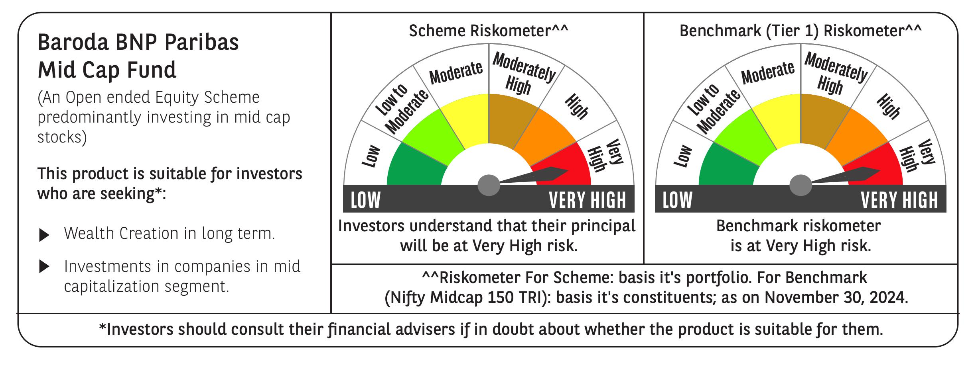
 | Baroda BNP Paribas Mid Cap Fund

 | Monthly Portfolio Statement as on November 30, 2024
 | Name of the Instrument | ISIN | Industry / Rating | Quantity | Market/Fair Value (Rs. in Lakhs) | % to Net Assets | YTM~ | YTC^ | null
 | Equity & Equity related
 | (a) Listed / awaiting listing on Stock Exchanges
ESMC02 | PB Fintech Limited | INE417T01026 | Financial Technology (Fintech) | 500,000 | 9,469.50 | 4.42%
IHOT02 | The Indian Hotels Company Limited | INE053A01029 | Leisure Services | 700,000 | 5,553.45 | 2.59%
CRED02 | CRISIL Limited | INE007A01025 | Finance | 100,000 | 5,364.00 | 2.50%
NACL03 | National Aluminium Company Limited | INE139A01034 | Non - Ferrous Metals | 2,200,000 | 5,327.08 | 2.48%
FEBA02 | The Federal Bank Limited | INE171A01029 | Banks | 2,500,000 | 5,269.50 | 2.46%
ABBP01 | Hitachi Energy India Limited | INE07Y701011 | Electrical Equipment | 43,250 | 5,180.72 | 2.42%
DIXO02 | Dixon Technologies (India) Limited | INE935N01020 | Consumer Durables | 32,500 | 5,137.41 | 2.40%
PHMI02 | The Phoenix Mills Limited | INE211B01039 | Realty | 300,000 | 4,968.75 | 2.32%
IFEL01 | Oracle Financial Services Software Limited | INE881D01027 | IT - Software | 40,000 | 4,678.58 | 2.18%
INBK01 | Indian Bank | INE562A01011 | Banks | 800,000 | 4,594.40 | 2.14%
LAKM02 | Trent Limited | INE849A01020 | Retailing | 64,700 | 4,396.62 | 2.05%
ESCO01 | Escorts Kubota Limited | INE042A01014 | Agricultural, Commercial & Construction Vehicles | 120,000 | 4,264.68 | 1.99%
SAEL02 | TVS Motor Company Limited | INE494B01023 | Automobiles | 171,410 | 4,172.89 | 1.95%
LUPL02 | Lupin Limited | INE326A01037 | Pharmaceuticals & Biotechnology | 200,000 | 4,101.50 | 1.91%
ALLI02 | GE Vernova T&D India Limited | INE200A01026 | Electrical Equipment | 225,000 | 3,951.45 | 1.84%
IPCA03 | IPCA Laboratories Limited | INE571A01038 | Pharmaceuticals & Biotechnology | 250,000 | 3,856.38 | 1.80%
SUFI01 | Sundaram Finance Limited | INE660A01013 | Finance | 93,000 | 3,690.61 | 1.72%
BINL01 | Indus Towers Limited | INE121J01017 | Telecom - Services | 1,050,167 | 3,668.76 | 1.71%
BOOT01 | Abbott India Limited | INE358A01014 | Pharmaceuticals & Biotechnology | 13,000 | 3,604.04 | 1.68%
LICH02 | LIC Housing Finance Limited | INE115A01026 | Finance | 540,000 | 3,449.52 | 1.61%
RATM02 | Ratnamani Metals & Tubes Limited | INE703B01027 | Industrial Products | 100,000 | 3,433.00 | 1.60%
ALKE01 | Alkem Laboratories Limited | INE540L01014 | Pharmaceuticals & Biotechnology | 60,000 | 3,385.47 | 1.58%
MALE02 | Poonawalla Fincorp Limited | INE511C01022 | Finance | 900,000 | 3,190.05 | 1.49%
MOTI02 | Bosch Limited | INE323A01026 | Auto Components | 9,000 | 3,146.96 | 1.47%
MAFS02 | Mahindra & Mahindra Financial Services Limited | INE774D01024 | Finance | 1,150,000 | 3,144.10 | 1.47%
WABT01 | ZF Commercial Vehicle Control Systems India Limited | INE342J01019 | Auto Components | 24,949 | 3,114.53 | 1.45%
MEBR01 | Metro Brands Limited | INE317I01021 | Consumer Durables | 250,652 | 3,096.93 | 1.44%
GLAX01 | GlaxoSmithKline Pharmaceuticals Limited | INE159A01016 | Pharmaceuticals & Biotechnology | 125,000 | 3,055.50 | 1.42%
FAGP02 | Schaeffler India Limited | INE513A01022 | Auto Components | 85,000 | 3,046.57 | 1.42%
IPLI01 | ICICI Prudential Life Insurance Company Limited | INE726G01019 | Insurance | 432,000 | 3,022.49 | 1.41%
THER02 | Thermax Limited | INE152A01029 | Electrical Equipment | 65,000 | 2,983.57 | 1.39%
TTEC01 | Tata Technologies Limited | INE142M01025 | IT - Services | 315,000 | 2,956.28 | 1.38%
CHLO02 | Exide Industries Limited | INE302A01020 | Auto Components | 650,000 | 2,941.90 | 1.37%
PROG01 | Procter & Gamble Hygiene and Health Care Limited | INE179A01014 | Personal Products | 18,500 | 2,939.87 | 1.37%
VOLT02 | Voltas Limited | INE226A01021 | Consumer Durables | 170,000 | 2,819.03 | 1.31%
AIEL02 | AIA Engineering Limited | INE212H01026 | Industrial Products | 75,000 | 2,624.44 | 1.22%
KPEL01 | KPIT Technologies Limited | INE04I401011 | IT - Software | 185,202 | 2,535.04 | 1.18%
COFE03 | Coromandel International Limited | INE169A01031 | Fertilizers & Agrochemicals | 140,000 | 2,504.60 | 1.17%
MAHE01 | Max Healthcare Institute Limited | INE027H01010 | Healthcare Services | 255,000 | 2,498.36 | 1.16%
STPR03 | JK Lakshmi Cement Limited | INE786A01032 | Cement & Cement Products | 320,000 | 2,495.20 | 1.16%
ASHL02 | Ashok Leyland Limited | INE208A01029 | Agricultural, Commercial & Construction Vehicles | 1,050,000 | 2,436.84 | 1.14%
OLAE01 | Ola Electric Mobility Ltd | INE0LXG01040 | Automobiles | 2,622,360 | 2,292.20 | 1.07%
BIRM01 | 3M India Limited | INE470A01017 | Diversified | 7,000 | 2,257.17 | 1.05%
SOKO03 | Jtekt India Limited | INE643A01035 | Auto Components | 1,300,000 | 2,248.74 | 1.05%
COCH02 | Cochin Shipyard Limited | INE704P01025 | Industrial Manufacturing | 141,800 | 2,236.61 | 1.04%
ILOM01 | ICICI Lombard General Insurance Company Limited | INE765G01017 | Insurance | 120,000 | 2,234.22 | 1.04%
PAGE01 | Page Industries Limited | INE761H01022 | Textiles & Apparels | 5,000 | 2,232.25 | 1.04%
DENI02 | Deepak Nitrite Limited | INE288B01029 | Chemicals & Petrochemicals | 80,000 | 2,181.80 | 1.02%
PLNG01 | Petronet LNG Limited | INE347G01014 | Gas | 650,000 | 2,165.15 | 1.01%
UBBL02 | United Breweries Limited | INE686F01025 | Beverages | 110,000 | 2,145.55 | 1.00%
HPEC01 | Hindustan Petroleum Corporation Limited | INE094A01015 | Petroleum Products | 560,000 | 2,145.36 | 1.00%
NAYV01 | NLC India Limited | INE589A01014 | Power | 825,000 | 2,135.51 | 1.00%
HCLT02 | HCL Technologies Limited | INE860A01027 | IT - Software | 115,500 | 2,134.50 | 1.00%
BHFO02 | Bharat Forge Limited | INE465A01025 | Auto Components | 160,000 | 2,131.60 | 0.99%
SUPI02 | Supreme Industries Limited | INE195A01028 | Industrial Products | 45,000 | 2,093.00 | 0.98%
HTAP02 | Hatsun Agro Product Limited | INE473B01035 | Food Products | 190,000 | 2,043.45 | 0.95%
SHTR01 | Shriram Finance Limited | INE721A01013 | Finance | 65,000 | 1,962.77 | 0.92%
CHEL02 | Zydus Lifesciences Limited | INE010B01027 | Pharmaceuticals & Biotechnology | 200,000 | 1,931.90 | 0.90%
BHAH02 | Bharat Heavy Electricals Limited | INE257A01026 | Electrical Equipment | 650,000 | 1,632.09 | 0.76%
JBCH03 | JB Chemicals & Pharmaceuticals Limited | INE572A01036 | Pharmaceuticals & Biotechnology | 93,991 | 1,631.03 | 0.76%
HOCH01 | Sanofi India Limited | INE058A01010 | Pharmaceuticals & Biotechnology | 23,000 | 1,469.82 | 0.69%
PRRC03 | Navin Fluorine International Limited | INE048G01026 | Chemicals & Petrochemicals | 40,000 | 1,403.16 | 0.65%
ZMPL01 | Zomato Limited | INE758T01015 | Retailing | 500,000 | 1,398.80 | 0.65%
JUFL02 | Jubilant Foodworks Limited | INE797F01020 | Leisure Services | 200,000 | 1,289.10 | 0.60%
SCHI01 | Sanofi Consumer Healthcare India Limited | INE0UOS01011 | Pharmaceuticals & Biotechnology | 21,500 | 1,037.46 | 0.48%
SAGI01 | Sagility India Limited | INE0W2G01015 | IT - Services | 300,000 | 111.06 | 0.05%
 | Sub Total |  |  |  | 202,614.87 | 94.47%
 | (b) Unlisted |  |  |  | NIL | NIL
 | Sub Total |  |  |  | NIL | NIL
 | Total |  |  |  | 202,614.87 | 94.47%
 | Money Market Instruments
 | Treasury Bill
TBIL2396 | 182 Days Tbill (MD 14/02/2025) | IN002024Y209 | Sovereign | 2,000,000 | 1,973.84 | 0.92% | 6.45%
TBIL2329 | 364 Days Tbill (MD 27/02/2025) | IN002023Z513 | Sovereign | 1,000,000 | 984.69 | 0.46% | 6.45%
 | Sub Total |  |  |  | 2,958.53 | 1.38%
 | Total |  |  |  | 2,958.53 | 1.38%
 | Reverse Repo / TREPS
TRP_021224 | Clearing Corporation of India Ltd |  |  |  | 8,876.24 | 4.14% | 6.69%
 | Sub Total |  |  |  | 8,876.24 | 4.14%
 | Total |  |  |  | 8,876.24 | 4.14%
 | Net Receivables / (Payables) |  |  |  | 4.65 | 0.01%
 | GRAND TOTAL |  |  |  | 214,454.29 | 100.00%

 | ~ YTM as on November 30, 2024
 | ^ YTC represents Yield to Call provided by valuation agencies as on November 30, 2024. It is disclosed for Perpetual Bond issued by Banks (i.e. AT-1 Bond / Tier 1 Bond / Tier 2 Bond), as per AMFI Best Practices Guidelines Circular no. 135/BP/91/2020-21 re

