T0ME04
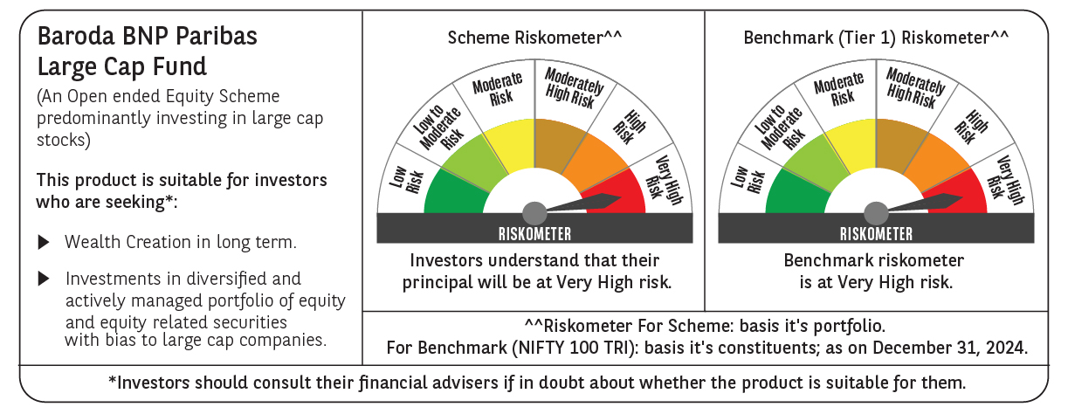
 | Baroda BNP Paribas Large Cap Fund

 | Monthly Portfolio Statement as on December 31, 2024
 | Name of the Instrument | ISIN | Industry / Rating | Quantity | Market/Fair Value (Rs. in Lakhs) | % to Net Assets | YTM~ | YTC^ | null
 | Equity & Equity related
 | (a) Listed / awaiting listing on Stock Exchanges
HDFB03 | HDFC Bank Limited | INE040A01034 | Banks | 1,107,000 | 19,625.45 | 8.10%
IBCL05 | ICICI Bank Limited | INE090A01021 | Banks | 1,350,000 | 17,302.28 | 7.15%
RIND01 | Reliance Industries Limited | INE002A01018 | Petroleum Products | 972,000 | 11,814.17 | 4.88%
LARS02 | Larsen & Toubro Limited | INE018A01030 | Construction | 270,000 | 9,740.66 | 4.02%
INFS02 | Infosys Limited | INE009A01021 | IT - Software | 468,000 | 8,798.40 | 3.63%
TCSL01 | Tata Consultancy Services Limited | INE467B01029 | IT - Software | 207,000 | 8,476.24 | 3.50%
ITCL02 | ITC Limited | INE154A01025 | Diversified FMCG | 1,575,000 | 7,617.49 | 3.15%
ABBP01 | Hitachi Energy India Limited | INE07Y701011 | Electrical Equipment | 47,700 | 6,874.62 | 2.84%
LAKM02 | Trent Limited | INE849A01020 | Retailing | 93,600 | 6,667.46 | 2.75%
KOMA02 | Kotak Mahindra Bank Limited | INE237A01028 | Banks | 360,000 | 6,429.78 | 2.66%
BLTE01 | Swiggy Limited | INE00H001014 | Retailing | 1,170,000 | 6,328.53 | 2.61%
BTVL02 | Bharti Airtel Limited | INE397D01024 | Telecom - Services | 360,000 | 5,715.90 | 2.36%
NTPC01 | NTPC Limited | INE733E01010 | Power | 1,710,000 | 5,700.29 | 2.35%
MOTI02 | Bosch Limited | INE323A01026 | Auto Components | 15,300 | 5,217.33 | 2.15%
ZMPL01 | Zomato Limited | INE758T01015 | Retailing | 1,710,000 | 4,754.66 | 1.96%
SESA02 | Vedanta Limited | INE205A01025 | Diversified Metals | 1,003,500 | 4,460.06 | 1.84%
DIVI02 | Divi's Laboratories Limited | INE361B01024 | Pharmaceuticals & Biotechnology | 72,000 | 4,391.14 | 1.81%
SPIL03 | Sun Pharmaceutical Industries Limited | INE044A01036 | Pharmaceuticals & Biotechnology | 225,000 | 4,244.29 | 1.75%
HCLT02 | HCL Technologies Limited | INE860A01027 | IT - Software | 216,000 | 4,141.58 | 1.71%
TELC03 | Tata Motors Limited | INE155A01022 | Automobiles | 540,000 | 3,996.81 | 1.65%
HYUN01 | Hyundai Motor India Ltd | INE0V6F01027 | Automobiles | 216,000 | 3,901.18 | 1.61%
MCSP02 | United Spirits Limited | INE854D01024 | Beverages | 225,000 | 3,657.26 | 1.51%
DRRL03 | Dr. Reddy's Laboratories Limited | INE089A01031 | Pharmaceuticals & Biotechnology | 252,000 | 3,499.02 | 1.45%
SBAI02 | State Bank of India | INE062A01020 | Banks | 405,000 | 3,219.55 | 1.33%
HERO02 | Hero MotoCorp Limited | INE158A01026 | Automobiles | 67,500 | 2,808.41 | 1.16%
OIIL01 | Oil India Limited | INE274J01014 | Oil | 630,000 | 2,713.73 | 1.12%
MAUD01 | Maruti Suzuki India Limited | INE585B01010 | Automobiles | 24,300 | 2,638.59 | 1.09%
PFCL01 | Power Finance Corporation Limited | INE134E01011 | Finance | 567,000 | 2,543.00 | 1.05%
VNBL03 | Varun Beverages Limited | INE200M01039 | Beverages | 396,000 | 2,528.46 | 1.04%
HLEL02 | Hindustan Unilever Limited | INE030A01027 | Diversified FMCG | 108,000 | 2,513.00 | 1.04%
ULCC01 | UltraTech Cement Limited | INE481G01011 | Cement & Cement Products | 21,600 | 2,468.09 | 1.02%
BAFL02 | Bajaj Finance Limited | INE296A01024 | Finance | 36,000 | 2,456.28 | 1.01%
NEST02 | Nestle India Limited | INE239A01024 | Food Products | 111,600 | 2,421.78 | 1.00%
ILOM01 | ICICI Lombard General Insurance Company Limited | INE765G01017 | Insurance | 135,000 | 2,413.46 | 1.00%
GUAM02 | Ambuja Cements Limited | INE079A01024 | Cement & Cement Products | 450,000 | 2,411.10 | 1.00%
ESCO01 | Escorts Kubota Limited | INE042A01014 | Agricultural, Commercial & Construction Vehicles | 72,000 | 2,399.44 | 0.99%
IPLI01 | ICICI Prudential Life Insurance Company Limited | INE726G01019 | Insurance | 360,000 | 2,357.46 | 0.97%
CIPL03 | Cipla Limited | INE059A01026 | Pharmaceuticals & Biotechnology | 153,000 | 2,339.37 | 0.97%
COAL01 | Coal India Limited | INE522F01014 | Consumable Fuels | 603,000 | 2,316.42 | 0.96%
RELS01 | Jio Financial Services Limited | INE758E01017 | Finance | 774,000 | 2,311.94 | 0.95%
BHAH02 | Bharat Heavy Electricals Limited | INE257A01026 | Electrical Equipment | 999,000 | 2,291.71 | 0.95%
TAHO01 | Honeywell Automation India Limited | INE671A01010 | Industrial Manufacturing | 5,400 | 2,265.63 | 0.94%
PGCI01 | Power Grid Corporation of India Limited | INE752E01010 | Power | 729,000 | 2,250.42 | 0.93%
GAIL01 | GAIL (India) Limited | INE129A01019 | Gas | 1,170,000 | 2,234.47 | 0.92%
GRAS02 | Grasim Industries Limited | INE047A01021 | Cement & Cement Products | 90,000 | 2,198.43 | 0.91%
BPCL01 | Bharat Petroleum Corporation Limited | INE029A01011 | Petroleum Products | 720,000 | 2,105.64 | 0.87%
NGEL01 | NTPC Green Energy Limited | INE0ONG01011 | Power | 729,884 | 928.34 | 0.38%
BFSL02 | Bajaj Finserv Limited | INE918I01026 | Finance | 54,000 | 846.77 | 0.35%
TPOW02 | Tata Power Company Limited | INE245A01021 | Power | 189,000 | 741.64 | 0.31%
SLIF01 | SBI Life Insurance Company Limited | INE123W01016 | Insurance | 45,000 | 625.68 | 0.26%
VMML01 | Vishal Mega Mart Limited | INE01EA01019 | Retailing | 59,546 | 63.37 | 0.03%
GRAS04 | Grasim Industries Ltd Partly Paid Up FV1 | IN9047A01029 | Cement & Cement Products | 3,578 | 54.98 | 0.02%
 | Sub Total |  |  |  | 222,821.76 | 92.01%
 | (b) Unlisted |  |  |  | NIL | NIL
 | Sub Total |  |  |  | NIL | NIL
 | Total |  |  |  | 222,821.76 | 92.01%
 | Derivatives
 | Index / Stock Futures
BFSLJAN25 | Bajaj Finserv Limited January 2025 Future |  |  | 108,000 | 1,706.35 | 0.70%
DIXOJAN25 | Dixon Technologies (India) Limited January 2025 Future |  |  | 9,000 | 1,624.72 | 0.67%
TPOWJAN25 | Tata Power Company Limited January 2025 Future |  |  | 364,500 | 1,440.69 | 0.59%
RINDJAN25 | Reliance Industries Limited January 2025 Future |  |  | 63,000 | 770.90 | 0.32%
 | Sub Total |  |  |  | 5,542.66 | 2.28%
 | Total |  |  |  | 5,542.66 | 2.28%
 | Money Market Instruments
 | Treasury Bill
TBIL2405 | 364 Days Tbill (MD 04/09/2025) | IN002024Z230 | Sovereign | 1,200,000 | 1,148.38 | 0.47% | 6.67%
TBIL2396 | 182 Days Tbill (MD 14/02/2025) | IN002024Y209 | Sovereign | 750,000 | 744.22 | 0.31% | 6.44%
TBIL2323 | 364 Days Tbill (MD 13/02/2025) | IN002023Z489 | Sovereign | 500,000 | 496.24 | 0.20% | 6.44%
 | Sub Total |  |  |  | 2,388.84 | 0.98%
 | Total |  |  |  | 2,388.84 | 0.98%
 | Reverse Repo / TREPS
TRP_010125 | Clearing Corporation of India Ltd |  |  |  | 17,117.35 | 7.07% | 6.58%
 | Sub Total |  |  |  | 17,117.35 | 7.07%
 | Total |  |  |  | 17,117.35 | 7.07%
 | Net Receivables / (Payables) |  |  |  | (5,726.30) | (2.34)%
 | GRAND TOTAL |  |  |  | 242,144.31 | 100.00%

 | ** Thinly Traded / Non Traded Security
 | ~ YTM as on December 31, 2024
 | ^ YTC represents Yield to Call provided by valuation agencies as on December 31, 2024. It is disclosed for Perpetual Bond issued by Banks (i.e. AT-1 Bond / Tier 1 Bond / Tier 2 Bond), as per AMFI Best Practices Guidelines Circular no. 135/BP/91/2020-21 re
 | Details of Stock Future / Index Future
 | Long/Short | Name of the Instrument | Industry | Quantity. | Market/Fair Value (Rs. in Lacs). | % to NAV.
 | Long | Bajaj Finserv Limited_30/01/2025 | Finance | 108,000 | 1,706.35 | 0.70%
 | Long | Dixon Technologies (India) Limited_30/01/2025 | Consumer Durables | 9,000 | 1,624.72 | 0.67%
 | Long | Tata Power Company Limited_30/01/2025 | Power | 364,500 | 1,440.69 | 0.59%
 | Long | Reliance Industries Limited_30/01/2025 | Petroleum Products | 63,000 | 770.90 | 0.32%

