T0ME04
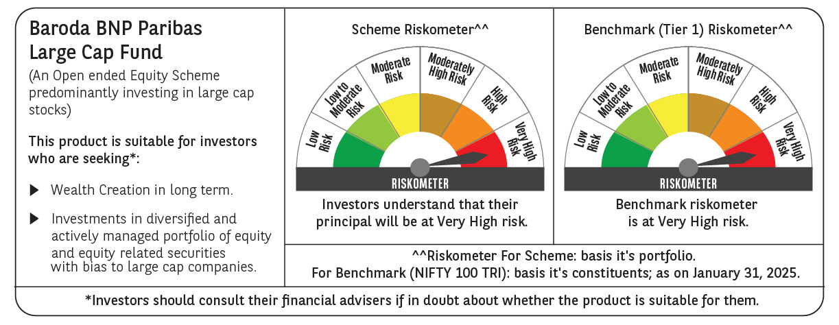
 | Baroda BNP Paribas Large Cap Fund

 | Monthly Portfolio Statement as on January 31, 2025
 | Name of the Instrument | ISIN | Industry / Rating | Quantity | Market/Fair Value (Rs. in Lakhs) | % to Net Assets | YTM~ | YTC^ | null
 | Equity & Equity related
 | (a) Listed / awaiting listing on Stock Exchanges
HDFB03 | HDFC Bank Limited | INE040A01034 | Banks | 1,107,000 | 18,805.16 | 8.01%
IBCL05 | ICICI Bank Limited | INE090A01021 | Banks | 1,350,000 | 16,912.80 | 7.20%
RIND01 | Reliance Industries Limited | INE002A01018 | Petroleum Products | 1,035,000 | 13,093.79 | 5.58%
INFS02 | Infosys Limited | INE009A01021 | IT - Software | 513,000 | 9,643.37 | 4.11%
LARS02 | Larsen & Toubro Limited | INE018A01030 | Construction | 270,000 | 9,631.98 | 4.10%
TCSL01 | Tata Consultancy Services Limited | INE467B01029 | IT - Software | 225,000 | 9,252.90 | 3.94%
KOMA02 | Kotak Mahindra Bank Limited | INE237A01028 | Banks | 459,000 | 8,726.97 | 3.72%
ITCL02 | ITC Limited | INE154A01025 | Diversified FMCG | 1,575,000 | 7,048.13 | 3.00%
BTVL02 | Bharti Airtel Limited | INE397D01024 | Telecom - Services | 405,000 | 6,586.52 | 2.81%
ABBP01 | Hitachi Energy India Limited | INE07Y701011 | Electrical Equipment | 47,700 | 6,135.91 | 2.61%
NTPC01 | NTPC Limited | INE733E01010 | Power | 1,710,000 | 5,540.40 | 2.36%
LAKM02 | Trent Limited | INE849A01020 | Retailing | 90,000 | 5,177.88 | 2.21%
BLTE01 | Swiggy Limited | INE00H001014 | Retailing | 1,125,000 | 4,681.13 | 1.99%
SESA02 | Vedanta Limited | INE205A01025 | Diversified Metals | 1,003,500 | 4,429.45 | 1.89%
MOTI02 | Bosch Limited | INE323A01026 | Auto Components | 15,300 | 4,395.56 | 1.87%
DIVI02 | Divi's Laboratories Limited | INE361B01024 | Pharmaceuticals & Biotechnology | 72,000 | 4,015.94 | 1.71%
SPIL03 | Sun Pharmaceutical Industries Limited | INE044A01036 | Pharmaceuticals & Biotechnology | 225,000 | 3,923.89 | 1.67%
TELC03 | Tata Motors Limited | INE155A01022 | Automobiles | 540,000 | 3,866.94 | 1.65%
ZMPL01 | Zomato Limited | INE758T01015 | Retailing | 1,710,000 | 3,767.99 | 1.60%
HCLT02 | HCL Technologies Limited | INE860A01027 | IT - Software | 216,000 | 3,726.97 | 1.59%
HYUN01 | Hyundai Motor India Ltd | INE0V6F01027 | Automobiles | 216,000 | 3,623.51 | 1.54%
MCSP02 | United Spirits Limited | INE854D01024 | Beverages | 225,000 | 3,204.00 | 1.36%
SBAI02 | State Bank of India | INE062A01020 | Banks | 405,000 | 3,130.25 | 1.33%
DRRL03 | Dr. Reddy's Laboratories Limited | INE089A01031 | Pharmaceuticals & Biotechnology | 252,000 | 3,067.72 | 1.31%
MAUD01 | Maruti Suzuki India Limited | INE585B01010 | Automobiles | 24,300 | 2,991.49 | 1.27%
HERO02 | Hero MotoCorp Limited | INE158A01026 | Automobiles | 67,500 | 2,928.93 | 1.25%
BAFL02 | Bajaj Finance Limited | INE296A01024 | Finance | 36,000 | 2,838.64 | 1.21%
BFSL02 | Bajaj Finserv Limited | INE918I01026 | Finance | 162,000 | 2,812.48 | 1.20%
ESCO01 | Escorts Kubota Limited | INE042A01014 | Agricultural, Commercial & Construction Vehicles | 76,500 | 2,771.94 | 1.18%
HLEL02 | Hindustan Unilever Limited | INE030A01027 | Diversified FMCG | 108,000 | 2,666.30 | 1.14%
OIIL01 | Oil India Limited | INE274J01014 | Oil | 630,000 | 2,648.84 | 1.13%
NEST02 | Nestle India Limited | INE239A01024 | Food Products | 111,600 | 2,581.53 | 1.10%
ILOM01 | ICICI Lombard General Insurance Company Limited | INE765G01017 | Insurance | 135,000 | 2,508.98 | 1.07%
GRAS02 | Grasim Industries Limited | INE047A01021 | Cement & Cement Products | 99,000 | 2,483.76 | 1.06%
ULCC01 | UltraTech Cement Limited | INE481G01011 | Cement & Cement Products | 21,600 | 2,481.29 | 1.06%
PGCI01 | Power Grid Corporation of India Limited | INE752E01010 | Power | 810,000 | 2,443.37 | 1.04%
CIPL03 | Cipla Limited | INE059A01026 | Pharmaceuticals & Biotechnology | 162,000 | 2,396.63 | 1.02%
PFCL01 | Power Finance Corporation Limited | INE134E01011 | Finance | 567,000 | 2,395.58 | 1.02%
TAHO01 | Honeywell Automation India Limited | INE671A01010 | Industrial Manufacturing | 5,850 | 2,367.63 | 1.01%
GUAM02 | Ambuja Cements Limited | INE079A01024 | Cement & Cement Products | 450,000 | 2,307.60 | 0.98%
BHAH02 | Bharat Heavy Electricals Limited | INE257A01026 | Electrical Equipment | 1,080,000 | 2,247.37 | 0.96%
IPLI01 | ICICI Prudential Life Insurance Company Limited | INE726G01019 | Insurance | 360,000 | 2,217.60 | 0.94%
TPOW02 | Tata Power Company Limited | INE245A01021 | Power | 585,000 | 2,132.33 | 0.91%
VNBL03 | Varun Beverages Limited | INE200M01039 | Beverages | 396,000 | 2,125.53 | 0.91%
BPCL01 | Bharat Petroleum Corporation Limited | INE029A01011 | Petroleum Products | 810,000 | 2,114.91 | 0.90%
ADWI01 | Adani Wilmar Limited | INE699H01024 | Agricultural Food & other Products | 675,000 | 1,799.89 | 0.77%
BHEL02 | Bharat Electronics Limited | INE263A01024 | Aerospace & Defense | 513,000 | 1,501.29 | 0.64%
 | Sub Total |  |  |  | 218,153.07 | 92.93%
 | (b) Unlisted |  |  |  | NIL | NIL
 | Sub Total |  |  |  | NIL | NIL
 | Total |  |  |  | 218,153.07 | 92.93%
 | Derivatives
 | Index / Stock Futures
PSYLFEB25 | Persistent Systems Limited February 2025 Future |  |  | 27,000 | 1,638.51 | 0.70%
NESTFEB25 | Nestle India Limited February 2025 Future |  |  | -28,800 | (666.09) | (0.28)%
ITCLFEB25 | ITC Limited February 2025 Future |  |  | -254,400 | (1,129.79) | (0.48)%
 | Sub Total |  |  |  | (157.37) | (0.06)%
 | Total |  |  |  | (157.37) | (0.06)%
 | Money Market Instruments
 | Treasury Bill
TBIL2405 | 364 Days Tbill (MD 04/09/2025) | IN002024Z230 | Sovereign | 1,200,000 | 1,155.13 | 0.49% | 6.60%
TBIL2396 | 182 Days Tbill (MD 14/02/2025) | IN002024Y209 | Sovereign | 750,000 | 748.29 | 0.32% | 6.42%
TBIL2323 | 364 Days Tbill (MD 13/02/2025) | IN002023Z489 | Sovereign | 500,000 | 498.95 | 0.21% | 6.42%
 | Sub Total |  |  |  | 2,402.37 | 1.02%
 | Total |  |  |  | 2,402.37 | 1.02%
 | Reverse Repo / TREPS
TRP_030225 | Clearing Corporation of India Ltd |  |  |  | 14,151.78 | 6.03% | 6.54%
 | Sub Total |  |  |  | 14,151.78 | 6.03%
 | Total |  |  |  | 14,151.78 | 6.03%
 | Net Receivables / (Payables) |  |  |  | 218.37 | 0.08%
 | GRAND TOTAL |  |  |  | 234,768.22 | 100.00%

 | ~ YTM as on January 31, 2025
 | ^ YTC represents Yield to Call provided by valuation agencies as on January 31, 2025. It is disclosed for Perpetual Bond issued by Banks (i.e. AT-1 Bond / Tier 1 Bond / Tier 2 Bond), as per AMFI Best Practices Guidelines Circular no. 135/BP/91/2020-21 read with SEBI circular No. SEBI/HO/IMD/DF4/CIR/P/2021/034 on Valuation of AT-1 Bonds and Tier 2 Bonds.
 | Details of Stock Future / Index Future
 | Long/Short | Name of the Instrument | Industry | Quantity. | Market/Fair Value (Rs. in Lacs). | % to NAV.
 | Long | Persistent Systems Limited_27/02/2025 | IT - Software | 27,000 | 1,638.51 | 0.70%
 | Short | ITC Limited_27/02/2025 | Diversified FMCG | 254,400 | 1,129.79 | 0.48%
 | Short | Nestle India Limited_27/02/2025 | Food Products | 28,800 | 666.09 | 0.28%

