Monthly Portfolio
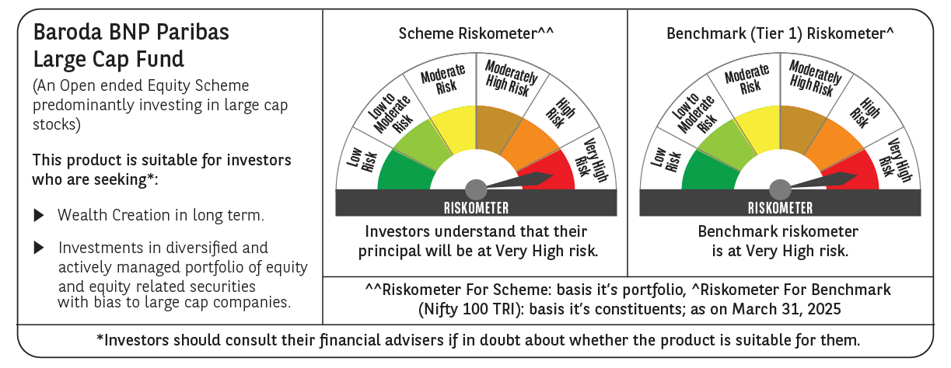
 | Baroda BNP Paribas Large Cap Fund

 | Monthly Portfolio Statement as on March 31, 2025
 | Name of the Instrument | ISIN | Industry / Rating | Quantity | Market/Fair Value (Rs. in Lakhs) | % to Net Assets | YTM~ | YTC^ | null
 | Equity & Equity related
 | (a) Listed / awaiting listing on Stock Exchanges
HDFB03 | HDFC Bank Limited | INE040A01034 | Banks | 1,107,000 | 20,238.17 | 8.32%
IBCL05 | ICICI Bank Limited | INE090A01021 | Banks | 1,350,000 | 18,202.73 | 7.48%
RIND01 | Reliance Industries Limited | INE002A01018 | Petroleum Products | 1,080,000 | 13,771.08 | 5.66%
KOMA02 | Kotak Mahindra Bank Limited | INE237A01028 | Banks | 459,000 | 9,965.81 | 4.10%
LARS02 | Larsen & Toubro Limited | INE018A01030 | Construction | 270,000 | 9,429.21 | 3.88%
TCSL01 | Tata Consultancy Services Limited | INE467B01029 | IT - Software | 254,700 | 9,184.86 | 3.78%
INFS02 | Infosys Limited | INE009A01021 | IT - Software | 456,300 | 7,166.88 | 2.95%
BTVL02 | Bharti Airtel Limited | INE397D01024 | Telecom - Services | 405,000 | 7,020.27 | 2.89%
ITCL02 | ITC Limited | INE154A01025 | Diversified FMCG | 1,575,000 | 6,453.56 | 2.65%
ABBP01 | Hitachi Energy India Limited | INE07Y701011 | Electrical Equipment | 49,500 | 6,263.56 | 2.58%
NTPC01 | NTPC Limited | INE733E01010 | Power | 1,710,000 | 6,114.96 | 2.51%
ULCC01 | UltraTech Cement Limited | INE481G01011 | Cement & Cement Products | 49,500 | 5,697.23 | 2.34%
SESA02 | Vedanta Limited | INE205A01025 | Diversified Metals | 1,003,500 | 4,650.22 | 1.91%
LAKM02 | Trent Limited | INE849A01020 | Retailing | 81,000 | 4,313.37 | 1.77%
MOTI02 | Bosch Limited | INE323A01026 | Auto Components | 14,825 | 4,204.14 | 1.73%
DIVI02 | Divi's Laboratories Limited | INE361B01024 | Pharmaceuticals & Biotechnology | 72,000 | 4,158.32 | 1.71%
SPIL03 | Sun Pharmaceutical Industries Limited | INE044A01036 | Pharmaceuticals & Biotechnology | 225,000 | 3,903.08 | 1.60%
HYUN01 | Hyundai Motor India Ltd | INE0V6F01027 | Automobiles | 216,000 | 3,688.52 | 1.52%
HCLT02 | HCL Technologies Limited | INE860A01027 | IT - Software | 216,000 | 3,439.80 | 1.41%
TELC03 | Tata Motors Limited | INE155A01022 | Automobiles | 486,000 | 3,277.83 | 1.35%
BFSL02 | Bajaj Finserv Limited | INE918I01026 | Finance | 162,000 | 3,251.91 | 1.34%
BAFL02 | Bajaj Finance Limited | INE296A01024 | Finance | 36,000 | 3,220.42 | 1.32%
MCSP02 | United Spirits Limited | INE854D01024 | Beverages | 225,000 | 3,152.93 | 1.30%
SBAI02 | State Bank of India | INE062A01020 | Banks | 405,000 | 3,124.58 | 1.28%
VNBL03 | Varun Beverages Limited | INE200M01039 | Beverages | 540,000 | 2,914.11 | 1.20%
DRRL03 | Dr. Reddy's Laboratories Limited | INE089A01031 | Pharmaceuticals & Biotechnology | 252,000 | 2,883.38 | 1.19%
MAUD01 | Maruti Suzuki India Limited | INE585B01010 | Automobiles | 24,300 | 2,799.88 | 1.15%
GRAS02 | Grasim Industries Limited | INE047A01021 | Cement & Cement Products | 99,000 | 2,585.04 | 1.06%
BHAH02 | Bharat Heavy Electricals Limited | INE257A01026 | Electrical Equipment | 1,188,000 | 2,571.19 | 1.06%
ZMPL01 | Zomato Limited | INE758T01015 | Retailing | 1,260,000 | 2,541.42 | 1.04%
PFCL01 | Power Finance Corporation Limited | INE134E01011 | Finance | 612,000 | 2,535.21 | 1.04%
HERO02 | Hero MotoCorp Limited | INE158A01026 | Automobiles | 67,500 | 2,512.99 | 1.03%
ESCO01 | Escorts Kubota Limited | INE042A01014 | Agricultural, Commercial & Construction Vehicles | 76,500 | 2,486.29 | 1.02%
HLEL02 | Hindustan Unilever Limited | INE030A01027 | Diversified FMCG | 108,000 | 2,439.56 | 1.00%
OIIL01 | Oil India Limited | INE274J01014 | Oil | 630,000 | 2,436.53 | 1.00%
NEST02 | Nestle India Limited | INE239A01024 | Food Products | 108,000 | 2,430.81 | 1.00%
ILOM01 | ICICI Lombard General Insurance Company Limited | INE765G01017 | Insurance | 135,000 | 2,420.35 | 1.00%
BLTE01 | Swiggy Limited | INE00H001014 | Retailing | 720,000 | 2,377.44 | 0.98%
PGCI01 | Power Grid Corporation of India Limited | INE752E01010 | Power | 810,000 | 2,351.84 | 0.97%
CIPL03 | Cipla Limited | INE059A01026 | Pharmaceuticals & Biotechnology | 162,000 | 2,336.36 | 0.96%
BINL01 | Indus Towers Limited | INE121J01017 | Telecom - Services | 675,000 | 2,256.53 | 0.93%
BPCL01 | Bharat Petroleum Corporation Limited | INE029A01011 | Petroleum Products | 810,000 | 2,255.61 | 0.93%
TPOW02 | Tata Power Company Limited | INE245A01021 | Power | 585,000 | 2,196.09 | 0.90%
PSYL02 | Persistent Systems Limited | INE262H01021 | IT - Software | 37,800 | 2,084.20 | 0.86%
IPLI01 | ICICI Prudential Life Insurance Company Limited | INE726G01019 | Insurance | 360,000 | 2,031.66 | 0.84%
UTIB02 | Axis Bank Limited | INE238A01034 | Banks | 180,000 | 1,983.60 | 0.82%
TAHO01 | Honeywell Automation India Limited | INE671A01010 | Industrial Manufacturing | 5,850 | 1,970.54 | 0.81%
ADWI01 | Adani Wilmar Limited | INE699H01024 | Agricultural Food & other Products | 720,000 | 1,859.90 | 0.76%
APLI04 | Hexaware Technologies Limited | INE093A01041 | IT - Software | 261,000 | 1,828.96 | 0.75%
BHEL02 | Bharat Electronics Limited | INE263A01024 | Aerospace & Defense | 513,000 | 1,545.77 | 0.64%
GMRI03 | GMR Airports Limited | INE776C01039 | Transport Infrastructure | 1,301,653 | 985.74 | 0.41%
 | Sub Total |  |  |  | 225,514.44 | 92.73%
 | (b) Unlisted |  |  |  | NIL | NIL
 | Sub Total |  |  |  | NIL | NIL
 | Total |  |  |  | 225,514.44 | 92.73%
 | Derivatives
 | Index / Stock Futures
HDFBAPR25 | HDFC Bank Limited April 2025 Future |  |  | 24,750 | 454.31 | 0.19%
 | Sub Total |  |  |  | 454.31 | 0.19%
 | Total |  |  |  | 454.31 | 0.19%
 | Money Market Instruments
 | Treasury Bill
TBIL2450 | 364 Days Tbill (MD 18/12/2025) | IN002024Z362 | Sovereign | 1,430,000 | 1,367.23 | 0.56% | 6.42%
TBIL2405 | 364 Days Tbill (MD 04/09/2025) | IN002024Z230 | Sovereign | 1,200,000 | 1,167.56 | 0.48% | 6.50%
 | Sub Total |  |  |  | 2,534.79 | 1.04%
 | Total |  |  |  | 2,534.79 | 1.04%
 | Reverse Repo / TREPS
TRP_020425 | Clearing Corporation of India Ltd |  |  |  | 15,635.24 | 6.43% | 6.68%
 | Sub Total |  |  |  | 15,635.24 | 6.43%
 | Total |  |  |  | 15,635.24 | 6.43%
 | Net Receivables / (Payables) |  |  |  | (935.68) | (0.39)%
 | GRAND TOTAL |  |  |  | 243,203.10 | 100.00%

 | ~ YTM as on March 31, 2025
 | ^ YTC represents Yield to Call provided by valuation agencies as on March 31, 2025. It is disclosed for Perpetual Bond issued by Banks (i.e. AT-1 Bond / Tier 1 Bond / Tier 2 Bond), as per AMFI Best Practices Guidelines Circular no. 135/BP/91/2020-21 read with SEBI circular No. SEBI/HO/IMD/DF4/CIR/P/2021/034 on Valuation of AT-1 Bonds and Tier 2 Bonds.
 | Details of Stock Future / Index Future
 | Long/Short | Name of the Instrument | Industry | Quantity. | Market/Fair Value (Rs. in Lacs). | % to NAV.
 | Long | HDFC Bank Limited_24/04/2025 | Banks | 24,750 | 454.31 | 0.19%

