T0ME04
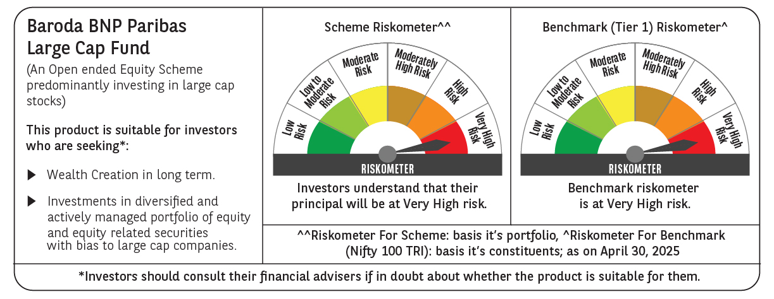
 | Baroda BNP Paribas Large Cap Fund

 | Monthly Portfolio Statement as on April 30, 2025
 | Name of the Instrument | ISIN | Industry / Rating | Quantity | Market/Fair Value (Rs. in Lakhs) | % to Net Assets | YTM~ | YTC^ | null
 | Equity & Equity related
 | (a) Listed / awaiting listing on Stock Exchanges
HDFB03 | HDFC Bank Limited | INE040A01034 | Banks | 1,107,000 | 21,309.75 | 8.38%
IBCL05 | ICICI Bank Limited | INE090A01021 | Banks | 1,350,000 | 19,264.50 | 7.58%
RIND01 | Reliance Industries Limited | INE002A01018 | Petroleum Products | 1,080,000 | 15,174.00 | 5.97%
KOMA02 | Kotak Mahindra Bank Limited | INE237A01028 | Banks | 495,000 | 10,930.10 | 4.30%
LARS02 | Larsen & Toubro Limited | INE018A01030 | Construction | 270,000 | 9,020.70 | 3.55%
TCSL01 | Tata Consultancy Services Limited | INE467B01029 | IT - Software | 234,000 | 8,081.66 | 3.18%
BTVL02 | Bharti Airtel Limited | INE397D01024 | Telecom - Services | 405,000 | 7,551.23 | 2.97%
INFS02 | Infosys Limited | INE009A01021 | IT - Software | 486,000 | 7,290.49 | 2.87%
ABBP01 | Hitachi Energy India Limited | INE07Y701011 | Electrical Equipment | 49,500 | 7,191.86 | 2.83%
ITCL02 | ITC Limited | INE154A01025 | Diversified FMCG | 1,440,000 | 6,131.52 | 2.41%
NTPC01 | NTPC Limited | INE733E01010 | Power | 1,710,000 | 6,062.81 | 2.38%
ULCC01 | UltraTech Cement Limited | INE481G01011 | Cement & Cement Products | 49,500 | 5,762.30 | 2.27%
PFCL01 | Power Finance Corporation Limited | INE134E01011 | Finance | 1,170,000 | 4,766.58 | 1.87%
DIVI02 | Divi's Laboratories Limited | INE361B01024 | Pharmaceuticals & Biotechnology | 72,000 | 4,382.64 | 1.72%
SBAI02 | State Bank of India | INE062A01020 | Banks | 540,000 | 4,258.71 | 1.67%
SESA02 | Vedanta Limited | INE205A01025 | Diversified Metals | 1,003,500 | 4,206.67 | 1.65%
SPIL03 | Sun Pharmaceutical Industries Limited | INE044A01036 | Pharmaceuticals & Biotechnology | 225,000 | 4,122.68 | 1.62%
MCSP02 | United Spirits Limited | INE854D01024 | Beverages | 261,000 | 4,081.78 | 1.61%
MOTI02 | Bosch Limited | INE323A01026 | Auto Components | 13,500 | 3,976.43 | 1.56%
NEST02 | Nestle India Limited | INE239A01024 | Food Products | 162,000 | 3,868.88 | 1.52%
LAKM02 | Trent Limited | INE849A01020 | Retailing | 72,000 | 3,724.20 | 1.46%
HYUN01 | Hyundai Motor India Ltd | INE0V6F01027 | Automobiles | 216,000 | 3,688.42 | 1.45%
BAFL02 | Bajaj Finance Limited | INE296A01024 | Finance | 41,400 | 3,574.68 | 1.41%
HERO02 | Hero MotoCorp Limited | INE158A01026 | Automobiles | 85,500 | 3,272.43 | 1.29%
BFSL02 | Bajaj Finserv Limited | INE918I01026 | Finance | 162,000 | 3,161.59 | 1.24%
TELC03 | Tata Motors Limited | INE155A01022 | Automobiles | 486,000 | 3,131.06 | 1.23%
HCLT02 | HCL Technologies Limited | INE860A01027 | IT - Software | 198,000 | 3,103.65 | 1.22%
DRRL03 | Dr. Reddy's Laboratories Limited | INE089A01031 | Pharmaceuticals & Biotechnology | 252,000 | 2,983.43 | 1.17%
MAUD01 | Maruti Suzuki India Limited | INE585B01010 | Automobiles | 24,300 | 2,978.45 | 1.17%
ZMPL01 | Eternal Limited | INE758T01015 | Retailing | 1,260,000 | 2,929.75 | 1.15%
VNBL03 | Varun Beverages Limited | INE200M01039 | Beverages | 540,000 | 2,820.69 | 1.11%
BINL01 | Indus Towers Limited | INE121J01017 | Telecom - Services | 675,000 | 2,755.35 | 1.08%
GRAS02 | Grasim Industries Limited | INE047A01021 | Cement & Cement Products | 99,000 | 2,710.13 | 1.07%
ILOM01 | ICICI Lombard General Insurance Company Limited | INE765G01017 | Insurance | 144,000 | 2,702.16 | 1.06%
BHAH02 | Bharat Heavy Electricals Limited | INE257A01026 | Electrical Equipment | 1,188,000 | 2,694.86 | 1.06%
HDLI01 | HDFC Life Insurance Company Limited | INE795G01014 | Insurance | 360,000 | 2,677.32 | 1.05%
UTIB02 | Axis Bank Limited | INE238A01034 | Banks | 225,000 | 2,666.25 | 1.05%
CIPL03 | Cipla Limited | INE059A01026 | Pharmaceuticals & Biotechnology | 171,000 | 2,650.67 | 1.04%
OIIL01 | Oil India Limited | INE274J01014 | Oil | 630,000 | 2,587.73 | 1.02%
HLEL02 | Hindustan Unilever Limited | INE030A01027 | Diversified FMCG | 108,000 | 2,529.47 | 0.99%
BPCL01 | Bharat Petroleum Corporation Limited | INE029A01011 | Petroleum Products | 810,000 | 2,511.41 | 0.99%
ESCO01 | Escorts Kubota Limited | INE042A01014 | Agricultural, Commercial & Construction Vehicles | 76,500 | 2,493.14 | 0.98%
PGCI01 | Power Grid Corporation of India Limited | INE752E01010 | Power | 810,000 | 2,490.35 | 0.98%
TPOW02 | Tata Power Company Limited | INE245A01021 | Power | 585,000 | 2,248.74 | 0.88%
TAHO01 | Honeywell Automation India Limited | INE671A01010 | Industrial Manufacturing | 5,850 | 2,019.42 | 0.79%
PSYL02 | Persistent Systems Limited | INE262H01021 | IT - Software | 37,800 | 2,011.53 | 0.79%
ADWI01 | AWL Agri Business Limited | INE699H01024 | Agricultural Food & other Products | 720,000 | 1,922.76 | 0.76%
APLI04 | Hexaware Technologies Limited | INE093A01041 | IT - Software | 261,000 | 1,825.70 | 0.72%
BHEL02 | Bharat Electronics Limited | INE263A01024 | Aerospace & Defense | 513,000 | 1,611.33 | 0.63%
NHPC01 | NHPC Limited | INE848E01016 | Power | 1,728,000 | 1,482.45 | 0.58%
GMRI03 | GMR Airports Limited | INE776C01039 | Transport Infrastructure | 1,301,653 | 1,134.91 | 0.45%
 | Sub Total |  |  |  | 238,529.32 | 93.78%
 | (b) Unlisted |  |  |  | NIL | NIL
 | Sub Total |  |  |  | NIL | NIL
 | Total |  |  |  | 238,529.32 | 93.78%
 | Derivatives
 | Index / Stock Futures
SBCPMAY25 | SBI Cards and Payment Services Limited May 2025 Future |  |  | 180,000 | 1,578.69 | 0.62%
MAUDMAY25 | Maruti Suzuki India Limited May 2025 Future |  |  | -4,500 | (553.95) | (0.22)%
ZMPLMAY25 | Eternal Limited May 2025 Future |  |  | -612,000 | (1,428.35) | (0.56)%
 | Sub Total |  |  |  | (403.61) | (0.16)%
 | Total |  |  |  | (403.61) | (0.16)%
 | Money Market Instruments
 | Treasury Bill
TBIL2450 | 364 Days Tbill (MD 18/12/2025) | IN002024Z362 | Sovereign | 1,430,000 | 1,378.45 | 0.54% | 5.91%
TBIL2405 | 364 Days Tbill (MD 04/09/2025) | IN002024Z230 | Sovereign | 1,200,000 | 1,175.95 | 0.46% | 5.93%
 | Sub Total |  |  |  | 2,554.40 | 1.00%
 | Total |  |  |  | 2,554.40 | 1.00%
 | Reverse Repo / TREPS
TRP_020525 | Clearing Corporation of India Ltd |  |  |  | 13,659.10 | 5.37% | 5.94%
 | Sub Total |  |  |  | 13,659.10 | 5.37%
 | Total |  |  |  | 13,659.10 | 5.37%
 | Net Receivables / (Payables) |  |  |  | (51.53) | 0.01%
 | GRAND TOTAL |  |  |  | 254,287.68 | 100.00%

 | ~ YTM as on April 30, 2025
 | ^ YTC represents Yield to Call provided by valuation agencies as on April 30, 2025. It is disclosed for Perpetual Bond issued by Banks (i.e. AT-1 Bond / Tier 1 Bond / Tier 2 Bond), as per AMFI Best Practices Guidelines Circular no. 135/BP/91/2020-21 read with SEBI circular No. SEBI/HO/IMD/DF4/CIR/P/2021/034 on Valuation of AT-1 Bonds and Tier 2 Bonds.
 | Details of Stock Future / Index Future
 | Long/Short | Name of the Instrument | Industry | Quantity. | Market/Fair Value (Rs. in Lacs). | % to NAV.
 | Long | SBI Cards and Payment Services Limited_29/05/2025 | Finance | 180,000 | 1,578.69 | 0.62%
 | Short | Eternal Limited_29/05/2025 | Retailing | 612,000 | 1,428.35 | 0.56%
 | Short | Maruti Suzuki India Limited_29/05/2025 | Automobiles | 4,500 | 553.95 | 0.22%

