T0ME04
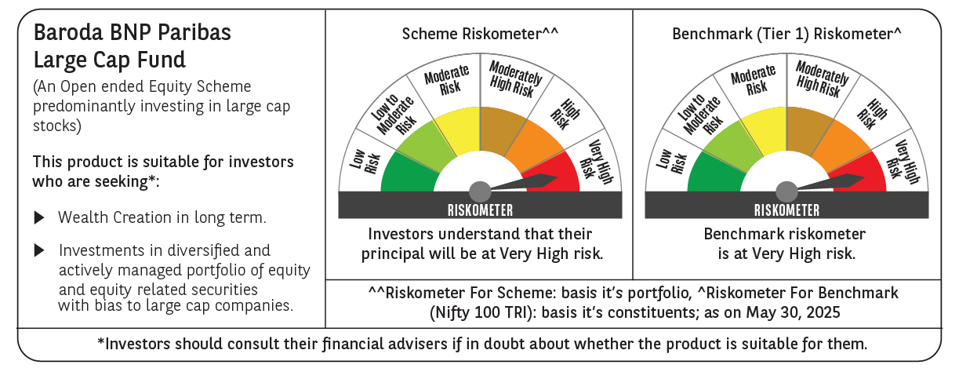
 | Baroda BNP Paribas Large Cap Fund

 | Monthly Portfolio Statement as on May 31, 2025
 | Name of the Instrument | ISIN | Industry / Rating | Quantity | Market/Fair Value (Rs. in Lakhs) | % to Net Assets | YTM~ | YTC^ | null
 | Equity & Equity related
 | (a) Listed / awaiting listing on Stock Exchanges
HDFB03 | HDFC Bank Limited | INE040A01034 | Banks | 1,107,000 | 21,530.04 | 8.24%
IBCL05 | ICICI Bank Limited | INE090A01021 | Banks | 1,350,000 | 19,518.30 | 7.47%
RIND01 | Reliance Industries Limited | INE002A01018 | Petroleum Products | 1,080,000 | 15,345.72 | 5.87%
KOMA02 | Kotak Mahindra Bank Limited | INE237A01028 | Banks | 495,000 | 10,269.77 | 3.93%
LARS02 | Larsen & Toubro Limited | INE018A01030 | Construction | 270,000 | 9,922.77 | 3.80%
ABBP01 | Hitachi Energy India Limited | INE07Y701011 | Electrical Equipment | 47,700 | 9,205.15 | 3.52%
TCSL01 | Tata Consultancy Services Limited | INE467B01029 | IT - Software | 234,000 | 8,104.36 | 3.10%
INFS02 | Infosys Limited | INE009A01021 | IT - Software | 486,000 | 7,594.72 | 2.91%
BTVL02 | Bharti Airtel Limited | INE397D01024 | Telecom - Services | 405,000 | 7,517.61 | 2.88%
ITCL02 | ITC Limited | INE154A01025 | Diversified FMCG | 1,440,000 | 6,019.92 | 2.30%
NTPC01 | NTPC Limited | INE733E01010 | Power | 1,710,000 | 5,709.69 | 2.18%
ULCC01 | UltraTech Cement Limited | INE481G01011 | Cement & Cement Products | 49,500 | 5,548.95 | 2.12%
DIVI02 | Divi's Laboratories Limited | INE361B01024 | Pharmaceuticals & Biotechnology | 72,000 | 4,760.64 | 1.82%
PFCL01 | Power Finance Corporation Limited | INE134E01011 | Finance | 1,170,000 | 4,749.62 | 1.82%
SBAI02 | State Bank of India | INE062A01020 | Banks | 540,000 | 4,386.42 | 1.68%
SESA02 | Vedanta Limited | INE205A01025 | Diversified Metals | 1,003,500 | 4,370.74 | 1.67%
MOTI02 | Bosch Limited | INE323A01026 | Auto Components | 13,500 | 4,241.03 | 1.62%
LAKM02 | Trent Limited | INE849A01020 | Retailing | 72,000 | 4,063.32 | 1.55%
HYUN01 | Hyundai Motor India Ltd | INE0V6F01027 | Automobiles | 216,000 | 3,989.95 | 1.53%
MCSP02 | United Spirits Limited | INE854D01024 | Beverages | 261,000 | 3,967.46 | 1.52%
NEST02 | Nestle India Limited | INE239A01024 | Food Products | 162,000 | 3,881.84 | 1.49%
BAFL02 | Bajaj Finance Limited | INE296A01024 | Finance | 41,400 | 3,800.73 | 1.45%
SPIL03 | Sun Pharmaceutical Industries Limited | INE044A01036 | Pharmaceuticals & Biotechnology | 225,000 | 3,774.60 | 1.44%
HERO02 | Hero MotoCorp Limited | INE158A01026 | Automobiles | 85,500 | 3,684.45 | 1.41%
TELC03 | Tata Motors Limited | INE155A01022 | Automobiles | 504,000 | 3,626.28 | 1.39%
BFSL02 | Bajaj Finserv Limited | INE918I01026 | Finance | 162,000 | 3,268.19 | 1.25%
HCLT02 | HCL Technologies Limited | INE860A01027 | IT - Software | 198,000 | 3,240.47 | 1.24%
DRRL03 | Dr. Reddy's Laboratories Limited | INE089A01031 | Pharmaceuticals & Biotechnology | 252,000 | 3,153.02 | 1.21%
BHAH02 | Bharat Heavy Electricals Limited | INE257A01026 | Electrical Equipment | 1,188,000 | 3,086.78 | 1.18%
ZMPL01 | Eternal Limited | INE758T01015 | Retailing | 1,260,000 | 3,002.71 | 1.15%
MAUD01 | Maruti Suzuki India Limited | INE585B01010 | Automobiles | 24,300 | 2,993.52 | 1.15%
HDLI01 | HDFC Life Insurance Company Limited | INE795G01014 | Insurance | 360,000 | 2,796.66 | 1.07%
ILOM01 | ICICI Lombard General Insurance Company Limited | INE765G01017 | Insurance | 144,000 | 2,700.58 | 1.03%
OIIL01 | Oil India Limited | INE274J01014 | Oil | 630,000 | 2,688.84 | 1.03%
UTIB02 | Axis Bank Limited | INE238A01034 | Banks | 225,000 | 2,682.45 | 1.03%
BINL01 | Indus Towers Limited | INE121J01017 | Telecom - Services | 675,000 | 2,593.01 | 0.99%
BPCL01 | Bharat Petroleum Corporation Limited | INE029A01011 | Petroleum Products | 810,000 | 2,579.04 | 0.99%
VNBL03 | Varun Beverages Limited | INE200M01039 | Beverages | 540,000 | 2,570.13 | 0.98%
ESCO01 | Escorts Kubota Limited | INE042A01014 | Agricultural, Commercial & Construction Vehicles | 76,500 | 2,541.10 | 0.97%
HLEL02 | Hindustan Unilever Limited | INE030A01027 | Diversified FMCG | 108,000 | 2,536.16 | 0.97%
GRAS02 | Grasim Industries Limited | INE047A01021 | Cement & Cement Products | 99,000 | 2,520.34 | 0.96%
CIPL03 | Cipla Limited | INE059A01026 | Pharmaceuticals & Biotechnology | 171,000 | 2,506.35 | 0.96%
PGCI01 | Power Grid Corporation of India Limited | INE752E01010 | Power | 855,000 | 2,477.36 | 0.95%
APLI04 | Hexaware Technologies Limited | INE093A01041 | IT - Software | 288,000 | 2,469.60 | 0.94%
TPOW02 | Tata Power Company Limited | INE245A01021 | Power | 585,000 | 2,297.88 | 0.88%
TAHO01 | Honeywell Automation India Limited | INE671A01010 | Industrial Manufacturing | 5,940 | 2,288.68 | 0.88%
PSYL02 | Persistent Systems Limited | INE262H01021 | IT - Software | 37,800 | 2,131.16 | 0.82%
ADWI01 | AWL Agri Business Limited | INE699H01024 | Agricultural Food & other Products | 720,000 | 1,980.00 | 0.76%
BHEL02 | Bharat Electronics Limited | INE263A01024 | Aerospace & Defense | 513,000 | 1,973.00 | 0.75%
NHPC01 | NHPC Limited | INE848E01016 | Power | 1,800,000 | 1,573.38 | 0.60%
GMRI03 | GMR Airports Limited | INE776C01039 | Transport Infrastructure | 1,301,653 | 1,094.43 | 0.42%
AEVO01 | Aegis Vopak Terminals Limited | INE0INX01018 | Miscellaneous | 807,659 | 1,898.00 | 0.73%
 | Sub Total |  |  |  | 247,226.92 | 94.60%
 | (b) Unlisted |  |  |  | NIL | NIL
 | Sub Total |  |  |  | NIL | NIL
 | Total |  |  |  | 247,226.92 | 94.60%
 | Derivatives
 | Index / Stock Futures
SBCPJUN25 | SBI Cards and Payment Services Limited June 2025 Future |  |  | 180,000 | 1,667.70 | 0.64%
GRASJUN25 | Grasim Industries Limited June 2025 Future |  |  | -54,000 | (1,382.51) | (0.53)%
ZMPLJUN25 | Eternal Limited June 2025 Future |  |  | -612,000 | (1,468.25) | (0.56)%
 | Sub Total |  |  |  | (1,183.06) | (0.45)%
 | Total |  |  |  | (1,183.06) | (0.45)%
 | Money Market Instruments
 | Treasury Bill
TBIL2450 | 364 Days Tbill (MD 18/12/2025) | IN002024Z362 | Sovereign | 1,430,000 | 1,387.42 | 0.53% | 5.60%
TBIL2405 | 364 Days Tbill (MD 04/09/2025) | IN002024Z230 | Sovereign | 1,200,000 | 1,182.73 | 0.45% | 5.61%
 | Sub Total |  |  |  | 2,570.15 | 0.98%
 | Total |  |  |  | 2,570.15 | 0.98%
 | Reverse Repo / TREPS
TRP_020625 | Clearing Corporation of India Ltd |  |  |  | 11,397.54 | 4.36% | 5.77%
 | Sub Total |  |  |  | 11,397.54 | 4.36%
 | Total |  |  |  | 11,397.54 | 4.36%
 | Net Receivables / (Payables) |  |  |  | 1,345.61 | 0.51%
 | GRAND TOTAL |  |  |  | 261,357.16 | 100.00%

 | # Unlisted Security
 | ~ YTM as on May 31, 2025
 | ^ YTC represents Yield to Call provided by valuation agencies as on May 31, 2025. It is disclosed for Perpetual Bond issued by Banks (i.e. AT-1 Bond / Tier 1 Bond / Tier 2 Bond), as per AMFI Best Practices Guidelines Circular no. 135/BP/91/2020-21 read with SEBI circular No. SEBI/HO/IMD/DF4/CIR/P/2021/034 on Valuation of AT-1 Bonds and Tier 2 Bonds.
 | Details of Stock Future / Index Future
 | Long/Short | Name of the Instrument | Industry | Quantity. | Market/Fair Value (Rs. in Lacs). | % to NAV.
 | Long | SBI Cards and Payment Services Limited_26/06/2025 | Finance | 180,000 | 1,667.70 | 0.64%
 | Short | Eternal Limited_26/06/2025 | Retailing | 612,000 | 1,468.25 | 0.56%
 | Short | Grasim Industries Limited_26/06/2025 | Cement & Cement Products | 54,000 | 1,382.51 | 0.53%

