T0ME04
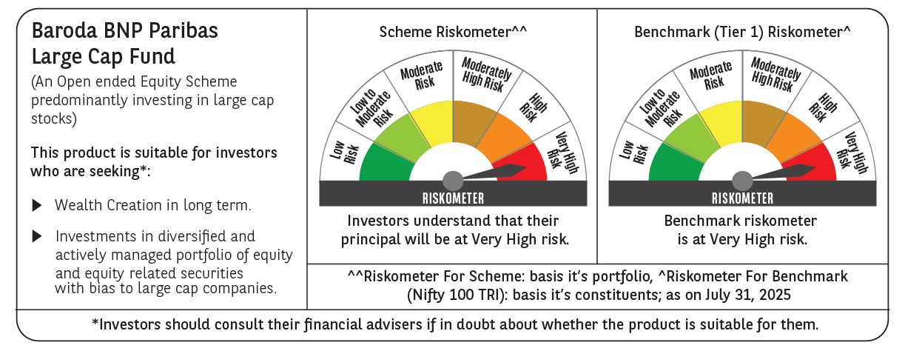
 | Baroda BNP Paribas Large Cap Fund

 | Monthly Portfolio Statement as on July 31, 2025
 | Name of the Instrument | ISIN | Industry / Rating | Quantity | Market/Fair Value (Rs. in Lakhs) | % to Net Assets | YTM~ | YTC^ | null
 | Equity & Equity related
 | (a) Listed / awaiting listing on Stock Exchanges
HDFB03 | HDFC Bank Limited | INE040A01034 | Banks | 1,107,000 | 22,341.47 | 8.43%
IBCL05 | ICICI Bank Limited | INE090A01021 | Banks | 1,395,000 | 20,665.53 | 7.80%
RIND01 | Reliance Industries Limited | INE002A01018 | Petroleum Products | 1,116,000 | 15,514.63 | 5.85%
BTVL02 | Bharti Airtel Limited | INE397D01024 | Telecom - Services | 567,000 | 10,854.08 | 4.10%
LARS02 | Larsen & Toubro Limited | INE018A01030 | Construction | 270,000 | 9,818.55 | 3.70%
KOMA02 | Kotak Mahindra Bank Limited | INE237A01028 | Banks | 495,000 | 9,794.07 | 3.70%
ABBP01 | Hitachi Energy India Limited | INE07Y701011 | Electrical Equipment | 47,250 | 9,494.89 | 3.58%
INFS02 | Infosys Limited | INE009A01021 | IT - Software | 522,000 | 7,876.98 | 2.97%
TCSL01 | Tata Consultancy Services Limited | INE467B01029 | IT - Software | 207,000 | 6,286.18 | 2.37%
ULCC01 | UltraTech Cement Limited | INE481G01011 | Cement & Cement Products | 49,500 | 6,063.26 | 2.29%
ITCL02 | ITC Limited | INE154A01025 | Diversified FMCG | 1,440,000 | 5,932.08 | 2.24%
NTPC01 | NTPC Limited | INE733E01010 | Power | 1,710,000 | 5,715.68 | 2.16%
MOTI02 | Bosch Limited | INE323A01026 | Auto Components | 13,500 | 5,451.98 | 2.06%
PFCL01 | Power Finance Corporation Limited | INE134E01011 | Finance | 1,170,000 | 4,796.42 | 1.81%
DIVI02 | Divi's Laboratories Limited | INE361B01024 | Pharmaceuticals & Biotechnology | 72,000 | 4,748.76 | 1.79%
SBAI02 | State Bank of India | INE062A01020 | Banks | 585,000 | 4,659.82 | 1.76%
HYUN01 | Hyundai Motor India Ltd | INE0V6F01027 | Automobiles | 216,000 | 4,647.89 | 1.75%
DRRL03 | Dr. Reddy's Laboratories Limited | INE089A01031 | Pharmaceuticals & Biotechnology | 342,000 | 4,344.43 | 1.64%
SESA02 | Vedanta Limited | INE205A01025 | Diversified Metals | 1,003,500 | 4,271.40 | 1.61%
CIPL03 | Cipla Limited | INE059A01026 | Pharmaceuticals & Biotechnology | 270,000 | 4,197.42 | 1.58%
ZMPL01 | Eternal Limited | INE758T01015 | Retailing | 1,350,000 | 4,155.30 | 1.57%
SPIL03 | Sun Pharmaceutical Industries Limited | INE044A01036 | Pharmaceuticals & Biotechnology | 216,000 | 3,686.47 | 1.39%
BAFL03 | Bajaj Finance Limited | INE296A01032 | Finance | 414,000 | 3,648.17 | 1.38%
NEST02 | Nestle India Limited | INE239A01024 | Food Products | 162,000 | 3,641.27 | 1.37%
TELC03 | Tata Motors Limited | INE155A01022 | Automobiles | 540,000 | 3,596.13 | 1.36%
LAKM02 | Trent Limited | INE849A01020 | Retailing | 67,500 | 3,387.15 | 1.28%
BFSL02 | Bajaj Finserv Limited | INE918I01026 | Finance | 162,000 | 3,155.76 | 1.19%
HERO02 | Hero MotoCorp Limited | INE158A01026 | Automobiles | 72,000 | 3,067.70 | 1.16%
MAUD01 | Maruti Suzuki India Limited | INE585B01010 | Automobiles | 24,300 | 3,063.74 | 1.16%
VNBL03 | Varun Beverages Limited | INE200M01039 | Beverages | 585,000 | 3,057.21 | 1.15%
MCSP02 | United Spirits Limited | INE854D01024 | Beverages | 225,000 | 3,015.45 | 1.14%
BHAH02 | Bharat Heavy Electricals Limited | INE257A01026 | Electrical Equipment | 1,188,000 | 2,832.79 | 1.07%
ILOM01 | ICICI Lombard General Insurance Company Limited | INE765G01017 | Insurance | 144,000 | 2,774.88 | 1.05%
PGCI01 | Power Grid Corporation of India Limited | INE752E01010 | Power | 945,000 | 2,749.95 | 1.04%
HLEL02 | Hindustan Unilever Limited | INE030A01027 | Diversified FMCG | 108,000 | 2,722.90 | 1.03%
HDLI01 | HDFC Life Insurance Company Limited | INE795G01014 | Insurance | 360,000 | 2,719.80 | 1.03%
GRAS02 | Grasim Industries Limited | INE047A01021 | Cement & Cement Products | 99,000 | 2,718.94 | 1.03%
BPCL01 | Bharat Petroleum Corporation Limited | INE029A01011 | Petroleum Products | 810,000 | 2,667.33 | 1.01%
HCLT02 | HCL Technologies Limited | INE860A01027 | IT - Software | 180,000 | 2,642.22 | 1.00%
TEMA02 | Tech Mahindra Limited | INE669C01036 | IT - Software | 180,000 | 2,634.66 | 0.99%
OIIL01 | Oil India Limited | INE274J01014 | Oil | 585,000 | 2,574.00 | 0.97%
ESCO01 | Escorts Kubota Limited | INE042A01014 | Agricultural, Commercial & Construction Vehicles | 76,500 | 2,569.79 | 0.97%
SLIF01 | SBI Life Insurance Company Limited | INE123W01016 | Insurance | 135,000 | 2,484.95 | 0.94%
BHEL02 | Bharat Electronics Limited | INE263A01024 | Aerospace & Defense | 648,000 | 2,482.49 | 0.94%
UTIB02 | Axis Bank Limited | INE238A01034 | Banks | 225,000 | 2,403.90 | 0.91%
TAHO01 | Honeywell Automation India Limited | INE671A01010 | Industrial Manufacturing | 5,940 | 2,302.94 | 0.87%
HDBF01 | HDB Financial Services Limited | INE756I01012 | Finance | 270,000 | 2,048.09 | 0.77%
APLI04 | Hexaware Technologies Limited | INE093A01041 | IT - Software | 288,000 | 2,027.52 | 0.76%
PSYL02 | Persistent Systems Limited | INE262H01021 | IT - Software | 37,800 | 1,950.67 | 0.74%
AEVO01 | Aegis Vopak Terminals Limited | INE0INX01018 | Oil | 807,659 | 1,936.44 | 0.73%
NHPC01 | NHPC Limited | INE848E01016 | Power | 2,250,000 | 1,873.13 | 0.71%
PUBA02 | Punjab National Bank | INE160A01022 | Banks | 1,260,000 | 1,327.79 | 0.50%
GMRI03 | GMR Airports Limited | INE776C01039 | Transport Infrastructure | 1,301,653 | 1,172.27 | 0.44%
YESB03 | Yes Bank Limited | INE528G01035 | Banks | 3,600,000 | 681.12 | 0.26%
 | Sub Total |  |  |  | 257,248.44 | 97.10%
 | (b) Unlisted |  |  |  | NIL | NIL
 | Sub Total |  |  |  | NIL | NIL
 | Total |  |  |  | 257,248.44 | 97.10%
 | Derivatives
 | Index / Stock Futures
PUBAAUG25 | Punjab National Bank August 2025 Future |  |  | 1,080,000 | 1,141.78 | 0.43%
 | Sub Total |  |  |  | 1,141.78 | 0.43%
 | Total |  |  |  | 1,141.78 | 0.43%
 | Money Market Instruments
 | Treasury Bill
TBIL2450 | 364 Days Tbill (MD 18/12/2025) | IN002024Z362 | Sovereign | 1,430,000 | 1,400.90 | 0.53% | 5.45%
TBIL2405 | 364 Days Tbill (MD 04/09/2025) | IN002024Z230 | Sovereign | 1,200,000 | 1,194.07 | 0.45% | 5.33%
 | Sub Total |  |  |  | 2,594.97 | 0.98%
 | Total |  |  |  | 2,594.97 | 0.98%
 | Reverse Repo / TREPS
TRP_010825 | Clearing Corporation of India Ltd |  |  |  | 5,163.02 | 1.95% | 5.42%
 | Sub Total |  |  |  | 5,163.02 | 1.95%
 | Total |  |  |  | 5,163.02 | 1.95%
 | Net Receivables / (Payables) |  |  |  | (1,112.00) | (0.46)%
 | GRAND TOTAL |  |  |  | 265,036.21 | 100.00%

 | ~ YTM as on July 31, 2025
 | ^ YTC represents Yield to Call provided by valuation agencies as on July 31, 2025. It is disclosed for Perpetual Bond issued by Banks (i.e. AT-1 Bond / Tier 1 Bond / Tier 2 Bond), as per AMFI Best Practices Guidelines Circular no. 135/BP/91/2020-21 read with SEBI circular No. SEBI/HO/IMD/DF4/CIR/P/2021/034 on Valuation of AT-1 Bonds and Tier 2 Bonds.
 | Details of Stock Future / Index Future
 | Long/Short | Name of the Instrument | Industry | Quantity. | Market/Fair Value (Rs. in Lacs). | % to NAV.
 | Long | Punjab National Bank_28/08/2025 | Banks | 1,080,000 | 1,141.78 | 0.43%

