T0ME04
 | Baroda BNP Paribas Large Cap Fund

 | Monthly Portfolio Statement as on August 31, 2025
 | Name of the Instrument | ISIN | Industry / Rating | Quantity | Market/Fair Value (Rs. in Lakhs) | % to Net Assets | YTM~ | YTC^ | null
 | Equity & Equity related
 | (a) Listed / awaiting listing on Stock Exchanges
HDFB03 | HDFC Bank Limited | INE040A01034 | Banks | 2,214,000 | 21,068.42 | 7.96%
IBCL05 | ICICI Bank Limited | INE090A01021 | Banks | 1,395,000 | 19,499.31 | 7.37%
RIND01 | Reliance Industries Limited | INE002A01018 | Petroleum Products | 1,116,000 | 15,146.35 | 5.72%
BTVL02 | Bharti Airtel Limited | INE397D01024 | Telecom - Services | 567,000 | 10,709.50 | 4.05%
LARS02 | Larsen & Toubro Limited | INE018A01030 | Construction | 288,000 | 10,370.88 | 3.92%
KOMA02 | Kotak Mahindra Bank Limited | INE237A01028 | Banks | 495,000 | 9,703.49 | 3.67%
ABBP01 | Hitachi Energy India Limited | INE07Y701011 | Electrical Equipment | 45,000 | 8,599.50 | 3.25%
INFS02 | Infosys Limited | INE009A01021 | IT - Software | 522,000 | 7,671.31 | 2.90%
TCSL01 | Tata Consultancy Services Limited | INE467B01029 | IT - Software | 207,000 | 6,385.33 | 2.41%
ULCC01 | UltraTech Cement Limited | INE481G01011 | Cement & Cement Products | 49,500 | 6,256.80 | 2.36%
ITCL02 | ITC Limited | INE154A01025 | Diversified FMCG | 1,440,000 | 5,900.40 | 2.23%
NTPC01 | NTPC Limited | INE733E01010 | Power | 1,710,000 | 5,601.11 | 2.12%
MOTI02 | Bosch Limited | INE323A01026 | Auto Components | 13,500 | 5,394.60 | 2.04%
TEMA02 | Tech Mahindra Limited | INE669C01036 | IT - Software | 360,000 | 5,333.04 | 2.02%
HYUN01 | Hyundai Motor India Ltd | INE0V6F01027 | Automobiles | 216,000 | 5,314.46 | 2.01%
SBAI02 | State Bank of India | INE062A01020 | Banks | 585,000 | 4,694.63 | 1.77%
ZMPL01 | Eternal Limited | INE758T01015 | Retailing | 1,440,000 | 4,520.88 | 1.71%
PFCL01 | Power Finance Corporation Limited | INE134E01011 | Finance | 1,170,000 | 4,442.49 | 1.68%
DIVI02 | Divi's Laboratories Limited | INE361B01024 | Pharmaceuticals & Biotechnology | 72,000 | 4,414.68 | 1.67%
DRRL03 | Dr. Reddy's Laboratories Limited | INE089A01031 | Pharmaceuticals & Biotechnology | 342,000 | 4,309.54 | 1.63%
HLEL02 | Hindustan Unilever Limited | INE030A01027 | Diversified FMCG | 162,000 | 4,308.88 | 1.63%
CIPL03 | Cipla Limited | INE059A01026 | Pharmaceuticals & Biotechnology | 270,000 | 4,291.38 | 1.62%
SESA02 | Vedanta Limited | INE205A01025 | Diversified Metals | 1,003,500 | 4,221.22 | 1.60%
NEST02 | Nestle India Limited | INE239A01024 | Food Products | 324,000 | 3,746.09 | 1.42%
HERO02 | Hero MotoCorp Limited | INE158A01026 | Automobiles | 72,000 | 3,663.14 | 1.38%
BAFL03 | Bajaj Finance Limited | INE296A01032 | Finance | 414,000 | 3,634.30 | 1.37%
TELC03 | Tata Motors Limited | INE155A01022 | Automobiles | 540,000 | 3,612.60 | 1.37%
MAUD01 | Maruti Suzuki India Limited | INE585B01010 | Automobiles | 24,300 | 3,594.21 | 1.36%
LAKM02 | Trent Limited | INE849A01020 | Retailing | 65,700 | 3,480.79 | 1.32%
SPIL03 | Sun Pharmaceutical Industries Limited | INE044A01036 | Pharmaceuticals & Biotechnology | 216,000 | 3,444.12 | 1.30%
BFSL02 | Bajaj Finserv Limited | INE918I01026 | Finance | 162,000 | 3,099.87 | 1.17%
AVSP01 | Avenue Supermarts Limited | INE192R01011 | Retailing | 63,000 | 2,996.03 | 1.13%
PGCI01 | Power Grid Corporation of India Limited | INE752E01010 | Power | 1,080,000 | 2,972.70 | 1.12%
SLIF01 | SBI Life Insurance Company Limited | INE123W01016 | Insurance | 162,000 | 2,924.91 | 1.11%
VNBL03 | Varun Beverages Limited | INE200M01039 | Beverages | 585,000 | 2,849.83 | 1.08%
HDLI01 | HDFC Life Insurance Company Limited | INE795G01014 | Insurance | 360,000 | 2,779.38 | 1.05%
GRAS02 | Grasim Industries Limited | INE047A01021 | Cement & Cement Products | 99,000 | 2,747.84 | 1.04%
ESCO01 | Escorts Kubota Limited | INE042A01014 | Agricultural, Commercial & Construction Vehicles | 76,500 | 2,729.37 | 1.03%
ILOM01 | ICICI Lombard General Insurance Company Limited | INE765G01017 | Insurance | 144,000 | 2,649.02 | 1.00%
BPCL01 | Bharat Petroleum Corporation Limited | INE029A01011 | Petroleum Products | 855,000 | 2,635.11 | 1.00%
BHEL02 | Bharat Electronics Limited | INE263A01024 | Aerospace & Defense | 675,000 | 2,493.45 | 0.94%
BHAH02 | Bharat Heavy Electricals Limited | INE257A01026 | Electrical Equipment | 1,188,000 | 2,471.16 | 0.93%
PUBA02 | Punjab National Bank | INE160A01022 | Banks | 2,340,000 | 2,360.59 | 0.89%
UTIB02 | Axis Bank Limited | INE238A01034 | Banks | 225,000 | 2,351.70 | 0.89%
HDBF01 | HDB Financial Services Limited | INE756I01012 | Finance | 288,000 | 2,241.22 | 0.85%
PSYL02 | Persistent Systems Limited | INE262H01021 | IT - Software | 40,500 | 2,148.73 | 0.81%
MCSP02 | United Spirits Limited | INE854D01024 | Beverages | 162,000 | 2,123.82 | 0.80%
OIIL01 | Oil India Limited | INE274J01014 | Oil | 495,000 | 1,931.99 | 0.73%
NHPC01 | NHPC Limited | INE848E01016 | Power | 2,250,000 | 1,737.68 | 0.66%
TAHO01 | Honeywell Automation India Limited | INE671A01010 | Industrial Manufacturing | 3,737 | 1,447.71 | 0.55%
AEVO01 | Aegis Vopak Terminals Limited | INE0INX01018 | Oil | 572,870 | 1,419.40 | 0.54%
GMRI03 | GMR Airports Limited | INE776C01039 | Transport Infrastructure | 1,260,000 | 1,084.48 | 0.41%
 | Sub Total |  |  |  | 255,529.44 | 96.59%
 | (b) Unlisted |  |  |  | NIL | NIL
 | Sub Total |  |  |  | NIL | NIL
 | Total |  |  |  | 255,529.44 | 96.59%
 | Derivatives
 | Index / Stock Futures
RINDSEP25 | Reliance Industries Limited September 2025 Future |  |  | 90,000 | 1,227.96 | 0.46%
 | Sub Total |  |  |  | 1,227.96 | 0.46%
 | Total |  |  |  | 1,227.96 | 0.46%
 | Money Market Instruments
 | Treasury Bill
TBIL2450 | 364 Days Tbill (MD 18/12/2025) | IN002024Z362 | Sovereign | 1,430,000 | 1,407.12 | 0.53% | 5.49%
TBIL2405 | 364 Days Tbill (MD 04/09/2025) | IN002024Z230 | Sovereign | 1,200,000 | 1,199.47 | 0.45% | 5.40%
TBIL2490 | 364 Days Tbill (MD 26/03/2026) | IN002024Z503 | Sovereign | 1,200,000 | 1,163.53 | 0.44% | 5.55%
 | Sub Total |  |  |  | 3,770.12 | 1.42%
 | Total |  |  |  | 3,770.12 | 1.42%
 | Reverse Repo / TREPS
TRP_010925 | Clearing Corporation of India Ltd |  |  |  | 4,152.06 | 1.57% | 5.39%
 | Sub Total |  |  |  | 4,152.06 | 1.57%
 | Total |  |  |  | 4,152.06 | 1.57%
 | Net Receivables / (Payables) |  |  |  | (61.48) | (0.04)%
 | GRAND TOTAL |  |  |  | 264,618.10 | 100.00%

 | ~ YTM as on August 31, 2025
 | ^ YTC represents Yield to Call provided by valuation agencies as on August 31, 2025. It is disclosed for Perpetual Bond issued by Banks (i.e. AT-1 Bond / Tier 1 Bond / Tier 2 Bond), as per AMFI Best Practices Guidelines Circular no. 135/BP/91/2020-21 read with SEBI circular No. SEBI/HO/IMD/DF4/CIR/P/2021/034 on Valuation of AT-1 Bonds and Tier 2 Bonds.
 | Details of Stock Future / Index Future
 | Long/Short | Name of the Instrument | Industry | Quantity. | Market/Fair Value (Rs. in Lacs). | % to NAV.
 | Long | Reliance Industries Limited_30/09/2025 | Petroleum Products | 90,000 | 1,227.96 | 0.46%

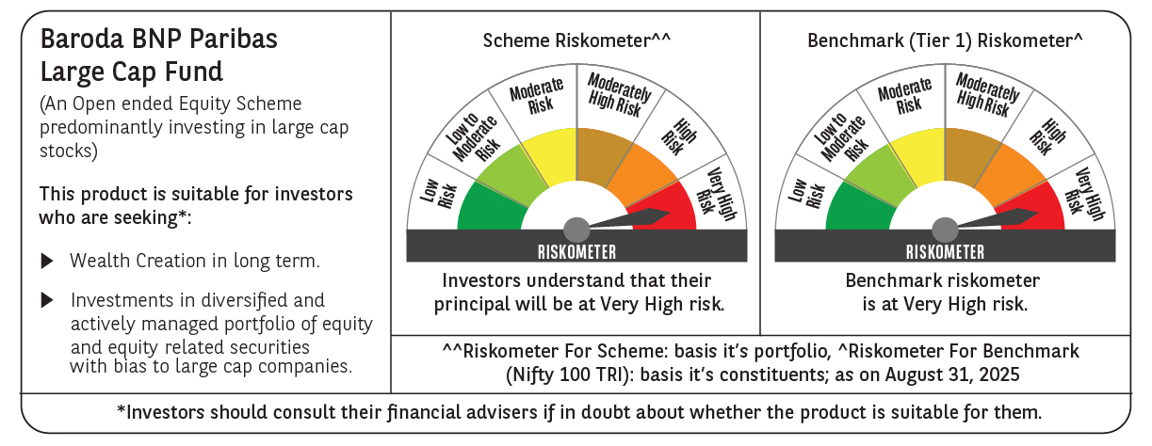

 | Monthly Performance Link: https://www.barodabnpparibasmf.in/assets/download_documents/Performance_of_Schemes_14126.pdf

