Monthly Portfolio
 | Baroda BNP Paribas Large Cap Fund

 | Monthly Portfolio Statement as on September 30, 2025
 | Name of the Instrument | ISIN | Industry / Rating | Quantity | Market/Fair Value (Rs. in Lakhs) | % to Net Assets | YTM~ | YTC^ | null
 | Equity & Equity related
 | (a) Listed / awaiting listing on Stock Exchanges
HDFB03 | HDFC Bank Limited | INE040A01034 | Banks | 2,250,000 | 21,397.50 | 8.03%
IBCL05 | ICICI Bank Limited | INE090A01021 | Banks | 1,395,000 | 18,804.60 | 7.06%
RIND01 | Reliance Industries Limited | INE002A01018 | Petroleum Products | 1,206,000 | 16,449.84 | 6.18%
LARS02 | Larsen & Toubro Limited | INE018A01030 | Construction | 297,000 | 10,867.23 | 4.08%
BTVL02 | Bharti Airtel Limited | INE397D01024 | Telecom - Services | 567,000 | 10,650.53 | 4.00%
KOMA02 | Kotak Mahindra Bank Limited | INE237A01028 | Banks | 495,000 | 9,863.87 | 3.70%
ABBP01 | Hitachi Energy India Limited | INE07Y701011 | Electrical Equipment | 45,000 | 8,100.45 | 3.04%
INFS02 | Infosys Limited | INE009A01021 | IT - Software | 522,000 | 7,526.20 | 2.83%
TCSL01 | Tata Consultancy Services Limited | INE467B01029 | IT - Software | 216,000 | 6,238.94 | 2.34%
ULCC01 | UltraTech Cement Limited | INE481G01011 | Cement & Cement Products | 49,500 | 6,049.89 | 2.27%
NTPC01 | NTPC Limited | INE733E01010 | Power | 1,710,000 | 5,821.70 | 2.19%
ITCL02 | ITC Limited | INE154A01025 | Diversified FMCG | 1,440,000 | 5,782.32 | 2.17%
HYUN01 | Hyundai Motor India Ltd | INE0V6F01027 | Automobiles | 216,000 | 5,582.30 | 2.10%
SBAI02 | State Bank of India | INE062A01020 | Banks | 630,000 | 5,496.44 | 2.06%
MOTI02 | Bosch Limited | INE323A01026 | Auto Components | 13,500 | 5,149.58 | 1.93%
TEMA02 | Tech Mahindra Limited | INE669C01036 | IT - Software | 360,000 | 5,041.08 | 1.89%
ZMPL01 | Eternal Limited | INE758T01015 | Retailing | 1,485,000 | 4,833.68 | 1.82%
PFCL01 | Power Finance Corporation Limited | INE134E01011 | Finance | 1,170,000 | 4,799.93 | 1.80%
SESA02 | Vedanta Limited | INE205A01025 | Diversified Metals | 900,000 | 4,192.20 | 1.57%
DRRL03 | Dr. Reddy's Laboratories Limited | INE089A01031 | Pharmaceuticals & Biotechnology | 342,000 | 4,185.05 | 1.57%
BAFL03 | Bajaj Finance Limited | INE296A01032 | Finance | 414,000 | 4,135.45 | 1.55%
DIVI02 | Divi's Laboratories Limited | INE361B01024 | Pharmaceuticals & Biotechnology | 72,000 | 4,096.44 | 1.54%
HLEL02 | Hindustan Unilever Limited | INE030A01027 | Diversified FMCG | 162,000 | 4,073.33 | 1.53%
CIPL03 | Cipla Limited | INE059A01026 | Pharmaceuticals & Biotechnology | 270,000 | 4,058.91 | 1.52%
HERO02 | Hero MotoCorp Limited | INE158A01026 | Automobiles | 72,000 | 3,940.20 | 1.48%
MAUD01 | Maruti Suzuki India Limited | INE585B01010 | Automobiles | 24,300 | 3,895.05 | 1.46%
NEST02 | Nestle India Limited | INE239A01024 | Food Products | 324,000 | 3,735.40 | 1.40%
SPIL03 | Sun Pharmaceutical Industries Limited | INE044A01036 | Pharmaceuticals & Biotechnology | 216,000 | 3,443.69 | 1.29%
EIML02 | Eicher Motors Limited | INE066A01021 | Automobiles | 47,250 | 3,310.10 | 1.24%
BFSL02 | Bajaj Finserv Limited | INE918I01026 | Finance | 162,000 | 3,250.37 | 1.22%
LAKM02 | Trent Limited | INE849A01020 | Retailing | 65,700 | 3,073.12 | 1.15%
PUBA02 | Punjab National Bank | INE160A01022 | Banks | 2,700,000 | 3,046.41 | 1.14%
PGCI01 | Power Grid Corporation of India Limited | INE752E01010 | Power | 1,080,000 | 3,026.70 | 1.14%
BPCL01 | Bharat Petroleum Corporation Limited | INE029A01011 | Petroleum Products | 855,000 | 2,904.01 | 1.09%
SLIF01 | SBI Life Insurance Company Limited | INE123W01016 | Insurance | 162,000 | 2,900.77 | 1.09%
BHAH02 | Bharat Heavy Electricals Limited | INE257A01026 | Electrical Equipment | 1,215,000 | 2,897.17 | 1.09%
AVSP01 | Avenue Supermarts Limited | INE192R01011 | Retailing | 63,000 | 2,819.50 | 1.06%
GRAS02 | Grasim Industries Limited | INE047A01021 | Cement & Cement Products | 99,000 | 2,729.33 | 1.02%
BHEL02 | Bharat Electronics Limited | INE263A01024 | Aerospace & Defense | 675,000 | 2,726.66 | 1.02%
HDLI01 | HDFC Life Insurance Company Limited | INE795G01014 | Insurance | 360,000 | 2,723.22 | 1.02%
ILOM01 | ICICI Lombard General Insurance Company Limited | INE765G01017 | Insurance | 144,000 | 2,721.31 | 1.02%
ESCO01 | Escorts Kubota Limited | INE042A01014 | Agricultural, Commercial & Construction Vehicles | 76,500 | 2,636.65 | 0.99%
VNBL03 | Varun Beverages Limited | INE200M01039 | Beverages | 585,000 | 2,595.65 | 0.97%
UTIB02 | Axis Bank Limited | INE238A01034 | Banks | 225,000 | 2,546.10 | 0.96%
HDBF01 | HDB Financial Services Limited | INE756I01012 | Finance | 315,000 | 2,363.45 | 0.89%
OIIL01 | Oil India Limited | INE274J01014 | Oil | 540,000 | 2,234.52 | 0.84%
NHPC01 | NHPC Limited | INE848E01016 | Power | 2,340,000 | 2,019.89 | 0.76%
PSYL02 | Persistent Systems Limited | INE262H01021 | IT - Software | 40,500 | 1,953.11 | 0.73%
MCSP02 | United Spirits Limited | INE854D01024 | Beverages | 90,000 | 1,191.87 | 0.45%
GMRI03 | GMR Airports Limited | INE776C01039 | Transport Infrastructure | 1,260,000 | 1,098.72 | 0.41%
TAHO01 | Honeywell Automation India Limited | INE671A01010 | Industrial Manufacturing | 1,335 | 481.87 | 0.18%
 | Sub Total |  |  |  | 255,462.30 | 95.88%
 | (b) Unlisted |  |  |  | NIL | NIL
 | Sub Total |  |  |  | NIL | NIL
 | Total |  |  |  | 255,462.30 | 95.88%
 | Money Market Instruments
 | Treasury Bill
TBIL2450 | 364 Days Tbill (MD 18/12/2025) | IN002024Z362 | Sovereign | 1,430,000 | 1,413.71 | 0.53% | 5.39%
TBIL2490 | 364 Days Tbill (MD 26/03/2026) | IN002024Z503 | Sovereign | 1,200,000 | 1,168.92 | 0.44% | 5.51%
 | Sub Total |  |  |  | 2,582.63 | 0.97%
 | Total |  |  |  | 2,582.63 | 0.97%
 | Reverse Repo / TREPS
TRP_011025 | Clearing Corporation of India Ltd |  |  |  | 9,314.84 | 3.50% | 5.53%
 | Sub Total |  |  |  | 9,314.84 | 3.50%
 | Total |  |  |  | 9,314.84 | 3.50%
 | Net Receivables / (Payables) |  |  |  | (1,051.38) | (0.35)%
 | GRAND TOTAL |  |  |  | 266,308.39 | 100.00%

 | ~ YTM as on September 30, 2025
 | ^ YTC represents Yield to Call provided by valuation agencies as on September 30, 2025. It is disclosed for Perpetual Bond issued by Banks (i.e. AT-1 Bond / Tier 1 Bond / Tier 2 Bond), as per AMFI Best Practices Guidelines Circular no. 135/BP/91/2020-21 read with SEBI circular No. SEBI/HO/IMD/DF4/CIR/P/2021/034 on Valuation of AT-1 Bonds and Tier 2 Bonds.

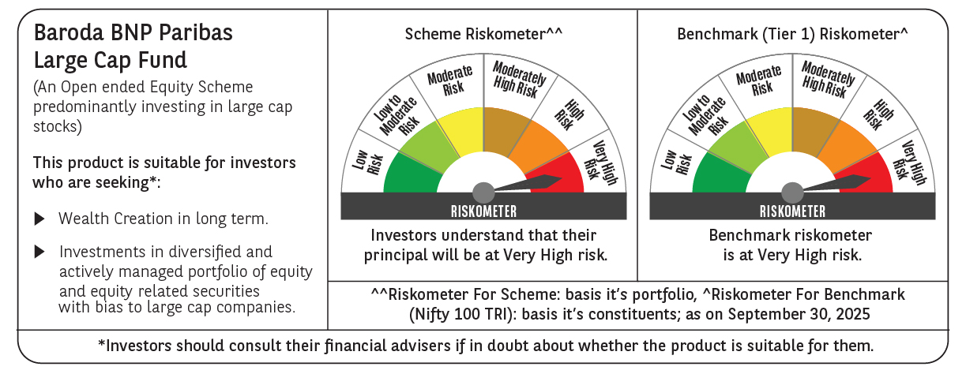

 | Monthly Performance Link: https://www.barodabnpparibasmf.in/assets/download_documents/Performance_of_Schemes_September_14618.pdf

