T0ME04
 | Baroda BNP Paribas Large Cap Fund

 | Monthly Portfolio Statement as on October 31, 2025
 | Name of the Instrument | ISIN | Industry / Rating | Quantity | Market/Fair Value (Rs. in Lakhs) | % to Net Assets | YTM~ | YTC^ | null
 | Equity & Equity related
 | (a) Listed / awaiting listing on Stock Exchanges
HDFB03 | HDFC Bank Limited | INE040A01034 | Banks | 2,250,000 | 22,214.25 | 8.14%
IBCL05 | ICICI Bank Limited | INE090A01021 | Banks | 1,395,000 | 18,766.94 | 6.88%
RIND01 | Reliance Industries Limited | INE002A01018 | Petroleum Products | 1,206,000 | 17,925.98 | 6.57%
LARS02 | Larsen & Toubro Limited | INE018A01030 | Construction | 297,000 | 11,971.77 | 4.39%
BTVL02 | Bharti Airtel Limited | INE397D01024 | Telecom - Services | 567,000 | 11,649.02 | 4.27%
KOMA02 | Kotak Mahindra Bank Limited | INE237A01028 | Banks | 486,000 | 10,216.69 | 3.74%
ABBP01 | Hitachi Energy India Limited | INE07Y701011 | Electrical Equipment | 45,000 | 8,000.10 | 2.93%
INFS02 | Infosys Limited | INE009A01021 | IT - Software | 522,000 | 7,737.61 | 2.84%
TCSL01 | Tata Consultancy Services Limited | INE467B01029 | IT - Software | 198,000 | 6,054.84 | 2.22%
ITCL02 | ITC Limited | INE154A01025 | Diversified FMCG | 1,440,000 | 6,053.04 | 2.22%
ULCC01 | UltraTech Cement Limited | INE481G01011 | Cement & Cement Products | 49,500 | 5,913.77 | 2.17%
SBAI02 | State Bank of India | INE062A01020 | Banks | 630,000 | 5,903.10 | 2.16%
NTPC01 | NTPC Limited | INE733E01010 | Power | 1,710,000 | 5,761.85 | 2.11%
TEMA02 | Tech Mahindra Limited | INE669C01036 | IT - Software | 360,000 | 5,127.84 | 1.88%
DIVI02 | Divi's Laboratories Limited | INE361B01024 | Pharmaceuticals & Biotechnology | 72,000 | 4,851.36 | 1.78%
ZMPL01 | Eternal Limited | INE758T01015 | Retailing | 1,485,000 | 4,718.59 | 1.73%
SESA02 | Vedanta Limited | INE205A01025 | Diversified Metals | 900,000 | 4,441.95 | 1.63%
HYUN01 | Hyundai Motor India Ltd | INE0V6F01027 | Automobiles | 180,000 | 4,389.66 | 1.61%
BAFL03 | Bajaj Finance Limited | INE296A01032 | Finance | 414,000 | 4,317.19 | 1.58%
MOTI02 | Bosch Limited | INE323A01026 | Auto Components | 11,160 | 4,156.54 | 1.52%
NEST02 | Nestle India Limited | INE239A01024 | Food Products | 324,000 | 4,119.98 | 1.51%
CIPL03 | Cipla Limited | INE059A01026 | Pharmaceuticals & Biotechnology | 270,000 | 4,053.51 | 1.49%
HLEL02 | Hindustan Unilever Limited | INE030A01027 | Diversified FMCG | 162,000 | 3,994.11 | 1.46%
HERO02 | Hero MotoCorp Limited | INE158A01026 | Automobiles | 72,000 | 3,991.68 | 1.46%
MAUD01 | Maruti Suzuki India Limited | INE585B01010 | Automobiles | 24,300 | 3,933.20 | 1.44%
DRRL03 | Dr. Reddy's Laboratories Limited | INE089A01031 | Pharmaceuticals & Biotechnology | 324,000 | 3,880.22 | 1.42%
EIML02 | Eicher Motors Limited | INE066A01021 | Automobiles | 54,000 | 3,783.78 | 1.39%
SPIL03 | Sun Pharmaceutical Industries Limited | INE044A01036 | Pharmaceuticals & Biotechnology | 216,000 | 3,651.91 | 1.34%
BHAH02 | Bharat Heavy Electricals Limited | INE257A01026 | Electrical Equipment | 1,350,000 | 3,584.12 | 1.31%
BFSL02 | Bajaj Finserv Limited | INE918I01026 | Finance | 162,000 | 3,383.05 | 1.24%
PUBA02 | Punjab National Bank | INE160A01022 | Banks | 2,700,000 | 3,318.03 | 1.22%
PGCI01 | Power Grid Corporation of India Limited | INE752E01010 | Power | 1,080,000 | 3,112.02 | 1.14%
BPCL01 | Bharat Petroleum Corporation Limited | INE029A01011 | Petroleum Products | 855,000 | 3,050.64 | 1.12%
LGEL01 | LG Electronics India Ltd | INE324D01010 | Consumer Durables | 180,000 | 2,994.48 | 1.10%
LAKM02 | Trent Limited | INE849A01020 | Retailing | 63,000 | 2,957.41 | 1.08%
VNBL03 | Varun Beverages Limited | INE200M01039 | Beverages | 621,000 | 2,916.53 | 1.07%
ESCO01 | Escorts Kubota Limited | INE042A01014 | Agricultural, Commercial & Construction Vehicles | 76,500 | 2,896.67 | 1.06%
BHEL02 | Bharat Electronics Limited | INE263A01024 | Aerospace & Defense | 675,000 | 2,876.18 | 1.05%
GRAS02 | Grasim Industries Limited | INE047A01021 | Cement & Cement Products | 99,000 | 2,862.78 | 1.05%
SLIF01 | SBI Life Insurance Company Limited | INE123W01016 | Insurance | 144,000 | 2,816.21 | 1.03%
AVSP01 | Avenue Supermarts Limited | INE192R01011 | Retailing | 67,500 | 2,803.61 | 1.03%
TCAL01 | Tata Capital Limited | INE976I01016 | Finance | 855,000 | 2,798.42 | 1.03%
UTIB02 | Axis Bank Limited | INE238A01034 | Banks | 225,000 | 2,773.80 | 1.02%
ILOM01 | ICICI Lombard General Insurance Company Limited | INE765G01017 | Insurance | 135,000 | 2,691.50 | 0.99%
PSYL02 | Persistent Systems Limited | INE262H01021 | IT - Software | 45,000 | 2,662.47 | 0.98%
HDLI01 | HDFC Life Insurance Company Limited | INE795G01014 | Insurance | 360,000 | 2,634.66 | 0.97%
JVSL04 | JSW Steel Limited | INE019A01038 | Ferrous Metals | 206,000 | 2,484.36 | 0.91%
HDBF01 | HDB Financial Services Limited | INE756I01012 | Finance | 315,000 | 2,303.60 | 0.84%
NHPC01 | NHPC Limited | INE848E01016 | Power | 2,340,000 | 1,985.26 | 0.73%
GMRI03 | GMR Airports Limited | INE776C01039 | Transport Infrastructure | 1,260,000 | 1,184.02 | 0.43%
OIIL01 | Oil India Limited | INE274J01014 | Oil | 180,000 | 780.03 | 0.29%
 | Sub Total |  |  |  | 263,450.33 | 96.57%
 | (b) Unlisted |  |  |  | NIL | NIL
 | Sub Total |  |  |  | NIL | NIL
 | Total |  |  |  | 263,450.33 | 96.57%
 | Derivatives
 | Index / Stock Futures
TWATNOV25 | Titan Company Limited November 2025 Future |  |  | 69,300 | 2,611.85 | 0.96%
 | Sub Total |  |  |  | 2,611.85 | 0.96%
 | Total |  |  |  | 2,611.85 | 0.96%
 | Money Market Instruments
 | Treasury Bill
TBIL2450 | 364 Days Tbill (MD 18/12/2025) | IN002024Z362 | Sovereign | 1,430,000 | 1,420.09 | 0.52% | 5.42%
TBIL2490 | 364 Days Tbill (MD 26/03/2026) | IN002024Z503 | Sovereign | 1,200,000 | 1,174.37 | 0.43% | 5.49%
 | Sub Total |  |  |  | 2,594.46 | 0.95%
 | Total |  |  |  | 2,594.46 | 0.95%
 | Reverse Repo / TREPS
TRP_031125 | Clearing Corporation of India Ltd |  |  |  | 6,431.75 | 2.36% | 5.59%
 | Sub Total |  |  |  | 6,431.75 | 2.36%
 | Total |  |  |  | 6,431.75 | 2.36%
 | Net Receivables / (Payables) |  |  |  | (2,168.66) | (0.84)%
 | GRAND TOTAL |  |  |  | 272,919.73 | 100.00%

 | ~ YTM as on October 31, 2025
 | ^ YTC represents Yield to Call provided by valuation agencies as on October 31, 2025. It is disclosed for Perpetual Bond issued by Banks (i.e. AT-1 Bond / Tier 1 Bond / Tier 2 Bond), as per AMFI Best Practices Guidelines Circular no. 135/BP/91/2020-21 read with SEBI circular No. SEBI/HO/IMD/DF4/CIR/P/2021/034 on Valuation of AT-1 Bonds and Tier 2 Bonds.
 | Details of Stock Future / Index Future
 | Long/Short | Name of the Instrument | Industry | Quantity. | Market/Fair Value (Rs. in Lacs). | % to NAV.
 | Long | Titan Company Limited_25/11/2025 | Consumer Durables | 69,300 | 2,611.85 | 0.96%

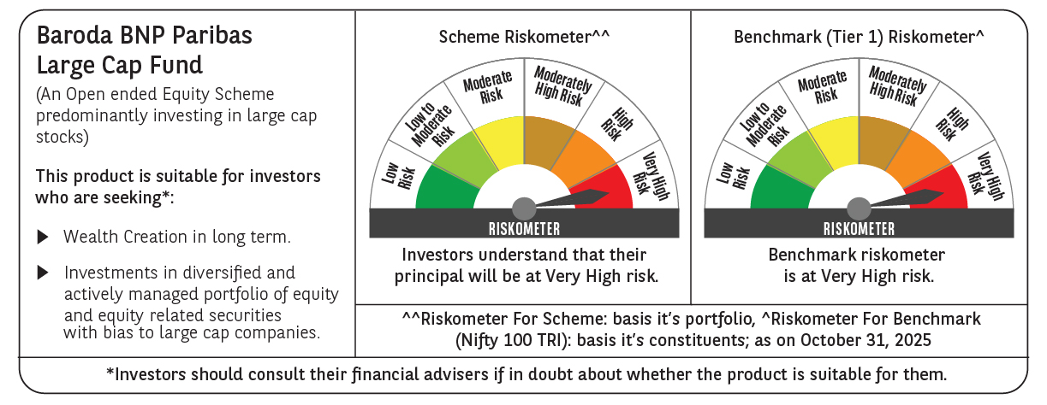

 | Monthly Performance Link: https://www.barodabnpparibasmf.in/assets/download_documents/Performance_of_Schemes-October_2025_15267.pdf

