T0ME04
 | Baroda BNP Paribas Large Cap Fund

 | Monthly Portfolio Statement as on November 30, 2025
 | Name of the Instrument | ISIN | Industry / Rating | Quantity | Market/Fair Value (Rs. in Lakhs) | % to Net Assets | YTM~ | YTC^ | null
 | Equity & Equity related
 | (a) Listed / awaiting listing on Stock Exchanges
HDFB03 | HDFC Bank Limited | INE040A01034 | Banks | 2,160,000 | 21,764.16 | 7.83%
IBCL05 | ICICI Bank Limited | INE090A01021 | Banks | 1,350,000 | 18,748.80 | 6.74%
RIND01 | Reliance Industries Limited | INE002A01018 | Petroleum Products | 1,188,000 | 18,621.90 | 6.70%
LARS02 | Larsen & Toubro Limited | INE018A01030 | Construction | 297,000 | 12,086.71 | 4.35%
BTVL02 | Bharti Airtel Limited | INE397D01024 | Telecom - Services | 567,000 | 11,916.07 | 4.28%
ABBP01 | Hitachi Energy India Limited | INE07Y701011 | Electrical Equipment | 44,100 | 9,726.70 | 3.50%
KOMA02 | Kotak Mahindra Bank Limited | INE237A01028 | Banks | 450,000 | 9,559.80 | 3.44%
INFS02 | Infosys Limited | INE009A01021 | IT - Software | 522,000 | 8,143.72 | 2.93%
SBAI02 | State Bank of India | INE062A01020 | Banks | 765,000 | 7,489.35 | 2.69%
TCSL01 | Tata Consultancy Services Limited | INE467B01029 | IT - Software | 198,000 | 6,212.25 | 2.23%
ITCL02 | ITC Limited | INE154A01025 | Diversified FMCG | 1,440,000 | 5,821.20 | 2.09%
NTPC01 | NTPC Limited | INE733E01010 | Power | 1,710,000 | 5,582.30 | 2.01%
TEMA02 | Tech Mahindra Limited | INE669C01036 | IT - Software | 360,000 | 5,462.28 | 1.96%
ULCC01 | UltraTech Cement Limited | INE481G01011 | Cement & Cement Products | 45,000 | 5,220.00 | 1.88%
SESA02 | Vedanta Limited | INE205A01025 | Diversified Metals | 900,000 | 4,734.00 | 1.70%
DIVI02 | Divi's Laboratories Limited | INE361B01024 | Pharmaceuticals & Biotechnology | 72,000 | 4,663.44 | 1.68%
PUBA02 | Punjab National Bank | INE160A01022 | Banks | 3,600,000 | 4,482.00 | 1.61%
ZMPL01 | Eternal Limited | INE758T01015 | Retailing | 1,485,000 | 4,456.49 | 1.60%
BAFL03 | Bajaj Finance Limited | INE296A01032 | Finance | 414,000 | 4,295.25 | 1.54%
NEST02 | Nestle India Limited | INE239A01024 | Food Products | 324,000 | 4,085.96 | 1.47%
CIPL03 | Cipla Limited | INE059A01026 | Pharmaceuticals & Biotechnology | 265,500 | 4,065.60 | 1.46%
MOTI02 | Bosch Limited | INE323A01026 | Auto Components | 11,160 | 4,029.88 | 1.45%
HLEL02 | Hindustan Unilever Limited | INE030A01027 | Diversified FMCG | 162,000 | 3,995.89 | 1.44%
HYUN01 | Hyundai Motor India Ltd | INE0V6F01027 | Automobiles | 171,000 | 3,977.46 | 1.43%
DRRL03 | Dr. Reddy's Laboratories Limited | INE089A01031 | Pharmaceuticals & Biotechnology | 315,000 | 3,965.22 | 1.43%
SPIL03 | Sun Pharmaceutical Industries Limited | INE044A01036 | Pharmaceuticals & Biotechnology | 216,000 | 3,956.26 | 1.42%
BHAH02 | Bharat Heavy Electricals Limited | INE257A01026 | Electrical Equipment | 1,350,000 | 3,926.48 | 1.41%
HERO02 | Hero MotoCorp Limited | INE158A01026 | Automobiles | 63,000 | 3,889.94 | 1.40%
MAUD01 | Maruti Suzuki India Limited | INE585B01010 | Automobiles | 24,300 | 3,863.70 | 1.39%
EIML02 | Eicher Motors Limited | INE066A01021 | Automobiles | 54,000 | 3,808.89 | 1.37%
BFSL02 | Bajaj Finserv Limited | INE918I01026 | Finance | 162,000 | 3,392.28 | 1.22%
VNBL03 | Varun Beverages Limited | INE200M01039 | Beverages | 621,000 | 2,990.43 | 1.08%
LGEL01 | LG Electronics India Ltd | INE324D01010 | Consumer Durables | 180,000 | 2,986.74 | 1.07%
ESCO01 | Escorts Kubota Limited | INE042A01014 | Agricultural, Commercial & Construction Vehicles | 76,500 | 2,920.31 | 1.05%
PGCI01 | Power Grid Corporation of India Limited | INE752E01010 | Power | 1,080,000 | 2,915.46 | 1.05%
BPCL01 | Bharat Petroleum Corporation Limited | INE029A01011 | Petroleum Products | 810,000 | 2,908.71 | 1.05%
HDLI01 | HDFC Life Insurance Company Limited | INE795G01014 | Insurance | 378,000 | 2,889.05 | 1.04%
UTIB02 | Axis Bank Limited | INE238A01034 | Banks | 225,000 | 2,879.33 | 1.04%
PSYL02 | Persistent Systems Limited | INE262H01021 | IT - Software | 45,000 | 2,858.85 | 1.03%
TMLC01 | Tata Motors Ltd | INE1TAE01010 | Agricultural, Commercial & Construction Vehicles | 810,000 | 2,851.20 | 1.03%
TCAL01 | Tata Capital Limited | INE976I01016 | Finance | 855,000 | 2,803.55 | 1.01%
BHEL02 | Bharat Electronics Limited | INE263A01024 | Aerospace & Defense | 675,000 | 2,779.31 | 1.00%
GRAS02 | Grasim Industries Limited | INE047A01021 | Cement & Cement Products | 99,000 | 2,712.01 | 0.98%
TWAT02 | Titan Company Limited | INE280A01028 | Consumer Durables | 69,300 | 2,708.04 | 0.97%
AVSP01 | Avenue Supermarts Limited | INE192R01011 | Retailing | 67,500 | 2,697.64 | 0.97%
LAKM02 | Trent Limited | INE849A01020 | Retailing | 63,000 | 2,677.75 | 0.96%
ILOM01 | ICICI Lombard General Insurance Company Limited | INE765G01017 | Insurance | 135,000 | 2,660.18 | 0.96%
JVSL04 | JSW Steel Limited | INE019A01038 | Ferrous Metals | 225,000 | 2,610.68 | 0.94%
HDBF01 | HDB Financial Services Limited | INE756I01012 | Finance | 315,000 | 2,416.68 | 0.87%
NHPC01 | NHPC Limited | INE848E01016 | Power | 2,340,000 | 1,795.72 | 0.65%
GMRI03 | GMR Airports Limited | INE776C01039 | Transport Infrastructure | 1,260,000 | 1,365.21 | 0.49%
 | Sub Total |  |  |  | 269,370.83 | 96.89%
 | (b) Unlisted |  |  |  | NIL | NIL
 | Sub Total |  |  |  | NIL | NIL
 | Total |  |  |  | 269,370.83 | 96.89%
 | Money Market Instruments
 | Treasury Bill
TBIL2450 | 364 Days Tbill (MD 18/12/2025) | IN002024Z362 | Sovereign | 1,430,000 | 1,426.49 | 0.51% | 5.28%
TBIL2490 | 364 Days Tbill (MD 26/03/2026) | IN002024Z503 | Sovereign | 1,200,000 | 1,180.00 | 0.42% | 5.38%
 | Sub Total |  |  |  | 2,606.49 | 0.93%
 | Total |  |  |  | 2,606.49 | 0.93%
 | Reverse Repo / TREPS
TRP_011225 | Clearing Corporation of India Ltd |  |  |  | 6,260.38 | 2.25% | 5.43%
 | Sub Total |  |  |  | 6,260.38 | 2.25%
 | Total |  |  |  | 6,260.38 | 2.25%
 | Net Receivables / (Payables) |  |  |  | (119.62) | (0.07)%
 | GRAND TOTAL |  |  |  | 278,118.08 | 100.00%

 | ~ YTM as on November 30, 2025
 | ^ YTC represents Yield to Call provided by valuation agencies as on November 30, 2025. It is disclosed for Perpetual Bond issued by Banks (i.e. AT-1 Bond / Tier 1 Bond / Tier 2 Bond), as per AMFI Best Practices Guidelines Circular no. 135/BP/91/2020-21 read with SEBI circular No. SEBI/HO/IMD/DF4/CIR/P/2021/034 on Valuation of AT-1 Bonds and Tier 2 Bonds.

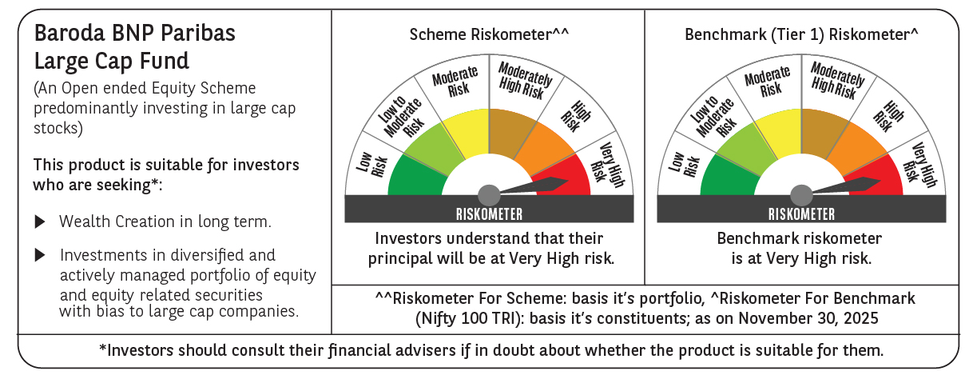

 | Monthly Performance Link: https://www.barodabnpparibasmf.in/assets/download_documents/Performance_of_Schemes_Nov-2025_15612.pdf

