T0ME04
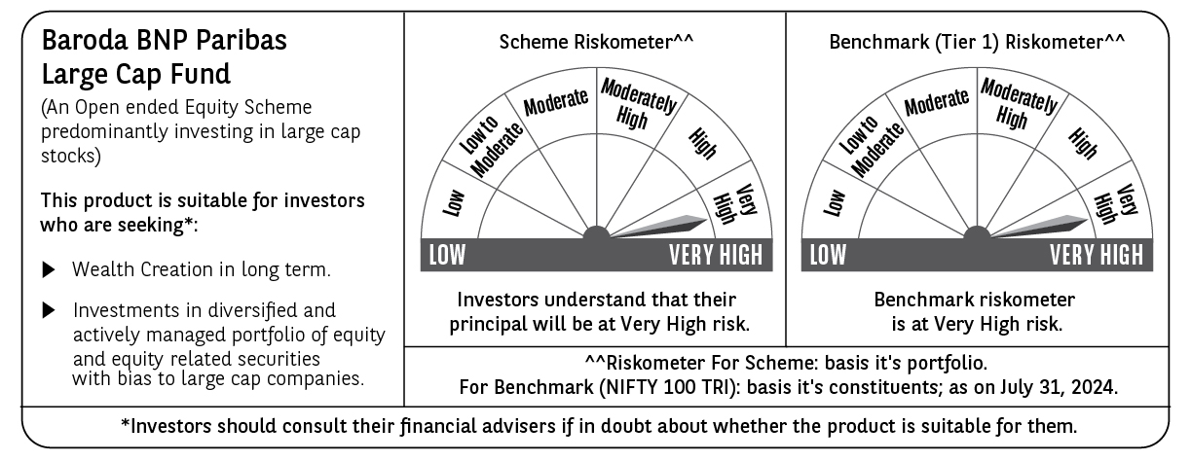
 | Baroda BNP Paribas Large Cap Fund

 | Monthly Portfolio Statement as on July 31, 2024
 | Name of the Instrument | ISIN | Industry / Rating | Quantity | Market/Fair Value (Rs. in Lakhs) | % to Net Assets | YTM~ | YTC^ | null
 | Equity & Equity related
 | (a) Listed / awaiting listing on Stock Exchanges
IBCL05 | ICICI Bank Limited | INE090A01021 | Banks | 1,197,000 | 14,542.35 | 6.37%
RIND01 | Reliance Industries Limited | INE002A01018 | Petroleum Products | 461,500 | 13,895.07 | 6.08%
HDFB03 | HDFC Bank Limited | INE040A01034 | Banks | 840,600 | 13,581.99 | 5.94%
LARS02 | Larsen & Toubro Limited | INE018A01030 | Construction | 279,000 | 10,643.85 | 4.66%
TCSL01 | Tata Consultancy Services Limited | INE467B01029 | IT - Software | 215,239 | 9,438.98 | 4.13%
ITCL02 | ITC Limited | INE154A01025 | Diversified FMCG | 1,575,000 | 7,801.76 | 3.41%
INFS02 | Infosys Limited | INE009A01021 | IT - Software | 360,000 | 6,725.70 | 2.94%
ABBP01 | Hitachi Energy India Limited | INE07Y701011 | Electrical Equipment | 54,000 | 6,267.83 | 2.74%
LAKM02 | Trent Limited | INE849A01020 | Retailing | 99,000 | 5,780.61 | 2.53%
BTVL02 | Bharti Airtel Limited | INE397D01024 | Telecom - Services | 360,000 | 5,369.58 | 2.35%
TELC03 | Tata Motors Limited | INE155A01022 | Automobiles | 417,650 | 4,830.75 | 2.11%
MOTI02 | Bosch Limited | INE323A01026 | Auto Components | 13,500 | 4,722.09 | 2.07%
KOMA02 | Kotak Mahindra Bank Limited | INE237A01028 | Banks | 234,000 | 4,230.49 | 1.85%
ZMPL01 | Zomato Limited | INE758T01015 | Retailing | 1,800,000 | 4,130.10 | 1.81%
OIIL01 | Oil India Limited | INE274J01014 | Oil | 675,000 | 3,898.46 | 1.71%
SPIL03 | Sun Pharmaceutical Industries Limited | INE044A01036 | Pharmaceuticals & Biotechnology | 225,000 | 3,868.54 | 1.69%
NTPC01 | NTPC Limited | INE733E01010 | Power | 900,000 | 3,744.00 | 1.64%
HERO02 | Hero MotoCorp Limited | INE158A01026 | Automobiles | 67,500 | 3,704.70 | 1.62%
MAUD01 | Maruti Suzuki India Limited | INE585B01010 | Automobiles | 27,000 | 3,541.27 | 1.55%
SBAI02 | State Bank of India | INE062A01020 | Banks | 405,000 | 3,533.22 | 1.55%
DIVI02 | Divi's Laboratories Limited | INE361B01024 | Pharmaceuticals & Biotechnology | 69,300 | 3,411.78 | 1.49%
HCLT02 | HCL Technologies Limited | INE860A01027 | IT - Software | 207,000 | 3,400.18 | 1.49%
NHPC01 | NHPC Limited | INE848E01016 | Power | 3,150,000 | 3,308.76 | 1.45%
BHEL02 | Bharat Electronics Limited | INE263A01024 | Aerospace & Defense | 1,035,000 | 3,271.12 | 1.43%
MCSP02 | United Spirits Limited | INE854D01024 | Beverages | 225,000 | 3,179.93 | 1.39%
COAL01 | Coal India Limited | INE522F01014 | Consumable Fuels | 603,000 | 3,148.87 | 1.38%
TELC04 | Tata Motors Limited | IN9155A01020 | Automobiles | 393,500 | 3,120.46 | 1.37%
ESCO01 | Escorts Kubota Limited | INE042A01014 | Agricultural, Commercial & Construction Vehicles | 72,000 | 3,004.85 | 1.32%
HLEL02 | Hindustan Unilever Limited | INE030A01027 | Diversified FMCG | 108,000 | 2,922.10 | 1.28%
PUBA02 | Punjab National Bank | INE160A01022 | Banks | 2,340,000 | 2,900.43 | 1.27%
BHAH02 | Bharat Heavy Electricals Limited | INE257A01026 | Electrical Equipment | 895,500 | 2,823.06 | 1.24%
GAIL01 | GAIL (India) Limited | INE129A01019 | Gas | 1,170,000 | 2,819.35 | 1.23%
TAHO01 | Honeywell Automation India Limited | INE671A01010 | Industrial Manufacturing | 5,040 | 2,744.63 | 1.20%
IPLI01 | ICICI Prudential Life Insurance Company Limited | INE726G01019 | Insurance | 351,000 | 2,583.18 | 1.13%
ULCC01 | UltraTech Cement Limited | INE481G01011 | Cement & Cement Products | 21,600 | 2,567.64 | 1.12%
GRAS02 | Grasim Industries Limited | INE047A01021 | Cement & Cement Products | 90,000 | 2,499.08 | 1.09%
CIPL03 | Cipla Limited | INE059A01026 | Pharmaceuticals & Biotechnology | 153,000 | 2,362.78 | 1.03%
ILOM01 | ICICI Lombard General Insurance Company Limited | INE765G01017 | Insurance | 117,000 | 2,349.13 | 1.03%
CHOL02 | Cholamandalam Investment and Finance Company Ltd | INE121A01024 | Finance | 162,000 | 2,294.89 | 1.00%
BPCL01 | Bharat Petroleum Corporation Limited | INE029A01011 | Petroleum Products | 648,000 | 2,268.32 | 0.99%
TISC03 | Tata Steel Limited | INE081A01020 | Ferrous Metals | 1,350,000 | 2,231.96 | 0.98%
AVSP01 | Avenue Supermarts Limited | INE192R01011 | Retailing | 45,000 | 2,221.18 | 0.97%
IHOT02 | The Indian Hotels Company Limited | INE053A01029 | Leisure Services | 342,000 | 2,195.81 | 0.96%
PGCI01 | Power Grid Corporation of India Limited | INE752E01010 | Power | 630,000 | 2,193.66 | 0.96%
BAFL02 | Bajaj Finance Limited | INE296A01024 | Finance | 31,500 | 2,144.19 | 0.94%
GUAM02 | Ambuja Cements Limited | INE079A01024 | Cement & Cement Products | 315,000 | 2,141.84 | 0.94%
RELS01 | Jio Financial Services Limited | INE758E01017 | Finance | 648,000 | 2,128.68 | 0.93%
DRRL02 | Dr. Reddy's Laboratories Limited | INE089A01023 | Pharmaceuticals & Biotechnology | 31,500 | 2,126.41 | 0.93%
IIBL01 | IndusInd Bank Limited | INE095A01012 | Banks | 144,000 | 2,056.03 | 0.90%
SLIF01 | SBI Life Insurance Company Limited | INE123W01016 | Insurance | 117,000 | 2,051.77 | 0.90%
NEST02 | Nestle India Limited | INE239A01024 | Food Products | 81,000 | 1,989.64 | 0.87%
IRCT02 | Indian Railway Catering And Tourism Corporation Limited | INE335Y01020 | Leisure Services | 189,000 | 1,866.66 | 0.82%
MUND02 | Adani Ports and Special Economic Zone Limited | INE742F01042 | Transport Infrastructure | 63,000 | 989.04 | 0.43%
 | Sub Total |  |  |  | 217,568.75 | 95.21%

GRAS04 | Grasim Industries Limited ** | IN9047A01029 | Cement & Cement Products | 3,578 | 66.94 | 0.03%
 | Sub Total |  |  |  | 66.94 | 0.03%
 | (b) Unlisted |  |  |  | NIL | NIL
 | Sub Total |  |  |  | NIL | NIL
 | Total |  |  |  | 217,635.69 | 95.24%
 | Derivatives
 | Index / Stock Futures
ONGCAUG24 | Oil & Natural Gas Corporation Limited August 2024 Future |  |  | 693,000 | 2,313.23 | 1.01%
 | Sub Total |  |  |  | 2,313.23 | 1.01%
 | Total |  |  |  | 2,313.23 | 1.01%
 | Money Market Instruments
 | Treasury Bill
TBIL2289 | 364 Days Tbill (MD 05/12/2024) | IN002023Z380 | Sovereign | 1,200,000 | 1,172.80 | 0.51% | 6.72%
TBIL2344 | 182 Days Tbill (MD 26/09/2024) | IN002023Y540 | Sovereign | 750,000 | 742.53 | 0.32% | 6.56%
TBIL2323 | 364 Days Tbill (MD 13/02/2025) | IN002023Z489 | Sovereign | 500,000 | 482.46 | 0.21% | 6.77%
 | Sub Total |  |  |  | 2,397.79 | 1.04%
 | Total |  |  |  | 2,397.79 | 1.04%
 | Reverse Repo / TREPS
TRP_010824 | Clearing Corporation of India Ltd |  |  |  | 8,373.60 | 3.67% | 6.42%
 | Sub Total |  |  |  | 8,373.60 | 3.67%
 | Total |  |  |  | 8,373.60 | 3.67%
 | Net Receivables / (Payables) |  |  |  | (2,248.83) | (0.96)%
 | GRAND TOTAL |  |  |  | 228,471.48 | 100.00%

 | ** Thinly Traded / Non Traded Security
 | ~ YTM as on July 31, 2024
 | ^ YTC represents Yield to Call provided by valuation agencies as on July 31, 2024. It is disclosed for Perpetual Bond issued by Banks (i.e. AT-1 Bond / Tier 1 Bond / Tier 2 Bond), as per AMFI Best Practices Guidelines Circular no. 135/BP/91/2020-21 read with SEBI circular No. SEBI/HO/IMD/DF4/CIR/P/2021/034 on Valuation of AT-1 Bonds and Tier 2 Bonds.
 | Details of Stock Future / Index Future
 | Long/Short | Name of the Instrument | Industry | Quantity. | Market/Fair Value (Rs. in Lacs). | % to NAV.
 | Long | Oil & Natural Gas | Oil | 693,000 | 2,313.23 | 1.01%

