T0ME04
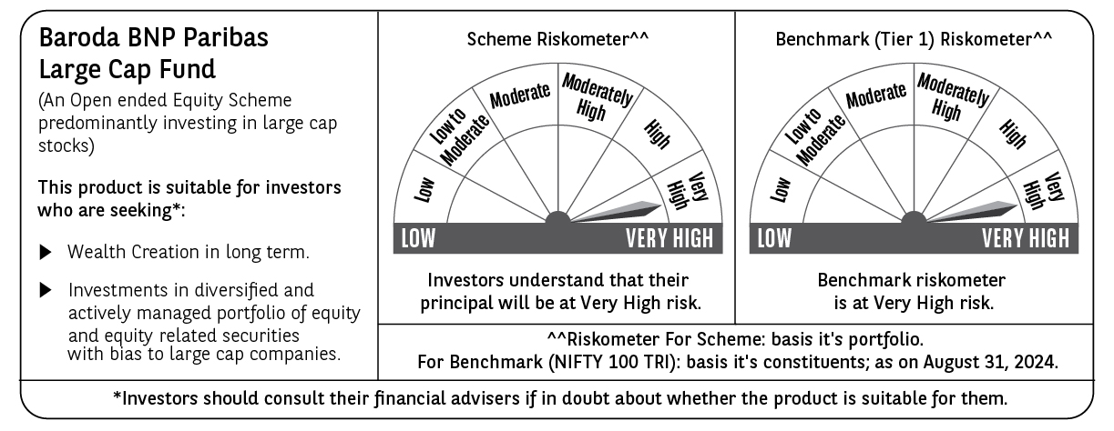
 | Baroda BNP Paribas Large Cap Fund

 | Monthly Portfolio Statement as on August 31, 2024
 | Name of the Instrument | ISIN | Industry / Rating | Quantity | Market/Fair Value (Rs. in Lakhs) | % to Net Assets | YTM~ | YTC^ | null
 | Equity & Equity related
 | (a) Listed / awaiting listing on Stock Exchanges
IBCL05 | ICICI Bank Limited | INE090A01021 | Banks | 1,197,000 | 14,713.52 | 6.28%
RIND01 | Reliance Industries Limited | INE002A01018 | Petroleum Products | 461,500 | 13,933.84 | 5.95%
HDFB03 | HDFC Bank Limited | INE040A01034 | Banks | 840,600 | 13,759.78 | 5.87%
LARS02 | Larsen & Toubro Limited | INE018A01030 | Construction | 270,000 | 10,002.56 | 4.27%
TCSL01 | Tata Consultancy Services Limited | INE467B01029 | IT - Software | 215,239 | 9,801.45 | 4.18%
ITCL02 | ITC Limited | INE154A01025 | Diversified FMCG | 1,575,000 | 7,904.93 | 3.37%
TELC03 | Tata Motors Limited | INE155A01022 | Automobiles | 693,520 | 7,707.43 | 3.29%
INFS02 | Infosys Limited | INE009A01021 | IT - Software | 360,000 | 6,997.32 | 2.99%
LAKM02 | Trent Limited | INE849A01020 | Retailing | 93,600 | 6,700.59 | 2.86%
ABBP01 | Hitachi Energy India Limited | INE07Y701011 | Electrical Equipment | 51,300 | 6,204.76 | 2.65%
BTVL02 | Bharti Airtel Limited | INE397D01024 | Telecom - Services | 360,000 | 5,720.58 | 2.44%
OIIL01 | Oil India Limited | INE274J01014 | Oil | 675,000 | 5,001.75 | 2.14%
ZMPL01 | Zomato Limited | INE758T01015 | Retailing | 1,800,000 | 4,509.54 | 1.93%
MOTI02 | Bosch Limited | INE323A01026 | Auto Components | 13,500 | 4,372.60 | 1.87%
KOMA02 | Kotak Mahindra Bank Limited | INE237A01028 | Banks | 234,000 | 4,167.07 | 1.78%
SPIL03 | Sun Pharmaceutical Industries Limited | INE044A01036 | Pharmaceuticals & Biotechnology | 225,000 | 4,098.71 | 1.75%
NTPC01 | NTPC Limited | INE733E01010 | Power | 900,000 | 3,745.80 | 1.60%
HERO02 | Hero MotoCorp Limited | INE158A01026 | Automobiles | 67,500 | 3,682.40 | 1.57%
HCLT02 | HCL Technologies Limited | INE860A01027 | IT - Software | 207,000 | 3,629.23 | 1.55%
DIVI02 | Divi's Laboratories Limited | INE361B01024 | Pharmaceuticals & Biotechnology | 69,300 | 3,530.07 | 1.51%
MCSP02 | United Spirits Limited | INE854D01024 | Beverages | 225,000 | 3,317.29 | 1.42%
SBAI02 | State Bank of India | INE062A01020 | Banks | 405,000 | 3,303.18 | 1.41%
COAL01 | Coal India Limited | INE522F01014 | Consumable Fuels | 603,000 | 3,165.45 | 1.35%
MAUD01 | Maruti Suzuki India Limited | INE585B01010 | Automobiles | 25,200 | 3,125.56 | 1.33%
NHPC01 | NHPC Limited | INE848E01016 | Power | 3,150,000 | 3,027.78 | 1.29%
HLEL02 | Hindustan Unilever Limited | INE030A01027 | Diversified FMCG | 108,000 | 3,000.24 | 1.28%
GUAM02 | Ambuja Cements Limited | INE079A01024 | Cement & Cement Products | 478,800 | 2,954.44 | 1.26%
BHEL02 | Bharat Electronics Limited | INE263A01024 | Aerospace & Defense | 945,000 | 2,828.39 | 1.21%
ESCO01 | Escorts Kubota Limited | INE042A01014 | Agricultural, Commercial & Construction Vehicles | 72,000 | 2,774.81 | 1.18%
PUBA02 | Punjab National Bank | INE160A01022 | Banks | 2,340,000 | 2,727.74 | 1.16%
GAIL01 | GAIL (India) Limited | INE129A01019 | Gas | 1,125,000 | 2,674.01 | 1.14%
IPLI01 | ICICI Prudential Life Insurance Company Limited | INE726G01019 | Insurance | 351,000 | 2,643.56 | 1.13%
BHAH02 | Bharat Heavy Electricals Limited | INE257A01026 | Electrical Equipment | 895,500 | 2,601.88 | 1.11%
TAHO01 | Honeywell Automation India Limited | INE671A01010 | Industrial Manufacturing | 5,040 | 2,568.84 | 1.10%
CIPL03 | Cipla Limited | INE059A01026 | Pharmaceuticals & Biotechnology | 153,000 | 2,532.00 | 1.08%
ILOM01 | ICICI Lombard General Insurance Company Limited | INE765G01017 | Insurance | 117,000 | 2,505.85 | 1.07%
ULCC01 | UltraTech Cement Limited | INE481G01011 | Cement & Cement Products | 21,600 | 2,441.21 | 1.04%
GRAS02 | Grasim Industries Limited | INE047A01021 | Cement & Cement Products | 90,000 | 2,428.97 | 1.04%
BPCL01 | Bharat Petroleum Corporation Limited | INE029A01011 | Petroleum Products | 666,000 | 2,381.95 | 1.02%
NEST02 | Nestle India Limited | INE239A01024 | Food Products | 94,500 | 2,363.21 | 1.01%
CHOL02 | Cholamandalam Investment and Finance Company Ltd | INE121A01024 | Finance | 162,000 | 2,358.07 | 1.01%
AVSP01 | Avenue Supermarts Limited | INE192R01011 | Retailing | 47,700 | 2,350.39 | 1.00%
DRRL02 | Dr. Reddy's Laboratories Limited | INE089A01023 | Pharmaceuticals & Biotechnology | 33,300 | 2,341.44 | 1.00%
TISC03 | Tata Steel Limited | INE081A01020 | Ferrous Metals | 1,530,000 | 2,337.23 | 1.00%
BAFL02 | Bajaj Finance Limited | INE296A01024 | Finance | 31,500 | 2,268.05 | 0.97%
IHOT02 | The Indian Hotels Company Limited | INE053A01029 | Leisure Services | 342,000 | 2,214.45 | 0.95%
RELS01 | Jio Financial Services Limited | INE758E01017 | Finance | 684,000 | 2,200.43 | 0.94%
SLIF01 | SBI Life Insurance Company Limited | INE123W01016 | Insurance | 117,000 | 2,164.85 | 0.92%
PGCI01 | Power Grid Corporation of India Limited | INE752E01010 | Power | 630,000 | 2,125.62 | 0.91%
IIBL01 | IndusInd Bank Limited | INE095A01012 | Banks | 144,000 | 2,052.36 | 0.88%
IRCT02 | Indian Railway Catering And Tourism Corporation Limited | INE335Y01020 | Leisure Services | 189,000 | 1,762.99 | 0.75%
GRAS04 | Grasim Industries Limited | IN9047A01029 | Cement & Cement Products | 3,578 | 63.62 | 0.03%
 | Sub Total |  |  |  | 219,789.79 | 93.84%
 | (b) Unlisted |  |  |  | NIL | NIL
 | Sub Total |  |  |  | NIL | NIL
 | Total |  |  |  | 219,789.79 | 93.84%
 | Money Market Instruments
 | Treasury Bill
TBIL2289 | 364 Days Tbill (MD 05/12/2024) | IN002023Z380 | Sovereign | 1,200,000 | 1,179.68 | 0.50% | 6.62%
TBIL2344 | 182 Days Tbill (MD 26/09/2024) | IN002023Y540 | Sovereign | 750,000 | 746.65 | 0.32% | 6.55%
TBIL2323 | 364 Days Tbill (MD 13/02/2025) | IN002023Z489 | Sovereign | 500,000 | 485.29 | 0.21% | 6.71%
 | Sub Total |  |  |  | 2,411.62 | 1.03%
 | Total |  |  |  | 2,411.62 | 1.03%
 | Reverse Repo / TREPS
TRP_020924 | Clearing Corporation of India Ltd |  |  |  | 11,883.35 | 5.07% | 6.52%
 | Sub Total |  |  |  | 11,883.35 | 5.07%
 | Total |  |  |  | 11,883.35 | 5.07%
 | Net Receivables / (Payables) |  |  |  | 172.14 | 0.06%
 | GRAND TOTAL |  |  |  | 234,256.90 | 100.00%

 | ~ YTM as on August 31, 2024
 | ^ YTC represents Yield to Call provided by valuation agencies as on August 31, 2024. It is disclosed for Perpetual Bond issued by Banks (i.e. AT-1 Bond / Tier 1 Bond / Tier 2 Bond), as per AMFI Best Practices Guidelines Circular no. 135/BP/91/2020-21 read with SEBI circular No. SEBI/HO/IMD/DF4/CIR/P/2021/034 on Valuation of AT-1 Bonds and Tier 2 Bonds.

