Monthly Portfolio
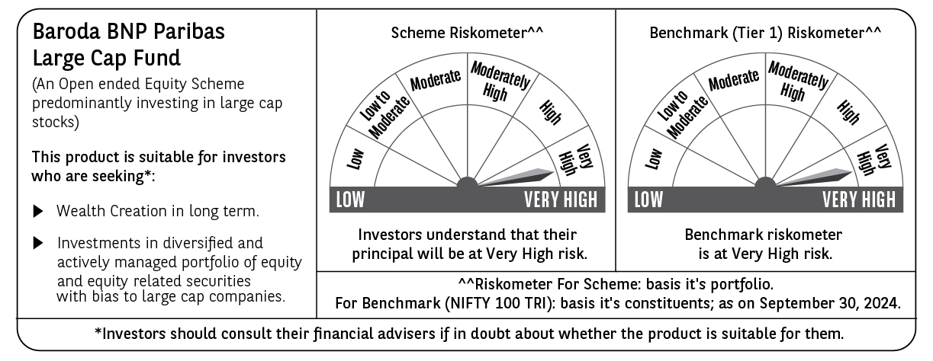
 | Baroda BNP Paribas Large Cap Fund

 | Monthly Portfolio Statement as on September 30, 2024
 | Name of the Instrument | ISIN | Industry / Rating | Quantity | Market/Fair Value (Rs. in Lakhs) | % to Net Assets | YTM~ | YTC^ | null
 | Equity & Equity related
 | (a) Listed / awaiting listing on Stock Exchanges
HDFB03 | HDFC Bank Limited | INE040A01034 | Banks | 900,000 | 15,588.45 | 6.39%
IBCL05 | ICICI Bank Limited | INE090A01021 | Banks | 1,197,000 | 15,237.81 | 6.25%
RIND01 | Reliance Industries Limited | INE002A01018 | Petroleum Products | 486,000 | 14,352.31 | 5.88%
LARS02 | Larsen & Toubro Limited | INE018A01030 | Construction | 270,000 | 9,923.99 | 4.07%
TCSL01 | Tata Consultancy Services Limited | INE467B01029 | IT - Software | 215,239 | 9,187.48 | 3.77%
ITCL02 | ITC Limited | INE154A01025 | Diversified FMCG | 1,575,000 | 8,160.86 | 3.34%
NTPC01 | NTPC Limited | INE733E01010 | Power | 1,620,000 | 7,179.84 | 2.94%
LAKM02 | Trent Limited | INE849A01020 | Retailing | 93,600 | 7,089.87 | 2.91%
ABBP01 | Hitachi Energy India Limited | INE07Y701011 | Electrical Equipment | 47,700 | 6,938.11 | 2.84%
INFS02 | Infosys Limited | INE009A01021 | IT - Software | 369,000 | 6,920.96 | 2.84%
BTVL02 | Bharti Airtel Limited | INE397D01024 | Telecom - Services | 360,000 | 6,154.38 | 2.52%
TELC03 | Tata Motors Limited | INE155A01022 | Automobiles | 625,500 | 6,096.44 | 2.50%
MOTI02 | Bosch Limited | INE323A01026 | Auto Components | 15,300 | 5,764.87 | 2.36%
ZMPL01 | Zomato Limited | INE758T01015 | Retailing | 1,800,000 | 4,919.40 | 2.02%
KOMA02 | Kotak Mahindra Bank Limited | INE237A01028 | Banks | 234,000 | 4,338.24 | 1.78%
SPIL03 | Sun Pharmaceutical Industries Limited | INE044A01036 | Pharmaceuticals & Biotechnology | 225,000 | 4,335.08 | 1.78%
DIVI02 | Divi's Laboratories Limited | INE361B01024 | Pharmaceuticals & Biotechnology | 72,000 | 3,919.21 | 1.61%
HERO02 | Hero MotoCorp Limited | INE158A01026 | Automobiles | 67,500 | 3,855.87 | 1.58%
HCLT02 | HCL Technologies Limited | INE860A01027 | IT - Software | 207,000 | 3,717.93 | 1.52%
OIIL01 | Oil India Limited | INE274J01014 | Oil | 630,000 | 3,658.10 | 1.50%
MCSP02 | United Spirits Limited | INE854D01024 | Beverages | 225,000 | 3,577.28 | 1.47%
MAUD01 | Maruti Suzuki India Limited | INE585B01010 | Automobiles | 25,200 | 3,335.98 | 1.37%
HLEL02 | Hindustan Unilever Limited | INE030A01027 | Diversified FMCG | 108,000 | 3,194.96 | 1.31%
SBAI02 | State Bank of India | INE062A01020 | Banks | 405,000 | 3,191.00 | 1.31%
COAL01 | Coal India Limited | INE522F01014 | Consumable Fuels | 603,000 | 3,076.20 | 1.26%
ESCO01 | Escorts Kubota Limited | INE042A01014 | Agricultural, Commercial & Construction Vehicles | 67,500 | 2,881.44 | 1.18%
GUAM02 | Ambuja Cements Limited | INE079A01024 | Cement & Cement Products | 441,000 | 2,789.55 | 1.14%
IPLI01 | ICICI Prudential Life Insurance Company Limited | INE726G01019 | Insurance | 351,000 | 2,738.33 | 1.12%
GAIL01 | GAIL (India) Limited | INE129A01019 | Gas | 1,125,000 | 2,703.26 | 1.11%
TISC03 | Tata Steel Limited | INE081A01020 | Ferrous Metals | 1,575,000 | 2,654.66 | 1.09%
CHOL02 | Cholamandalam Investment and Finance Company Ltd | INE121A01024 | Finance | 162,000 | 2,604.96 | 1.07%
ULCC01 | UltraTech Cement Limited | INE481G01011 | Cement & Cement Products | 21,600 | 2,549.23 | 1.04%
ILOM01 | ICICI Lombard General Insurance Company Limited | INE765G01017 | Insurance | 117,000 | 2,544.05 | 1.04%
NEST02 | Nestle India Limited | INE239A01024 | Food Products | 94,500 | 2,542.00 | 1.04%
CIPL03 | Cipla Limited | INE059A01026 | Pharmaceuticals & Biotechnology | 153,000 | 2,530.77 | 1.04%
GRAS02 | Grasim Industries Limited | INE047A01021 | Cement & Cement Products | 90,000 | 2,516.00 | 1.03%
BPCL01 | Bharat Petroleum Corporation Limited | INE029A01011 | Petroleum Products | 675,000 | 2,497.16 | 1.02%
TAHO01 | Honeywell Automation India Limited | INE671A01010 | Industrial Manufacturing | 5,040 | 2,468.57 | 1.01%
PGCI01 | Power Grid Corporation of India Limited | INE752E01010 | Power | 693,000 | 2,445.25 | 1.00%
AVSP01 | Avenue Supermarts Limited | INE192R01011 | Retailing | 47,700 | 2,430.94 | 1.00%
DRRL02 | Dr. Reddy's Laboratories Limited | INE089A01023 | Pharmaceuticals & Biotechnology | 36,000 | 2,430.58 | 1.00%
BAFL02 | Bajaj Finance Limited | INE296A01024 | Finance | 31,500 | 2,426.45 | 0.99%
RELS01 | Jio Financial Services Limited | INE758E01017 | Finance | 684,000 | 2,398.10 | 0.98%
SLIF01 | SBI Life Insurance Company Limited | INE123W01016 | Insurance | 117,000 | 2,157.48 | 0.88%
IIBL01 | IndusInd Bank Limited | INE095A01012 | Banks | 144,000 | 2,084.54 | 0.85%
PUBA02 | Punjab National Bank | INE160A01022 | Banks | 1,800,270 | 1,930.07 | 0.79%
SESA02 | Vedanta Limited | INE205A01025 | Diversified Metals | 360,000 | 1,845.54 | 0.76%
IRCT02 | Indian Railway Catering And Tourism Corporation Limited | INE335Y01020 | Leisure Services | 189,000 | 1,754.96 | 0.72%
BHEL02 | Bharat Electronics Limited | INE263A01024 | Aerospace & Defense | 495,000 | 1,411.25 | 0.58%
BHAH02 | Bharat Heavy Electricals Limited | INE257A01026 | Electrical Equipment | 445,500 | 1,246.06 | 0.51%
NHPC01 | NHPC Limited | INE848E01016 | Power | 900,000 | 854.55 | 0.35%
BFSL02 | Bajaj Finserv Limited | INE918I01026 | Finance | 27,000 | 532.82 | 0.22%
BHFL01 | Bajaj Housing Finance Limited | INE377Y01014 | Finance | 91,115 | 140.37 | 0.06%
GRAS04 | Grasim Industries Limited | IN9047A01029 | Cement & Cement Products | 3,578 | 67.09 | 0.03%
 | Sub Total |  |  |  | 223,890.65 | 91.77%
 | (b) Unlisted |  |  |  | NIL | NIL
 | Sub Total |  |  |  | NIL | NIL
 | Total |  |  |  | 223,890.65 | 91.77%
 | Derivatives
 | Index / Stock Futures
BFSLOCT24 | Bajaj Finserv Limited October 2024 Future |  |  | 108,000 | 2,148.77 | 0.88%
ADANOCT24 | Adani Enterprises Limited October 2024 Future |  |  | 45,000 | 1,419.80 | 0.58%
NIFTYFOCT24 | NIFTY October 2024 Future |  |  | -9,000 | (2,339.11) | (0.96)%
 | Sub Total |  |  |  | 1,229.46 | 0.50%
 | Total |  |  |  | 1,229.46 | 0.50%
 | Money Market Instruments
 | Treasury Bill
TBIL2289 | 364 Days Tbill (MD 05/12/2024) | IN002023Z380 | Sovereign | 1,200,000 | 1,186.48 | 0.49% | 6.40%
TBIL2396 | 182 Days Tbill (MD 14/02/2025) | IN002024Y209 | Sovereign | 750,000 | 732.21 | 0.30% | 6.52%
TBIL2323 | 364 Days Tbill (MD 13/02/2025) | IN002023Z489 | Sovereign | 500,000 | 488.23 | 0.20% | 6.52%
 | Sub Total |  |  |  | 2,406.92 | 0.99%
 | Total |  |  |  | 2,406.92 | 0.99%
 | Reverse Repo / TREPS
TRP_011024 | Clearing Corporation of India Ltd |  |  |  | 16,957.75 | 6.95% | 6.65%
 | Sub Total |  |  |  | 16,957.75 | 6.95%
 | Total |  |  |  | 16,957.75 | 6.95%
 | Net Receivables / (Payables) |  |  |  | (488.06) | (0.21)%
 | GRAND TOTAL |  |  |  | 243,996.72 | 100.00%

 | ~ YTM as on September 30, 2024
 | ^ YTC represents Yield to Call provided by valuation agencies as on September 30, 2024. It is disclosed for Perpetual Bond issued by Banks (i.e. AT-1 Bond / Tier 1 Bond / Tier 2 Bond), as per AMFI Best Practices Guidelines Circular no. 135/BP/91/2020-21 read with SEBI circular No. SEBI/HO/IMD/DF4/CIR/P/2021/034 on Valuation of AT-1 Bonds and Tier 2 Bonds.
 | Details of Stock Future / Index Future
 | Long/Short | Name of the Instrument | Industry | Quantity. | Market/Fair Value (Rs. in Lacs). | % to NAV.
 | Short | NIFTY_31/10/2024 | Index | 9,000 | 2,339.11 | 0.96%
 | Long | Bajaj Finserv | Finance | 108,000 | 2,148.77 | 0.88%
 | Long | Adani Enterprises | Metals & Minerals Trading | 45,000 | 1,419.80 | 0.58%

