T0ME04
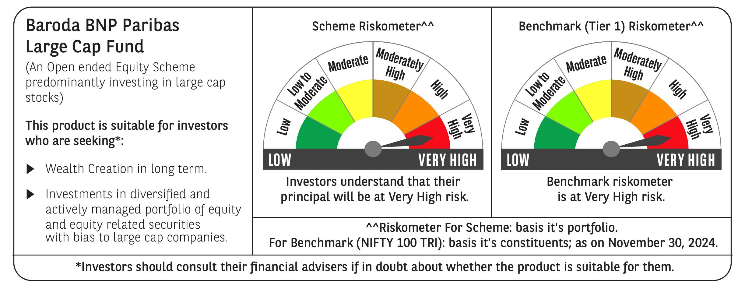
 | Baroda BNP Paribas Large Cap Fund

 | Monthly Portfolio Statement as on November 30, 2024
 | Name of the Instrument | ISIN | Industry / Rating | Quantity | Market/Fair Value (Rs. in Lakhs) | % to Net Assets | YTM~ | YTC^ | null
 | Equity & Equity related
 | (a) Listed / awaiting listing on Stock Exchanges
HDFB03 | HDFC Bank Limited | INE040A01034 | Banks | 972,000 | 17,457.61 | 7.27%
IBCL05 | ICICI Bank Limited | INE090A01021 | Banks | 1,278,000 | 16,615.28 | 6.91%
RIND01 | Reliance Industries Limited | INE002A01018 | Petroleum Products | 972,000 | 12,560.18 | 5.23%
LARS02 | Larsen & Toubro Limited | INE018A01030 | Construction | 270,000 | 10,056.96 | 4.19%
TCSL01 | Tata Consultancy Services Limited | INE467B01029 | IT - Software | 215,239 | 9,192.53 | 3.83%
ITCL02 | ITC Limited | INE154A01025 | Diversified FMCG | 1,575,000 | 7,508.81 | 3.12%
INFS02 | Infosys Limited | INE009A01021 | IT - Software | 369,000 | 6,855.47 | 2.85%
LAKM02 | Trent Limited | INE849A01020 | Retailing | 93,600 | 6,360.49 | 2.65%
NTPC01 | NTPC Limited | INE733E01010 | Power | 1,710,000 | 6,218.42 | 2.59%
BTVL02 | Bharti Airtel Limited | INE397D01024 | Telecom - Services | 360,000 | 5,857.74 | 2.44%
ABBP01 | Hitachi Energy India Limited | INE07Y701011 | Electrical Equipment | 47,700 | 5,713.77 | 2.38%
BLTE01 | Swiggy Limited | INE00H001014 | Retailing | 1,170,000 | 5,507.78 | 2.29%
MOTI02 | Bosch Limited | INE323A01026 | Auto Components | 15,300 | 5,349.83 | 2.23%
ZMPL01 | Zomato Limited | INE758T01015 | Retailing | 1,710,000 | 4,783.90 | 1.99%
KOMA02 | Kotak Mahindra Bank Limited | INE237A01028 | Banks | 270,000 | 4,766.18 | 1.98%
DIVI02 | Divi's Laboratories Limited | INE361B01024 | Pharmaceuticals & Biotechnology | 72,000 | 4,444.34 | 1.85%
TELC03 | Tata Motors Limited | INE155A01022 | Automobiles | 540,000 | 4,246.83 | 1.77%
HYUN01 | Hyundai Motor India Ltd | INE0V6F01027 | Automobiles | 216,000 | 4,139.75 | 1.72%
SESA02 | Vedanta Limited | INE205A01025 | Diversified Metals | 900,000 | 4,081.50 | 1.70%
SPIL03 | Sun Pharmaceutical Industries Limited | INE044A01036 | Pharmaceuticals & Biotechnology | 225,000 | 4,007.03 | 1.67%
HCLT02 | HCL Technologies Limited | INE860A01027 | IT - Software | 207,000 | 3,825.46 | 1.59%
MCSP02 | United Spirits Limited | INE854D01024 | Beverages | 225,000 | 3,440.48 | 1.43%
SBAI02 | State Bank of India | INE062A01020 | Banks | 405,000 | 3,397.75 | 1.41%
HERO02 | Hero MotoCorp Limited | INE158A01026 | Automobiles | 67,500 | 3,214.15 | 1.34%
OIIL01 | Oil India Limited | INE274J01014 | Oil | 630,000 | 3,090.78 | 1.29%
HLEL02 | Hindustan Unilever Limited | INE030A01027 | Diversified FMCG | 108,000 | 2,695.84 | 1.12%
MAUD01 | Maruti Suzuki India Limited | INE585B01010 | Automobiles | 24,300 | 2,691.03 | 1.12%
COAL01 | Coal India Limited | INE522F01014 | Consumable Fuels | 603,000 | 2,510.89 | 1.04%
VNBL03 | Varun Beverages Limited | INE200M01039 | Beverages | 396,000 | 2,459.95 | 1.02%
IPLI01 | ICICI Prudential Life Insurance Company Limited | INE726G01019 | Insurance | 351,000 | 2,455.77 | 1.02%
RELS01 | Jio Financial Services Limited | INE758E01017 | Finance | 738,000 | 2,423.22 | 1.01%
ULCC01 | UltraTech Cement Limited | INE481G01011 | Cement & Cement Products | 21,600 | 2,419.66 | 1.01%
ESCO01 | Escorts Kubota Limited | INE042A01014 | Agricultural, Commercial & Construction Vehicles | 67,500 | 2,398.88 | 1.00%
GUAM02 | Ambuja Cements Limited | INE079A01024 | Cement & Cement Products | 450,000 | 2,391.75 | 1.00%
BHAH02 | Bharat Heavy Electricals Limited | INE257A01026 | Electrical Equipment | 945,000 | 2,372.80 | 0.99%
BAFL02 | Bajaj Finance Limited | INE296A01024 | Finance | 36,000 | 2,367.32 | 0.99%
CIPL03 | Cipla Limited | INE059A01026 | Pharmaceuticals & Biotechnology | 153,000 | 2,346.87 | 0.98%
GRAS02 | Grasim Industries Limited | INE047A01021 | Cement & Cement Products | 90,000 | 2,345.63 | 0.98%
PGCI01 | Power Grid Corporation of India Limited | INE752E01010 | Power | 711,000 | 2,342.03 | 0.97%
CHOL02 | Cholamandalam Investment and Finance Company Ltd | INE121A01024 | Finance | 189,000 | 2,332.17 | 0.97%
NEST02 | Nestle India Limited | INE239A01024 | Food Products | 101,700 | 2,272.64 | 0.95%
DRRL03 | Dr. Reddy's Laboratories Limited | INE089A01031 | Pharmaceuticals & Biotechnology | 189,000 | 2,272.35 | 0.95%
GAIL01 | GAIL (India) Limited | INE129A01019 | Gas | 1,125,000 | 2,243.93 | 0.93%
ILOM01 | ICICI Lombard General Insurance Company Limited | INE765G01017 | Insurance | 117,000 | 2,178.36 | 0.91%
TAHO01 | Honeywell Automation India Limited | INE671A01010 | Industrial Manufacturing | 5,130 | 2,094.84 | 0.87%
BPCL01 | Bharat Petroleum Corporation Limited | INE029A01011 | Petroleum Products | 675,000 | 1,971.68 | 0.82%
SLIF01 | SBI Life Insurance Company Limited | INE123W01016 | Insurance | 117,000 | 1,682.17 | 0.70%
PFCL01 | Power Finance Corporation Limited | INE134E01011 | Finance | 261,000 | 1,292.73 | 0.54%
IIBL01 | IndusInd Bank Limited | INE095A01012 | Banks | 126,000 | 1,254.77 | 0.52%
AVSP01 | Avenue Supermarts Limited | INE192R01011 | Retailing | 28,573 | 1,059.94 | 0.44%
NGEL01 | NTPC Green Energy Limited | INE0ONG01011 | Power | 729,884 | 911.19 | 0.38%
BFSL02 | Bajaj Finserv Limited | INE918I01026 | Finance | 54,000 | 853.17 | 0.36%
GRAS04 | Grasim Industries Limited | IN9047A01029 | Cement & Cement Products | 3,578 | 59.44 | 0.02%
 | Sub Total |  |  |  | 219,394.04 | 91.33%
 | (b) Unlisted |  |  |  | NIL | NIL
 | Sub Total |  |  |  | NIL | NIL
 | Total |  |  |  | 219,394.04 | 91.33%
 | Derivatives
 | Index / Stock Futures
BFSLDEC24 | Bajaj Finserv Limited December 2024 Future |  |  | 108,000 | 1,718.01 | 0.71%
TPOWDEC24 | Tata Power Company Limited December 2024 Future |  |  | 364,500 | 1,519.60 | 0.63%
POWFDEC24 | Power Finance Corporation Limited December 2024 Future |  |  | 292,500 | 1,458.26 | 0.61%
SESADEC24 | Vedanta Limited December 2024 Future |  |  | 103,500 | 472.12 | 0.20%
IIBLDEC24 | IndusInd Bank Limited December 2024 Future |  |  | -126,000 | (1,261.95) | (0.53)%
 | Sub Total |  |  |  | 3,906.04 | 1.62%
 | Total |  |  |  | 3,906.04 | 1.62%
 | Money Market Instruments
 | Treasury Bill
TBIL2289 | 364 Days Tbill (MD 05/12/2024) | IN002023Z380 | Sovereign | 1,200,000 | 1,199.14 | 0.50% | 6.57%
TBIL2405 | 364 Days Tbill (MD 04/09/2025) | IN002024Z230 | Sovereign | 1,200,000 | 1,142.43 | 0.48% | 6.64%
TBIL2396 | 182 Days Tbill (MD 14/02/2025) | IN002024Y209 | Sovereign | 750,000 | 740.19 | 0.31% | 6.45%
TBIL2323 | 364 Days Tbill (MD 13/02/2025) | IN002023Z489 | Sovereign | 500,000 | 493.55 | 0.21% | 6.45%
 | Sub Total |  |  |  | 3,575.31 | 1.50%
 | Total |  |  |  | 3,575.31 | 1.50%
 | Reverse Repo / TREPS
TRP_021224 | Clearing Corporation of India Ltd |  |  |  | 17,370.03 | 7.23% | 6.69%
 | Sub Total |  |  |  | 17,370.03 | 7.23%
 | Total |  |  |  | 17,370.03 | 7.23%
 | Net Receivables / (Payables) |  |  |  | (3,960.67) | (1.68)%
 | GRAND TOTAL |  |  |  | 240,284.75 | 100.00%

 | ~ YTM as on November 30, 2024
 | ^ YTC represents Yield to Call provided by valuation agencies as on November 30, 2024. It is disclosed for Perpetual Bond issued by Banks (i.e. AT-1 Bond / Tier 1 Bond / Tier 2 Bond), as per AMFI Best Practices Guidelines Circular no. 135/BP/91/2020-21 re
 | Details of Stock Future / Index Future
 | Long/Short | Name of the Instrument | Industry | Quantity. | Market/Fair Value (Rs. in Lacs). | % to NAV.
 | Long | Bajaj Finserv Limited_26/12/2024 | Finance | 108,000 | 1,718.01 | 0.71%
 | Long | Tata Power Company Limited_26/12/2024 | Power | 364,500 | 1,519.60 | 0.63%
 | Long | Power Finance Corporation Limited_26/12/2024 | Finance | 292,500 | 1,458.26 | 0.61%
 | Short | IndusInd Bank Limited_26/12/2024 | Banks | 126,000 | 1,261.95 | 0.53%
 | Long | Vedanta Limited_26/12/2024 | Diversified Metals | 103,500 | 472.12 | 0.20%

