T0ME05
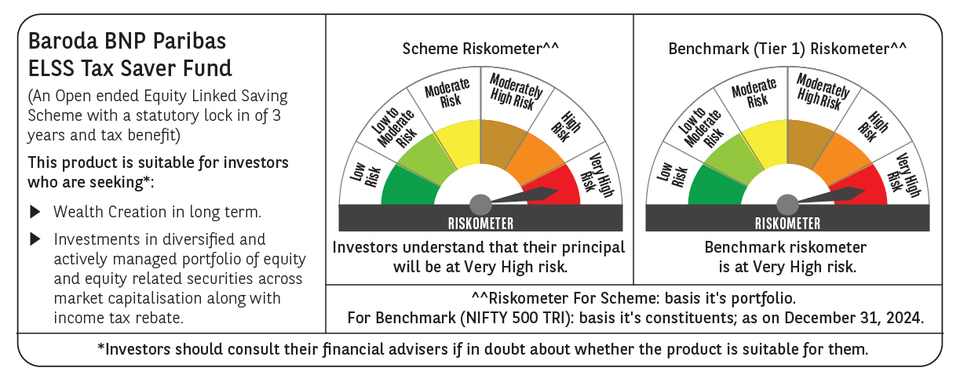
 | Baroda BNP Paribas ELSS Tax Saver Fund

 | Monthly Portfolio Statement as on December 31, 2024
 | Name of the Instrument | ISIN | Industry | Quantity | Market/Fair Value (Rs. in Lakhs) | % to Net Assets | YTM~ | YTC^ | null
 | Equity & Equity related
 | (a) Listed / awaiting listing on Stock Exchanges
HDFB03 | HDFC Bank Limited | INE040A01034 | Banks | 328,160 | 5,817.78 | 6.12%
IBCL05 | ICICI Bank Limited | INE090A01021 | Banks | 411,000 | 5,267.58 | 5.54%
INFS02 | Infosys Limited | INE009A01021 | IT - Software | 205,000 | 3,854.00 | 4.05%
RIND01 | Reliance Industries Limited | INE002A01018 | Petroleum Products | 258,200 | 3,138.29 | 3.30%
ESMC02 | PB Fintech Limited | INE417T01026 | Financial Technology (Fintech) | 125,800 | 2,652.93 | 2.79%
ZMPL01 | Zomato Limited | INE758T01015 | Retailing | 920,813 | 2,560.32 | 2.69%
LAKM02 | Trent Limited | INE849A01020 | Retailing | 35,214 | 2,508.42 | 2.64%
JYCN01 | Jyoti CNC Automation Ltd | INE980O01024 | Industrial Manufacturing | 184,594 | 2,493.13 | 2.62%
SAGI01 | Sagility India Limited | INE0W2G01015 | IT - Services | 4,616,000 | 2,328.77 | 2.45%
LARS02 | Larsen & Toubro Limited | INE018A01030 | Construction | 64,020 | 2,309.62 | 2.43%
ALLI02 | GE Vernova T&D India Limited | INE200A01026 | Electrical Equipment | 100,037 | 2,076.67 | 2.18%
DIXO02 | Dixon Technologies (India) Limited | INE935N01020 | Consumer Durables | 11,200 | 2,008.87 | 2.11%
SBAI02 | State Bank of India | INE062A01020 | Banks | 243,000 | 1,931.73 | 2.03%
BEFS01 | Mrs. Bectors Food Specialities Limited | INE495P01012 | Food Products | 117,132 | 1,919.32 | 2.02%
SPIL03 | Sun Pharmaceutical Industries Limited | INE044A01036 | Pharmaceuticals & Biotechnology | 101,500 | 1,914.65 | 2.01%
CAMS01 | Computer Age Management Services Limited | INE596I01012 | Capital Markets | 37,000 | 1,877.90 | 1.97%
ABBP01 | Hitachi Energy India Limited | INE07Y701011 | Electrical Equipment | 12,267 | 1,767.94 | 1.86%
MAXI02 | Max Financial Services Limited | INE180A01020 | Insurance | 158,000 | 1,759.96 | 1.85%
BTVL02 | Bharti Airtel Limited | INE397D01024 | Telecom - Services | 110,566 | 1,755.51 | 1.85%
IHOT02 | The Indian Hotels Company Limited | INE053A01029 | Leisure Services | 200,000 | 1,755.10 | 1.85%
MAHI02 | Mahindra & Mahindra Limited | INE101A01026 | Automobiles | 55,500 | 1,668.94 | 1.75%
IFEL01 | Oracle Financial Services Software Limited | INE881D01027 | IT - Software | 13,000 | 1,662.63 | 1.75%
NTPC01 | NTPC Limited | INE733E01010 | Power | 490,000 | 1,633.42 | 1.72%
DABU02 | Dabur India Limited | INE016A01026 | Personal Products | 320,000 | 1,622.40 | 1.71%
RACM01 | Rainbow Childrens Medicare Limited | INE961O01016 | Healthcare Services | 100,860 | 1,512.45 | 1.59%
BFLS01 | Mphasis Limited | INE356A01018 | IT - Software | 53,000 | 1,509.02 | 1.59%
VNBL03 | Varun Beverages Limited | INE200M01039 | Beverages | 231,747 | 1,479.70 | 1.56%
TEGA01 | Tega Industries Limited | INE011K01018 | Industrial Manufacturing | 92,284 | 1,445.49 | 1.52%
SAEL02 | TVS Motor Company Limited | INE494B01023 | Automobiles | 60,500 | 1,432.94 | 1.51%
PHFP02 | PNB Housing Finance Limited | INE572E01012 | Finance | 163,000 | 1,430.65 | 1.50%
CHOL02 | Cholamandalam Investment and Finance Company Ltd | INE121A01024 | Finance | 120,500 | 1,429.07 | 1.50%
BOCL01 | Linde India Limited | INE473A01011 | Chemicals & Petrochemicals | 23,225 | 1,392.58 | 1.46%
CONB01 | Concord Biotech Limited | INE338H01029 | Pharmaceuticals & Biotechnology | 61,800 | 1,366.24 | 1.44%
PRRC03 | Navin Fluorine International Limited | INE048G01026 | Chemicals & Petrochemicals | 41,700 | 1,353.50 | 1.42%
NAYV01 | NLC India Limited | INE589A01014 | Power | 538,870 | 1,340.71 | 1.41%
LTIL01 | LTIMindtree Limited | INE214T01019 | IT - Software | 23,700 | 1,323.86 | 1.39%
DIVI02 | Divi's Laboratories Limited | INE361B01024 | Pharmaceuticals & Biotechnology | 20,000 | 1,219.76 | 1.28%
VGIL02 | V-Guard Industries Limited | INE951I01027 | Consumer Durables | 287,000 | 1,212.58 | 1.27%
BKBA02 | Bank of Baroda | INE028A01039 | Banks | 500,000 | 1,202.75 | 1.26%
BSEL02 | BSE Limited | INE118H01025 | Capital Markets | 22,560 | 1,201.41 | 1.26%
GRAS02 | Grasim Industries Limited | INE047A01021 | Cement & Cement Products | 48,350 | 1,181.05 | 1.24%
HPEC01 | Hindustan Petroleum Corporation Limited | INE094A01015 | Petroleum Products | 286,300 | 1,170.25 | 1.23%
KOMA02 | Kotak Mahindra Bank Limited | INE237A01028 | Banks | 65,000 | 1,160.93 | 1.22%
AMRA03 | Amara Raja Energy & Mobility Ltd | INE885A01032 | Auto Components | 90,000 | 1,079.96 | 1.14%
MIIL02 | UNO Minda Limited | INE405E01023 | Auto Components | 102,500 | 1,079.53 | 1.13%
MASL02 | Mastek Limited | INE759A01021 | IT - Software | 36,000 | 1,072.08 | 1.13%
GUAM02 | Ambuja Cements Limited | INE079A01024 | Cement & Cement Products | 200,000 | 1,071.60 | 1.13%
BHAH02 | Bharat Heavy Electricals Limited | INE257A01026 | Electrical Equipment | 455,000 | 1,043.77 | 1.10%
NACL03 | National Aluminium Company Limited | INE139A01034 | Non - Ferrous Metals | 455,000 | 963.24 | 1.01%
PFCL01 | Power Finance Corporation Limited | INE134E01011 | Finance | 211,500 | 948.58 | 1.00%
AFPL02 | AU Small Finance Bank Limited | INE949L01017 | Banks | 52,978 | 296.20 | 0.31%
 | Sub Total |  |  |  | 91,205.78 | 95.89%
 | (b) Unlisted
 | TRANSTREAM INDIA COM LTD # | INE981A01013 | Miscellaneous | 1,000 | $0.00 | $0.00%
SDSL01 | DSQ SOFTWARE # | INE286A01017 | Software | 2,500 | $0.00 | $0.00%
 | Sub Total |  |  |  | 0.00 | 0.00%
 | Total |  |  |  | 91,205.78 | 95.89%
 | Reverse Repo / TREPS
TRP_010125 | Clearing Corporation of India Ltd |  |  |  | 4,122.10 | 4.33% | 6.58%
 | Sub Total |  |  |  | 4,122.10 | 4.33%
 | Total |  |  |  | 4,122.10 | 4.33%
 | Net Receivables / (Payables) |  |  |  | (204.43) | (0.22)%
 | GRAND TOTAL |  |  |  | 95,123.45 | 100.00%

 | # Unlisted Security
 | $ Less Than 0.01% of Net Asset Value
 | ~ YTM as on December 31, 2024
 | ^ YTC represents Yield to Call provided by valuation agencies as on December 31, 2024. It is disclosed for Perpetual Bond issued by Banks (i.e. AT-1 Bond / Tier 1 Bond / Tier 2 Bond), as per AMFI Best Practices Guidelines Circular no. 135/BP/91/2020-21 re

