T0ME05
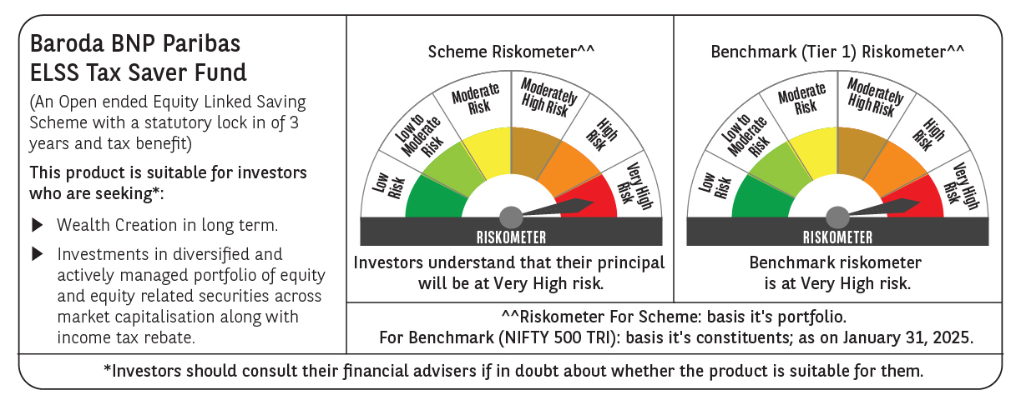
 | Baroda BNP Paribas ELSS Tax Saver Fund

 | Monthly Portfolio Statement as on January 31, 2025
 | Name of the Instrument | ISIN | Industry | Quantity | Market/Fair Value (Rs. in Lakhs) | % to Net Assets | YTM~ | YTC^ | null
 | Equity & Equity related
 | (a) Listed / awaiting listing on Stock Exchanges
HDFB03 | HDFC Bank Limited | INE040A01034 | Banks | 328,160 | 5,574.62 | 6.24%
IBCL05 | ICICI Bank Limited | INE090A01021 | Banks | 411,000 | 5,149.01 | 5.77%
INFS02 | Infosys Limited | INE009A01021 | IT - Software | 205,000 | 3,853.59 | 4.32%
RIND01 | Reliance Industries Limited | INE002A01018 | Petroleum Products | 284,200 | 3,595.41 | 4.03%
BTVL02 | Bharti Airtel Limited | INE397D01024 | Telecom - Services | 160,566 | 2,611.28 | 2.92%
SAGI01 | Sagility India Limited | INE0W2G01015 | IT - Services | 4,616,000 | 2,290.00 | 2.56%
LARS02 | Larsen & Toubro Limited | INE018A01030 | Construction | 64,020 | 2,283.85 | 2.56%
ZMPL01 | Zomato Limited | INE758T01015 | Retailing | 920,813 | 2,029.01 | 2.27%
JYCN01 | Jyoti CNC Automation Ltd | INE980O01024 | Industrial Manufacturing | 184,504 | 1,984.89 | 2.22%
ESMC02 | PB Fintech Limited | INE417T01026 | Financial Technology (Fintech) | 113,300 | 1,956.46 | 2.19%
SBAI02 | State Bank of India | INE062A01020 | Banks | 243,000 | 1,878.15 | 2.10%
LAKM02 | Trent Limited | INE849A01020 | Retailing | 31,214 | 1,795.80 | 2.01%
SPIL03 | Sun Pharmaceutical Industries Limited | INE044A01036 | Pharmaceuticals & Biotechnology | 101,500 | 1,770.11 | 1.98%
MAXI02 | Max Financial Services Limited | INE180A01020 | Insurance | 158,000 | 1,762.89 | 1.97%
PRRC03 | Navin Fluorine International Limited | INE048G01026 | Chemicals & Petrochemicals | 41,700 | 1,730.01 | 1.94%
MAUD01 | Maruti Suzuki India Limited | INE585B01010 | Automobiles | 14,000 | 1,723.49 | 1.93%
BEFS01 | Mrs. Bectors Food Specialities Limited | INE495P01012 | Food Products | 117,132 | 1,721.78 | 1.93%
DABU02 | Dabur India Limited | INE016A01026 | Personal Products | 320,000 | 1,695.52 | 1.90%
DIXO02 | Dixon Technologies (India) Limited | INE935N01020 | Consumer Durables | 11,200 | 1,678.43 | 1.88%
MAHI02 | Mahindra & Mahindra Limited | INE101A01026 | Automobiles | 55,500 | 1,659.37 | 1.86%
NTPC01 | NTPC Limited | INE733E01010 | Power | 490,000 | 1,587.60 | 1.78%
ABBP01 | Hitachi Energy India Limited | INE07Y701011 | Electrical Equipment | 12,267 | 1,577.97 | 1.77%
CHOL02 | Cholamandalam Investment and Finance Company Ltd | INE121A01024 | Finance | 120,500 | 1,549.45 | 1.74%
IHOT02 | The Indian Hotels Company Limited | INE053A01029 | Leisure Services | 200,000 | 1,529.40 | 1.71%
SAEL02 | TVS Motor Company Limited | INE494B01023 | Automobiles | 60,500 | 1,487.03 | 1.67%
BOCL01 | Linde India Limited | INE473A01011 | Chemicals & Petrochemicals | 23,225 | 1,455.71 | 1.63%
RACM01 | Rainbow Childrens Medicare Limited | INE961O01016 | Healthcare Services | 100,860 | 1,435.99 | 1.61%
ULCC01 | UltraTech Cement Limited | INE481G01011 | Cement & Cement Products | 12,500 | 1,435.93 | 1.61%
PHFP02 | PNB Housing Finance Limited | INE572E01012 | Finance | 163,000 | 1,431.47 | 1.60%
LTIL01 | LTIMindtree Limited | INE214T01019 | IT - Software | 23,700 | 1,401.65 | 1.57%
ADWI01 | Adani Wilmar Limited | INE699H01024 | Agricultural Food & other Products | 525,000 | 1,399.91 | 1.57%
TEGA01 | Tega Industries Limited | INE011K01018 | Industrial Manufacturing | 92,284 | 1,396.44 | 1.56%
ALLI02 | GE Vernova T&D India Limited | INE200A01026 | Electrical Equipment | 75,397 | 1,347.72 | 1.51%
CAMS01 | Computer Age Management Services Limited | INE596I01012 | Capital Markets | 37,000 | 1,333.30 | 1.49%
CONB01 | Concord Biotech Limited | INE338H01029 | Pharmaceuticals & Biotechnology | 61,800 | 1,331.57 | 1.49%
VNBL03 | Varun Beverages Limited | INE200M01039 | Beverages | 231,747 | 1,243.90 | 1.39%
KOMA02 | Kotak Mahindra Bank Limited | INE237A01028 | Banks | 65,000 | 1,235.85 | 1.38%
BSEL02 | BSE Limited | INE118H01025 | Capital Markets | 22,560 | 1,197.02 | 1.34%
NAYV01 | NLC India Limited | INE589A01014 | Power | 538,870 | 1,195.86 | 1.34%
IFEL01 | Oracle Financial Services Software Limited | INE881D01027 | IT - Software | 13,000 | 1,185.87 | 1.33%
DIVI02 | Divi's Laboratories Limited | INE361B01024 | Pharmaceuticals & Biotechnology | 20,000 | 1,115.54 | 1.25%
BKBA02 | Bank of Baroda | INE028A01039 | Banks | 500,000 | 1,066.95 | 1.19%
VGIL02 | V-Guard Industries Limited | INE951I01027 | Consumer Durables | 287,000 | 1,045.97 | 1.17%
BHAH02 | Bharat Heavy Electricals Limited | INE257A01026 | Electrical Equipment | 500,000 | 1,040.45 | 1.17%
HPEC01 | Hindustan Petroleum Corporation Limited | INE094A01015 | Petroleum Products | 286,300 | 1,025.67 | 1.15%
MASL02 | Mastek Limited | INE759A01021 | IT - Software | 36,000 | 933.59 | 1.05%
PFCL01 | Power Finance Corporation Limited | INE134E01011 | Finance | 211,500 | 893.59 | 1.00%
RAKH02 | Radico Khaitan Limited | INE944F01028 | Beverages | 40,000 | 871.36 | 0.98%
AMRA03 | Amara Raja Energy & Mobility Ltd | INE885A01032 | Auto Components | 64,850 | 670.97 | 0.75%
 | Sub Total |  |  |  | 85,167.40 | 95.38%
 | (b) Unlisted
SDSL01 | DSQ SOFTWARE # | INE286A01017 | Software | 2,500 | $0.00 | $0.00%
SHMM01 | TRANSTREAM INDIA COM LTD # | INE981A01013 | Miscellaneous | 1,000 | $0.00 | $0.00%
 | Sub Total |  |  |  | 0.00 | 0.00%
 | Total |  |  |  | 85,167.40 | 95.38%
 | Reverse Repo / TREPS
TRP_030225 | Clearing Corporation of India Ltd |  |  |  | 4,763.35 | 5.33% | 6.54%
 | Sub Total |  |  |  | 4,763.35 | 5.33%
 | Total |  |  |  | 4,763.35 | 5.33%
 | Net Receivables / (Payables) |  |  |  | (631.94) | (0.71)%
 | GRAND TOTAL |  |  |  | 89,298.81 | 100.00%

 | # Unlisted Security
 | $ Less Than 0.01% of Net Asset Value
 | ~ YTM as on January 31, 2025
 | ^ YTC represents Yield to Call provided by valuation agencies as on January 31, 2025. It is disclosed for Perpetual Bond issued by Banks (i.e. AT-1 Bond / Tier 1 Bond / Tier 2 Bond), as per AMFI Best Practices Guidelines Circular no. 135/BP/91/2020-21 read with SEBI circular No. SEBI/HO/IMD/DF4/CIR/P/2021/034 on Valuation of AT-1 Bonds and Tier 2 Bonds.

