Monthly Portfolio
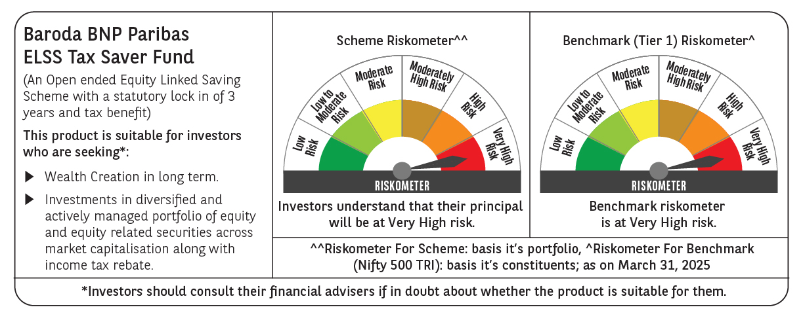
 | Baroda BNP Paribas ELSS Tax Saver Fund

 | Monthly Portfolio Statement as on March 31, 2025
 | Name of the Instrument | ISIN | Industry | Quantity | Market/Fair Value (Rs. in Lakhs) | % to Net Assets | YTM~ | YTC^ | null
 | Equity & Equity related
 | (a) Listed / awaiting listing on Stock Exchanges
HDFB03 | HDFC Bank Limited | INE040A01034 | Banks | 328,160 | 5,999.42 | 6.92%
IBCL05 | ICICI Bank Limited | INE090A01021 | Banks | 411,000 | 5,541.72 | 6.40%
RIND01 | Reliance Industries Limited | INE002A01018 | Petroleum Products | 284,200 | 3,623.83 | 4.18%
BTVL02 | Bharti Airtel Limited | INE397D01024 | Telecom - Services | 160,566 | 2,783.25 | 3.21%
INFS02 | Infosys Limited | INE009A01021 | IT - Software | 153,000 | 2,403.09 | 2.77%
KOMA02 | Kotak Mahindra Bank Limited | INE237A01028 | Banks | 104,000 | 2,258.05 | 2.61%
LARS02 | Larsen & Toubro Limited | INE018A01030 | Construction | 64,020 | 2,235.77 | 2.58%
CHOL02 | Cholamandalam Investment and Finance Company Ltd | INE121A01024 | Finance | 140,500 | 2,135.53 | 2.46%
SAGI01 | Sagility India Limited | INE0W2G01015 | IT - Services | 4,551,400 | 1,953.01 | 2.25%
SBAI02 | State Bank of India | INE062A01020 | Banks | 243,000 | 1,874.75 | 2.16%
NTPC01 | NTPC Limited | INE733E01010 | Power | 515,000 | 1,841.64 | 2.13%
MAXI02 | Max Financial Services Limited | INE180A01020 | Insurance | 158,000 | 1,813.37 | 2.09%
ABBP01 | Hitachi Energy India Limited | INE07Y701011 | Electrical Equipment | 14,266 | 1,805.17 | 2.08%
ESMC02 | PB Fintech Limited | INE417T01026 | Financial Technology (Fintech) | 113,300 | 1,801.19 | 2.08%
BOCL01 | Linde India Limited | INE473A01011 | Chemicals & Petrochemicals | 28,225 | 1,766.15 | 2.04%
SPIL03 | Sun Pharmaceutical Industries Limited | INE044A01036 | Pharmaceuticals & Biotechnology | 101,500 | 1,760.72 | 2.03%
PRRC03 | Navin Fluorine International Limited | INE048G01026 | Chemicals & Petrochemicals | 41,700 | 1,755.92 | 2.03%
BEFS01 | Mrs. Bectors Food Specialities Limited | INE495P01012 | Food Products | 117,132 | 1,711.77 | 1.98%
JYCN01 | Jyoti CNC Automation Ltd | INE980O01024 | Industrial Manufacturing | 159,701 | 1,690.51 | 1.95%
ZMPL01 | Zomato Limited | INE758T01015 | Retailing | 830,813 | 1,675.75 | 1.93%
LAKM02 | Trent Limited | INE849A01020 | Retailing | 31,214 | 1,662.19 | 1.92%
MAUD01 | Maruti Suzuki India Limited | INE585B01010 | Automobiles | 14,000 | 1,613.10 | 1.86%
IHOT02 | The Indian Hotels Company Limited | INE053A01029 | Leisure Services | 200,000 | 1,575.10 | 1.82%
HINI02 | Hindalco Industries Limited | INE038A01020 | Non - Ferrous Metals | 220,000 | 1,501.39 | 1.73%
MAHI02 | Mahindra & Mahindra Limited | INE101A01026 | Automobiles | 55,500 | 1,479.52 | 1.71%
KCUL02 | Cummins India Limited | INE298A01020 | Industrial Products | 48,300 | 1,474.04 | 1.70%
SAEL02 | TVS Motor Company Limited | INE494B01023 | Automobiles | 60,500 | 1,464.01 | 1.69%
RAKH02 | Radico Khaitan Limited | INE944F01028 | Beverages | 60,000 | 1,457.37 | 1.68%
ULCC01 | UltraTech Cement Limited | INE481G01011 | Cement & Cement Products | 12,500 | 1,438.69 | 1.66%
PHFP02 | PNB Housing Finance Limited | INE572E01012 | Finance | 163,000 | 1,436.85 | 1.66%
RACM01 | Rainbow Childrens Medicare Limited | INE961O01016 | Healthcare Services | 100,860 | 1,413.75 | 1.63%
VNBL03 | Varun Beverages Limited | INE200M01039 | Beverages | 254,747 | 1,374.74 | 1.59%
TEGA01 | Tega Industries Limited | INE011K01018 | Industrial Manufacturing | 92,284 | 1,361.83 | 1.57%
ADWI01 | Adani Wilmar Limited | INE699H01024 | Agricultural Food & other Products | 525,000 | 1,356.18 | 1.57%
NAYV01 | NLC India Limited | INE589A01014 | Power | 488,870 | 1,196.12 | 1.38%
DIXO02 | Dixon Technologies (India) Limited | INE935N01020 | Consumer Durables | 9,000 | 1,186.16 | 1.37%
ALLI02 | GE Vernova T&D India Limited | INE200A01026 | Electrical Equipment | 75,397 | 1,175.25 | 1.36%
CAMS01 | Computer Age Management Services Limited | INE596I01012 | Capital Markets | 31,500 | 1,172.86 | 1.35%
DIVI02 | Divi's Laboratories Limited | INE361B01024 | Pharmaceuticals & Biotechnology | 20,000 | 1,155.09 | 1.33%
BKBA02 | Bank of Baroda | INE028A01039 | Banks | 500,000 | 1,142.65 | 1.32%
PFCL01 | Power Finance Corporation Limited | INE134E01011 | Finance | 261,500 | 1,083.26 | 1.25%
BHAH02 | Bharat Heavy Electricals Limited | INE257A01026 | Electrical Equipment | 500,000 | 1,082.15 | 1.25%
LTIL01 | LTIMindtree Limited | INE214T01019 | IT - Software | 23,700 | 1,064.45 | 1.23%
CONB01 | Concord Biotech Limited | INE338H01029 | Pharmaceuticals & Biotechnology | 61,800 | 1,038.61 | 1.20%
IFEL01 | Oracle Financial Services Software Limited | INE881D01027 | IT - Software | 13,000 | 1,020.62 | 1.18%
APLI04 | Hexaware Technologies Limited | INE093A01041 | IT - Software | 120,345 | 843.32 | 0.97%
MASL02 | Mastek Limited | INE759A01021 | IT - Software | 36,000 | 785.21 | 0.91%
VGIL02 | V-Guard Industries Limited | INE951I01027 | Consumer Durables | 187,000 | 664.88 | 0.77%
AMRA03 | Amara Raja Energy & Mobility Ltd | INE885A01032 | Auto Components | 64,850 | 650.64 | 0.75%
 | Sub Total |  |  |  | 84,300.64 | 97.29%
 | (b) Unlisted
SDSL01 | DSQ SOFTWARE # | INE286A01017 | Software | 2,500 | $0.00 | $0.00%
SHMM01 | TRANSTREAM INDIA COM LTD # | INE981A01013 | Miscellaneous | 1,000 | $0.00 | $0.00%
 | Sub Total |  |  |  | 0.00 | 0.00%
 | Total |  |  |  | 84,300.64 | 97.29%
 | Reverse Repo / TREPS
TRP_020425 | Clearing Corporation of India Ltd |  |  |  | 3,087.35 | 3.56% | 6.68%
 | Sub Total |  |  |  | 3,087.35 | 3.56%
 | Total |  |  |  | 3,087.35 | 3.56%
 | Net Receivables / (Payables) |  |  |  | (751.54) | (0.85)%
 | GRAND TOTAL |  |  |  | 86,636.45 | 100.00%

 | # Unlisted Security
 | $ Less Than 0.01% of Net Asset Value
 | ~ YTM as on March 31, 2025
 | ^ YTC represents Yield to Call provided by valuation agencies as on March 31, 2025. It is disclosed for Perpetual Bond issued by Banks (i.e. AT-1 Bond / Tier 1 Bond / Tier 2 Bond), as per AMFI Best Practices Guidelines Circular no. 135/BP/91/2020-21 read with SEBI circular No. SEBI/HO/IMD/DF4/CIR/P/2021/034 on Valuation of AT-1 Bonds and Tier 2 Bonds.

