T0ME05
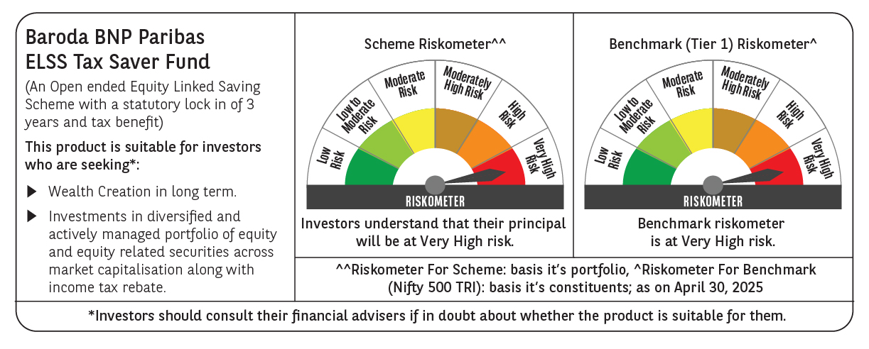
 | Baroda BNP Paribas ELSS Tax Saver Fund

 | Monthly Portfolio Statement as on April 30, 2025
 | Name of the Instrument | ISIN | Industry | Quantity | Market/Fair Value (Rs. in Lakhs) | % to Net Assets | YTM~ | YTC^ | null
 | Equity & Equity related
 | (a) Listed / awaiting listing on Stock Exchanges
HDFB03 | HDFC Bank Limited | INE040A01034 | Banks | 328,160 | 6,317.08 | 7.13%
IBCL05 | ICICI Bank Limited | INE090A01021 | Banks | 411,000 | 5,864.97 | 6.62%
RIND01 | Reliance Industries Limited | INE002A01018 | Petroleum Products | 284,200 | 3,993.01 | 4.50%
BTVL02 | Bharti Airtel Limited | INE397D01024 | Telecom - Services | 152,566 | 2,844.59 | 3.21%
INFS02 | Infosys Limited | INE009A01021 | IT - Software | 173,000 | 2,595.17 | 2.93%
KOMA02 | Kotak Mahindra Bank Limited | INE237A01028 | Banks | 104,000 | 2,296.42 | 2.59%
ABBP01 | Hitachi Energy India Limited | INE07Y701011 | Electrical Equipment | 14,266 | 2,072.71 | 2.34%
MAXI02 | Max Financial Services Limited | INE180A01020 | Insurance | 158,000 | 2,061.90 | 2.33%
SBAI02 | State Bank of India | INE062A01020 | Banks | 243,000 | 1,916.42 | 2.16%
SAGI01 | Sagility India Limited | INE0W2G01015 | IT - Services | 4,551,400 | 1,868.80 | 2.11%
SPIL03 | Sun Pharmaceutical Industries Limited | INE044A01036 | Pharmaceuticals & Biotechnology | 101,500 | 1,859.78 | 2.10%
ESMC02 | PB Fintech Limited | INE417T01026 | Financial Technology (Fintech) | 113,300 | 1,841.46 | 2.08%
ZMPL01 | Eternal Limited | INE758T01015 | Retailing | 790,813 | 1,838.80 | 2.07%
NTPC01 | NTPC Limited | INE733E01010 | Power | 515,000 | 1,825.93 | 2.06%
RAKH02 | Radico Khaitan Limited | INE944F01028 | Beverages | 73,000 | 1,792.66 | 2.02%
BOCL01 | Linde India Limited | INE473A01011 | Chemicals & Petrochemicals | 28,225 | 1,788.34 | 2.02%
BEFS01 | Mrs. Bectors Food Specialities Limited | INE495P01012 | Food Products | 117,132 | 1,745.62 | 1.97%
JYCN01 | Jyoti CNC Automation Ltd | INE980O01024 | Industrial Manufacturing | 159,701 | 1,719.34 | 1.94%
PRRC03 | Navin Fluorine International Limited | INE048G01026 | Chemicals & Petrochemicals | 37,500 | 1,695.60 | 1.91%
PHFP02 | PNB Housing Finance Limited | INE572E01012 | Finance | 163,000 | 1,646.63 | 1.86%
LARS02 | Larsen & Toubro Limited | INE018A01030 | Construction | 49,020 | 1,637.76 | 1.85%
MAHI02 | Mahindra & Mahindra Limited | INE101A01026 | Automobiles | 55,500 | 1,625.48 | 1.83%
SAEL02 | TVS Motor Company Limited | INE494B01023 | Automobiles | 60,500 | 1,616.56 | 1.82%
PFCL01 | Power Finance Corporation Limited | INE134E01011 | Finance | 395,675 | 1,611.98 | 1.82%
DIXO02 | Dixon Technologies (India) Limited | INE935N01020 | Consumer Durables | 9,000 | 1,480.68 | 1.67%
ULCC01 | UltraTech Cement Limited | INE481G01011 | Cement & Cement Products | 12,500 | 1,455.13 | 1.64%
LAKM02 | Trent Limited | INE849A01020 | Retailing | 28,114 | 1,454.20 | 1.64%
CHOL02 | Cholamandalam Investment and Finance Company Ltd | INE121A01024 | Finance | 95,500 | 1,425.05 | 1.61%
IHOT02 | The Indian Hotels Company Limited | INE053A01029 | Leisure Services | 180,000 | 1,417.86 | 1.60%
ADWI01 | AWL Agri Business Limited | INE699H01024 | Agricultural Food & other Products | 525,000 | 1,402.01 | 1.58%
KCUL02 | Cummins India Limited | INE298A01020 | Industrial Products | 48,300 | 1,398.48 | 1.58%
RACM01 | Rainbow Childrens Medicare Limited | INE961O01016 | Healthcare Services | 100,860 | 1,393.58 | 1.57%
HINI02 | Hindalco Industries Limited | INE038A01020 | Non - Ferrous Metals | 220,000 | 1,374.23 | 1.55%
VNBL03 | Varun Beverages Limited | INE200M01039 | Beverages | 254,747 | 1,330.67 | 1.50%
BKBA02 | Bank of Baroda | INE028A01039 | Banks | 500,000 | 1,249.65 | 1.41%
TEGA01 | Tega Industries Limited | INE011K01018 | Industrial Manufacturing | 92,284 | 1,247.31 | 1.41%
CAMS01 | Computer Age Management Services Limited | INE596I01012 | Capital Markets | 31,500 | 1,230.48 | 1.39%
DIVI02 | Divi's Laboratories Limited | INE361B01024 | Pharmaceuticals & Biotechnology | 20,000 | 1,217.40 | 1.37%
BHAH02 | Bharat Heavy Electricals Limited | INE257A01026 | Electrical Equipment | 500,000 | 1,134.20 | 1.28%
IFEL01 | Oracle Financial Services Software Limited | INE881D01027 | IT - Software | 13,000 | 1,133.80 | 1.28%
NAYV01 | NLC India Limited | INE589A01014 | Power | 488,870 | 1,112.57 | 1.26%
LTIL01 | LTIMindtree Limited | INE214T01019 | IT - Software | 23,700 | 1,087.00 | 1.23%
CONB01 | Concord Biotech Limited | INE338H01029 | Pharmaceuticals & Biotechnology | 61,800 | 938.49 | 1.06%
MAUD01 | Maruti Suzuki India Limited | INE585B01010 | Automobiles | 7,000 | 857.99 | 0.97%
APLI04 | Hexaware Technologies Limited | INE093A01041 | IT - Software | 120,345 | 841.81 | 0.95%
VGIL02 | V-Guard Industries Limited | INE951I01027 | Consumer Durables | 187,000 | 674.42 | 0.76%
 | Sub Total |  |  |  | 82,934.02 | 93.58%
 | (b) Unlisted
SDSL01 | DSQ SOFTWARE # | INE286A01017 | Software | 2,500 | $0.00 | $0.00%
SHMM01 | TRANSTREAM INDIA COM LTD # | INE981A01013 | Miscellaneous | 1,000 | $0.00 | $0.00%
 | Sub Total |  |  |  | 0.00 | 0.00%
 | Total |  |  |  | 82,934.02 | 93.58%
 | Reverse Repo / TREPS
TRP_020525 | Clearing Corporation of India Ltd |  |  |  | 5,874.31 | 6.63% | 5.94%
 | Sub Total |  |  |  | 5,874.31 | 6.63%
 | Total |  |  |  | 5,874.31 | 6.63%
 | Net Receivables / (Payables) |  |  |  | (161.50) | (0.21)%
 | GRAND TOTAL |  |  |  | 88,646.83 | 100.00%

 | # Unlisted Security
 | $ Less Than 0.01% of Net Asset Value
 | ~ YTM as on April 30, 2025
 | ^ YTC represents Yield to Call provided by valuation agencies as on April 30, 2025. It is disclosed for Perpetual Bond issued by Banks (i.e. AT-1 Bond / Tier 1 Bond / Tier 2 Bond), as per AMFI Best Practices Guidelines Circular no. 135/BP/91/2020-21 read with SEBI circular No. SEBI/HO/IMD/DF4/CIR/P/2021/034 on Valuation of AT-1 Bonds and Tier 2 Bonds.

