T0ME05
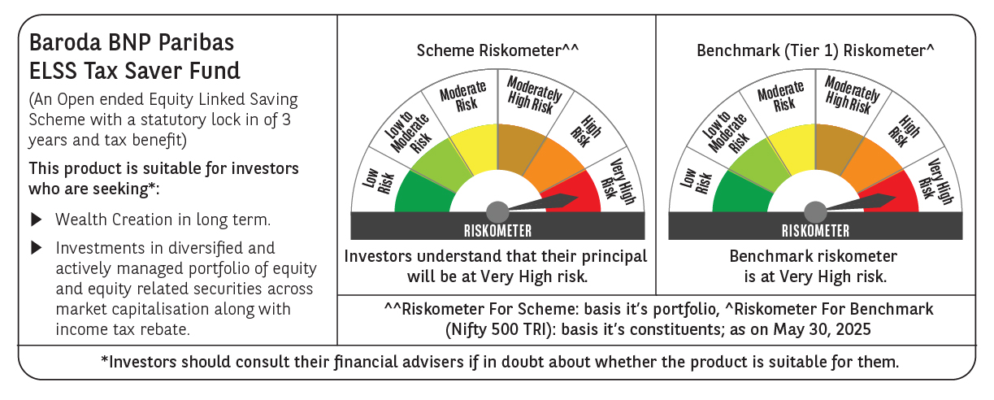
 | Baroda BNP Paribas ELSS Tax Saver Fund

 | Monthly Portfolio Statement as on May 31, 2025
 | Name of the Instrument | ISIN | Industry | Quantity | Market/Fair Value (Rs. in Lakhs) | % to Net Assets | YTM~ | YTC^ | null
 | Equity & Equity related
 | (a) Listed / awaiting listing on Stock Exchanges
HDFB03 | HDFC Bank Limited | INE040A01034 | Banks | 328,160 | 6,382.38 | 7.00%
IBCL05 | ICICI Bank Limited | INE090A01021 | Banks | 411,000 | 5,942.24 | 6.51%
RIND01 | Reliance Industries Limited | INE002A01018 | Petroleum Products | 284,200 | 4,038.20 | 4.43%
BTVL02 | Bharti Airtel Limited | INE397D01024 | Telecom - Services | 152,566 | 2,831.93 | 3.10%
INFS02 | Infosys Limited | INE009A01021 | IT - Software | 173,000 | 2,703.47 | 2.96%
ABBP01 | Hitachi Energy India Limited | INE07Y701011 | Electrical Equipment | 13,566 | 2,617.97 | 2.87%
MAXI02 | Max Financial Services Limited | INE180A01020 | Insurance | 143,000 | 2,148.86 | 2.36%
BOCL01 | Linde India Limited | INE473A01011 | Chemicals & Petrochemicals | 28,225 | 2,118.43 | 2.32%
ESMC02 | PB Fintech Limited | INE417T01026 | Financial Technology (Fintech) | 113,300 | 1,995.89 | 2.19%
SBAI02 | State Bank of India | INE062A01020 | Banks | 243,000 | 1,973.89 | 2.16%
ZMPL01 | Eternal Limited | INE758T01015 | Retailing | 790,813 | 1,884.59 | 2.07%
JYCN01 | Jyoti CNC Automation Ltd | INE980O01024 | Industrial Manufacturing | 143,701 | 1,861.79 | 2.04%
RAKH02 | Radico Khaitan Limited | INE944F01028 | Beverages | 73,000 | 1,848.94 | 2.03%
LARS02 | Larsen & Toubro Limited | INE018A01030 | Construction | 49,020 | 1,801.53 | 1.98%
SAGI01 | Sagility India Limited | INE0W2G01015 | IT - Services | 4,551,400 | 1,799.17 | 1.97%
NTPC01 | NTPC Limited | INE733E01010 | Power | 515,000 | 1,719.59 | 1.89%
BEFS01 | Mrs. Bectors Food Specialities Limited | INE495P01012 | Food Products | 117,132 | 1,709.07 | 1.87%
PHFP02 | PNB Housing Finance Limited | INE572E01012 | Finance | 163,000 | 1,703.19 | 1.87%
SPIL03 | Sun Pharmaceutical Industries Limited | INE044A01036 | Pharmaceuticals & Biotechnology | 101,500 | 1,702.76 | 1.87%
SAEL02 | TVS Motor Company Limited | INE494B01023 | Automobiles | 60,500 | 1,682.38 | 1.84%
KOMA02 | Kotak Mahindra Bank Limited | INE237A01028 | Banks | 79,000 | 1,639.01 | 1.80%
LAKM02 | Trent Limited | INE849A01020 | Retailing | 28,114 | 1,586.61 | 1.74%
KCUL02 | Cummins India Limited | INE298A01020 | Industrial Products | 48,300 | 1,578.49 | 1.73%
CHOL02 | Cholamandalam Investment and Finance Company Ltd | INE121A01024 | Finance | 95,500 | 1,528.96 | 1.68%
TEGA01 | Tega Industries Limited | INE011K01018 | Industrial Manufacturing | 92,284 | 1,522.69 | 1.67%
PFCL01 | Power Finance Corporation Limited | INE134E01011 | Finance | 368,906 | 1,497.57 | 1.64%
MAHI02 | Mahindra & Mahindra Limited | INE101A01026 | Automobiles | 50,000 | 1,488.40 | 1.63%
RACM01 | Rainbow Childrens Medicare Limited | INE961O01016 | Healthcare Services | 100,860 | 1,414.56 | 1.55%
ULCC01 | UltraTech Cement Limited | INE481G01011 | Cement & Cement Products | 12,500 | 1,401.25 | 1.54%
HINI02 | Hindalco Industries Limited | INE038A01020 | Non - Ferrous Metals | 220,000 | 1,393.70 | 1.53%
IHOT02 | The Indian Hotels Company Limited | INE053A01029 | Leisure Services | 180,000 | 1,385.73 | 1.52%
PRRC03 | Navin Fluorine International Limited | INE048G01026 | Chemicals & Petrochemicals | 31,900 | 1,359.32 | 1.49%
BHAH02 | Bharat Heavy Electricals Limited | INE257A01026 | Electrical Equipment | 500,000 | 1,299.15 | 1.42%
TEMA02 | Tech Mahindra Limited | INE669C01036 | IT - Software | 80,000 | 1,259.12 | 1.38%
BKBA02 | Bank of Baroda | INE028A01039 | Banks | 500,000 | 1,247.75 | 1.37%
CAMS01 | Computer Age Management Services Limited | INE596I01012 | Capital Markets | 31,500 | 1,247.75 | 1.37%
VNBL03 | Varun Beverages Limited | INE200M01039 | Beverages | 254,747 | 1,212.47 | 1.33%
LTIL01 | LTIMindtree Limited | INE214T01019 | IT - Software | 23,700 | 1,201.33 | 1.32%
UTIB02 | Axis Bank Limited | INE238A01034 | Banks | 100,000 | 1,192.20 | 1.31%
DIVI02 | Divi's Laboratories Limited | INE361B01024 | Pharmaceuticals & Biotechnology | 18,000 | 1,190.16 | 1.30%
NAYV01 | NLC India Limited | INE589A01014 | Power | 488,870 | 1,181.70 | 1.30%
DIXO02 | Dixon Technologies (India) Limited | INE935N01020 | Consumer Durables | 7,500 | 1,101.90 | 1.21%
CONB01 | Concord Biotech Limited | INE338H01029 | Pharmaceuticals & Biotechnology | 61,800 | 1,080.57 | 1.18%
APLI04 | Hexaware Technologies Limited | INE093A01041 | IT - Software | 120,345 | 1,031.96 | 1.13%
TWAT02 | Titan Company Limited | INE280A01028 | Consumer Durables | 25,000 | 888.75 | 0.97%
MAUD01 | Maruti Suzuki India Limited | INE585B01010 | Automobiles | 7,000 | 862.33 | 0.95%
VGIL02 | V-Guard Industries Limited | INE951I01027 | Consumer Durables | 187,000 | 709.38 | 0.78%
 | Sub Total |  |  |  | 84,969.08 | 93.17%
 | (b) Unlisted
SDSL01 | DSQ SOFTWARE # | INE286A01017 | Software | 2,500 | $0.00 | $0.00%
SHMM01 | TRANSTREAM INDIA COM LTD # | INE981A01013 | Miscellaneous | 1,000 | $0.00 | $0.00%
 | Sub Total |  |  |  | 0.00 | 0.00%
 | Total |  |  |  | 84,969.08 | 93.17%
 | Reverse Repo / TREPS
TRP_020625 | Clearing Corporation of India Ltd |  |  |  | 6,252.88 | 6.86% | 5.77%
 | Sub Total |  |  |  | 6,252.88 | 6.86%
 | Total |  |  |  | 6,252.88 | 6.86%
 | Net Receivables / (Payables) |  |  |  | (11.73) | (0.03)%
 | GRAND TOTAL |  |  |  | 91,210.23 | 100.00%

 | # Unlisted Security
 | $ Less Than 0.01% of Net Asset Value
 | ~ YTM as on May 31, 2025
 | ^ YTC represents Yield to Call provided by valuation agencies as on May 31, 2025. It is disclosed for Perpetual Bond issued by Banks (i.e. AT-1 Bond / Tier 1 Bond / Tier 2 Bond), as per AMFI Best Practices Guidelines Circular no. 135/BP/91/2020-21 read with SEBI circular No. SEBI/HO/IMD/DF4/CIR/P/2021/034 on Valuation of AT-1 Bonds and Tier 2 Bonds.

