T0ME05
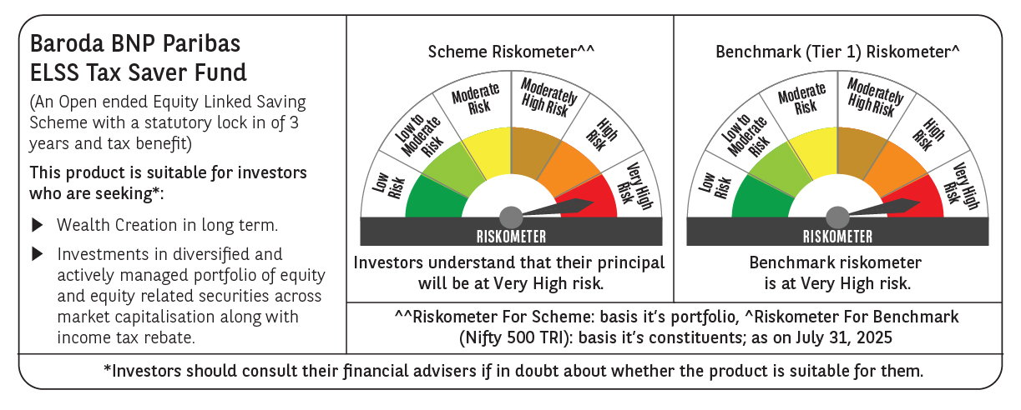
 | Baroda BNP Paribas ELSS Tax Saver Fund

 | Monthly Portfolio Statement as on July 31, 2025
 | Name of the Instrument | ISIN | Industry | Quantity | Market/Fair Value (Rs. in Lakhs) | % to Net Assets | YTM~ | YTC^ | null
 | Equity & Equity related
 | (a) Listed / awaiting listing on Stock Exchanges
HDFB03 | HDFC Bank Limited | INE040A01034 | Banks | 328,160 | 6,622.93 | 7.27%
IBCL05 | ICICI Bank Limited | INE090A01021 | Banks | 411,000 | 6,088.55 | 6.68%
RIND01 | Reliance Industries Limited | INE002A01018 | Petroleum Products | 255,800 | 3,556.13 | 3.90%
BTVL02 | Bharti Airtel Limited | INE397D01024 | Telecom - Services | 144,966 | 2,775.08 | 3.05%
INFS02 | Infosys Limited | INE009A01021 | IT - Software | 173,000 | 2,610.57 | 2.87%
ZMPL01 | Eternal Limited | INE758T01015 | Retailing | 790,813 | 2,434.12 | 2.67%
ABBP01 | Hitachi Energy India Limited | INE07Y701011 | Electrical Equipment | 10,866 | 2,183.52 | 2.40%
SAGI01 | Sagility India Limited | INE0W2G01015 | IT - Services | 4,551,400 | 2,121.86 | 2.33%
ESMC02 | PB Fintech Limited | INE417T01026 | Financial Technology (Fintech) | 113,300 | 2,053.11 | 2.25%
RAKH02 | Radico Khaitan Limited | INE944F01028 | Beverages | 73,000 | 1,996.19 | 2.19%
SBAI02 | State Bank of India | INE062A01020 | Banks | 243,000 | 1,935.62 | 2.12%
BOCL01 | Linde India Limited | INE473A01011 | Chemicals & Petrochemicals | 28,225 | 1,855.37 | 2.04%
PHFP02 | PNB Housing Finance Limited | INE572E01012 | Finance | 187,500 | 1,849.13 | 2.03%
MAXI02 | Max Financial Services Limited | INE180A01020 | Insurance | 121,000 | 1,816.69 | 1.99%
LARS02 | Larsen & Toubro Limited | INE018A01030 | Construction | 49,020 | 1,782.61 | 1.96%
BEFS01 | Mrs. Bectors Food Specialities Limited | INE495P01012 | Food Products | 117,132 | 1,770.22 | 1.94%
SPIL03 | Sun Pharmaceutical Industries Limited | INE044A01036 | Pharmaceuticals & Biotechnology | 101,500 | 1,732.30 | 1.90%
NTPC01 | NTPC Limited | INE733E01010 | Power | 515,000 | 1,721.39 | 1.89%
KCUL02 | Cummins India Limited | INE298A01020 | Industrial Products | 48,300 | 1,717.31 | 1.88%
SAEL02 | TVS Motor Company Limited | INE494B01023 | Automobiles | 60,500 | 1,695.09 | 1.86%
TEGA01 | Tega Industries Limited | INE011K01018 | Industrial Manufacturing | 87,684 | 1,671.26 | 1.83%
PRRC03 | Navin Fluorine International Limited | INE048G01026 | Chemicals & Petrochemicals | 31,900 | 1,610.25 | 1.77%
MAHI02 | Mahindra & Mahindra Limited | INE101A01026 | Automobiles | 50,000 | 1,601.55 | 1.76%
KOMA02 | Kotak Mahindra Bank Limited | INE237A01028 | Banks | 79,000 | 1,563.09 | 1.72%
RACM01 | Rainbow Childrens Medicare Limited | INE961O01016 | Healthcare Services | 100,860 | 1,537.51 | 1.69%
ULCC01 | UltraTech Cement Limited | INE481G01011 | Cement & Cement Products | 12,500 | 1,531.13 | 1.68%
HINI02 | Hindalco Industries Limited | INE038A01020 | Non - Ferrous Metals | 220,000 | 1,502.71 | 1.65%
BRIT03 | Britannia Industries Limited | INE216A01030 | Food Products | 26,000 | 1,500.46 | 1.65%
VMML01 | Vishal Mega Mart Limited | INE01EA01019 | Retailing | 1,026,667 | 1,432.61 | 1.57%
LAKM02 | Trent Limited | INE849A01020 | Retailing | 28,114 | 1,410.76 | 1.55%
TEMA02 | Tech Mahindra Limited | INE669C01036 | IT - Software | 95,000 | 1,390.52 | 1.53%
CHOL02 | Cholamandalam Investment and Finance Company Ltd | INE121A01024 | Finance | 95,500 | 1,378.26 | 1.51%
IHOT02 | The Indian Hotels Company Limited | INE053A01029 | Leisure Services | 180,000 | 1,333.35 | 1.46%
LTIL01 | LTIMindtree Limited | INE214T01019 | IT - Software | 23,700 | 1,210.12 | 1.33%
TRFO01 | Travel Food Services Limited | INE103V01028 | Leisure Services | 115,000 | 1,202.67 | 1.32%
BHAH02 | Bharat Heavy Electricals Limited | INE257A01026 | Electrical Equipment | 500,000 | 1,192.25 | 1.31%
BKBA02 | Bank of Baroda | INE028A01039 | Banks | 500,000 | 1,189.35 | 1.31%
DIVI02 | Divi's Laboratories Limited | INE361B01024 | Pharmaceuticals & Biotechnology | 18,000 | 1,187.19 | 1.30%
NAYV01 | NLC India Limited | INE589A01014 | Power | 488,870 | 1,184.29 | 1.30%
CAMS01 | Computer Age Management Services Limited | INE596I01012 | Capital Markets | 31,500 | 1,177.09 | 1.29%
TWAT02 | Titan Company Limited | INE280A01028 | Consumer Durables | 35,000 | 1,171.56 | 1.29%
ABFS01 | Aditya Birla Capital Limited | INE674K01013 | Finance | 450,000 | 1,154.93 | 1.27%
APLI04 | Hexaware Technologies Limited | INE093A01041 | IT - Software | 162,345 | 1,142.91 | 1.25%
ONCO02 | One 97 Communications Limited | INE982J01020 | Financial Technology (Fintech) | 100,000 | 1,089.35 | 1.20%
UTIB02 | Axis Bank Limited | INE238A01034 | Banks | 100,000 | 1,068.40 | 1.17%
CONB01 | Concord Biotech Limited | INE338H01029 | Pharmaceuticals & Biotechnology | 58,700 | 1,037.41 | 1.14%
INAV01 | InterGlobe Aviation Limited | INE646L01027 | Transport Services | 16,500 | 975.23 | 1.07%
JYCN01 | Jyoti CNC Automation Ltd | INE980O01024 | Industrial Manufacturing | 94,413 | 963.01 | 1.06%
AFPL02 | AU Small Finance Bank Limited | INE949L01017 | Banks | 117,000 | 867.56 | 0.95%
 | Sub Total |  |  |  | 87,594.57 | 96.15%
 | (b) Unlisted
SDSL01 | DSQ SOFTWARE # | INE286A01017 | Software | 2,500 | $0.00 | 0.00%
SHMM01 | TRANSTREAM INDIA COM LTD # | INE981A01013 | Miscellaneous | 1,000 | $0.00 | 0.00%
 | Sub Total |  |  |  | 0.00 | 0.00%
 | Total |  |  |  | 87,594.57 | 96.15%
 | Reverse Repo / TREPS
TRP_010825 | Clearing Corporation of India Ltd |  |  |  | 3,480.57 | 3.82% | 5.42%
 | Sub Total |  |  |  | 3,480.57 | 3.82%
 | Total |  |  |  | 3,480.57 | 3.82%
 | Net Receivables / (Payables) |  |  |  | 39.57 | 0.03%
 | GRAND TOTAL |  |  |  | 91,114.71 | 100.00%

 | # Unlisted Security
 | $ Less Than 0.01% of Net Asset Value
 | ~ YTM as on July 31, 2025
 | ^ YTC represents Yield to Call provided by valuation agencies as on July 31, 2025. It is disclosed for Perpetual Bond issued by Banks (i.e. AT-1 Bond / Tier 1 Bond / Tier 2 Bond), as per AMFI Best Practices Guidelines Circular no. 135/BP/91/2020-21 read with SEBI circular No. SEBI/HO/IMD/DF4/CIR/P/2021/034 on Valuation of AT-1 Bonds and Tier 2 Bonds.

