T0ME05
 | Baroda BNP Paribas ELSS Tax Saver Fund

 | Monthly Portfolio Statement as on August 31, 2025
 | Name of the Instrument | ISIN | Industry | Quantity | Market/Fair Value (Rs. in Lakhs) | % to Net Assets | YTM~ | YTC^ | null
 | Equity & Equity related
 | (a) Listed / awaiting listing on Stock Exchanges
HDFB03 | HDFC Bank Limited | INE040A01034 | Banks | 656,320 | 6,245.54 | 6.96%
IBCL05 | ICICI Bank Limited | INE090A01021 | Banks | 411,000 | 5,744.96 | 6.40%
RIND01 | Reliance Industries Limited | INE002A01018 | Petroleum Products | 255,800 | 3,471.72 | 3.87%
BTVL02 | Bharti Airtel Limited | INE397D01024 | Telecom - Services | 144,966 | 2,738.12 | 3.05%
INFS02 | Infosys Limited | INE009A01021 | IT - Software | 173,000 | 2,542.41 | 2.83%
ZMPL01 | Eternal Limited | INE758T01015 | Retailing | 790,813 | 2,482.76 | 2.77%
LARS02 | Larsen & Toubro Limited | INE018A01030 | Construction | 62,520 | 2,251.35 | 2.51%
SBAI02 | State Bank of India | INE062A01020 | Banks | 278,000 | 2,230.95 | 2.49%
RAKH02 | Radico Khaitan Limited | INE944F01028 | Beverages | 73,000 | 2,082.33 | 2.32%
ABBP01 | Hitachi Energy India Limited | INE07Y701011 | Electrical Equipment | 10,866 | 2,076.49 | 2.31%
ESMC02 | PB Fintech Limited | INE417T01026 | Financial Technology (Fintech) | 113,300 | 2,006.32 | 2.24%
SAGI01 | Sagility India Limited | INE0W2G01015 | IT - Services | 4,551,400 | 1,996.70 | 2.23%
TEMA02 | Tech Mahindra Limited | INE669C01036 | IT - Software | 134,100 | 1,986.56 | 2.21%
SAEL02 | TVS Motor Company Limited | INE494B01023 | Automobiles | 60,500 | 1,982.34 | 2.21%
MAXI02 | Max Financial Services Limited | INE180A01020 | Insurance | 121,000 | 1,938.66 | 2.16%
TRFO01 | Travel Food Services Limited | INE103V01028 | Leisure Services | 147,883 | 1,852.23 | 2.06%
KCUL02 | Cummins India Limited | INE298A01020 | Industrial Products | 48,300 | 1,848.05 | 2.06%
BOCL01 | Linde India Limited | INE473A01011 | Chemicals & Petrochemicals | 28,225 | 1,800.33 | 2.01%
NTPC01 | NTPC Limited | INE733E01010 | Power | 515,000 | 1,686.88 | 1.88%
TEGA01 | Tega Industries Limited | INE011K01018 | Industrial Manufacturing | 87,684 | 1,619.44 | 1.81%
SPIL03 | Sun Pharmaceutical Industries Limited | INE044A01036 | Pharmaceuticals & Biotechnology | 101,500 | 1,618.42 | 1.80%
MAHI02 | Mahindra & Mahindra Limited | INE101A01026 | Automobiles | 50,000 | 1,599.75 | 1.78%
ULCC01 | UltraTech Cement Limited | INE481G01011 | Cement & Cement Products | 12,500 | 1,580.00 | 1.76%
HINI02 | Hindalco Industries Limited | INE038A01020 | Non - Ferrous Metals | 220,000 | 1,548.69 | 1.73%
KOMA02 | Kotak Mahindra Bank Limited | INE237A01028 | Banks | 79,000 | 1,548.64 | 1.73%
VMML01 | Vishal Mega Mart Limited | INE01EA01019 | Retailing | 1,026,667 | 1,533.94 | 1.71%
RACM01 | Rainbow Childrens Medicare Limited | INE961O01016 | Healthcare Services | 100,860 | 1,515.02 | 1.69%
BRIT03 | Britannia Industries Limited | INE216A01030 | Food Products | 26,000 | 1,514.24 | 1.69%
INAV01 | InterGlobe Aviation Limited | INE646L01027 | Transport Services | 26,500 | 1,496.19 | 1.67%
PRRC03 | Navin Fluorine International Limited | INE048G01026 | Chemicals & Petrochemicals | 31,900 | 1,495.31 | 1.67%
LAKM02 | Trent Limited | INE849A01020 | Retailing | 28,114 | 1,489.48 | 1.66%
IHOT02 | The Indian Hotels Company Limited | INE053A01029 | Leisure Services | 180,000 | 1,365.21 | 1.52%
CHOL02 | Cholamandalam Investment and Finance Company Ltd | INE121A01024 | Finance | 95,500 | 1,356.77 | 1.51%
TWAT02 | Titan Company Limited | INE280A01028 | Consumer Durables | 35,000 | 1,270.08 | 1.42%
RCAM01 | Nippon Life India Asset Management Limited | INE298J01013 | Capital Markets | 160,000 | 1,255.60 | 1.40%
ABFS01 | Aditya Birla Capital Limited | INE674K01013 | Finance | 450,000 | 1,250.33 | 1.39%
APLI04 | Hexaware Technologies Limited | INE093A01041 | IT - Software | 162,345 | 1,230.17 | 1.37%
LTIL01 | LTIMindtree Limited | INE214T01019 | IT - Software | 23,700 | 1,216.64 | 1.36%
ONCO02 | One 97 Communications Limited | INE982J01020 | Financial Technology (Fintech) | 100,000 | 1,207.00 | 1.35%
CAMS01 | Computer Age Management Services Limited | INE596I01012 | Capital Markets | 31,500 | 1,167.14 | 1.30%
DIVI02 | Divi's Laboratories Limited | INE361B01024 | Pharmaceuticals & Biotechnology | 18,000 | 1,103.67 | 1.23%
NAYV01 | NLC India Limited | INE589A01014 | Power | 488,870 | 1,100.69 | 1.23%
BEFS01 | Mrs. Bectors Food Specialities Limited | INE495P01012 | Food Products | 79,079 | 1,091.21 | 1.22%
UTIB02 | Axis Bank Limited | INE238A01034 | Banks | 100,000 | 1,045.20 | 1.17%
BHAH02 | Bharat Heavy Electricals Limited | INE257A01026 | Electrical Equipment | 500,000 | 1,040.05 | 1.16%
CONB01 | Concord Biotech Limited | INE338H01029 | Pharmaceuticals & Biotechnology | 58,700 | 987.16 | 1.10%
AFPL02 | AU Small Finance Bank Limited | INE949L01017 | Banks | 117,000 | 840.12 | 0.94%
PUBA02 | Punjab National Bank | INE160A01022 | Banks | 784,330 | 791.23 | 0.88%
 | Sub Total |  |  |  | 86,842.09 | 96.82%
 | (b) Unlisted
SDSL01 | DSQ SOFTWARE # | INE286A01017 | Software | 2,500 | $0.00 | 0.00%
SHMM01 | TRANSTREAM INDIA COM LTD # | INE981A01013 | Miscellaneous | 1,000 | $0.00 | 0.00%
 | Sub Total |  |  |  | 0.00 | 0.00%

SAEL21PS | TVS Motor Company Limited (Preference Share) ** |  | Automobiles | 242,000 | 24.20 | 0.03%
 | Sub Total |  |  |  | 24.20 | 0.03%
 | Total |  |  |  | 86,866.29 | 96.85%
 | Reverse Repo / TREPS
TRP_010925 | Clearing Corporation of India Ltd |  |  |  | 2,935.26 | 3.27% | 5.39%
 | Sub Total |  |  |  | 2,935.26 | 3.27%
 | Total |  |  |  | 2,935.26 | 3.27%
 | Net Receivables / (Payables) |  |  |  | (89.12) | (0.12)%
 | GRAND TOTAL |  |  |  | 89,712.43 | 100.00%

 | ** Thinly Traded / Non Traded Security
 | # Unlisted Security
 | $ Less Than 0.01% of Net Asset Value
 | ~ YTM as on August 31, 2025
 | ^ YTC represents Yield to Call provided by valuation agencies as on August 31, 2025. It is disclosed for Perpetual Bond issued by Banks (i.e. AT-1 Bond / Tier 1 Bond / Tier 2 Bond), as per AMFI Best Practices Guidelines Circular no. 135/BP/91/2020-21 read with SEBI circular No. SEBI/HO/IMD/DF4/CIR/P/2021/034 on Valuation of AT-1 Bonds and Tier 2 Bonds.

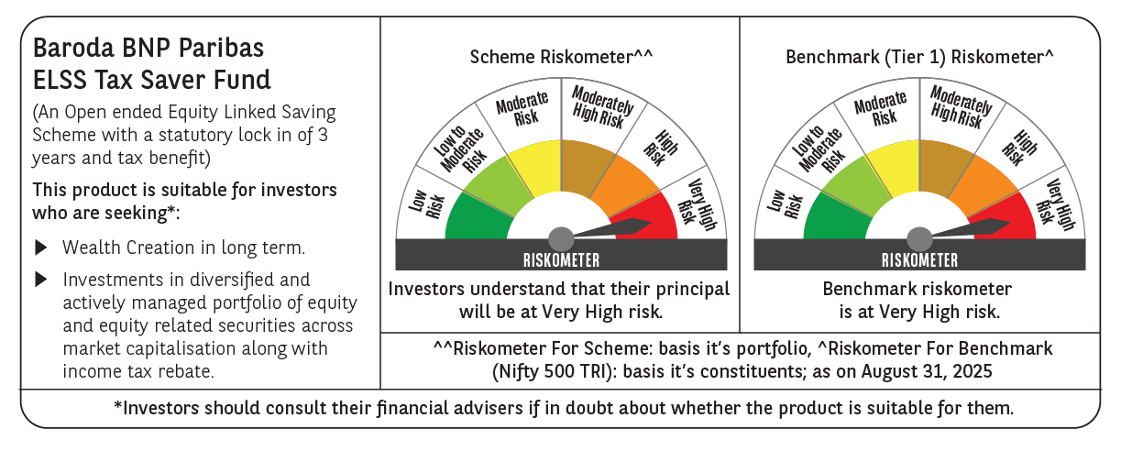

 | Monthly Performance Link: https://www.barodabnpparibasmf.in/assets/download_documents/Performance_of_Schemes_14126.pdf

