T0ME05
 | Baroda BNP Paribas ELSS Tax Saver Fund

 | Monthly Portfolio Statement as on October 31, 2025
 | Name of the Instrument | ISIN | Industry | Quantity | Market/Fair Value (Rs. in Lakhs) | % to Net Assets | YTM~ | YTC^ | null
 | Equity & Equity related
 | (a) Listed / awaiting listing on Stock Exchanges
HDFB03 | HDFC Bank Limited | INE040A01034 | Banks | 656,320 | 6,479.85 | 6.93%
IBCL05 | ICICI Bank Limited | INE090A01021 | Banks | 329,900 | 4,438.14 | 4.75%
RIND01 | Reliance Industries Limited | INE002A01018 | Petroleum Products | 255,800 | 3,802.21 | 4.07%
BTVL02 | Bharti Airtel Limited | INE397D01024 | Telecom - Services | 144,966 | 2,978.33 | 3.19%
SBAI02 | State Bank of India | INE062A01020 | Banks | 278,000 | 2,604.86 | 2.79%
INFS02 | Infosys Limited | INE009A01021 | IT - Software | 173,000 | 2,564.38 | 2.74%
LARS02 | Larsen & Toubro Limited | INE018A01030 | Construction | 62,520 | 2,520.12 | 2.70%
ZMPL01 | Eternal Limited | INE758T01015 | Retailing | 790,813 | 2,512.81 | 2.69%
SAGI01 | Sagility India Limited | INE0W2G01015 | IT - Services | 4,551,400 | 2,391.31 | 2.56%
RAKH02 | Radico Khaitan Limited | INE944F01028 | Beverages | 73,000 | 2,286.00 | 2.45%
BHAH02 | Bharat Heavy Electricals Limited | INE257A01026 | Electrical Equipment | 821,380 | 2,180.68 | 2.33%
SAEL02 | TVS Motor Company Limited | INE494B01023 | Automobiles | 60,500 | 2,122.76 | 2.27%
KCUL02 | Cummins India Limited | INE298A01020 | Industrial Products | 48,300 | 2,098.20 | 2.25%
ESMC02 | PB Fintech Limited | INE417T01026 | Financial Technology (Fintech) | 113,300 | 2,022.86 | 2.16%
PRRC03 | Navin Fluorine International Limited | INE048G01026 | Chemicals & Petrochemicals | 35,100 | 1,996.28 | 2.14%
TRFO01 | Travel Food Services Limited | INE103V01028 | Leisure Services | 147,883 | 1,949.84 | 2.09%
ABBP01 | Hitachi Energy India Limited | INE07Y701011 | Electrical Equipment | 10,866 | 1,931.76 | 2.07%
TEMA02 | Tech Mahindra Limited | INE669C01036 | IT - Software | 134,100 | 1,910.12 | 2.04%
KOMA02 | Kotak Mahindra Bank Limited | INE237A01028 | Banks | 90,000 | 1,891.98 | 2.02%
MAXI02 | Max Financial Services Limited | INE180A01020 | Insurance | 121,000 | 1,871.27 | 2.00%
HINI02 | Hindalco Industries Limited | INE038A01020 | Non - Ferrous Metals | 220,000 | 1,865.27 | 2.00%
BRIT03 | Britannia Industries Limited | INE216A01030 | Food Products | 30,150 | 1,759.70 | 1.88%
MAHI02 | Mahindra & Mahindra Limited | INE101A01026 | Automobiles | 50,000 | 1,743.60 | 1.87%
NTPC01 | NTPC Limited | INE733E01010 | Power | 515,000 | 1,735.29 | 1.86%
SPIL03 | Sun Pharmaceutical Industries Limited | INE044A01036 | Pharmaceuticals & Biotechnology | 101,500 | 1,716.06 | 1.84%
BOCL01 | Linde India Limited | INE473A01011 | Chemicals & Petrochemicals | 28,225 | 1,697.31 | 1.82%
MAUD01 | Maruti Suzuki India Limited | INE585B01010 | Automobiles | 10,000 | 1,618.60 | 1.73%
ULCC01 | UltraTech Cement Limited | INE481G01011 | Cement & Cement Products | 12,500 | 1,493.38 | 1.60%
INAV01 | InterGlobe Aviation Limited | INE646L01027 | Transport Services | 26,500 | 1,490.63 | 1.59%
VMML01 | Vishal Mega Mart Limited | INE01EA01019 | Retailing | 1,026,667 | 1,485.48 | 1.59%
ABFS01 | Aditya Birla Capital Limited | INE674K01013 | Finance | 450,000 | 1,458.90 | 1.56%
ONCO02 | One 97 Communications Limited | INE982J01020 | Financial Technology (Fintech) | 110,000 | 1,433.52 | 1.53%
RCAM01 | Nippon Life India Asset Management Limited | INE298J01013 | Capital Markets | 160,000 | 1,399.68 | 1.50%
RACM01 | Rainbow Childrens Medicare Limited | INE961O01016 | Healthcare Services | 100,860 | 1,381.18 | 1.48%
USFB01 | Ujjivan Small Finance Bank Limited | INE551W01018 | Banks | 2,656,633 | 1,377.20 | 1.47%
LTIL01 | LTIMindtree Limited | INE214T01019 | IT - Software | 23,700 | 1,347.23 | 1.44%
IHOT02 | The Indian Hotels Company Limited | INE053A01029 | Leisure Services | 180,000 | 1,335.24 | 1.43%
PUBA02 | Punjab National Bank | INE160A01022 | Banks | 1,084,330 | 1,332.53 | 1.43%
TWAT02 | Titan Company Limited | INE280A01028 | Consumer Durables | 35,000 | 1,311.35 | 1.40%
NAYV01 | NLC India Limited | INE589A01014 | Power | 488,870 | 1,282.31 | 1.37%
CAMS01 | Computer Age Management Services Limited | INE596I01012 | Capital Markets | 31,500 | 1,241.51 | 1.33%
UTIB02 | Axis Bank Limited | INE238A01034 | Banks | 100,000 | 1,232.80 | 1.32%
DIVI02 | Divi's Laboratories Limited | INE361B01024 | Pharmaceuticals & Biotechnology | 18,000 | 1,212.84 | 1.30%
CHOL02 | Cholamandalam Investment and Finance Company Ltd | INE121A01024 | Finance | 69,471 | 1,178.78 | 1.26%
APLI04 | Hexaware Technologies Limited | INE093A01041 | IT - Software | 162,345 | 1,115.96 | 1.19%
AFPL02 | AU Small Finance Bank Limited | INE949L01017 | Banks | 117,000 | 1,027.08 | 1.10%
LGEL01 | LG Electronics India Ltd | INE324D01010 | Consumer Durables | 45,000 | 748.62 | 0.80%
TEGA01 | Tega Industries Limited | INE011K01018 | Industrial Manufacturing | 13,013 | 252.34 | 0.27%
SAEL21PS | TVS Motor Company Limited (Preference Share) ** | INE494B04019 | Automobiles | 242,000 | 24.42 | 0.03%
 | Sub Total |  |  |  | 90,852.57 | 97.23%
 | (b) Unlisted
SDSL01 | DSQ SOFTWARE # | INE286A01017 | Software | 2,500 | $0.00 | 0.00%
SHMM01 | TRANSTREAM INDIA COM LTD # | INE981A01013 | Miscellaneous | 1,000 | $0.00 | 0.00%
 | Sub Total |  |  |  | 0.00 | 0.00%
 | Total |  |  |  | 90,852.57 | 97.23%
 | Reverse Repo / TREPS
TRP_031125 | Clearing Corporation of India Ltd |  |  |  | 2,706.52 | 2.90% | 5.59%
 | Sub Total |  |  |  | 2,706.52 | 2.90%
 | Total |  |  |  | 2,706.52 | 2.90%
 | Net Receivables / (Payables) |  |  |  | (99.14) | (0.13)%
 | GRAND TOTAL |  |  |  | 93,459.95 | 100.00%

 | ** Thinly Traded / Non Traded Security
 | # Unlisted Security
 | $ Less Than 0.01% of Net Asset Value
 | ~ YTM as on October 31, 2025
 | ^ YTC represents Yield to Call provided by valuation agencies as on October 31, 2025. It is disclosed for Perpetual Bond issued by Banks (i.e. AT-1 Bond / Tier 1 Bond / Tier 2 Bond), as per AMFI Best Practices Guidelines Circular no. 135/BP/91/2020-21 read with SEBI circular No. SEBI/HO/IMD/DF4/CIR/P/2021/034 on Valuation of AT-1 Bonds and Tier 2 Bonds.

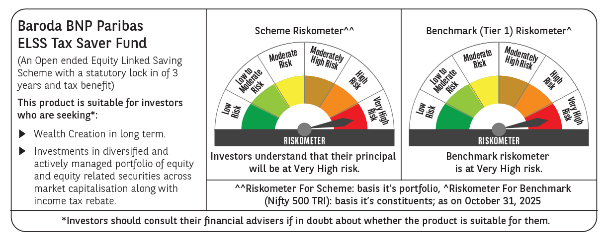

 | Monthly Performance Link: https://www.barodabnpparibasmf.in/assets/download_documents/Performance_of_Schemes-October_2025_15267.pdf

