T0ME05
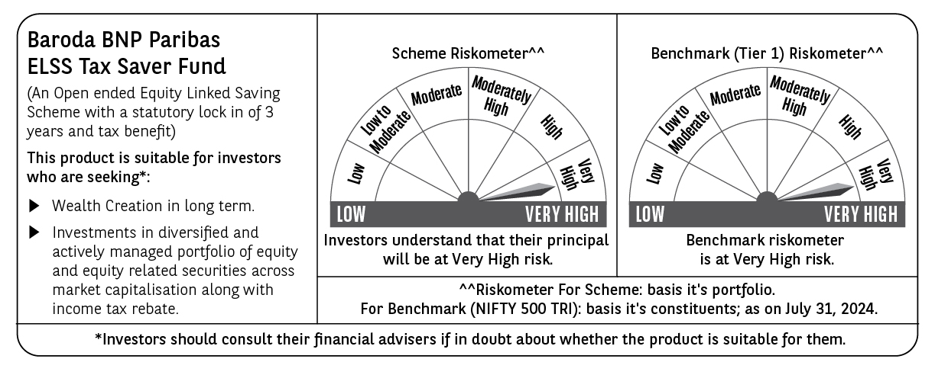
 | Baroda BNP Paribas ELSS Tax Saver Fund

 | Monthly Portfolio Statement as on July 31, 2024
 | Name of the Instrument | ISIN | Industry | Quantity | Market/Fair Value (Rs. in Lakhs) | % to Net Assets | YTM~ | YTC^ | null
 | Equity & Equity related
 | (a) Listed / awaiting listing on Stock Exchanges
IBCL05 | ICICI Bank Limited | INE090A01021 | Banks | 396,000 | 4,811.00 | 5.06%
HDFB03 | HDFC Bank Limited | INE040A01034 | Banks | 293,160 | 4,736.73 | 4.98%
INFS02 | Infosys Limited | INE009A01021 | IT - Software | 205,000 | 3,829.91 | 4.03%
RIND01 | Reliance Industries Limited | INE002A01018 | Petroleum Products | 106,600 | 3,209.57 | 3.38%
ZMPL01 | Zomato Limited | INE758T01015 | Retailing | 1,150,813 | 2,640.54 | 2.78%
LAKM02 | Trent Limited | INE849A01020 | Retailing | 44,614 | 2,605.01 | 2.74%
TCSL01 | Tata Consultancy Services Limited | INE467B01029 | IT - Software | 55,120 | 2,417.20 | 2.54%
UTIB02 | Axis Bank Limited | INE238A01034 | Banks | 203,000 | 2,367.18 | 2.49%
SBAI02 | State Bank of India | INE062A01020 | Banks | 243,000 | 2,119.93 | 2.23%
JYCN01 | Jyoti CNC Automation Ltd | INE980O01024 | Industrial Manufacturing | 184,594 | 2,105.66 | 2.21%
DABU02 | Dabur India Limited | INE016A01026 | Personal Products | 320,000 | 2,034.24 | 2.14%
LARS02 | Larsen & Toubro Limited | INE018A01030 | Construction | 53,320 | 2,034.16 | 2.14%
ESMC02 | PB Fintech Limited | INE417T01026 | Financial Technology (Fintech) | 132,500 | 1,925.23 | 2.03%
BINL01 | Indus Towers Limited | INE121J01017 | Telecom - Services | 441,550 | 1,912.57 | 2.01%
BOCL01 | Linde India Limited | INE473A01011 | Chemicals & Petrochemicals | 23,225 | 1,895.64 | 1.99%
MAHI02 | Mahindra & Mahindra Limited | INE101A01026 | Automobiles | 65,000 | 1,890.07 | 1.99%
WABT01 | ZF Commercial Vehicle Control Systems India Limited | INE342J01019 | Auto Components | 11,848 | 1,875.82 | 1.97%
MAXI02 | Max Financial Services Limited | INE180A01020 | Insurance | 166,500 | 1,851.48 | 1.95%
NAYV01 | NLC India Limited | INE589A01014 | Power | 638,870 | 1,839.05 | 1.93%
TEGA01 | Tega Industries Limited | INE011K01018 | Industrial Manufacturing | 92,621 | 1,768.64 | 1.86%
SPIL03 | Sun Pharmaceutical Industries Limited | INE044A01036 | Pharmaceuticals & Biotechnology | 101,500 | 1,745.14 | 1.84%
NTPC01 | NTPC Limited | INE733E01010 | Power | 400,000 | 1,664.00 | 1.75%
ABBP01 | Hitachi Energy India Limited | INE07Y701011 | Electrical Equipment | 14,267 | 1,655.98 | 1.74%
BTVL02 | Bharti Airtel Limited | INE397D01024 | Telecom - Services | 110,566 | 1,649.15 | 1.73%
BEFS01 | Mrs. Bectors Food Specialities Limited | INE495P01012 | Food Products | 117,132 | 1,642.60 | 1.73%
BFLS01 | Mphasis Limited | INE356A01018 | IT - Software | 55,700 | 1,611.12 | 1.69%
SAEL02 | TVS Motor Company Limited | INE494B01023 | Automobiles | 63,500 | 1,607.19 | 1.69%
AMRA03 | Amara Raja Energy & Mobility Ltd | INE885A01032 | Auto Components | 90,000 | 1,463.67 | 1.54%
CAMS01 | Computer Age Management Services Limited | INE596I01012 | Capital Markets | 32,000 | 1,450.94 | 1.53%
DIXO02 | Dixon Technologies (India) Limited | INE935N01020 | Consumer Durables | 11,800 | 1,428.56 | 1.50%
CHOL02 | Cholamandalam Investment and Finance Company Ltd | INE121A01024 | Finance | 100,500 | 1,423.68 | 1.50%
NACL03 | National Aluminium Company Limited | INE139A01034 | Non - Ferrous Metals | 710,000 | 1,378.96 | 1.45%
GRAS02 | Grasim Industries Limited | INE047A01021 | Cement & Cement Products | 48,350 | 1,342.56 | 1.41%
PHMI02 | The Phoenix Mills Limited | INE211B01039 | Realty | 37,000 | 1,330.96 | 1.40%
VGIL02 | V-Guard Industries Limited | INE951I01027 | Consumer Durables | 287,000 | 1,319.34 | 1.39%
PHFP02 | PNB Housing Finance Limited | INE572E01012 | Finance | 163,000 | 1,312.97 | 1.38%
JBCH03 | JB Chemicals & Pharmaceuticals Limited | INE572A01036 | Pharmaceuticals & Biotechnology | 67,842 | 1,305.69 | 1.37%
BRIG01 | Brigade Enterprises Limited | INE791I01019 | Realty | 103,800 | 1,305.49 | 1.37%
BKBA02 | Bank of Baroda | INE028A01039 | Banks | 500,000 | 1,268.25 | 1.33%
TTEA02 | Tata Consumer Products Limited | INE192A01025 | Agricultural Food & other Products | 101,000 | 1,200.84 | 1.26%
PRRC03 | Navin Fluorine International Limited | INE048G01026 | Chemicals & Petrochemicals | 31,000 | 1,178.29 | 1.24%
HLEL02 | Hindustan Unilever Limited | INE030A01027 | Diversified FMCG | 43,000 | 1,163.43 | 1.22%
BHAH02 | Bharat Heavy Electricals Limited | INE257A01026 | Electrical Equipment | 366,000 | 1,153.82 | 1.21%
ASEA02 | ABB India Limited | INE117A01022 | Electrical Equipment | 14,400 | 1,137.15 | 1.20%
CONB01 | Concord Biotech Limited | INE338H01029 | Pharmaceuticals & Biotechnology | 66,500 | 1,090.87 | 1.15%
HALT02 | Hindustan Aeronautics Limited | INE066F01020 | Aerospace & Defense | 21,500 | 1,058.41 | 1.11%
PFCL01 | Power Finance Corporation Limited | INE134E01011 | Finance | 190,000 | 1,057.92 | 1.11%
BSEL02 | BSE Limited | INE118H01025 | Capital Markets | 40,060 | 1,024.11 | 1.08%
RACM01 | Rainbow Childrens Medicare Limited | INE961O01016 | Healthcare Services | 84,860 | 1,005.21 | 1.06%
TTEC01 | Tata Technologies Ltd | INE142M01025 | IT - Services | 100,005 | 999.40 | 1.05%
KEII02 | KEI Industries Limited | INE878B01027 | Industrial Products | 21,000 | 909.27 | 0.96%
MIIL02 | UNO Minda Limited | INE405E01023 | Auto Components | 70,000 | 728.70 | 0.77%
HPEC01 | Hindustan Petroleum Corporation Limited | INE094A01015 | Petroleum Products | 160,000 | 627.60 | 0.66%
SHMM01 | TRANSTREAM INDIA COM LTD | INE981A01013 | Miscellaneous | 1,000 | $0.00 | $0.00%
TTEA02RF | Tata Consumer Products Limited- Right Shares | INE192A20017 | Agricultural Food & other Products | 3,884 | 14.41 | 0.02%
 | Sub Total |  |  |  | 92,125.31 | 96.89%
 | (b) Unlisted
SDSL01 | DSQ SOFTWARE # | INE286A01017 | Software | 2,500 | $0.00 | $0.00%
 | Sub Total |  |  |  | 0.00 | 0.00%
 | Total |  |  |  | 92,125.31 | 96.89%
 | Reverse Repo / TREPS
TRP_010824 | Clearing Corporation of India Ltd |  |  |  | 2,319.28 | 2.44% | 6.42%
 | Sub Total |  |  |  | 2,319.28 | 2.44%
 | Total |  |  |  | 2,319.28 | 2.44%
 | Net Receivables / (Payables) |  |  |  | 624.51 | 0.67%
 | GRAND TOTAL |  |  |  | 95,069.10 | 100.00%

 | ** Thinly Traded / Non Traded Security
 | # Unlisted Security
 | $ Less Than 0.01% of Net Asset Value
 | ~ YTM as on July 31, 2024
 | ^ YTC represents Yield to Call provided by valuation agencies as on July 31, 2024. It is disclosed for Perpetual Bond issued by Banks (i.e. AT-1 Bond / Tier 1 Bond / Tier 2 Bond), as per AMFI Best Practices Guidelines Circular no. 135/BP/91/2020-21 read with SEBI circular No. SEBI/HO/IMD/DF4/CIR/P/2021/034 on Valuation of AT-1 Bonds and Tier 2 Bonds.

