T0ME05
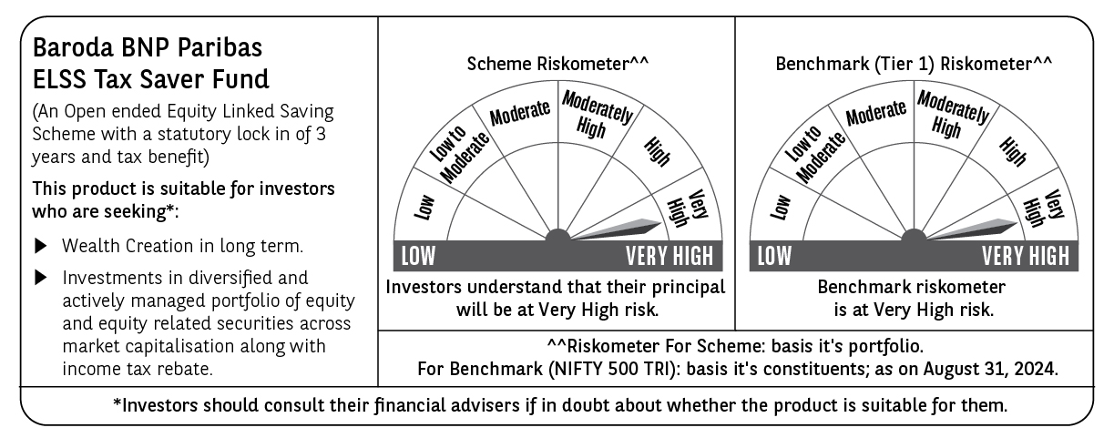
 | Baroda BNP Paribas ELSS Tax Saver Fund

 | Monthly Portfolio Statement as on August 31, 2024
 | Name of the Instrument | ISIN | Industry | Quantity | Market/Fair Value (Rs. in Lakhs) | % to Net Assets | YTM~ | YTC^ | null
 | Equity & Equity related
 | (a) Listed / awaiting listing on Stock Exchanges
IBCL05 | ICICI Bank Limited | INE090A01021 | Banks | 411,000 | 5,052.01 | 5.22%
HDFB03 | HDFC Bank Limited | INE040A01034 | Banks | 279,160 | 4,569.57 | 4.73%
INFS02 | Infosys Limited | INE009A01021 | IT - Software | 205,000 | 3,984.59 | 4.12%
RIND01 | Reliance Industries Limited | INE002A01018 | Petroleum Products | 106,600 | 3,218.52 | 3.33%
LAKM02 | Trent Limited | INE849A01020 | Retailing | 42,414 | 3,036.31 | 3.14%
TCSL01 | Tata Consultancy Services Limited | INE467B01029 | IT - Software | 55,120 | 2,510.03 | 2.60%
UTIB02 | Axis Bank Limited | INE238A01034 | Banks | 203,000 | 2,385.76 | 2.47%
ESMC02 | PB Fintech Limited | INE417T01026 | Financial Technology (Fintech) | 132,500 | 2,348.23 | 2.43%
ZMPL01 | Zomato Limited | INE758T01015 | Retailing | 920,813 | 2,306.91 | 2.39%
JYCN01 | Jyoti CNC Automation Ltd | INE980O01024 | Industrial Manufacturing | 184,594 | 2,292.93 | 2.37%
DABU02 | Dabur India Limited | INE016A01026 | Personal Products | 320,000 | 2,038.88 | 2.11%
SBAI02 | State Bank of India | INE062A01020 | Banks | 243,000 | 1,981.91 | 2.05%
LARS02 | Larsen & Toubro Limited | INE018A01030 | Construction | 53,320 | 1,975.32 | 2.04%
BINL01 | Indus Towers Limited | INE121J01017 | Telecom - Services | 421,561 | 1,932.86 | 2.00%
BEFS01 | Mrs. Bectors Food Specialities Limited | INE495P01012 | Food Products | 117,132 | 1,884.07 | 1.95%
SPIL03 | Sun Pharmaceutical Industries Limited | INE044A01036 | Pharmaceuticals & Biotechnology | 101,500 | 1,848.97 | 1.91%
WABT01 | ZF Commercial Vehicle Control Systems India Limited | INE342J01019 | Auto Components | 11,848 | 1,844.48 | 1.91%
MAHI02 | Mahindra & Mahindra Limited | INE101A01026 | Automobiles | 65,000 | 1,823.51 | 1.89%
MAXI02 | Max Financial Services Limited | INE180A01020 | Insurance | 166,500 | 1,789.63 | 1.85%
SAEL02 | TVS Motor Company Limited | INE494B01023 | Automobiles | 63,500 | 1,786.45 | 1.85%
BTVL02 | Bharti Airtel Limited | INE397D01024 | Telecom - Services | 110,566 | 1,756.95 | 1.82%
CHOL02 | Cholamandalam Investment and Finance Company Ltd | INE121A01024 | Finance | 120,500 | 1,754.00 | 1.81%
BFLS01 | Mphasis Limited | INE356A01018 | IT - Software | 55,700 | 1,729.46 | 1.79%
BOCL01 | Linde India Limited | INE473A01011 | Chemicals & Petrochemicals | 23,225 | 1,678.08 | 1.74%
NTPC01 | NTPC Limited | INE733E01010 | Power | 400,000 | 1,664.80 | 1.72%
PHFP02 | PNB Housing Finance Limited | INE572E01012 | Finance | 163,000 | 1,593.24 | 1.65%
CAMS01 | Computer Age Management Services Limited | INE596I01012 | Capital Markets | 37,000 | 1,576.66 | 1.63%
TEGA01 | Tega Industries Limited | INE011K01018 | Industrial Manufacturing | 92,284 | 1,575.33 | 1.63%
DIXO02 | Dixon Technologies (India) Limited | INE935N01020 | Consumer Durables | 11,800 | 1,554.17 | 1.61%
ABBP01 | Hitachi Energy India Limited | INE07Y701011 | Electrical Equipment | 12,267 | 1,483.70 | 1.53%
NAYV01 | NLC India Limited | INE589A01014 | Power | 538,870 | 1,482.43 | 1.53%
PHMI02 | The Phoenix Mills Limited | INE211B01039 | Realty | 37,000 | 1,394.68 | 1.44%
TTEC01 | Tata Technologies Limited | INE142M01025 | IT - Services | 130,005 | 1,385.33 | 1.43%
AMRA03 | Amara Raja Energy & Mobility Ltd | INE885A01032 | Auto Components | 90,000 | 1,369.13 | 1.42%
PRRC03 | Navin Fluorine International Limited | INE048G01026 | Chemicals & Petrochemicals | 41,000 | 1,352.34 | 1.40%
JBCH03 | JB Chemicals & Pharmaceuticals Limited | INE572A01036 | Pharmaceuticals & Biotechnology | 67,842 | 1,325.50 | 1.37%
VGIL02 | V-Guard Industries Limited | INE951I01027 | Consumer Durables | 287,000 | 1,316.04 | 1.36%
GRAS02 | Grasim Industries Limited | INE047A01021 | Cement & Cement Products | 48,350 | 1,304.89 | 1.35%
NACL03 | National Aluminium Company Limited | INE139A01034 | Non - Ferrous Metals | 710,000 | 1,296.46 | 1.34%
TTEA02 | Tata Consumer Products Limited | INE192A01025 | Agricultural Food & other Products | 105,964 | 1,271.73 | 1.32%
BKBA02 | Bank of Baroda | INE028A01039 | Banks | 500,000 | 1,250.50 | 1.29%
MIIL02 | UNO Minda Limited | INE405E01023 | Auto Components | 102,500 | 1,203.25 | 1.24%
HLEL02 | Hindustan Unilever Limited | INE030A01027 | Diversified FMCG | 43,000 | 1,194.54 | 1.24%
ASHL02 | Ashok Leyland Limited | INE208A01029 | Agricultural, Commercial & Construction Vehicles | 450,000 | 1,154.03 | 1.19%
ASEA02 | ABB India Limited | INE117A01022 | Electrical Equipment | 14,400 | 1,142.79 | 1.18%
GUAM02 | Ambuja Cements Limited | INE079A01024 | Cement & Cement Products | 182,000 | 1,123.03 | 1.16%
CONB01 | Concord Biotech Limited | INE338H01029 | Pharmaceuticals & Biotechnology | 66,500 | 1,107.82 | 1.15%
HPEC01 | Hindustan Petroleum Corporation Limited | INE094A01015 | Petroleum Products | 260,000 | 1,089.53 | 1.13%
RACM01 | Rainbow Childrens Medicare Limited | INE961O01016 | Healthcare Services | 84,860 | 1,075.60 | 1.11%
BSEL02 | BSE Limited | INE118H01025 | Capital Markets | 36,060 | 1,021.45 | 1.06%
ALLI02 | GE T&D India Limited | INE200A01026 | Electrical Equipment | 58,779 | 1,007.24 | 1.04%
PFCL01 | Power Finance Corporation Limited | INE134E01011 | Finance | 162,000 | 890.27 | 0.92%
HALT02 | Hindustan Aeronautics Limited | INE066F01020 | Aerospace & Defense | 6,011 | 281.31 | 0.29%
SHMM01 | TRANSTREAM INDIA COM LTD | INE981A01013 | Miscellaneous | 1,000 | $0.00 | $0.00%
 | Sub Total |  |  |  | 94,017.22 | 97.25%
 | (b) Unlisted
SDSL01 | DSQ SOFTWARE # | INE286A01017 | Software | 2,500 | $0.00 | $0.00%
 | Sub Total |  |  |  | 0.00 | 0.00%
 | Total |  |  |  | 94,017.22 | 97.25%
 | Reverse Repo / TREPS
TRP_020924 | Clearing Corporation of India Ltd |  |  |  | 2,883.55 | 2.98% | 6.52%
 | Sub Total |  |  |  | 2,883.55 | 2.98%
 | Total |  |  |  | 2,883.55 | 2.98%
 | Net Receivables / (Payables) |  |  |  | (195.70) | (0.23)%
 | GRAND TOTAL |  |  |  | 96,705.07 | 100.00%

 | # Unlisted Security
 | $ Less Than 0.01% of Net Asset Value
 | ~ YTM as on August 31, 2024
 | ^ YTC represents Yield to Call provided by valuation agencies as on August 31, 2024. It is disclosed for Perpetual Bond issued by Banks (i.e. AT-1 Bond / Tier 1 Bond / Tier 2 Bond), as per AMFI Best Practices Guidelines Circular no. 135/BP/91/2020-21 read with SEBI circular No. SEBI/HO/IMD/DF4/CIR/P/2021/034 on Valuation of AT-1 Bonds and Tier 2 Bonds.

