Monthly Portfolio
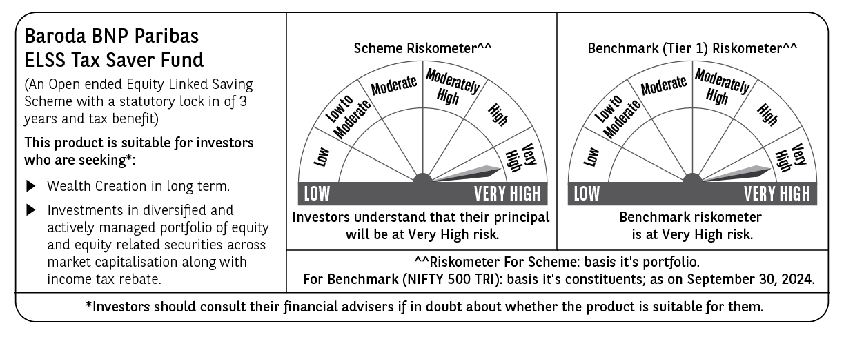
 | Baroda BNP Paribas ELSS Tax Saver Fund

 | Monthly Portfolio Statement as on September 30, 2024
 | Name of the Instrument | ISIN | Industry | Quantity | Market/Fair Value (Rs. in Lakhs) | % to Net Assets | YTM~ | YTC^ | null
 | Equity & Equity related
 | (a) Listed / awaiting listing on Stock Exchanges
IBCL05 | ICICI Bank Limited | INE090A01021 | Banks | 411,000 | 5,232.03 | 5.29%
HDFB03 | HDFC Bank Limited | INE040A01034 | Banks | 279,160 | 4,835.19 | 4.89%
INFS02 | Infosys Limited | INE009A01021 | IT - Software | 205,000 | 3,844.98 | 3.89%
LAKM02 | Trent Limited | INE849A01020 | Retailing | 42,414 | 3,212.71 | 3.25%
RIND01 | Reliance Industries Limited | INE002A01018 | Petroleum Products | 106,600 | 3,148.06 | 3.19%
ZMPL01 | Zomato Limited | INE758T01015 | Retailing | 920,813 | 2,516.58 | 2.55%
UTIB02 | Axis Bank Limited | INE238A01034 | Banks | 203,000 | 2,501.37 | 2.53%
TCSL01 | Tata Consultancy Services Limited | INE467B01029 | IT - Software | 55,120 | 2,352.80 | 2.38%
BEFS01 | Mrs. Bectors Food Specialities Limited | INE495P01012 | Food Products | 117,132 | 2,232.89 | 2.26%
ESMC02 | PB Fintech Limited | INE417T01026 | Financial Technology (Fintech) | 132,500 | 2,146.43 | 2.17%
JYCN01 | Jyoti CNC Automation Ltd | INE980O01024 | Industrial Manufacturing | 184,594 | 2,113.97 | 2.14%
DABU02 | Dabur India Limited | INE016A01026 | Personal Products | 320,000 | 2,000.64 | 2.02%
MAXI02 | Max Financial Services Limited | INE180A01020 | Insurance | 166,500 | 1,983.02 | 2.01%
BOCL01 | Linde India Limited | INE473A01011 | Chemicals & Petrochemicals | 23,225 | 1,970.66 | 1.99%
SPIL03 | Sun Pharmaceutical Industries Limited | INE044A01036 | Pharmaceuticals & Biotechnology | 101,500 | 1,955.60 | 1.98%
CHOL02 | Cholamandalam Investment and Finance Company Ltd | INE121A01024 | Finance | 120,500 | 1,937.64 | 1.96%
SBAI02 | State Bank of India | INE062A01020 | Banks | 243,000 | 1,914.60 | 1.94%
BTVL02 | Bharti Airtel Limited | INE397D01024 | Telecom - Services | 110,566 | 1,890.18 | 1.91%
SAEL02 | TVS Motor Company Limited | INE494B01023 | Automobiles | 63,500 | 1,803.30 | 1.82%
ABBP01 | Hitachi Energy India Limited | INE07Y701011 | Electrical Equipment | 12,267 | 1,784.27 | 1.81%
NTPC01 | NTPC Limited | INE733E01010 | Power | 400,000 | 1,772.80 | 1.79%
LARS02 | Larsen & Toubro Limited | INE018A01030 | Construction | 48,020 | 1,765.00 | 1.79%
TEGA01 | Tega Industries Limited | INE011K01018 | Industrial Manufacturing | 92,284 | 1,729.63 | 1.75%
MAHI02 | Mahindra & Mahindra Limited | INE101A01026 | Automobiles | 55,500 | 1,717.67 | 1.74%
ALLI02 | GE T&D India Limited | INE200A01026 | Electrical Equipment | 100,037 | 1,681.62 | 1.70%
BFLS01 | Mphasis Limited | INE356A01018 | IT - Software | 55,700 | 1,676.79 | 1.70%
BINL01 | Indus Towers Limited | INE121J01017 | Telecom - Services | 421,561 | 1,654.84 | 1.67%
CAMS01 | Computer Age Management Services Limited | INE596I01012 | Capital Markets | 37,000 | 1,631.37 | 1.65%
DIXO02 | Dixon Technologies (India) Limited | INE935N01020 | Consumer Durables | 11,800 | 1,628.75 | 1.65%
PHFP02 | PNB Housing Finance Limited | INE572E01012 | Finance | 163,000 | 1,602.21 | 1.62%
NAYV01 | NLC India Limited | INE589A01014 | Power | 538,870 | 1,522.31 | 1.54%
AFPL02 | AU Small Finance Bank Limited | INE949L01017 | Banks | 205,000 | 1,517.41 | 1.54%
WABT01 | ZF Commercial Vehicle Control Systems India Limited | INE342J01019 | Auto Components | 9,548 | 1,516.98 | 1.54%
NACL03 | National Aluminium Company Limited | INE139A01034 | Non - Ferrous Metals | 710,000 | 1,493.06 | 1.51%
TTEC01 | Tata Technologies Limited | INE142M01025 | IT - Services | 130,005 | 1,434.15 | 1.45%
PRRC03 | Navin Fluorine International Limited | INE048G01026 | Chemicals & Petrochemicals | 41,000 | 1,410.95 | 1.43%
PHMI02 | The Phoenix Mills Limited | INE211B01039 | Realty | 74,000 | 1,365.78 | 1.38%
GRAS02 | Grasim Industries Limited | INE047A01021 | Cement & Cement Products | 48,350 | 1,351.65 | 1.37%
BSEL02 | BSE Limited | INE118H01025 | Capital Markets | 36,060 | 1,328.68 | 1.34%
VGIL02 | V-Guard Industries Limited | INE951I01027 | Consumer Durables | 287,000 | 1,283.61 | 1.30%
AMRA03 | Amara Raja Energy & Mobility Ltd | INE885A01032 | Auto Components | 90,000 | 1,283.36 | 1.30%
HLEL02 | Hindustan Unilever Limited | INE030A01027 | Diversified FMCG | 43,000 | 1,272.07 | 1.29%
TTEA02 | Tata Consumer Products Limited | INE192A01025 | Agricultural Food & other Products | 105,964 | 1,268.34 | 1.28%
BKBA02 | Bank of Baroda | INE028A01039 | Banks | 500,000 | 1,239.00 | 1.25%
CONB01 | Concord Biotech Limited | INE338H01029 | Pharmaceuticals & Biotechnology | 60,500 | 1,229.69 | 1.24%
RACM01 | Rainbow Childrens Medicare Limited | INE961O01016 | Healthcare Services | 84,860 | 1,187.91 | 1.20%
GUAM02 | Ambuja Cements Limited | INE079A01024 | Cement & Cement Products | 182,000 | 1,151.24 | 1.17%
HPEC01 | Hindustan Petroleum Corporation Limited | INE094A01015 | Petroleum Products | 260,000 | 1,145.43 | 1.16%
JBCH03 | JB Chemicals & Pharmaceuticals Limited | INE572A01036 | Pharmaceuticals & Biotechnology | 61,042 | 1,144.54 | 1.16%
MIIL02 | UNO Minda Limited | INE405E01023 | Auto Components | 102,500 | 1,129.19 | 1.14%
DIVI02 | Divi's Laboratories Limited | INE361B01024 | Pharmaceuticals & Biotechnology | 20,000 | 1,088.67 | 1.10%
PFCL01 | Power Finance Corporation Limited | INE134E01011 | Finance | 162,000 | 790.64 | 0.80%
SHMM01 | TRANSTREAM INDIA COM LTD | INE981A01013 | Miscellaneous | 1,000 | $0.00 | $0.00%
 | Sub Total |  |  |  | 96,392.26 | 97.53%
 | (b) Unlisted
SDSL01 | DSQ SOFTWARE # | INE286A01017 | Software | 2,500 | $0.00 | $0.00%
 | Sub Total |  |  |  | 0.00 | 0.00%
 | Total |  |  |  | 96,392.26 | 97.53%
 | Reverse Repo / TREPS
TRP_011024 | Clearing Corporation of India Ltd |  |  |  | 2,654.86 | 2.69% | 6.65%
 | Sub Total |  |  |  | 2,654.86 | 2.69%
 | Total |  |  |  | 2,654.86 | 2.69%
 | Net Receivables / (Payables) |  |  |  | (229.23) | (0.22)%
 | GRAND TOTAL |  |  |  | 98,817.89 | 100.00%

 | # Unlisted Security
 | $ Less Than 0.01% of Net Asset Value
 | ~ YTM as on September 30, 2024
 | ^ YTC represents Yield to Call provided by valuation agencies as on September 30, 2024. It is disclosed for Perpetual Bond issued by Banks (i.e. AT-1 Bond / Tier 1 Bond / Tier 2 Bond), as per AMFI Best Practices Guidelines Circular no. 135/BP/91/2020-21 read with SEBI circular No. SEBI/HO/IMD/DF4/CIR/P/2021/034 on Valuation of AT-1 Bonds and Tier 2 Bonds.

