T0ME05
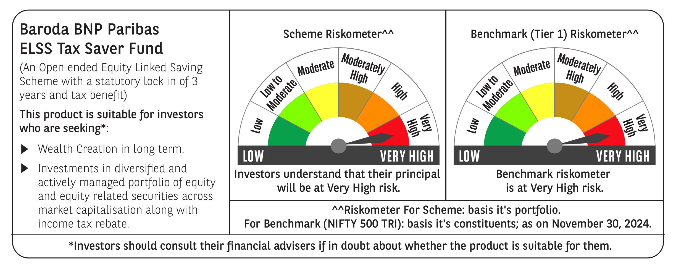
 | Baroda BNP Paribas ELSS Tax Saver Fund

 | Monthly Portfolio Statement as on November 30, 2024
 | Name of the Instrument | ISIN | Industry | Quantity | Market/Fair Value (Rs. in Lakhs) | % to Net Assets | YTM~ | YTC^ | null
 | Equity & Equity related
 | (a) Listed / awaiting listing on Stock Exchanges
IBCL05 | ICICI Bank Limited | INE090A01021 | Banks | 411,000 | 5,343.41 | 5.61%
HDFB03 | HDFC Bank Limited | INE040A01034 | Banks | 293,160 | 5,265.30 | 5.53%
INFS02 | Infosys Limited | INE009A01021 | IT - Software | 205,000 | 3,808.59 | 4.00%
RIND01 | Reliance Industries Limited | INE002A01018 | Petroleum Products | 258,200 | 3,336.46 | 3.51%
ZMPL01 | Zomato Limited | INE758T01015 | Retailing | 920,813 | 2,576.07 | 2.71%
ESMC02 | PB Fintech Limited | INE417T01026 | Financial Technology (Fintech) | 132,500 | 2,509.42 | 2.64%
LAKM02 | Trent Limited | INE849A01020 | Retailing | 36,714 | 2,494.86 | 2.62%
JYCN01 | Jyoti CNC Automation Ltd | INE980O01024 | Industrial Manufacturing | 184,594 | 2,292.93 | 2.41%
BEFS01 | Mrs. Bectors Food Specialities Limited | INE495P01012 | Food Products | 117,132 | 2,125.13 | 2.23%
SBAI02 | State Bank of India | INE062A01020 | Banks | 243,000 | 2,038.65 | 2.14%
DIXO02 | Dixon Technologies (India) Limited | INE935N01020 | Consumer Durables | 11,800 | 1,865.27 | 1.96%
CAMS01 | Computer Age Management Services Limited | INE596I01012 | Capital Markets | 37,000 | 1,823.51 | 1.92%
SPIL03 | Sun Pharmaceutical Industries Limited | INE044A01036 | Pharmaceuticals & Biotechnology | 101,500 | 1,807.61 | 1.90%
BTVL02 | Bharti Airtel Limited | INE397D01024 | Telecom - Services | 110,566 | 1,799.07 | 1.89%
MAXI02 | Max Financial Services Limited | INE180A01020 | Insurance | 158,000 | 1,791.64 | 1.88%
LARS02 | Larsen & Toubro Limited | INE018A01030 | Construction | 48,020 | 1,788.65 | 1.88%
NTPC01 | NTPC Limited | INE733E01010 | Power | 490,000 | 1,781.89 | 1.87%
ALLI02 | GE Vernova T&D India Limited | INE200A01026 | Electrical Equipment | 100,037 | 1,756.85 | 1.85%
SAGI01 | Sagility India Limited | INE0W2G01015 | IT - Services | 4,616,000 | 1,708.84 | 1.80%
DABU02 | Dabur India Limited | INE016A01026 | Personal Products | 320,000 | 1,686.88 | 1.77%
BSEL02 | BSE Limited | INE118H01025 | Capital Markets | 36,060 | 1,684.27 | 1.77%
MAHI02 | Mahindra & Mahindra Limited | INE101A01026 | Automobiles | 55,500 | 1,646.19 | 1.73%
BOCL01 | Linde India Limited | INE473A01011 | Chemicals & Petrochemicals | 23,225 | 1,607.34 | 1.69%
TEGA01 | Tega Industries Limited | INE011K01018 | Industrial Manufacturing | 92,284 | 1,587.15 | 1.67%
IHOT02 | The Indian Hotels Company Limited | INE053A01029 | Leisure Services | 200,000 | 1,586.70 | 1.67%
BFLS01 | Mphasis Limited | INE356A01018 | IT - Software | 53,000 | 1,576.51 | 1.66%
SAEL02 | TVS Motor Company Limited | INE494B01023 | Automobiles | 63,500 | 1,545.88 | 1.62%
IFEL01 | Oracle Financial Services Software Limited | INE881D01027 | IT - Software | 13,000 | 1,520.54 | 1.60%
CHOL02 | Cholamandalam Investment and Finance Company Ltd | INE121A01024 | Finance | 120,500 | 1,486.91 | 1.56%
ABBP01 | Hitachi Energy India Limited | INE07Y701011 | Electrical Equipment | 12,267 | 1,469.41 | 1.54%
PRRC03 | Navin Fluorine International Limited | INE048G01026 | Chemicals & Petrochemicals | 41,700 | 1,462.79 | 1.54%
PHFP02 | PNB Housing Finance Limited | INE572E01012 | Finance | 163,000 | 1,453.47 | 1.53%
VNBL03 | Varun Beverages Limited | INE200M01039 | Beverages | 231,747 | 1,439.61 | 1.51%
NAYV01 | NLC India Limited | INE589A01014 | Power | 538,870 | 1,394.86 | 1.47%
RACM01 | Rainbow Childrens Medicare Limited | INE961O01016 | Healthcare Services | 84,860 | 1,348.76 | 1.42%
CONB01 | Concord Biotech Limited | INE338H01029 | Pharmaceuticals & Biotechnology | 60,500 | 1,287.14 | 1.35%
GRAS02 | Grasim Industries Limited | INE047A01021 | Cement & Cement Products | 48,350 | 1,260.12 | 1.32%
DIVI02 | Divi's Laboratories Limited | INE361B01024 | Pharmaceuticals & Biotechnology | 20,000 | 1,234.54 | 1.30%
BKBA02 | Bank of Baroda | INE028A01039 | Banks | 500,000 | 1,232.00 | 1.29%
VGIL02 | V-Guard Industries Limited | INE951I01027 | Consumer Durables | 287,000 | 1,196.65 | 1.26%
AFPL02 | AU Small Finance Bank Limited | INE949L01017 | Banks | 205,000 | 1,195.87 | 1.26%
UTIB02 | Axis Bank Limited | INE238A01034 | Banks | 103,000 | 1,170.39 | 1.23%
AMRA03 | Amara Raja Energy & Mobility Ltd | INE885A01032 | Auto Components | 90,000 | 1,152.63 | 1.21%
MASL02 | Mastek Limited | INE759A01021 | IT - Software | 36,000 | 1,142.01 | 1.20%
NACL03 | National Aluminium Company Limited | INE139A01034 | Non - Ferrous Metals | 455,000 | 1,101.74 | 1.16%
TTEC01 | Tata Technologies Limited | INE142M01025 | IT - Services | 116,179 | 1,090.34 | 1.15%
MIIL02 | UNO Minda Limited | INE405E01023 | Auto Components | 102,500 | 1,077.53 | 1.13%
HLEL02 | Hindustan Unilever Limited | INE030A01027 | Diversified FMCG | 43,000 | 1,073.34 | 1.13%
GUAM02 | Ambuja Cements Limited | INE079A01024 | Cement & Cement Products | 200,000 | 1,063.00 | 1.12%
PFCL01 | Power Finance Corporation Limited | INE134E01011 | Finance | 211,500 | 1,047.56 | 1.10%
HPEC01 | Hindustan Petroleum Corporation Limited | INE094A01015 | Petroleum Products | 260,000 | 996.06 | 1.05%
BHAH02 | Bharat Heavy Electricals Limited | INE257A01026 | Electrical Equipment | 355,000 | 891.37 | 0.94%
JBCH03 | JB Chemicals & Pharmaceuticals Limited | INE572A01036 | Pharmaceuticals & Biotechnology | 36,267 | 629.34 | 0.66%
 | Sub Total |  |  |  | 92,253.05 | 96.96%
 | (b) Unlisted
SHMM01 | TRANSTREAM INDIA COM LTD # | INE981A01013 | Miscellaneous | 1,000 | $0.00 | $0.00%
SDSL01 | DSQ SOFTWARE # | INE286A01017 | Software | 2,500 | $0.00 | $0.00%
 | Sub Total |  |  |  | 0.00 | 0.00%
 | Total |  |  |  | 92,253.05 | 96.96%
 | Reverse Repo / TREPS
TRP_021224 | Clearing Corporation of India Ltd |  |  |  | 3,060.70 | 3.22% | 6.69%
 | Sub Total |  |  |  | 3,060.70 | 3.22%
 | Total |  |  |  | 3,060.70 | 3.22%
 | Net Receivables / (Payables) |  |  |  | (146.11) | (0.18)%
 | GRAND TOTAL |  |  |  | 95,167.64 | 100.00%

 | # Unlisted Security
 | $ Less Than 0.01% of Net Asset Value
 | ~ YTM as on November 30, 2024
 | ^ YTC represents Yield to Call provided by valuation agencies as on November 30, 2024. It is disclosed for Perpetual Bond issued by Banks (i.e. AT-1 Bond / Tier 1 Bond / Tier 2 Bond), as per AMFI Best Practices Guidelines Circular no. 135/BP/91/2020-21 re

