T0ME20
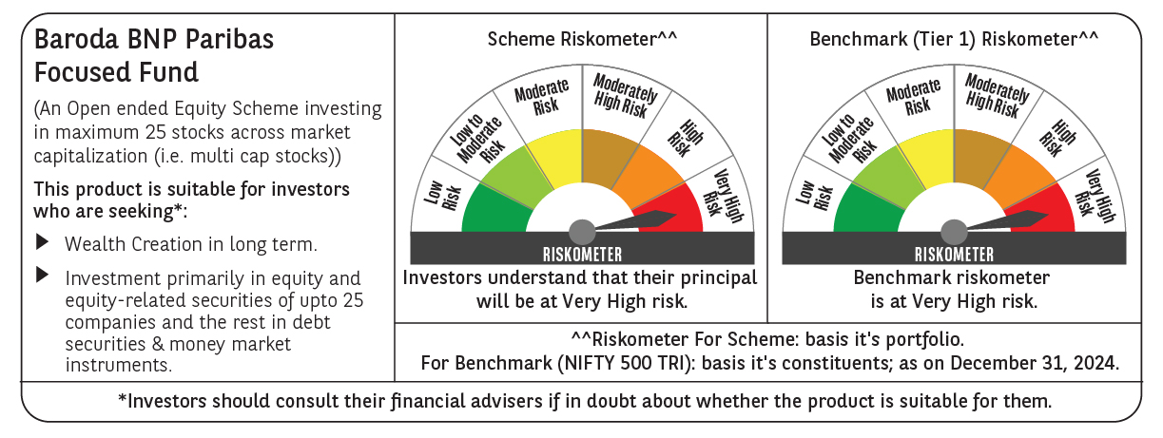
 | Baroda BNP Paribas Focused Fund

 | Monthly Portfolio Statement as on December 31, 2024
 | Name of the Instrument | ISIN | Industry | Quantity | Market/Fair Value (Rs. in Lakhs) | % to Net Assets | YTM~ | YTC^ | null
 | Equity & Equity related
 | (a) Listed / awaiting listing on Stock Exchanges
ESMC02 | PB Fintech Limited | INE417T01026 | Financial Technology (Fintech) | 280,000 | 5,904.78 | 8.63%
HDFB03 | HDFC Bank Limited | INE040A01034 | Banks | 325,000 | 5,761.76 | 8.42%
HPEC01 | Hindustan Petroleum Corporation Limited | INE094A01015 | Petroleum Products | 950,000 | 3,883.13 | 5.67%
PHFP02 | PNB Housing Finance Limited | INE572E01012 | Finance | 440,842 | 3,869.27 | 5.65%
IBCL05 | ICICI Bank Limited | INE090A01021 | Banks | 275,000 | 3,524.54 | 5.15%
PGCI01 | Power Grid Corporation of India Limited | INE752E01010 | Power | 1,100,000 | 3,395.70 | 4.96%
HAIL03 | Havells India Limited | INE176B01034 | Consumer Durables | 200,000 | 3,350.20 | 4.90%
BKBA02 | Bank of Baroda | INE028A01039 | Banks | 1,350,000 | 3,247.43 | 4.75%
ZMPL01 | Zomato Limited | INE758T01015 | Retailing | 1,100,000 | 3,058.55 | 4.47%
WIPR02 | Wipro Limited | INE075A01022 | IT - Software | 950,000 | 2,867.58 | 4.19%
TPOW02 | Tata Power Company Limited | INE245A01021 | Power | 700,000 | 2,746.80 | 4.01%
MAHI02 | Mahindra & Mahindra Limited | INE101A01026 | Automobiles | 90,000 | 2,706.39 | 3.95%
ILOM01 | ICICI Lombard General Insurance Company Limited | INE765G01017 | Insurance | 150,000 | 2,681.63 | 3.92%
SAEL02 | TVS Motor Company Limited | INE494B01023 | Automobiles | 110,000 | 2,605.35 | 3.81%
SIEM02 | Siemens Limited | INE003A01024 | Electrical Equipment | 35,000 | 2,287.62 | 3.34%
METR01 | Metropolis Healthcare Limited | INE112L01020 | Healthcare Services | 105,642 | 2,193.81 | 3.21%
ALLI02 | GE Vernova T&D India Limited | INE200A01026 | Electrical Equipment | 100,000 | 2,075.90 | 3.03%
CHEL02 | Zydus Lifesciences Limited | INE010B01027 | Pharmaceuticals & Biotechnology | 189,000 | 1,836.51 | 2.68%
MCEX01 | Multi Commodity Exchange of India Limited | INE745G01035 | Capital Markets | 25,000 | 1,558.53 | 2.28%
OIIL01 | Oil India Limited | INE274J01014 | Oil | 350,000 | 1,507.63 | 2.20%
INFS02 | Infosys Limited | INE009A01021 | IT - Software | 80,000 | 1,504.00 | 2.20%
BHEL02 | Bharat Electronics Limited | INE263A01024 | Aerospace & Defense | 500,000 | 1,465.75 | 2.14%
VMML01 | Vishal Mega Mart Limited | INE01EA01019 | Retailing | 641,060 | 682.28 | 1.00%
 | Sub Total |  |  |  | 64,715.14 | 94.56%
 | (b) Unlisted |  |  |  | NIL | NIL
 | Sub Total |  |  |  | NIL | NIL
 | Total |  |  |  | 64,715.14 | 94.56%
 | Reverse Repo / TREPS
TRP_010125 | Clearing Corporation of India Ltd |  |  |  | 4,167.93 | 6.09% | 6.58%
 | Sub Total |  |  |  | 4,167.93 | 6.09%
 | Total |  |  |  | 4,167.93 | 6.09%
 | Net Receivables / (Payables) |  |  |  | (451.31) | (0.65)%
 | GRAND TOTAL |  |  |  | 68,431.76 | 100.00%

 | ~ YTM as on December 31, 2024
 | ^ YTC represents Yield to Call provided by valuation agencies as on December 31, 2024. It is disclosed for Perpetual Bond issued by Banks (i.e. AT-1 Bond / Tier 1 Bond / Tier 2 Bond), as per AMFI Best Practices Guidelines Circular no. 135/BP/91/2020-21 re

