T0ME20
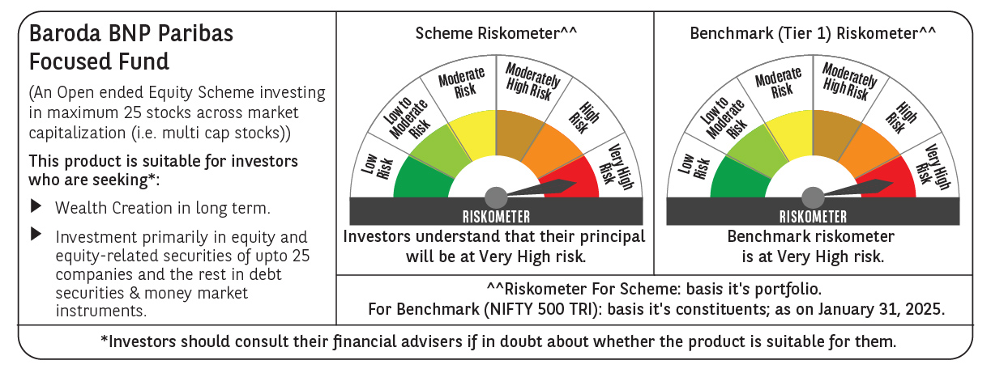
 | Baroda BNP Paribas Focused Fund

 | Monthly Portfolio Statement as on January 31, 2025
 | Name of the Instrument | ISIN | Industry | Quantity | Market/Fair Value (Rs. in Lakhs) | % to Net Assets | YTM~ | YTC^ | null
 | Equity & Equity related
 | (a) Listed / awaiting listing on Stock Exchanges
HDFB03 | HDFC Bank Limited | INE040A01034 | Banks | 325,000 | 5,520.94 | 8.59%
PHFP02 | PNB Housing Finance Limited | INE572E01012 | Finance | 440,842 | 3,871.47 | 6.03%
IBCL05 | ICICI Bank Limited | INE090A01021 | Banks | 300,000 | 3,758.40 | 5.85%
HPEC01 | Hindustan Petroleum Corporation Limited | INE094A01015 | Petroleum Products | 950,000 | 3,403.38 | 5.30%
PGCI01 | Power Grid Corporation of India Limited | INE752E01010 | Power | 1,100,000 | 3,318.15 | 5.17%
WIPR02 | Wipro Limited | INE075A01022 | IT - Software | 1,025,000 | 3,196.98 | 4.98%
HAIL03 | Havells India Limited | INE176B01034 | Consumer Durables | 200,000 | 3,132.40 | 4.88%
INFS02 | Infosys Limited | INE009A01021 | IT - Software | 160,000 | 3,007.68 | 4.68%
BKBA02 | Bank of Baroda | INE028A01039 | Banks | 1,350,000 | 2,880.77 | 4.48%
ILOM01 | ICICI Lombard General Insurance Company Limited | INE765G01017 | Insurance | 150,000 | 2,787.75 | 4.34%
MAHI02 | Mahindra & Mahindra Limited | INE101A01026 | Automobiles | 90,000 | 2,690.87 | 4.19%
TPOW02 | Tata Power Company Limited | INE245A01021 | Power | 700,000 | 2,551.50 | 3.97%
ZMPL01 | Zomato Limited | INE758T01015 | Retailing | 1,100,000 | 2,423.85 | 3.77%
ESMC02 | PB Fintech Limited | INE417T01026 | Financial Technology (Fintech) | 140,000 | 2,417.52 | 3.76%
CHEL02 | Zydus Lifesciences Limited | INE010B01027 | Pharmaceuticals & Biotechnology | 210,000 | 2,037.53 | 3.17%
METR01 | Metropolis Healthcare Limited | INE112L01020 | Healthcare Services | 105,642 | 1,898.28 | 2.96%
MCEX01 | Multi Commodity Exchange of India Limited | INE745G01035 | Capital Markets | 33,000 | 1,891.87 | 2.95%
ALLI02 | GE Vernova T&D India Limited | INE200A01026 | Electrical Equipment | 100,000 | 1,787.50 | 2.78%
OIIL01 | Oil India Limited | INE274J01014 | Oil | 425,000 | 1,786.91 | 2.78%
LARS02 | Larsen & Toubro Limited | INE018A01030 | Construction | 50,000 | 1,783.70 | 2.78%
SPIL03 | Sun Pharmaceutical Industries Limited | INE044A01036 | Pharmaceuticals & Biotechnology | 100,000 | 1,743.95 | 2.71%
BHEL02 | Bharat Electronics Limited | INE263A01024 | Aerospace & Defense | 500,000 | 1,463.25 | 2.28%
SAEL02 | TVS Motor Company Limited | INE494B01023 | Automobiles | 55,000 | 1,351.85 | 2.10%
VMML01 | Vishal Mega Mart Limited | INE01EA01019 | Retailing | 641,060 | 692.02 | 1.08%
 | Sub Total |  |  |  | 61,398.52 | 95.58%
 | (b) Unlisted |  |  |  | NIL | NIL
 | Sub Total |  |  |  | NIL | NIL
 | Total |  |  |  | 61,398.52 | 95.58%
 | Reverse Repo / TREPS
TRP_030225 | Clearing Corporation of India Ltd |  |  |  | 2,868.44 | 4.47% | 6.54%
 | Sub Total |  |  |  | 2,868.44 | 4.47%
 | Total |  |  |  | 2,868.44 | 4.47%
 | Net Receivables / (Payables) |  |  |  | (31.96) | (0.05)%
 | GRAND TOTAL |  |  |  | 64,235.00 | 100.00%

 | ~ YTM as on January 31, 2025
 | ^ YTC represents Yield to Call provided by valuation agencies as on January 31, 2025. It is disclosed for Perpetual Bond issued by Banks (i.e. AT-1 Bond / Tier 1 Bond / Tier 2 Bond), as per AMFI Best Practices Guidelines Circular no. 135/BP/91/2020-21 read with SEBI circular No. SEBI/HO/IMD/DF4/CIR/P/2021/034 on Valuation of AT-1 Bonds and Tier 2 Bonds.

