Monthly Portfolio
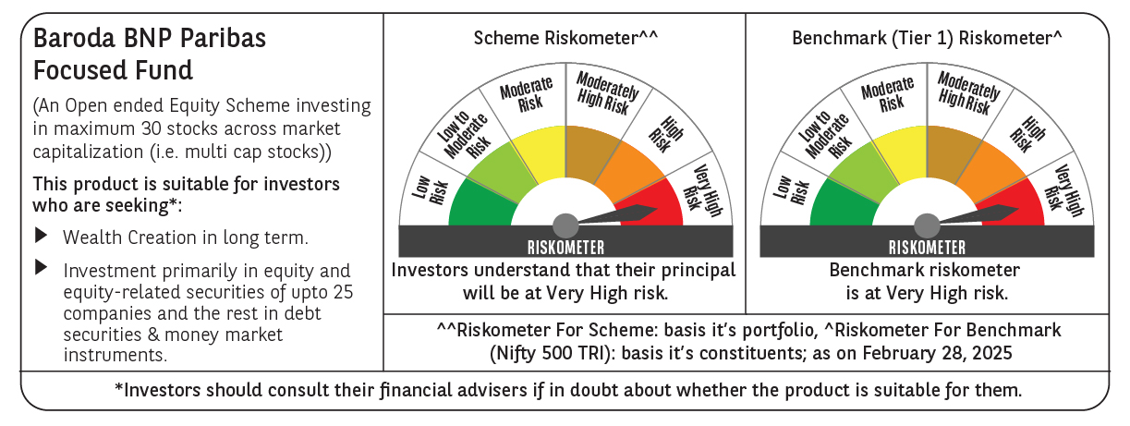
 | Baroda BNP Paribas Focused Fund

 | Monthly Portfolio Statement as on March 31, 2025
 | Name of the Instrument | ISIN | Industry | Quantity | Market/Fair Value (Rs. in Lakhs) | % to Net Assets | YTM~ | YTC^ | null
 | Equity & Equity related
 | (a) Listed / awaiting listing on Stock Exchanges
HDFB03 | HDFC Bank Limited | INE040A01034 | Banks | 325,000 | 5,941.65 | 9.37%
IBCL05 | ICICI Bank Limited | INE090A01021 | Banks | 325,000 | 4,382.14 | 6.91%
PHFP02 | PNB Housing Finance Limited | INE572E01012 | Finance | 450,000 | 3,966.75 | 6.25%
HPEC01 | Hindustan Petroleum Corporation Limited | INE094A01015 | Petroleum Products | 950,000 | 3,423.33 | 5.40%
PGCI01 | Power Grid Corporation of India Limited | INE752E01010 | Power | 1,100,000 | 3,193.85 | 5.04%
BKBA02 | Bank of Baroda | INE028A01039 | Banks | 1,350,000 | 3,085.16 | 4.86%
WIPR02 | Wipro Limited | INE075A01022 | IT - Software | 1,100,000 | 2,884.75 | 4.55%
ILOM01 | ICICI Lombard General Insurance Company Limited | INE765G01017 | Insurance | 150,000 | 2,689.28 | 4.24%
TPOW02 | Tata Power Company Limited | INE245A01021 | Power | 700,000 | 2,627.80 | 4.14%
MCEX01 | Multi Commodity Exchange of India Limited | INE745G01035 | Capital Markets | 45,000 | 2,390.29 | 3.77%
KOMA02 | Kotak Mahindra Bank Limited | INE237A01028 | Banks | 110,000 | 2,388.32 | 3.77%
ESMC02 | PB Fintech Limited | INE417T01026 | Financial Technology (Fintech) | 140,000 | 2,225.65 | 3.51%
VNBL03 | Varun Beverages Limited | INE200M01039 | Beverages | 400,000 | 2,158.60 | 3.40%
ALLI02 | GE Vernova T&D India Limited | INE200A01026 | Electrical Equipment | 125,000 | 1,948.44 | 3.07%
ZMPL01 | Zomato Limited | INE758T01015 | Retailing | 925,000 | 1,865.73 | 2.94%
CHEL02 | Zydus Lifesciences Limited | INE010B01027 | Pharmaceuticals & Biotechnology | 210,000 | 1,861.44 | 2.93%
LARS02 | Larsen & Toubro Limited | INE018A01030 | Construction | 50,000 | 1,746.15 | 2.75%
SPIL03 | Sun Pharmaceutical Industries Limited | INE044A01036 | Pharmaceuticals & Biotechnology | 100,000 | 1,734.70 | 2.74%
PAGE01 | Page Industries Limited | INE761H01022 | Textiles & Apparels | 4,000 | 1,707.75 | 2.69%
KAYN01 | Kaynes Technology India Limited | INE918Z01012 | Industrial Manufacturing | 35,000 | 1,661.57 | 2.62%
HAIL03 | Havells India Limited | INE176B01034 | Consumer Durables | 100,000 | 1,528.90 | 2.41%
BHEL02 | Bharat Electronics Limited | INE263A01024 | Aerospace & Defense | 500,000 | 1,506.60 | 2.38%
MAHI02 | Mahindra & Mahindra Limited | INE101A01026 | Automobiles | 55,000 | 1,466.19 | 2.31%
MOSU03 | Samvardhana Motherson International Limited | INE775A01035 | Auto Components | 1,000,000 | 1,309.60 | 2.06%
VMML01 | Vishal Mega Mart Limited | INE01EA01019 | Retailing | 950,000 | 990.28 | 1.56%
DIXO02 | Dixon Technologies (India) Limited | INE935N01020 | Consumer Durables | 6,000 | 790.77 | 1.25%
 | Sub Total |  |  |  | 61,475.69 | 96.92%
 | (b) Unlisted |  |  |  | NIL | NIL
 | Sub Total |  |  |  | NIL | NIL
 | Total |  |  |  | 61,475.69 | 96.92%
 | Reverse Repo / TREPS
TRP_020425 | Clearing Corporation of India Ltd |  |  |  | 2,040.55 | 3.22% | 6.68%
 | Sub Total |  |  |  | 2,040.55 | 3.22%
 | Total |  |  |  | 2,040.55 | 3.22%
 | Net Receivables / (Payables) |  |  |  | (90.77) | (0.14)%
 | GRAND TOTAL |  |  |  | 63,425.47 | 100.00%

 | ~ YTM as on March 31, 2025
 | ^ YTC represents Yield to Call provided by valuation agencies as on March 31, 2025. It is disclosed for Perpetual Bond issued by Banks (i.e. AT-1 Bond / Tier 1 Bond / Tier 2 Bond), as per AMFI Best Practices Guidelines Circular no. 135/BP/91/2020-21 read with SEBI circular No. SEBI/HO/IMD/DF4/CIR/P/2021/034 on Valuation of AT-1 Bonds and Tier 2 Bonds.

