T0ME20
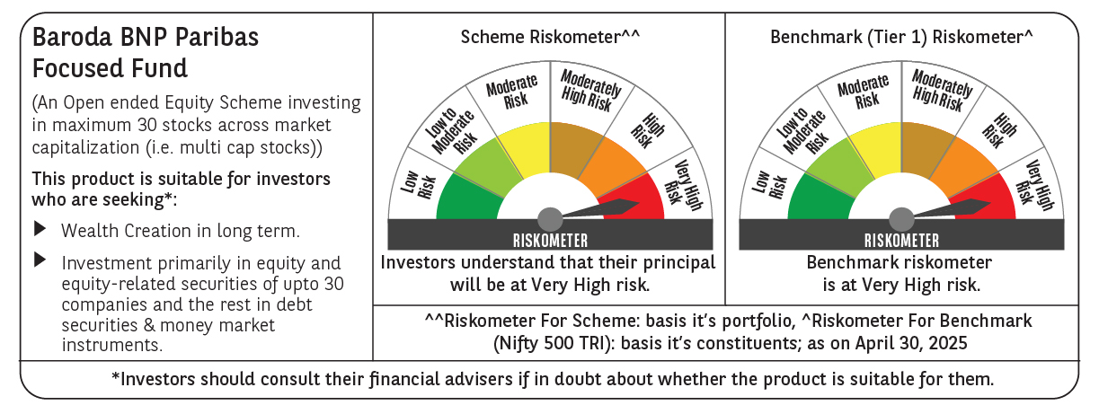
 | Baroda BNP Paribas Focused Fund

 | Monthly Portfolio Statement as on April 30, 2025
 | Name of the Instrument | ISIN | Industry | Quantity | Market/Fair Value (Rs. in Lakhs) | % to Net Assets | YTM~ | YTC^ | null
 | Equity & Equity related
 | (a) Listed / awaiting listing on Stock Exchanges
HDFB03 | HDFC Bank Limited | INE040A01034 | Banks | 325,000 | 6,256.25 | 9.33%
IBCL05 | ICICI Bank Limited | INE090A01021 | Banks | 325,000 | 4,637.75 | 6.92%
HPEC01 | Hindustan Petroleum Corporation Limited | INE094A01015 | Petroleum Products | 950,000 | 3,597.65 | 5.37%
PHFP02 | PNB Housing Finance Limited | INE572E01012 | Finance | 350,000 | 3,535.70 | 5.28%
BKBA02 | Bank of Baroda | INE028A01039 | Banks | 1,350,000 | 3,374.06 | 5.03%
KOMA02 | Kotak Mahindra Bank Limited | INE237A01028 | Banks | 150,000 | 3,312.15 | 4.94%
ASPA02 | Asian Paints Limited | INE021A01026 | Consumer Durables | 125,000 | 3,032.13 | 4.52%
INFS02 | Infosys Limited | INE009A01021 | IT - Software | 200,000 | 3,000.20 | 4.48%
ILOM01 | ICICI Lombard General Insurance Company Limited | INE765G01017 | Insurance | 150,000 | 2,814.75 | 4.20%
MCEX01 | Multi Commodity Exchange of India Limited | INE745G01035 | Capital Markets | 45,000 | 2,757.60 | 4.11%
SPIL03 | Sun Pharmaceutical Industries Limited | INE044A01036 | Pharmaceuticals & Biotechnology | 150,000 | 2,748.45 | 4.10%
TPOW02 | Tata Power Company Limited | INE245A01021 | Power | 700,000 | 2,690.80 | 4.01%
PAGE01 | Page Industries Limited | INE761H01022 | Textiles & Apparels | 5,000 | 2,280.75 | 3.40%
LUPL02 | Lupin Limited | INE326A01037 | Pharmaceuticals & Biotechnology | 100,000 | 2,095.60 | 3.13%
KAYN01 | Kaynes Technology India Limited | INE918Z01012 | Industrial Manufacturing | 35,000 | 2,011.52 | 3.00%
ALLI02 | GE Vernova T&D India Limited | INE200A01026 | Electrical Equipment | 125,000 | 1,957.63 | 2.92%
MOSU03 | Samvardhana Motherson International Limited | INE775A01035 | Auto Components | 1,300,000 | 1,732.51 | 2.58%
LARS02 | Larsen & Toubro Limited | INE018A01030 | Construction | 50,000 | 1,670.50 | 2.49%
MAHI02 | Mahindra & Mahindra Limited | INE101A01026 | Automobiles | 55,000 | 1,610.84 | 2.40%
BHEL02 | Bharat Electronics Limited | INE263A01024 | Aerospace & Defense | 500,000 | 1,570.50 | 2.34%
PGCI01 | Power Grid Corporation of India Limited | INE752E01010 | Power | 500,000 | 1,537.25 | 2.29%
ZMPL01 | Eternal Limited | INE758T01015 | Retailing | 600,000 | 1,395.12 | 2.08%
WIPR02 | Wipro Limited | INE075A01022 | IT - Software | 500,000 | 1,207.50 | 1.80%
VMML01 | Vishal Mega Mart Limited | INE01EA01019 | Retailing | 950,000 | 1,125.56 | 1.68%
DIXO02 | Dixon Technologies (India) Limited | INE935N01020 | Consumer Durables | 6,000 | 987.12 | 1.47%
 | Sub Total |  |  |  | 62,939.89 | 93.87%
 | (b) Unlisted |  |  |  | NIL | NIL
 | Sub Total |  |  |  | NIL | NIL
 | Total |  |  |  | 62,939.89 | 93.87%
 | Reverse Repo / TREPS
TRP_020525 | Clearing Corporation of India Ltd |  |  |  | 2,207.36 | 3.29% | 5.94%
 | Sub Total |  |  |  | 2,207.36 | 3.29%
 | Total |  |  |  | 2,207.36 | 3.29%
 | Net Receivables / (Payables) |  |  |  | 1,876.75 | 2.84%
 | GRAND TOTAL |  |  |  | 67,024.00 | 100.00%

 | ~ YTM as on April 30, 2025
 | ^ YTC represents Yield to Call provided by valuation agencies as on April 30, 2025. It is disclosed for Perpetual Bond issued by Banks (i.e. AT-1 Bond / Tier 1 Bond / Tier 2 Bond), as per AMFI Best Practices Guidelines Circular no. 135/BP/91/2020-21 read with SEBI circular No. SEBI/HO/IMD/DF4/CIR/P/2021/034 on Valuation of AT-1 Bonds and Tier 2 Bonds.

