T0ME20
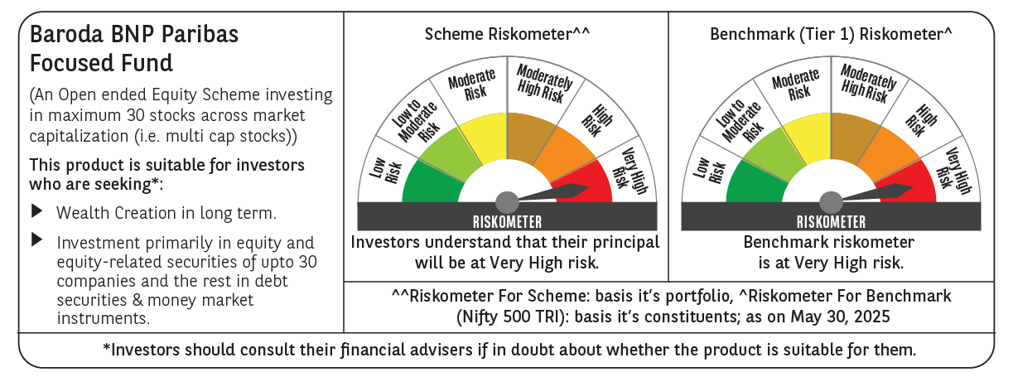
 | Baroda BNP Paribas Focused Fund

 | Monthly Portfolio Statement as on May 31, 2025
 | Name of the Instrument | ISIN | Industry | Quantity | Market/Fair Value (Rs. in Lakhs) | % to Net Assets | YTM~ | YTC^ | null
 | Equity & Equity related
 | (a) Listed / awaiting listing on Stock Exchanges
HDFB03 | HDFC Bank Limited | INE040A01034 | Banks | 325,000 | 6,320.93 | 9.22%
IBCL05 | ICICI Bank Limited | INE090A01021 | Banks | 325,000 | 4,698.85 | 6.86%
HPEC01 | Hindustan Petroleum Corporation Limited | INE094A01015 | Petroleum Products | 1,000,000 | 4,110.50 | 6.00%
SPIL03 | Sun Pharmaceutical Industries Limited | INE044A01036 | Pharmaceuticals & Biotechnology | 225,000 | 3,774.60 | 5.51%
KOMA02 | Kotak Mahindra Bank Limited | INE237A01028 | Banks | 180,000 | 3,734.46 | 5.45%
BTVL02 | Bharti Airtel Limited | INE397D01024 | Telecom - Services | 200,000 | 3,712.40 | 5.42%
BKBA02 | Bank of Baroda | INE028A01039 | Banks | 1,350,000 | 3,368.93 | 4.92%
TPOW02 | Tata Power Company Limited | INE245A01021 | Power | 800,000 | 3,142.40 | 4.59%
INFS02 | Infosys Limited | INE009A01021 | IT - Software | 200,000 | 3,125.40 | 4.56%
ILOM01 | ICICI Lombard General Insurance Company Limited | INE765G01017 | Insurance | 165,000 | 3,094.41 | 4.52%
PHFP02 | PNB Housing Finance Limited | INE572E01012 | Finance | 250,000 | 2,612.25 | 3.81%
PAGE01 | Page Industries Limited | INE761H01022 | Textiles & Apparels | 5,000 | 2,319.00 | 3.38%
KAYN01 | Kaynes Technology India Limited | INE918Z01012 | Industrial Manufacturing | 35,000 | 2,093.00 | 3.05%
LUPL02 | Lupin Limited | INE326A01037 | Pharmaceuticals & Biotechnology | 100,000 | 1,957.70 | 2.86%
SHTR02 | Shriram Finance Limited | INE721A01047 | Finance | 300,000 | 1,918.05 | 2.80%
HLEL02 | Hindustan Unilever Limited | INE030A01027 | Diversified FMCG | 75,000 | 1,761.23 | 2.57%
MAHI02 | Mahindra & Mahindra Limited | INE101A01026 | Automobiles | 55,000 | 1,637.24 | 2.39%
LARS02 | Larsen & Toubro Limited | INE018A01030 | Construction | 40,000 | 1,470.04 | 2.15%
BHEL02 | Bharat Electronics Limited | INE263A01024 | Aerospace & Defense | 350,000 | 1,346.10 | 1.96%
MCEX01 | Multi Commodity Exchange of India Limited | INE745G01035 | Capital Markets | 20,000 | 1,320.40 | 1.93%
VMML01 | Vishal Mega Mart Limited | INE01EA01019 | Retailing | 1,050,000 | 1,308.93 | 1.91%
OIIL01 | Oil India Limited | INE274J01014 | Oil | 300,000 | 1,280.40 | 1.87%
ALLI02 | GE Vernova T&D India Limited | INE200A01026 | Electrical Equipment | 50,000 | 1,120.70 | 1.64%
INAV01 | InterGlobe Aviation Limited | INE646L01027 | Transport Services | 15,000 | 799.50 | 1.17%
TEMA02 | Tech Mahindra Limited | INE669C01036 | IT - Software | 50,000 | 786.95 | 1.15%
MOSU03 | Samvardhana Motherson International Limited | INE775A01035 | Auto Components | 500,000 | 765.60 | 1.12%
 | Sub Total |  |  |  | 63,579.97 | 92.81%
 | (b) Unlisted |  |  |  | NIL | NIL
 | Sub Total |  |  |  | NIL | NIL
 | Total |  |  |  | 63,579.97 | 92.81%
 | Reverse Repo / TREPS
TRP_020625 | Clearing Corporation of India Ltd |  |  |  | 4,977.54 | 7.26% | 5.77%
 | Sub Total |  |  |  | 4,977.54 | 7.26%
 | Total |  |  |  | 4,977.54 | 7.26%
 | Net Receivables / (Payables) |  |  |  | (35.69) | (0.07)%
 | GRAND TOTAL |  |  |  | 68,521.82 | 100.00%

 | ~ YTM as on May 31, 2025
 | ^ YTC represents Yield to Call provided by valuation agencies as on May 31, 2025. It is disclosed for Perpetual Bond issued by Banks (i.e. AT-1 Bond / Tier 1 Bond / Tier 2 Bond), as per AMFI Best Practices Guidelines Circular no. 135/BP/91/2020-21 read with SEBI circular No. SEBI/HO/IMD/DF4/CIR/P/2021/034 on Valuation of AT-1 Bonds and Tier 2 Bonds.

