T0ME20
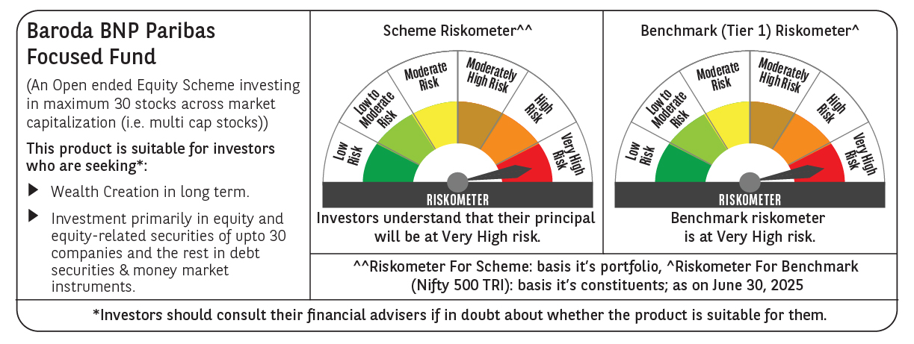
 | Baroda BNP Paribas Focused Fund

 | Monthly Portfolio Statement as on June 30, 2025
 | Name of the Instrument | ISIN | Industry | Quantity | Market/Fair Value (Rs. in Lakhs) | % to Net Assets | YTM~ | YTC^ | null
 | Equity & Equity related
 | (a) Listed / awaiting listing on Stock Exchanges
HDFB03 | HDFC Bank Limited | INE040A01034 | Banks | 325,000 | 6,504.88 | 9.06%
IBCL05 | ICICI Bank Limited | INE090A01021 | Banks | 325,000 | 4,698.85 | 6.55%
HPEC01 | Hindustan Petroleum Corporation Limited | INE094A01015 | Petroleum Products | 1,000,000 | 4,380.50 | 6.10%
BTVL02 | Bharti Airtel Limited | INE397D01024 | Telecom - Services | 200,000 | 4,019.20 | 5.60%
KOMA02 | Kotak Mahindra Bank Limited | INE237A01028 | Banks | 180,000 | 3,894.30 | 5.43%
SPIL03 | Sun Pharmaceutical Industries Limited | INE044A01036 | Pharmaceuticals & Biotechnology | 225,000 | 3,770.33 | 5.25%
ILOM01 | ICICI Lombard General Insurance Company Limited | INE765G01017 | Insurance | 165,000 | 3,366.33 | 4.69%
BKBA02 | Bank of Baroda | INE028A01039 | Banks | 1,350,000 | 3,358.53 | 4.68%
TPOW02 | Tata Power Company Limited | INE245A01021 | Power | 800,000 | 3,243.60 | 4.52%
MAHE01 | Max Healthcare Institute Limited | INE027H01010 | Healthcare Services | 250,000 | 3,190.00 | 4.44%
PHFP02 | PNB Housing Finance Limited | INE572E01012 | Finance | 250,000 | 2,773.50 | 3.86%
PAGE01 | Page Industries Limited | INE761H01022 | Textiles & Apparels | 5,000 | 2,470.50 | 3.44%
INFS02 | Infosys Limited | INE009A01021 | IT - Software | 150,000 | 2,402.70 | 3.35%
SHTR02 | Shriram Finance Limited | INE721A01047 | Finance | 300,000 | 2,120.55 | 2.95%
INAV01 | InterGlobe Aviation Limited | INE646L01027 | Transport Services | 32,500 | 1,942.36 | 2.71%
TEMA02 | Tech Mahindra Limited | INE669C01036 | IT - Software | 115,000 | 1,940.05 | 2.70%
LUPL02 | Lupin Limited | INE326A01037 | Pharmaceuticals & Biotechnology | 100,000 | 1,938.00 | 2.70%
VMML01 | Vishal Mega Mart Limited | INE01EA01019 | Retailing | 1,400,000 | 1,875.72 | 2.61%
MCEX01 | Multi Commodity Exchange of India Limited | INE745G01035 | Capital Markets | 20,000 | 1,788.80 | 2.49%
MAHI02 | Mahindra & Mahindra Limited | INE101A01026 | Automobiles | 55,000 | 1,750.76 | 2.44%
LARS02 | Larsen & Toubro Limited | INE018A01030 | Construction | 40,000 | 1,467.92 | 2.05%
OIIL01 | Oil India Limited | INE274J01014 | Oil | 300,000 | 1,302.75 | 1.81%
BHEL02 | Bharat Electronics Limited | INE263A01024 | Aerospace & Defense | 275,000 | 1,159.13 | 1.61%
ALLI02 | GE Vernova T&D India Limited | INE200A01026 | Electrical Equipment | 39,529 | 933.32 | 1.30%
ONCO02 | One 97 Communications Limited | INE982J01020 | Financial Technology (Fintech) | 100,000 | 924.00 | 1.29%
INKN01 | Inventurus Knowledge Solutions Limited | INE115Q01022 | IT - Services | 50,000 | 805.05 | 1.12%
IHOT02 | The Indian Hotels Company Limited | INE053A01029 | Leisure Services | 100,000 | 760.30 | 1.06%
 | Sub Total |  |  |  | 68,781.93 | 95.81%
 | (b) Unlisted |  |  |  | NIL | NIL
 | Sub Total |  |  |  | NIL | NIL
 | Total |  |  |  | 68,781.93 | 95.81%
 | Reverse Repo / TREPS
TRP_010725 | Clearing Corporation of India Ltd |  |  |  | 2,835.25 | 3.95% | 5.47%
 | Sub Total |  |  |  | 2,835.25 | 3.95%
 | Total |  |  |  | 2,835.25 | 3.95%
 | Net Receivables / (Payables) |  |  |  | 161.71 | 0.24%
 | GRAND TOTAL |  |  |  | 71,778.89 | 100.00%

 | ~ YTM as on June 30, 2025
 | ^ YTC represents Yield to Call provided by valuation agencies as on June 30, 2025. It is disclosed for Perpetual Bond issued by Banks (i.e. AT-1 Bond / Tier 1 Bond / Tier 2 Bond), as per AMFI Best Practices Guidelines Circular no. 135/BP/91/2020-21 read with SEBI circular No. SEBI/HO/IMD/DF4/CIR/P/2021/034 on Valuation of AT-1 Bonds and Tier 2 Bonds.

