T0ME20
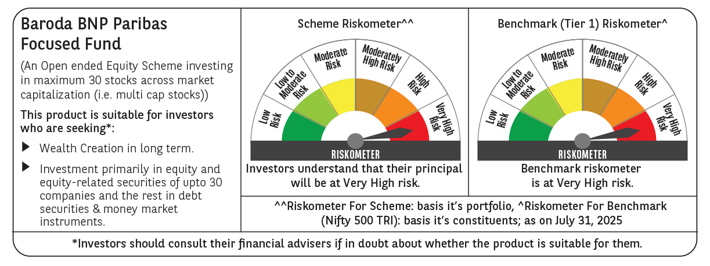
 | Baroda BNP Paribas Focused Fund

 | Monthly Portfolio Statement as on July 31, 2025
 | Name of the Instrument | ISIN | Industry | Quantity | Market/Fair Value (Rs. in Lakhs) | % to Net Assets | YTM~ | YTC^ | null
 | Equity & Equity related
 | (a) Listed / awaiting listing on Stock Exchanges
HDFB03 | HDFC Bank Limited | INE040A01034 | Banks | 325,000 | 6,559.15 | 9.39%
IBCL05 | ICICI Bank Limited | INE090A01021 | Banks | 325,000 | 4,814.55 | 6.89%
HPEC01 | Hindustan Petroleum Corporation Limited | INE094A01015 | Petroleum Products | 1,000,000 | 4,184.50 | 5.99%
SPIL03 | Sun Pharmaceutical Industries Limited | INE044A01036 | Pharmaceuticals & Biotechnology | 225,000 | 3,840.08 | 5.50%
BTVL02 | Bharti Airtel Limited | INE397D01024 | Telecom - Services | 200,000 | 3,828.60 | 5.48%
KOMA02 | Kotak Mahindra Bank Limited | INE237A01028 | Banks | 180,000 | 3,561.48 | 5.10%
BKBA02 | Bank of Baroda | INE028A01039 | Banks | 1,350,000 | 3,211.25 | 4.60%
TPOW02 | Tata Power Company Limited | INE245A01021 | Power | 800,000 | 3,182.00 | 4.56%
ILOM01 | ICICI Lombard General Insurance Company Limited | INE765G01017 | Insurance | 165,000 | 3,179.55 | 4.55%
MAHE01 | Max Healthcare Institute Limited | INE027H01010 | Healthcare Services | 250,000 | 3,115.00 | 4.46%
PHFP02 | PNB Housing Finance Limited | INE572E01012 | Finance | 250,000 | 2,465.50 | 3.53%
PAGE01 | Page Industries Limited | INE761H01022 | Textiles & Apparels | 5,000 | 2,440.25 | 3.49%
INFS02 | Infosys Limited | INE009A01021 | IT - Software | 150,000 | 2,263.50 | 3.24%
INAV01 | InterGlobe Aviation Limited | INE646L01027 | Transport Services | 35,000 | 2,068.68 | 2.96%
VMML01 | Vishal Mega Mart Limited | INE01EA01019 | Retailing | 1,400,000 | 1,953.56 | 2.80%
LUPL02 | Lupin Limited | INE326A01037 | Pharmaceuticals & Biotechnology | 100,000 | 1,929.10 | 2.76%
SHTR02 | Shriram Finance Limited | INE721A01047 | Finance | 300,000 | 1,892.55 | 2.71%
MAHI02 | Mahindra & Mahindra Limited | INE101A01026 | Automobiles | 55,000 | 1,761.71 | 2.52%
TEMA02 | Tech Mahindra Limited | INE669C01036 | IT - Software | 115,000 | 1,683.26 | 2.41%
MCEX01 | Multi Commodity Exchange of India Limited | INE745G01035 | Capital Markets | 20,000 | 1,538.60 | 2.20%
LARS02 | Larsen & Toubro Limited | INE018A01030 | Construction | 40,000 | 1,454.60 | 2.08%
ALLI02 | GE Vernova T&D India Limited | INE200A01026 | Electrical Equipment | 39,529 | 1,077.88 | 1.54%
BHEL02 | Bharat Electronics Limited | INE263A01024 | Aerospace & Defense | 275,000 | 1,053.53 | 1.51%
OIIL01 | Oil India Limited | INE274J01014 | Oil | 200,000 | 880.00 | 1.26%
BLTE01 | Swiggy Limited | INE00H001014 | Retailing | 200,000 | 807.50 | 1.16%
INKN01 | Inventurus Knowledge Solutions Limited | INE115Q01022 | IT - Services | 50,000 | 793.50 | 1.14%
IHOT02 | The Indian Hotels Company Limited | INE053A01029 | Leisure Services | 100,000 | 740.75 | 1.06%
 | Sub Total |  |  |  | 66,280.63 | 94.89%
 | (b) Unlisted |  |  |  | NIL | NIL
 | Sub Total |  |  |  | NIL | NIL
 | Total |  |  |  | 66,280.63 | 94.89%
 | Reverse Repo / TREPS
TRP_010825 | Clearing Corporation of India Ltd |  |  |  | 3,626.83 | 5.19% | 5.42%
 | Sub Total |  |  |  | 3,626.83 | 5.19%
 | Total |  |  |  | 3,626.83 | 5.19%
 | Net Receivables / (Payables) |  |  |  | (61.51) | (0.08)%
 | GRAND TOTAL |  |  |  | 69,845.95 | 100.00%

 | ~ YTM as on July 31, 2025
 | ^ YTC represents Yield to Call provided by valuation agencies as on July 31, 2025. It is disclosed for Perpetual Bond issued by Banks (i.e. AT-1 Bond / Tier 1 Bond / Tier 2 Bond), as per AMFI Best Practices Guidelines Circular no. 135/BP/91/2020-21 read with SEBI circular No. SEBI/HO/IMD/DF4/CIR/P/2021/034 on Valuation of AT-1 Bonds and Tier 2 Bonds.

