T0ME20
 | Baroda BNP Paribas Focused Fund

 | Monthly Portfolio Statement as on August 31, 2025
 | Name of the Instrument | ISIN | Industry | Quantity | Market/Fair Value (Rs. in Lakhs) | % to Net Assets | YTM~ | YTC^ | null
 | Equity & Equity related
 | (a) Listed / awaiting listing on Stock Exchanges
HDFB03 | HDFC Bank Limited | INE040A01034 | Banks | 650,000 | 6,185.40 | 9.25%
IBCL05 | ICICI Bank Limited | INE090A01021 | Banks | 350,000 | 4,892.30 | 7.32%
BTVL02 | Bharti Airtel Limited | INE397D01024 | Telecom - Services | 225,000 | 4,249.80 | 6.35%
HPEC01 | Hindustan Petroleum Corporation Limited | INE094A01015 | Petroleum Products | 1,000,000 | 3,759.00 | 5.62%
SPIL03 | Sun Pharmaceutical Industries Limited | INE044A01036 | Pharmaceuticals & Biotechnology | 225,000 | 3,587.63 | 5.36%
KOMA02 | Kotak Mahindra Bank Limited | INE237A01028 | Banks | 180,000 | 3,528.54 | 5.28%
ILOM01 | ICICI Lombard General Insurance Company Limited | INE765G01017 | Insurance | 165,000 | 3,035.34 | 4.54%
MAHE01 | Max Healthcare Institute Limited | INE027H01010 | Healthcare Services | 250,000 | 2,885.75 | 4.32%
LARS02 | Larsen & Toubro Limited | INE018A01030 | Construction | 75,000 | 2,700.75 | 4.04%
BKBA02 | Bank of Baroda | INE028A01039 | Banks | 1,100,000 | 2,561.13 | 3.83%
TEMA02 | Tech Mahindra Limited | INE669C01036 | IT - Software | 167,500 | 2,481.35 | 3.71%
INAV01 | InterGlobe Aviation Limited | INE646L01027 | Transport Services | 40,000 | 2,258.40 | 3.38%
PAGE01 | Page Industries Limited | INE761H01022 | Textiles & Apparels | 5,000 | 2,216.75 | 3.31%
INFS02 | Infosys Limited | INE009A01021 | IT - Software | 150,000 | 2,204.40 | 3.30%
VMML01 | Vishal Mega Mart Limited | INE01EA01019 | Retailing | 1,400,000 | 2,091.74 | 3.13%
BLTE01 | Swiggy Limited | INE00H001014 | Retailing | 500,000 | 2,048.75 | 3.06%
MAHI02 | Mahindra & Mahindra Limited | INE101A01026 | Automobiles | 55,000 | 1,759.73 | 2.63%
BHEL02 | Bharat Electronics Limited | INE263A01024 | Aerospace & Defense | 475,000 | 1,754.65 | 2.62%
SHTR02 | Shriram Finance Limited | INE721A01047 | Finance | 300,000 | 1,740.75 | 2.60%
IHOT02 | The Indian Hotels Company Limited | INE053A01029 | Leisure Services | 200,000 | 1,516.90 | 2.27%
MCEX01 | Multi Commodity Exchange of India Limited | INE745G01035 | Capital Markets | 20,000 | 1,478.00 | 2.21%
TPOW02 | Tata Power Company Limited | INE245A01021 | Power | 350,000 | 1,309.53 | 1.96%
ONCO02 | One 97 Communications Limited | INE982J01020 | Financial Technology (Fintech) | 100,000 | 1,207.00 | 1.80%
INKN01 | Inventurus Knowledge Solutions Limited | INE115Q01022 | IT - Services | 75,000 | 1,135.65 | 1.70%
HYUN01 | Hyundai Motor India Ltd | INE0V6F01027 | Automobiles | 40,000 | 984.16 | 1.47%
ALLI02 | GE Vernova T&D India Limited | INE200A01026 | Electrical Equipment | 30,000 | 833.76 | 1.25%
 | Sub Total |  |  |  | 64,407.16 | 96.31%
 | (b) Unlisted |  |  |  | NIL | NIL
 | Sub Total |  |  |  | NIL | NIL
 | Total |  |  |  | 64,407.16 | 96.31%
 | Reverse Repo / TREPS
TRP_010925 | Clearing Corporation of India Ltd |  |  |  | 2,499.96 | 3.74% | 5.39%
 | Sub Total |  |  |  | 2,499.96 | 3.74%
 | Total |  |  |  | 2,499.96 | 3.74%
 | Net Receivables / (Payables) |  |  |  | (31.57) | (0.05)%
 | GRAND TOTAL |  |  |  | 66,875.55 | 100.00%

 | ~ YTM as on August 31, 2025
 | ^ YTC represents Yield to Call provided by valuation agencies as on August 31, 2025. It is disclosed for Perpetual Bond issued by Banks (i.e. AT-1 Bond / Tier 1 Bond / Tier 2 Bond), as per AMFI Best Practices Guidelines Circular no. 135/BP/91/2020-21 read with SEBI circular No. SEBI/HO/IMD/DF4/CIR/P/2021/034 on Valuation of AT-1 Bonds and Tier 2 Bonds.

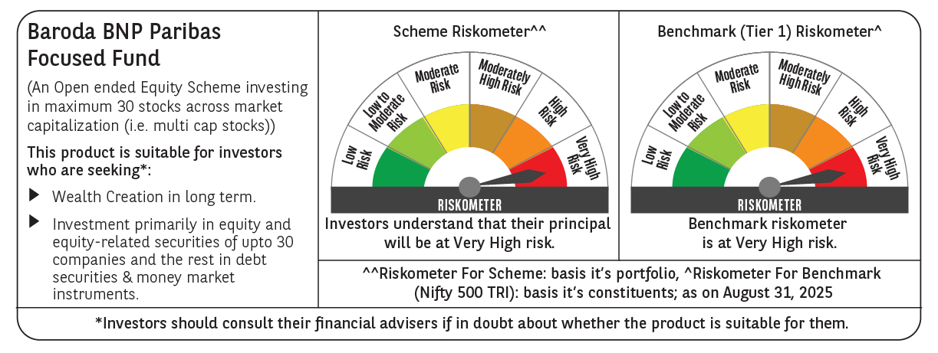

 | Monthly Performance Link: https://www.barodabnpparibasmf.in/assets/download_documents/Performance_of_Schemes_14126.pdf

