Monthly Portfolio
 | Baroda BNP Paribas Focused Fund

 | Monthly Portfolio Statement as on September 30, 2025
 | Name of the Instrument | ISIN | Industry / Rating | Quantity | Market/Fair Value (Rs. in Lakhs) | % to Net Assets | YTM~ | YTC^ | null
 | Equity & Equity related
 | (a) Listed / awaiting listing on Stock Exchanges
HDFB03 | HDFC Bank Limited | INE040A01034 | Banks | 650,000 | 6,181.50 | 9.18%
IBCL05 | ICICI Bank Limited | INE090A01021 | Banks | 350,000 | 4,718.00 | 7.00%
HPEC01 | Hindustan Petroleum Corporation Limited | INE094A01015 | Petroleum Products | 1,000,000 | 4,434.00 | 6.58%
BTVL02 | Bharti Airtel Limited | INE397D01024 | Telecom - Services | 225,000 | 4,226.40 | 6.27%
ILOM01 | ICICI Lombard General Insurance Company Limited | INE765G01017 | Insurance | 165,000 | 3,118.17 | 4.63%
MAHE01 | Max Healthcare Institute Limited | INE027H01010 | Healthcare Services | 250,000 | 2,786.75 | 4.14%
LARS02 | Larsen & Toubro Limited | INE018A01030 | Construction | 75,000 | 2,744.25 | 4.07%
BLTE01 | Swiggy Limited | INE00H001014 | Retailing | 625,000 | 2,643.44 | 3.92%
ONCO02 | One 97 Communications Limited | INE982J01020 | Financial Technology (Fintech) | 225,000 | 2,528.55 | 3.75%
TEMA02 | Tech Mahindra Limited | INE669C01036 | IT - Software | 167,500 | 2,345.50 | 3.48%
MCEX01 | Multi Commodity Exchange of India Limited | INE745G01035 | Capital Markets | 30,000 | 2,338.80 | 3.47%
VMML01 | Vishal Mega Mart Limited | INE01EA01019 | Retailing | 1,500,000 | 2,235.15 | 3.32%
INFS02 | Infosys Limited | INE009A01021 | IT - Software | 150,000 | 2,162.70 | 3.21%
MAHI02 | Mahindra & Mahindra Limited | INE101A01026 | Automobiles | 60,000 | 2,056.20 | 3.05%
HYUN01 | Hyundai Motor India Ltd | INE0V6F01027 | Automobiles | 75,000 | 1,938.30 | 2.88%
BHEL02 | Bharat Electronics Limited | INE263A01024 | Aerospace & Defense | 475,000 | 1,918.76 | 2.85%
SPIL03 | Sun Pharmaceutical Industries Limited | INE044A01036 | Pharmaceuticals & Biotechnology | 120,000 | 1,913.16 | 2.84%
SHTR02 | Shriram Finance Limited | INE721A01047 | Finance | 300,000 | 1,848.30 | 2.74%
INAV01 | InterGlobe Aviation Limited | INE646L01027 | Transport Services | 30,000 | 1,678.35 | 2.49%
IHOT02 | The Indian Hotels Company Limited | INE053A01029 | Leisure Services | 200,000 | 1,440.60 | 2.14%
FSNE01 | FSN E-Commerce Ventures Limited | INE388Y01029 | Retailing | 600,000 | 1,394.28 | 2.07%
PRRC03 | Navin Fluorine International Limited | INE048G01026 | Chemicals & Petrochemicals | 30,000 | 1,386.45 | 2.06%
TPOW02 | Tata Power Company Limited | INE245A01021 | Power | 350,000 | 1,360.28 | 2.02%
INKN01 | Inventurus Knowledge Solutions Limited | INE115Q01022 | IT - Services | 75,000 | 1,090.13 | 1.62%
KOMA02 | Kotak Mahindra Bank Limited | INE237A01028 | Banks | 45,000 | 896.72 | 1.33%
MALE02 | Poonawalla Fincorp Limited | INE511C01022 | Finance | 175,000 | 870.80 | 1.29%
ALLI02 | GE Vernova T&D India Limited | INE200A01026 | Electrical Equipment | 27,100 | 802.30 | 1.19%
 | Sub Total |  |  |  | 63,057.84 | 93.59%
 | (b) Unlisted |  |  |  | NIL | NIL
 | Sub Total |  |  |  | NIL | NIL
 | Total |  |  |  | 63,057.84 | 93.59%
 | Money Market Instruments
 | Treasury Bill
TBIL2490 | 364 Days Tbill (MD 26/03/2026) | IN002024Z503 | Sovereign | 900,000 | 876.69 | 1.30% | 5.51%
 | Sub Total |  |  |  | 876.69 | 1.30%
 | Total |  |  |  | 876.69 | 1.30%
 | Reverse Repo / TREPS
TRP_011025 | Clearing Corporation of India Ltd |  |  |  | 4,010.24 | 5.95% | 5.53%
 | Sub Total |  |  |  | 4,010.24 | 5.95%
 | Total |  |  |  | 4,010.24 | 5.95%
 | Net Receivables / (Payables) |  |  |  | (582.42) | (0.84)%
 | GRAND TOTAL |  |  |  | 67,362.35 | 100.00%

 | ~ YTM as on September 30, 2025
 | ^ YTC represents Yield to Call provided by valuation agencies as on September 30, 2025. It is disclosed for Perpetual Bond issued by Banks (i.e. AT-1 Bond / Tier 1 Bond / Tier 2 Bond), as per AMFI Best Practices Guidelines Circular no. 135/BP/91/2020-21 read with SEBI circular No. SEBI/HO/IMD/DF4/CIR/P/2021/034 on Valuation of AT-1 Bonds and Tier 2 Bonds.

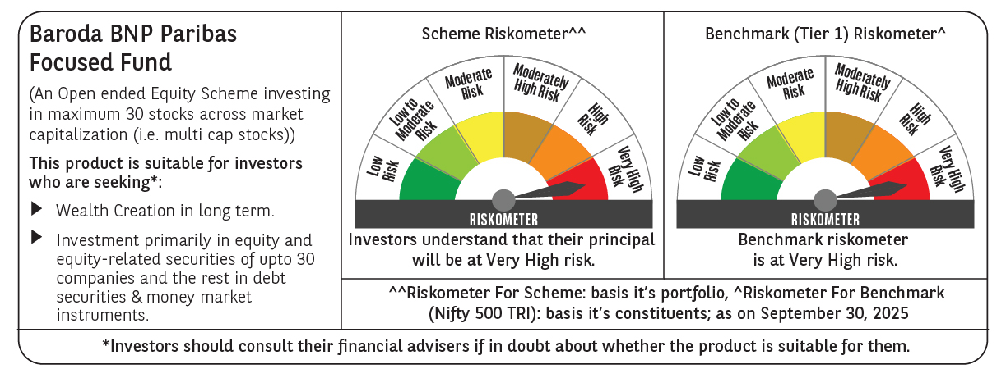

 | Monthly Performance Link: https://www.barodabnpparibasmf.in/assets/download_documents/Performance_of_Schemes_September_14618.pdf

