T0ME20
 | Baroda BNP Paribas Focused Fund

 | Monthly Portfolio Statement as on October 31, 2025
 | Name of the Instrument | ISIN | Industry / Rating | Quantity | Market/Fair Value (Rs. in Lakhs) | % to Net Assets | YTM~ | YTC^ | null
 | Equity & Equity related
 | (a) Listed / awaiting listing on Stock Exchanges
HDFB03 | HDFC Bank Limited | INE040A01034 | Banks | 650,000 | 6,417.45 | 9.07%
HPEC01 | Hindustan Petroleum Corporation Limited | INE094A01015 | Petroleum Products | 1,000,000 | 4,760.00 | 6.73%
IBCL05 | ICICI Bank Limited | INE090A01021 | Banks | 325,000 | 4,372.23 | 6.18%
BTVL02 | Bharti Airtel Limited | INE397D01024 | Telecom - Services | 210,000 | 4,314.45 | 6.10%
ONCO02 | One 97 Communications Limited | INE982J01020 | Financial Technology (Fintech) | 250,000 | 3,258.00 | 4.60%
LARS02 | Larsen & Toubro Limited | INE018A01030 | Construction | 75,000 | 3,023.18 | 4.27%
ILOM01 | ICICI Lombard General Insurance Company Limited | INE765G01017 | Insurance | 150,000 | 2,990.55 | 4.23%
MAHI02 | Mahindra & Mahindra Limited | INE101A01026 | Automobiles | 85,000 | 2,964.12 | 4.19%
MAHE01 | Max Healthcare Institute Limited | INE027H01010 | Healthcare Services | 250,000 | 2,869.50 | 4.06%
MCEX01 | Multi Commodity Exchange of India Limited | INE745G01035 | Capital Markets | 30,000 | 2,773.05 | 3.92%
BHAH02 | Bharat Heavy Electricals Limited | INE257A01026 | Electrical Equipment | 1,000,000 | 2,654.90 | 3.75%
BLTE01 | Swiggy Limited | INE00H001014 | Retailing | 625,000 | 2,562.19 | 3.62%
TEMA02 | Tech Mahindra Limited | INE669C01036 | IT - Software | 167,500 | 2,385.87 | 3.37%
HYUN01 | Hyundai Motor India Ltd | INE0V6F01027 | Automobiles | 95,000 | 2,316.77 | 3.27%
INFS02 | Infosys Limited | INE009A01021 | IT - Software | 150,000 | 2,223.45 | 3.14%
VMML01 | Vishal Mega Mart Limited | INE01EA01019 | Retailing | 1,500,000 | 2,170.35 | 3.07%
BHEL02 | Bharat Electronics Limited | INE263A01024 | Aerospace & Defense | 475,000 | 2,023.98 | 2.86%
PRRC03 | Navin Fluorine International Limited | INE048G01026 | Chemicals & Petrochemicals | 30,000 | 1,706.22 | 2.41%
SPIL03 | Sun Pharmaceutical Industries Limited | INE044A01036 | Pharmaceuticals & Biotechnology | 100,000 | 1,690.70 | 2.39%
SHTR02 | Shriram Finance Limited | INE721A01047 | Finance | 225,000 | 1,685.03 | 2.38%
FSNE01 | FSN E-Commerce Ventures Limited | INE388Y01029 | Retailing | 600,000 | 1,487.64 | 2.10%
IHOT02 | The Indian Hotels Company Limited | INE053A01029 | Leisure Services | 200,000 | 1,483.60 | 2.10%
TPOW02 | Tata Power Company Limited | INE245A01021 | Power | 350,000 | 1,417.15 | 2.00%
INKN01 | Inventurus Knowledge Solutions Limited | INE115Q01022 | IT - Services | 75,000 | 1,234.43 | 1.74%
INAV01 | InterGlobe Aviation Limited | INE646L01027 | Transport Services | 19,500 | 1,096.88 | 1.55%
MALE02 | Poonawalla Fincorp Limited | INE511C01022 | Finance | 200,000 | 963.70 | 1.36%
LGEL01 | LG Electronics India Ltd | INE324D01010 | Consumer Durables | 55,088 | 916.44 | 1.30%
ALLI02 | GE Vernova T&D India Limited | INE200A01026 | Electrical Equipment | 22,123 | 671.96 | 0.95%
 | Sub Total |  |  |  | 68,433.79 | 96.71%
 | (b) Unlisted |  |  |  | NIL | NIL
 | Sub Total |  |  |  | NIL | NIL
 | Total |  |  |  | 68,433.79 | 96.71%
 | Money Market Instruments
 | Treasury Bill
TBIL2490 | 364 Days Tbill (MD 26/03/2026) | IN002024Z503 | Sovereign | 900,000 | 880.78 | 1.24% | 5.49%
 | Sub Total |  |  |  | 880.78 | 1.24%
 | Total |  |  |  | 880.78 | 1.24%
 | Reverse Repo / TREPS
TRP_031125 | Clearing Corporation of India Ltd |  |  |  | 1,494.40 | 2.11% | 5.59%
 | Sub Total |  |  |  | 1,494.40 | 2.11%
 | Total |  |  |  | 1,494.40 | 2.11%
 | Net Receivables / (Payables) |  |  |  | (58.53) | (0.06)%
 | GRAND TOTAL |  |  |  | 70,750.44 | 100.00%

 | ~ YTM as on October 31, 2025
 | ^ YTC represents Yield to Call provided by valuation agencies as on October 31, 2025. It is disclosed for Perpetual Bond issued by Banks (i.e. AT-1 Bond / Tier 1 Bond / Tier 2 Bond), as per AMFI Best Practices Guidelines Circular no. 135/BP/91/2020-21 read with SEBI circular No. SEBI/HO/IMD/DF4/CIR/P/2021/034 on Valuation of AT-1 Bonds and Tier 2 Bonds.

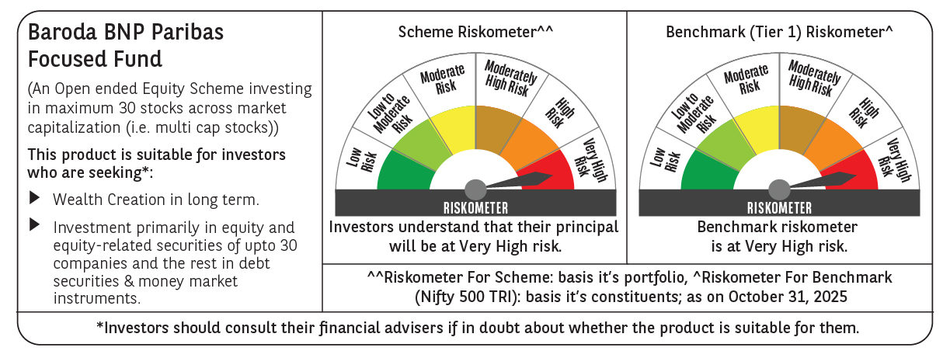

 | Monthly Performance Link: https://www.barodabnpparibasmf.in/assets/download_documents/Performance_of_Schemes-October_2025_15267.pdf

