T0ME20
 | Baroda BNP Paribas Focused Fund

 | Monthly Portfolio Statement as on November 30, 2025
 | Name of the Instrument | ISIN | Industry | Quantity | Market/Fair Value (Rs. in Lakhs) | % to Net Assets | YTM~ | YTC^ | null
 | Equity & Equity related
 | (a) Listed / awaiting listing on Stock Exchanges
HDFB03 | HDFC Bank Limited | INE040A01034 | Banks | 650,000 | 6,549.40 | 9.11%
HPEC01 | Hindustan Petroleum Corporation Limited | INE094A01015 | Petroleum Products | 750,000 | 3,431.25 | 4.77%
ONCO02 | One 97 Communications Limited | INE982J01020 | Financial Technology (Fintech) | 250,000 | 3,301.50 | 4.59%
BHAH02 | Bharat Heavy Electricals Limited | INE257A01026 | Electrical Equipment | 1,100,000 | 3,199.35 | 4.45%
MAHE01 | Max Healthcare Institute Limited | INE027H01010 | Healthcare Services | 275,000 | 3,197.70 | 4.45%
MAHI02 | Mahindra & Mahindra Limited | INE101A01026 | Automobiles | 85,000 | 3,193.71 | 4.44%
BTVL02 | Bharti Airtel Limited | INE397D01024 | Telecom - Services | 150,000 | 3,152.40 | 4.39%
LARS02 | Larsen & Toubro Limited | INE018A01030 | Construction | 75,000 | 3,052.20 | 4.25%
MCEX01 | Multi Commodity Exchange of India Limited | INE745G01035 | Capital Markets | 30,000 | 3,022.05 | 4.20%
ILOM01 | ICICI Lombard General Insurance Company Limited | INE765G01017 | Insurance | 150,000 | 2,955.75 | 4.11%
TEMA02 | Tech Mahindra Limited | INE669C01036 | IT - Software | 167,500 | 2,541.48 | 3.54%
INFS02 | Infosys Limited | INE009A01021 | IT - Software | 160,000 | 2,496.16 | 3.47%
BLTE01 | Swiggy Limited | INE00H001014 | Retailing | 625,000 | 2,364.38 | 3.29%
HYUN01 | Hyundai Motor India Ltd | INE0V6F01027 | Automobiles | 95,000 | 2,209.70 | 3.07%
IBCL05 | ICICI Bank Limited | INE090A01021 | Banks | 150,000 | 2,083.20 | 2.90%
VMML01 | Vishal Mega Mart Limited | INE01EA01019 | Retailing | 1,500,000 | 2,037.00 | 2.83%
BHEL02 | Bharat Electronics Limited | INE263A01024 | Aerospace & Defense | 475,000 | 1,955.81 | 2.72%
TPOW02 | Tata Power Company Limited | INE245A01021 | Power | 500,000 | 1,950.50 | 2.71%
IHOT02 | The Indian Hotels Company Limited | INE053A01029 | Leisure Services | 250,000 | 1,860.75 | 2.59%
SPIL03 | Sun Pharmaceutical Industries Limited | INE044A01036 | Pharmaceuticals & Biotechnology | 100,000 | 1,831.60 | 2.55%
PRRC03 | Navin Fluorine International Limited | INE048G01026 | Chemicals & Petrochemicals | 30,000 | 1,720.65 | 2.39%
LGEL01 | LG Electronics India Ltd | INE324D01010 | Consumer Durables | 100,000 | 1,659.30 | 2.31%
FSNE01 | FSN E-Commerce Ventures Limited | INE388Y01029 | Retailing | 600,000 | 1,603.86 | 2.23%
INAV01 | InterGlobe Aviation Limited | INE646L01027 | Transport Services | 25,000 | 1,475.38 | 2.05%
CANB02 | Canara Bank | INE476A01022 | Banks | 850,000 | 1,288.43 | 1.79%
INKN01 | Inventurus Knowledge Solutions Limited | INE115Q01022 | IT - Services | 75,000 | 1,260.45 | 1.75%
MALE02 | Poonawalla Fincorp Limited | INE511C01022 | Finance | 245,000 | 1,176.74 | 1.64%
DIXO02 | Dixon Technologies (India) Limited | INE935N01020 | Consumer Durables | 7,500 | 1,095.08 | 1.52%
 | Sub Total |  |  |  | 67,665.78 | 94.11%
 | (b) Unlisted |  |  |  | NIL | NIL
 | Sub Total |  |  |  | NIL | NIL
 | Total |  |  |  | 67,665.78 | 94.11%
 | Reverse Repo / TREPS
TRP_011225 | Clearing Corporation of India Ltd |  |  |  | 4,669.01 | 6.50% | 5.43%
 | Sub Total |  |  |  | 4,669.01 | 6.50%
 | Total |  |  |  | 4,669.01 | 6.50%
 | Net Receivables / (Payables) |  |  |  | (458.96) | (0.61)%
 | GRAND TOTAL |  |  |  | 71,875.83 | 100.00%

 | ~ YTM as on November 30, 2025
 | ^ YTC represents Yield to Call provided by valuation agencies as on November 30, 2025. It is disclosed for Perpetual Bond issued by Banks (i.e. AT-1 Bond / Tier 1 Bond / Tier 2 Bond), as per AMFI Best Practices Guidelines Circular no. 135/BP/91/2020-21 read with SEBI circular No. SEBI/HO/IMD/DF4/CIR/P/2021/034 on Valuation of AT-1 Bonds and Tier 2 Bonds.

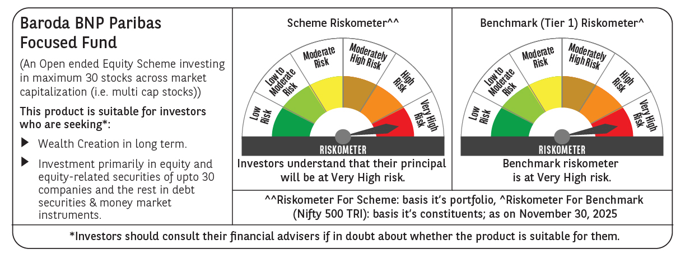

 | Monthly Performance Link: https://www.barodabnpparibasmf.in/assets/download_documents/Performance_of_Schemes_Nov-2025_15612.pdf

