T0ME20
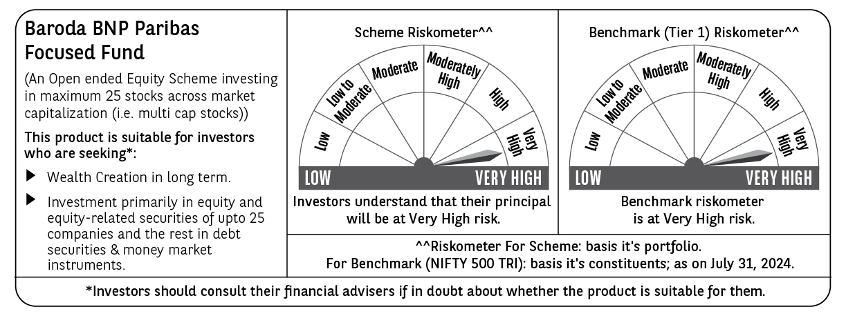
 | Baroda BNP Paribas Focused Fund

 | Monthly Portfolio Statement as on July 31, 2024
 | Name of the Instrument | ISIN | Industry | Quantity | Market/Fair Value (Rs. in Lakhs) | % to Net Assets | YTM~ | YTC^ | null
 | Equity & Equity related
 | (a) Listed / awaiting listing on Stock Exchanges
TELC03 | Tata Motors Limited | INE155A01022 | Automobiles | 350,000 | 4,048.28 | 5.70%
JSPL03 | Jindal Steel & Power Limited | INE749A01030 | Ferrous Metals | 400,000 | 3,953.00 | 5.56%
MACR01 | Macrotech Developers Limited | INE670K01029 | Realty | 300,000 | 3,926.40 | 5.53%
PGCI01 | Power Grid Corporation of India Limited | INE752E01010 | Power | 1,100,000 | 3,830.20 | 5.39%
SAEL02 | TVS Motor Company Limited | INE494B01023 | Automobiles | 150,000 | 3,796.50 | 5.34%
LARS02 | Larsen & Toubro Limited | INE018A01030 | Construction | 95,000 | 3,624.25 | 5.10%
HAIL03 | Havells India Limited | INE176B01034 | Consumer Durables | 175,000 | 3,237.24 | 4.56%
TPOW02 | Tata Power Company Limited | INE245A01021 | Power | 700,000 | 3,175.20 | 4.47%
KPEL01 | KPIT Technologies Limited | INE04I401011 | IT - Software | 165,000 | 3,040.29 | 4.28%
CROM02 | CG Power and Industrial Solutions Limited | INE067A01029 | Electrical Equipment | 390,000 | 2,870.40 | 4.04%
SIEM02 | Siemens Limited | INE003A01024 | Electrical Equipment | 40,000 | 2,853.16 | 4.02%
NEST02 | Nestle India Limited | INE239A01024 | Food Products | 115,000 | 2,824.80 | 3.98%
OIIL01 | Oil India Limited | INE274J01014 | Oil | 475,000 | 2,743.36 | 3.86%
MAHI02 | Mahindra & Mahindra Limited | INE101A01026 | Automobiles | 90,000 | 2,617.02 | 3.68%
ZMPL01 | Zomato Limited | INE758T01015 | Retailing | 1,100,000 | 2,523.95 | 3.55%
IBCL05 | ICICI Bank Limited | INE090A01021 | Banks | 200,000 | 2,429.80 | 3.42%
HDFB03 | HDFC Bank Limited | INE040A01034 | Banks | 150,000 | 2,423.63 | 3.41%
CHOL02 | Cholamandalam Investment and Finance Company Ltd | INE121A01024 | Finance | 150,000 | 2,124.90 | 2.99%
BTAT01 | Vodafone Idea Limited | INE669E01016 | Telecom - Services | 13,000,000 | 2,115.10 | 2.98%
BKBA02 | Bank of Baroda | INE028A01039 | Banks | 800,000 | 2,029.20 | 2.86%
CSTL01 | Clean Science and Technology Limited | INE227W01023 | Chemicals & Petrochemicals | 100,000 | 1,621.60 | 2.28%
JSTA02 | Jindal Stainless Limited | INE220G01021 | Ferrous Metals | 215,000 | 1,592.08 | 2.24%
BHEL02 | Bharat Electronics Limited | INE263A01024 | Aerospace & Defense | 500,000 | 1,580.25 | 2.22%
UTIB02 | Axis Bank Limited | INE238A01034 | Banks | 135,000 | 1,574.24 | 2.22%
BHAH02 | Bharat Heavy Electricals Limited | INE257A01026 | Electrical Equipment | 400,000 | 1,261.00 | 1.77%
 | Sub Total |  |  |  | 67,815.85 | 95.45%
 | (b) Unlisted |  |  |  | NIL | NIL
 | Sub Total |  |  |  | NIL | NIL
 | Total |  |  |  | 67,815.85 | 95.45%
 | Reverse Repo / TREPS
TRP_010824 | Clearing Corporation of India Ltd |  |  |  | 3,322.52 | 4.68% | 6.42%
 | Sub Total |  |  |  | 3,322.52 | 4.68%
 | Total |  |  |  | 3,322.52 | 4.68%
 | Net Receivables / (Payables) |  |  |  | (93.11) | (0.13)%
 | GRAND TOTAL |  |  |  | 71,045.26 | 100.00%

 | ~ YTM as on July 31, 2024
 | ^ YTC represents Yield to Call provided by valuation agencies as on July 31, 2024. It is disclosed for Perpetual Bond issued by Banks (i.e. AT-1 Bond / Tier 1 Bond / Tier 2 Bond), as per AMFI Best Practices Guidelines Circular no. 135/BP/91/2020-21 read with SEBI circular No. SEBI/HO/IMD/DF4/CIR/P/2021/034 on Valuation of AT-1 Bonds and Tier 2 Bonds.

