T0ME20
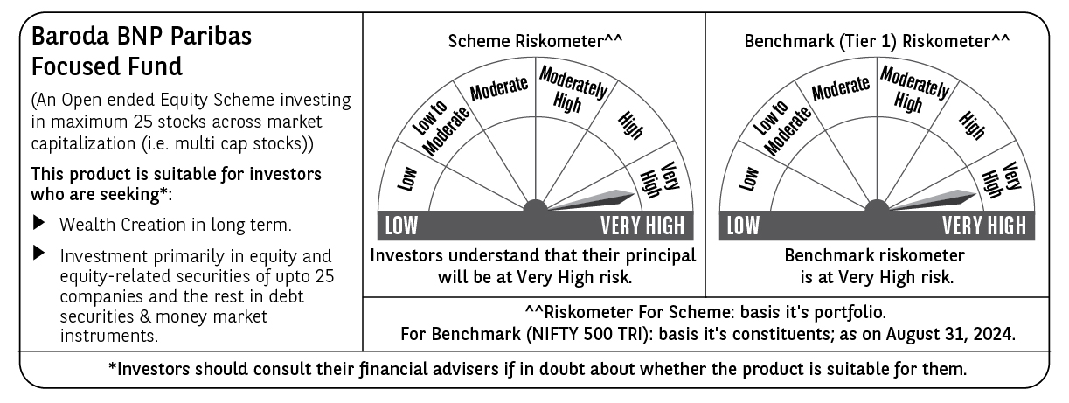
 | Baroda BNP Paribas Focused Fund

 | Monthly Portfolio Statement as on August 31, 2024
 | Name of the Instrument | ISIN | Industry | Quantity | Market/Fair Value (Rs. in Lakhs) | % to Net Assets | YTM~ | YTC^ | null
 | Equity & Equity related
 | (a) Listed / awaiting listing on Stock Exchanges
SIEM02 | Siemens Limited | INE003A01024 | Electrical Equipment | 65,000 | 4,480.52 | 6.23%
MACR01 | Macrotech Developers Limited | INE670K01029 | Realty | 350,000 | 4,388.65 | 6.10%
SAEL02 | TVS Motor Company Limited | INE494B01023 | Automobiles | 150,000 | 4,219.95 | 5.86%
TELC03 | Tata Motors Limited | INE155A01022 | Automobiles | 350,000 | 3,889.73 | 5.41%
JSPL03 | Jindal Steel & Power Limited | INE749A01030 | Ferrous Metals | 400,000 | 3,881.60 | 5.39%
HAIL03 | Havells India Limited | INE176B01034 | Consumer Durables | 200,000 | 3,798.70 | 5.28%
PGCI01 | Power Grid Corporation of India Limited | INE752E01010 | Power | 1,100,000 | 3,711.40 | 5.16%
OIIL01 | Oil India Limited | INE274J01014 | Oil | 475,000 | 3,519.75 | 4.89%
LARS02 | Larsen & Toubro Limited | INE018A01030 | Construction | 95,000 | 3,519.42 | 4.89%
NEST02 | Nestle India Limited | INE239A01024 | Food Products | 140,000 | 3,501.05 | 4.87%
TPOW02 | Tata Power Company Limited | INE245A01021 | Power | 700,000 | 3,042.55 | 4.23%
KPEL01 | KPIT Technologies Limited | INE04I401011 | IT - Software | 165,000 | 2,995.00 | 4.16%
ZMPL01 | Zomato Limited | INE758T01015 | Retailing | 1,100,000 | 2,755.83 | 3.83%
CROM02 | CG Power and Industrial Solutions Limited | INE067A01029 | Electrical Equipment | 390,000 | 2,714.79 | 3.77%
MAHI02 | Mahindra & Mahindra Limited | INE101A01026 | Automobiles | 90,000 | 2,524.86 | 3.51%
IBCL05 | ICICI Bank Limited | INE090A01021 | Banks | 200,000 | 2,458.40 | 3.42%
HDFB03 | HDFC Bank Limited | INE040A01034 | Banks | 150,000 | 2,455.35 | 3.41%
PHFP02 | PNB Housing Finance Limited | INE572E01012 | Finance | 250,000 | 2,443.63 | 3.40%
UTIB02 | Axis Bank Limited | INE238A01034 | Banks | 200,000 | 2,350.50 | 3.27%
BKBA02 | Bank of Baroda | INE028A01039 | Banks | 800,000 | 2,000.80 | 2.78%
ILOM01 | ICICI Lombard General Insurance Company Limited | INE765G01017 | Insurance | 75,000 | 1,606.31 | 2.23%
BHEL02 | Bharat Electronics Limited | INE263A01024 | Aerospace & Defense | 500,000 | 1,496.50 | 2.08%
CSTL01 | Clean Science and Technology Limited | INE227W01023 | Chemicals & Petrochemicals | 100,000 | 1,493.50 | 2.08%
 | Sub Total |  |  |  | 69,248.79 | 96.25%
 | (b) Unlisted |  |  |  | NIL | NIL
 | Sub Total |  |  |  | NIL | NIL
 | Total |  |  |  | 69,248.79 | 96.25%
 | Reverse Repo / TREPS
TRP_020924 | Clearing Corporation of India Ltd |  |  |  | 2,799.56 | 3.89% | 6.52%
 | Sub Total |  |  |  | 2,799.56 | 3.89%
 | Total |  |  |  | 2,799.56 | 3.89%
 | Net Receivables / (Payables) |  |  |  | (96.86) | (0.14)%
 | GRAND TOTAL |  |  |  | 71,951.49 | 100.00%

 | ~ YTM as on August 31, 2024
 | ^ YTC represents Yield to Call provided by valuation agencies as on August 31, 2024. It is disclosed for Perpetual Bond issued by Banks (i.e. AT-1 Bond / Tier 1 Bond / Tier 2 Bond), as per AMFI Best Practices Guidelines Circular no. 135/BP/91/2020-21 read with SEBI circular No. SEBI/HO/IMD/DF4/CIR/P/2021/034 on Valuation of AT-1 Bonds and Tier 2 Bonds.

