Monthly Portfolio
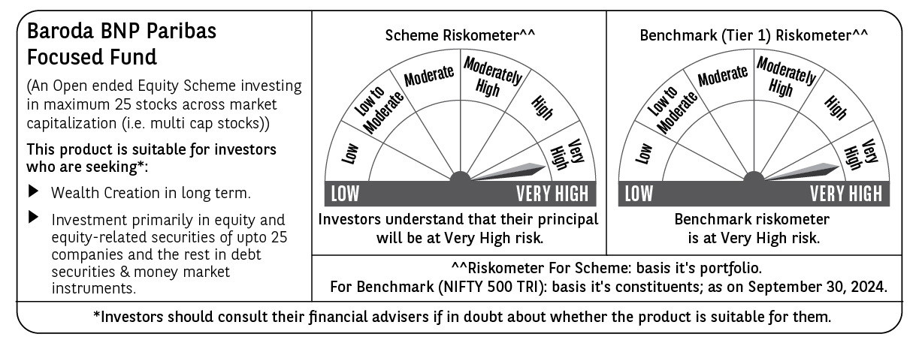
 | Baroda BNP Paribas Focused Fund

 | Monthly Portfolio Statement as on September 30, 2024
 | Name of the Instrument | ISIN | Industry | Quantity | Market/Fair Value (Rs. in Lakhs) | % to Net Assets | YTM~ | YTC^ | null
 | Equity & Equity related
 | (a) Listed / awaiting listing on Stock Exchanges
SIEM02 | Siemens Limited | INE003A01024 | Electrical Equipment | 65,000 | 4,712.50 | 6.49%
SAEL02 | TVS Motor Company Limited | INE494B01023 | Automobiles | 150,000 | 4,259.78 | 5.87%
HAIL03 | Havells India Limited | INE176B01034 | Consumer Durables | 200,000 | 4,025.80 | 5.54%
PGCI01 | Power Grid Corporation of India Limited | INE752E01010 | Power | 1,100,000 | 3,881.35 | 5.34%
HPEC01 | Hindustan Petroleum Corporation Limited | INE094A01015 | Petroleum Products | 825,000 | 3,634.54 | 5.00%
ESMC02 | PB Fintech Limited | INE417T01026 | Financial Technology (Fintech) | 220,000 | 3,563.89 | 4.91%
TELC03 | Tata Motors Limited | INE155A01022 | Automobiles | 350,000 | 3,411.28 | 4.70%
TPOW02 | Tata Power Company Limited | INE245A01021 | Power | 700,000 | 3,378.20 | 4.65%
LARS02 | Larsen & Toubro Limited | INE018A01030 | Construction | 90,000 | 3,308.00 | 4.55%
ZMPL01 | Zomato Limited | INE758T01015 | Retailing | 1,100,000 | 3,006.30 | 4.14%
CROM02 | CG Power and Industrial Solutions Limited | INE067A01029 | Electrical Equipment | 390,000 | 2,960.30 | 4.08%
MAHI02 | Mahindra & Mahindra Limited | INE101A01026 | Automobiles | 90,000 | 2,785.41 | 3.84%
KPEL01 | KPIT Technologies Limited | INE04I401011 | IT - Software | 165,000 | 2,686.20 | 3.70%
HDFB03 | HDFC Bank Limited | INE040A01034 | Banks | 150,000 | 2,598.08 | 3.58%
IBCL05 | ICICI Bank Limited | INE090A01021 | Banks | 200,000 | 2,546.00 | 3.51%
MACR01 | Macrotech Developers Limited | INE670K01029 | Realty | 200,000 | 2,468.80 | 3.40%
UTIB02 | Axis Bank Limited | INE238A01034 | Banks | 200,000 | 2,464.40 | 3.39%
PHFP02 | PNB Housing Finance Limited | INE572E01012 | Finance | 250,000 | 2,457.38 | 3.38%
OIIL01 | Oil India Limited | INE274J01014 | Oil | 400,000 | 2,322.60 | 3.20%
BKBA02 | Bank of Baroda | INE028A01039 | Banks | 850,000 | 2,106.30 | 2.90%
CSTL01 | Clean Science and Technology Limited | INE227W01023 | Chemicals & Petrochemicals | 106,375 | 1,677.00 | 2.31%
ILOM01 | ICICI Lombard General Insurance Company Limited | INE765G01017 | Insurance | 75,000 | 1,630.80 | 2.25%
JSPL03 | Jindal Steel & Power Limited | INE749A01030 | Ferrous Metals | 150,000 | 1,559.48 | 2.15%
BHEL02 | Bharat Electronics Limited | INE263A01024 | Aerospace & Defense | 500,000 | 1,425.50 | 1.96%
 | Sub Total |  |  |  | 68,869.89 | 94.84%
 | (b) Unlisted |  |  |  | NIL | NIL
 | Sub Total |  |  |  | NIL | NIL
 | Total |  |  |  | 68,869.89 | 94.84%
 | Reverse Repo / TREPS
TRP_011024 | Clearing Corporation of India Ltd |  |  |  | 3,896.07 | 5.36% | 6.65%
 | Sub Total |  |  |  | 3,896.07 | 5.36%
 | Total |  |  |  | 3,896.07 | 5.36%
 | Net Receivables / (Payables) |  |  |  | (138.25) | (0.20)%
 | GRAND TOTAL |  |  |  | 72,627.71 | 100.00%

 | ~ YTM as on September 30, 2024
 | ^ YTC represents Yield to Call provided by valuation agencies as on September 30, 2024. It is disclosed for Perpetual Bond issued by Banks (i.e. AT-1 Bond / Tier 1 Bond / Tier 2 Bond), as per AMFI Best Practices Guidelines Circular no. 135/BP/91/2020-21 read with SEBI circular No. SEBI/HO/IMD/DF4/CIR/P/2021/034 on Valuation of AT-1 Bonds and Tier 2 Bonds.

