T0ME20
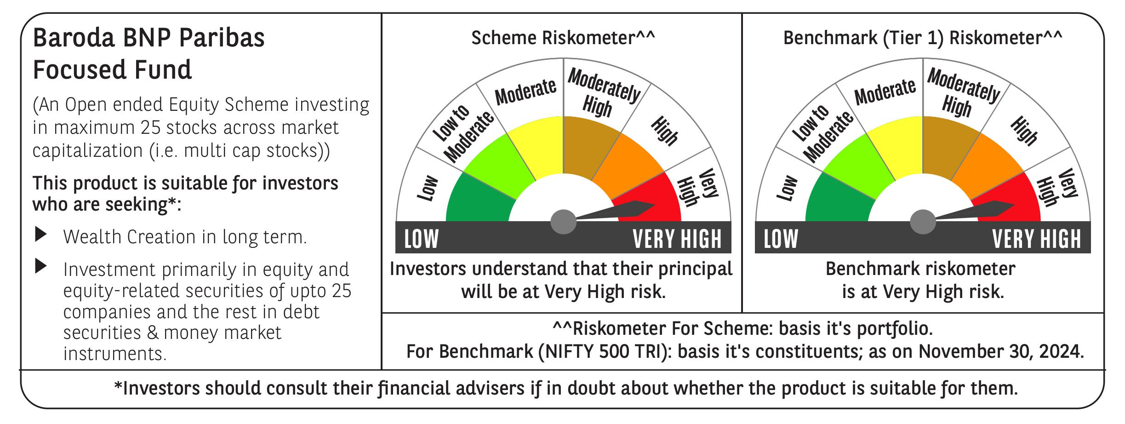
 | Baroda BNP Paribas Focused Fund

 | Monthly Portfolio Statement as on November 30, 2024
 | Name of the Instrument | ISIN | Industry | Quantity | Market/Fair Value (Rs. in Lakhs) | % to Net Assets | YTM~ | YTC^ | null
 | Equity & Equity related
 | (a) Listed / awaiting listing on Stock Exchanges
ESMC02 | PB Fintech Limited | INE417T01026 | Financial Technology (Fintech) | 313,570 | 5,938.70 | 8.62%
HDFB03 | HDFC Bank Limited | INE040A01034 | Banks | 250,000 | 4,490.13 | 6.52%
PHFP02 | PNB Housing Finance Limited | INE572E01012 | Finance | 440,842 | 3,930.99 | 5.71%
SAEL02 | TVS Motor Company Limited | INE494B01023 | Automobiles | 150,000 | 3,651.68 | 5.30%
HPEC01 | Hindustan Petroleum Corporation Limited | INE094A01015 | Petroleum Products | 950,000 | 3,639.45 | 5.28%
NTPC01 | NTPC Limited | INE733E01010 | Power | 1,000,000 | 3,636.50 | 5.28%
PGCI01 | Power Grid Corporation of India Limited | INE752E01010 | Power | 1,100,000 | 3,623.40 | 5.26%
HAIL03 | Havells India Limited | INE176B01034 | Consumer Durables | 200,000 | 3,436.00 | 4.99%
ZMPL01 | Zomato Limited | INE758T01015 | Retailing | 1,100,000 | 3,077.36 | 4.47%
TPOW02 | Tata Power Company Limited | INE245A01021 | Power | 700,000 | 2,899.05 | 4.21%
KPEL01 | KPIT Technologies Limited | INE04I401011 | IT - Software | 200,000 | 2,737.60 | 3.97%
ILOM01 | ICICI Lombard General Insurance Company Limited | INE765G01017 | Insurance | 145,000 | 2,699.68 | 3.92%
MAHI02 | Mahindra & Mahindra Limited | INE101A01026 | Automobiles | 90,000 | 2,669.49 | 3.87%
SIEM02 | Siemens Limited | INE003A01024 | Electrical Equipment | 35,000 | 2,646.30 | 3.84%
IBCL05 | ICICI Bank Limited | INE090A01021 | Banks | 200,000 | 2,600.20 | 3.77%
OIIL01 | Oil India Limited | INE274J01014 | Oil | 500,000 | 2,453.00 | 3.56%
KOMA02 | Kotak Mahindra Bank Limited | INE237A01028 | Banks | 130,000 | 2,294.83 | 3.33%
BKBA02 | Bank of Baroda | INE028A01039 | Banks | 850,000 | 2,094.40 | 3.04%
METR01 | Metropolis Healthcare Limited | INE112L01020 | Healthcare Services | 90,642 | 1,941.19 | 2.82%
ALLI02 | GE Vernova T&D India Limited | INE200A01026 | Electrical Equipment | 100,000 | 1,756.20 | 2.55%
BHEL02 | Bharat Electronics Limited | INE263A01024 | Aerospace & Defense | 500,000 | 1,540.00 | 2.24%
KEII02 | KEI Industries Limited | INE878B01027 | Industrial Products | 26,316 | 1,135.07 | 1.65%
CSTL01 | Clean Science and Technology Limited | INE227W01023 | Chemicals & Petrochemicals | 10,698 | 137.38 | 0.20%
 | Sub Total |  |  |  | 65,028.60 | 94.40%
 | (b) Unlisted |  |  |  | NIL | NIL
 | Sub Total |  |  |  | NIL | NIL
 | Total |  |  |  | 65,028.60 | 94.40%
 | Reverse Repo / TREPS
TRP_021224 | Clearing Corporation of India Ltd |  |  |  | 4,157.31 | 6.03% | 6.69%
 | Sub Total |  |  |  | 4,157.31 | 6.03%
 | Total |  |  |  | 4,157.31 | 6.03%
 | Net Receivables / (Payables) |  |  |  | (282.23) | (0.43)%
 | GRAND TOTAL |  |  |  | 68,903.68 | 100.00%

 | ~ YTM as on November 30, 2024
 | ^ YTC represents Yield to Call provided by valuation agencies as on November 30, 2024. It is disclosed for Perpetual Bond issued by Banks (i.e. AT-1 Bond / Tier 1 Bond / Tier 2 Bond), as per AMFI Best Practices Guidelines Circular no. 135/BP/91/2020-21 re

