T0ME21
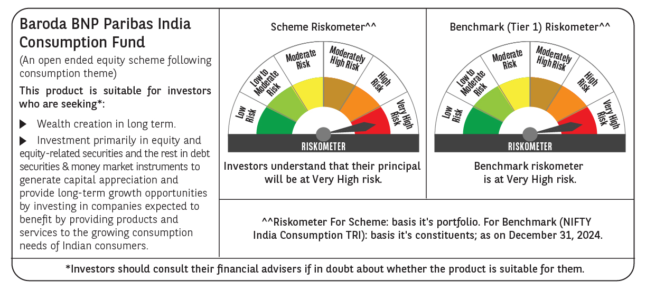
 | Baroda BNP Paribas India Consumption Fund

 | Monthly Portfolio Statement as on December 31, 2024
 | Name of the Instrument | ISIN | Industry / Rating | Quantity | Market/Fair Value (Rs. in Lakhs) | % to Net Assets | YTM~ | YTC^ | null
 | Equity & Equity related
 | (a) Listed / awaiting listing on Stock Exchanges
LAKM02 | Trent Limited | INE849A01020 | Retailing | 160,000 | 11,397.36 | 7.75%
ITCL02 | ITC Limited | INE154A01025 | Diversified FMCG | 2,106,815 | 10,189.61 | 6.93%
BTVL02 | Bharti Airtel Limited | INE397D01024 | Telecom - Services | 540,000 | 8,573.85 | 5.83%
MAHI02 | Mahindra & Mahindra Limited | INE101A01026 | Automobiles | 250,000 | 7,517.75 | 5.11%
HLEL02 | Hindustan Unilever Limited | INE030A01027 | Diversified FMCG | 300,000 | 6,980.55 | 4.75%
ZMPL01 | Zomato Limited | INE758T01015 | Retailing | 1,950,000 | 5,421.98 | 3.69%
SAEL02 | TVS Motor Company Limited | INE494B01023 | Automobiles | 223,500 | 5,293.60 | 3.60%
IHOT02 | The Indian Hotels Company Limited | INE053A01029 | Leisure Services | 525,000 | 4,607.14 | 3.13%
MAUD01 | Maruti Suzuki India Limited | INE585B01010 | Automobiles | 32,500 | 3,528.98 | 2.40%
JUFL02 | Jubilant Foodworks Limited | INE797F01020 | Leisure Services | 485,000 | 3,482.79 | 2.37%
PHMI02 | The Phoenix Mills Limited | INE211B01039 | Realty | 200,000 | 3,268.00 | 2.22%
TWAT02 | Titan Company Limited | INE280A01028 | Consumer Durables | 100,000 | 3,253.15 | 2.21%
BLUS03 | Blue Star Limited | INE472A01039 | Consumer Durables | 150,000 | 3,208.73 | 2.18%
MCSP02 | United Spirits Limited | INE854D01024 | Beverages | 195,500 | 3,177.75 | 2.16%
ESMC02 | PB Fintech Limited | INE417T01026 | Financial Technology (Fintech) | 150,000 | 3,163.28 | 2.15%
UBBL02 | United Breweries Limited | INE686F01025 | Beverages | 154,000 | 3,136.98 | 2.13%
BRIT03 | Britannia Industries Limited | INE216A01030 | Food Products | 63,000 | 3,000.53 | 2.04%
DABU02 | Dabur India Limited | INE016A01026 | Personal Products | 575,000 | 2,915.25 | 1.98%
VNBL03 | Varun Beverages Limited | INE200M01039 | Beverages | 375,000 | 2,394.38 | 1.63%
MEBR01 | Metro Brands Limited | INE317I01021 | Consumer Durables | 190,000 | 2,312.02 | 1.57%
BINL01 | Indus Towers Limited | INE121J01017 | Telecom - Services | 668,288 | 2,284.21 | 1.55%
BEFS01 | Mrs. Bectors Food Specialities Limited | INE495P01012 | Food Products | 134,000 | 2,195.72 | 1.49%
EIML02 | Eicher Motors Limited | INE066A01021 | Automobiles | 45,000 | 2,169.86 | 1.48%
GCPL02 | Godrej Consumer Products Limited | INE102D01028 | Personal Products | 200,000 | 2,164.10 | 1.47%
VGIL02 | V-Guard Industries Limited | INE951I01027 | Consumer Durables | 500,000 | 2,112.50 | 1.44%
VOLT02 | Voltas Limited | INE226A01021 | Consumer Durables | 115,000 | 2,058.44 | 1.40%
CGCE01 | Crompton Greaves Consumer Electricals Limited | INE299U01018 | Consumer Durables | 500,000 | 1,979.00 | 1.35%
HAIL03 | Havells India Limited | INE176B01034 | Consumer Durables | 115,000 | 1,926.37 | 1.31%
PROG01 | Procter & Gamble Hygiene and Health Care Limited | INE179A01014 | Personal Products | 13,000 | 1,912.82 | 1.30%
ISHA01 | Gillette India Limited | INE322A01010 | Personal Products | 20,000 | 1,910.63 | 1.30%
PVRL01 | PVR INOX Limited | INE191H01014 | Entertainment | 140,000 | 1,826.86 | 1.24%
MAHE01 | Max Healthcare Institute Limited | INE027H01010 | Healthcare Services | 160,000 | 1,805.04 | 1.23%
PAGE01 | Page Industries Limited | INE761H01022 | Textiles & Apparels | 3,500 | 1,663.00 | 1.13%
MARC02 | Marico Limited | INE196A01026 | Agricultural Food & other Products | 250,000 | 1,598.75 | 1.09%
RAKH02 | Radico Khaitan Limited | INE944F01028 | Beverages | 59,458 | 1,549.42 | 1.05%
BATA02 | Bata India Limited | INE176A01028 | Consumer Durables | 110,000 | 1,512.39 | 1.03%
EMAM02 | Emami Limited | INE548C01032 | Personal Products | 250,000 | 1,501.88 | 1.02%
WESD02 | Westlife Foodworld Limited | INE274F01020 | Leisure Services | 180,000 | 1,426.41 | 0.97%
TTPL02 | TTK Prestige Limited | INE690A01028 | Consumer Durables | 175,000 | 1,417.33 | 0.96%
TTEA02 | Tata Consumer Products Limited | INE192A01025 | Agricultural Food & other Products | 150,000 | 1,372.05 | 0.93%
NEST02 | Nestle India Limited | INE239A01024 | Food Products | 60,000 | 1,302.03 | 0.89%
CNAF01 | Zydus Wellness Limited | INE768C01010 | Food Products | 60,000 | 1,182.75 | 0.80%
ASPA02 | Asian Paints Limited | INE021A01026 | Consumer Durables | 50,000 | 1,140.68 | 0.78%
COLG02 | Colgate Palmolive (India) Limited | INE259A01022 | Personal Products | 40,000 | 1,072.26 | 0.73%
HYUN01 | Hyundai Motor India Ltd | INE0V6F01027 | Automobiles | 56,567 | 1,021.66 | 0.69%
KACE03 | Kajaria Ceramics Limited | INE217B01036 | Consumer Durables | 85,000 | 985.11 | 0.67%
VIPI02 | VIP Industries Limited | INE054A01027 | Consumer Durables | 125,000 | 600.19 | 0.41%
RCCL01 | Raymond Lifestyle Limited | INE02ID01020 | Textiles & Apparels | 25,000 | 526.05 | 0.36%
VMML01 | Vishal Mega Mart Limited | INE01EA01019 | Retailing | 59,944 | 63.80 | 0.04%
 | Sub Total |  |  |  | 141,104.99 | 95.94%
 | (b) Unlisted |  |  |  | NIL | NIL
 | Sub Total |  |  |  | NIL | NIL
 | Total |  |  |  | 141,104.99 | 95.94%
 | Money Market Instruments
 | Treasury Bill
TBIL2396 | 182 Days Tbill (MD 14/02/2025) | IN002024Y209 | Sovereign | 900,000 | 893.07 | 0.61% | 6.44%
TBIL2329 | 364 Days Tbill (MD 27/02/2025) | IN002023Z513 | Sovereign | 500,000 | 495.02 | 0.34% | 6.44%
 | Sub Total |  |  |  | 1,388.09 | 0.95%
 | Total |  |  |  | 1,388.09 | 0.95%
 | Reverse Repo / TREPS
TRP_010125 | Clearing Corporation of India Ltd |  |  |  | 5,257.06 | 3.58% | 6.58%
 | Sub Total |  |  |  | 5,257.06 | 3.58%
 | Total |  |  |  | 5,257.06 | 3.58%
 | Net Receivables / (Payables) |  |  |  | (739.04) | (0.47)%
 | GRAND TOTAL |  |  |  | 147,011.10 | 100.00%

 | ~ YTM as on December 31, 2024
 | ^ YTC represents Yield to Call provided by valuation agencies as on December 31, 2024. It is disclosed for Perpetual Bond issued by Banks (i.e. AT-1 Bond / Tier 1 Bond / Tier 2 Bond), as per AMFI Best Practices Guidelines Circular no. 135/BP/91/2020-21 re

