T0ME21
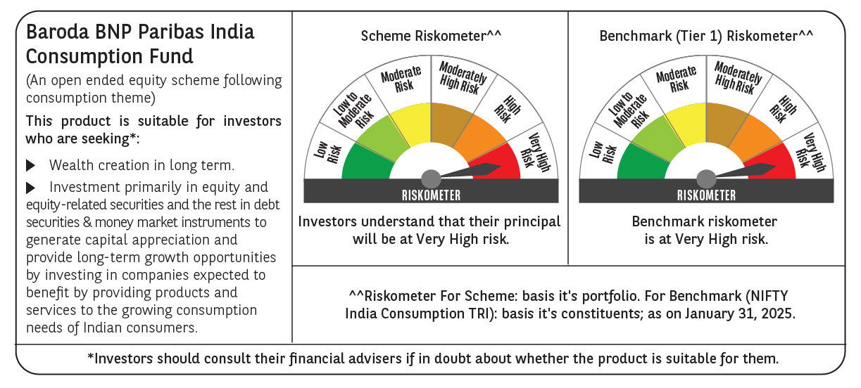
 | Baroda BNP Paribas India Consumption Fund

 | Monthly Portfolio Statement as on January 31, 2025
 | Name of the Instrument | ISIN | Industry / Rating | Quantity | Market/Fair Value (Rs. in Lakhs) | % to Net Assets | YTM~ | YTC^ | null
 | Equity & Equity related
 | (a) Listed / awaiting listing on Stock Exchanges
BTVL02 | Bharti Airtel Limited | INE397D01024 | Telecom - Services | 540,000 | 8,782.02 | 6.25%
ITCL02 | ITC Limited | INE154A01025 | Diversified FMCG | 1,700,000 | 7,607.50 | 5.42%
MAHI02 | Mahindra & Mahindra Limited | INE101A01026 | Automobiles | 250,000 | 7,474.63 | 5.32%
LAKM02 | Trent Limited | INE849A01020 | Retailing | 120,000 | 6,903.84 | 4.91%
SAEL02 | TVS Motor Company Limited | INE494B01023 | Automobiles | 200,000 | 4,915.80 | 3.50%
HLEL02 | Hindustan Unilever Limited | INE030A01027 | Diversified FMCG | 190,000 | 4,690.72 | 3.34%
ZMPL01 | Zomato Limited | INE758T01015 | Retailing | 1,950,000 | 4,296.83 | 3.06%
IHOT02 | The Indian Hotels Company Limited | INE053A01029 | Leisure Services | 525,000 | 4,014.68 | 2.86%
MAUD01 | Maruti Suzuki India Limited | INE585B01010 | Automobiles | 32,500 | 4,000.96 | 2.85%
UBBL02 | United Breweries Limited | INE686F01025 | Beverages | 180,000 | 3,862.80 | 2.75%
TWAT02 | Titan Company Limited | INE280A01028 | Consumer Durables | 100,000 | 3,490.25 | 2.48%
JUFL02 | Jubilant Foodworks Limited | INE797F01020 | Leisure Services | 485,000 | 3,413.92 | 2.43%
PHMI02 | The Phoenix Mills Limited | INE211B01039 | Realty | 200,000 | 3,283.60 | 2.34%
MCSP02 | United Spirits Limited | INE854D01024 | Beverages | 230,500 | 3,282.32 | 2.34%
BRIT03 | Britannia Industries Limited | INE216A01030 | Food Products | 63,000 | 3,231.68 | 2.30%
EIML02 | Eicher Motors Limited | INE066A01021 | Automobiles | 60,000 | 3,116.58 | 2.22%
DABU02 | Dabur India Limited | INE016A01026 | Personal Products | 575,000 | 3,046.64 | 2.17%
ADWI01 | Adani Wilmar Limited | INE699H01024 | Agricultural Food & other Products | 1,050,000 | 2,799.83 | 1.99%
BLUS03 | Blue Star Limited | INE472A01039 | Consumer Durables | 150,000 | 2,726.33 | 1.94%
ESMC02 | PB Fintech Limited | INE417T01026 | Financial Technology (Fintech) | 150,000 | 2,590.20 | 1.84%
BINL01 | Indus Towers Limited | INE121J01017 | Telecom - Services | 668,288 | 2,320.30 | 1.65%
MEBR01 | Metro Brands Limited | INE317I01021 | Consumer Durables | 190,000 | 2,251.22 | 1.60%
GCPL02 | Godrej Consumer Products Limited | INE102D01028 | Personal Products | 200,000 | 2,242.50 | 1.60%
VNBL03 | Varun Beverages Limited | INE200M01039 | Beverages | 375,000 | 2,012.81 | 1.43%
BEFS01 | Mrs. Bectors Food Specialities Limited | INE495P01012 | Food Products | 134,000 | 1,969.73 | 1.40%
PROG01 | Procter & Gamble Hygiene and Health Care Limited | INE179A01014 | Personal Products | 13,000 | 1,885.08 | 1.34%
VGIL02 | V-Guard Industries Limited | INE951I01027 | Consumer Durables | 500,000 | 1,822.25 | 1.30%
HAIL03 | Havells India Limited | INE176B01034 | Consumer Durables | 115,000 | 1,801.13 | 1.28%
PVRL01 | PVR INOX Limited | INE191H01014 | Entertainment | 160,000 | 1,744.80 | 1.24%
ISHA01 | Gillette India Limited | INE322A01010 | Personal Products | 20,000 | 1,721.45 | 1.23%
CGCE01 | Crompton Greaves Consumer Electricals Limited | INE299U01018 | Consumer Durables | 500,000 | 1,717.00 | 1.22%
MAHE01 | Max Healthcare Institute Limited | INE027H01010 | Healthcare Services | 160,000 | 1,698.00 | 1.21%
MARC02 | Marico Limited | INE196A01026 | Agricultural Food & other Products | 250,000 | 1,676.63 | 1.19%
PAGE01 | Page Industries Limited | INE761H01022 | Textiles & Apparels | 3,500 | 1,565.32 | 1.11%
BATA02 | Bata India Limited | INE176A01028 | Consumer Durables | 120,000 | 1,556.16 | 1.11%
TTEA02 | Tata Consumer Products Limited | INE192A01025 | Agricultural Food & other Products | 150,000 | 1,536.98 | 1.09%
RAKH02 | Radico Khaitan Limited | INE944F01028 | Beverages | 70,000 | 1,524.88 | 1.09%
EMAM02 | Emami Limited | INE548C01032 | Personal Products | 250,000 | 1,474.13 | 1.05%
VOLT02 | Voltas Limited | INE226A01021 | Consumer Durables | 115,000 | 1,449.98 | 1.03%
NEST02 | Nestle India Limited | INE239A01024 | Food Products | 60,000 | 1,387.92 | 0.99%
WESD02 | Westlife Foodworld Limited | INE274F01020 | Leisure Services | 181,928 | 1,320.52 | 0.94%
TTPL02 | TTK Prestige Limited | INE690A01028 | Consumer Durables | 175,000 | 1,293.25 | 0.92%
ASPA02 | Asian Paints Limited | INE021A01026 | Consumer Durables | 50,000 | 1,150.40 | 0.82%
CNAF01 | Zydus Wellness Limited | INE768C01010 | Food Products | 62,391 | 1,145.72 | 0.82%
COLG02 | Colgate Palmolive (India) Limited | INE259A01022 | Personal Products | 40,000 | 1,128.62 | 0.80%
HYUN01 | Hyundai Motor India Ltd | INE0V6F01027 | Automobiles | 56,567 | 948.94 | 0.68%
VIPI02 | VIP Industries Limited | INE054A01027 | Consumer Durables | 230,000 | 855.83 | 0.61%
AVSP01 | Avenue Supermarts Limited | INE192R01011 | Retailing | 15,000 | 549.70 | 0.39%
RCCL01 | Raymond Lifestyle Limited | INE02ID01020 | Textiles & Apparels | 25,000 | 369.53 | 0.26%
ITHO02 | ITC Hotels Limited | INE379A01028 | Leisure Services | 210,681 | 343.30 | 0.24%
 | Sub Total |  |  |  | 131,995.21 | 93.95%
 | (b) Unlisted |  |  |  | NIL | NIL
 | Sub Total |  |  |  | NIL | NIL
 | Total |  |  |  | 131,995.21 | 93.95%
 | Derivatives
 | Index / Stock Futures
MAUDFEB25 | Maruti Suzuki India Limited February 2025 Future |  |  | 12,000 | 1,479.22 | 1.05%
 | Sub Total |  |  |  | 1,479.22 | 1.05%
 | Total |  |  |  | 1,479.22 | 1.05%
 | Money Market Instruments
 | Treasury Bill
TBIL2396 | 182 Days Tbill (MD 14/02/2025) | IN002024Y209 | Sovereign | 900,000 | 897.95 | 0.64% | 6.42%
TBIL2329 | 364 Days Tbill (MD 27/02/2025) | IN002023Z513 | Sovereign | 500,000 | 497.72 | 0.35% | 6.43%
 | Sub Total |  |  |  | 1,395.67 | 0.99%
 | Total |  |  |  | 1,395.67 | 0.99%
 | Reverse Repo / TREPS
TRP_030225 | Clearing Corporation of India Ltd |  |  |  | 7,439.54 | 5.30% | 6.54%
 | Sub Total |  |  |  | 7,439.54 | 5.30%
 | Total |  |  |  | 7,439.54 | 5.30%
 | Net Receivables / (Payables) |  |  |  | (1,843.19) | (1.29)%
 | GRAND TOTAL |  |  |  | 140,466.45 | 100.00%

 | ~ YTM as on January 31, 2025
 | ^ YTC represents Yield to Call provided by valuation agencies as on January 31, 2025. It is disclosed for Perpetual Bond issued by Banks (i.e. AT-1 Bond / Tier 1 Bond / Tier 2 Bond), as per AMFI Best Practices Guidelines Circular no. 135/BP/91/2020-21 read with SEBI circular No. SEBI/HO/IMD/DF4/CIR/P/2021/034 on Valuation of AT-1 Bonds and Tier 2 Bonds.
 | Details of Stock Future / Index Future
 | Long/Short | Name of the Instrument | Industry | Quantity. | Market/Fair Value (Rs. in Lacs). | % to NAV.
 | Long | Maruti Suzuki India Limited_27/02/2025 | Automobiles | 12,000 | 1,479.22 | 1.05%

