Monthly Portfolio
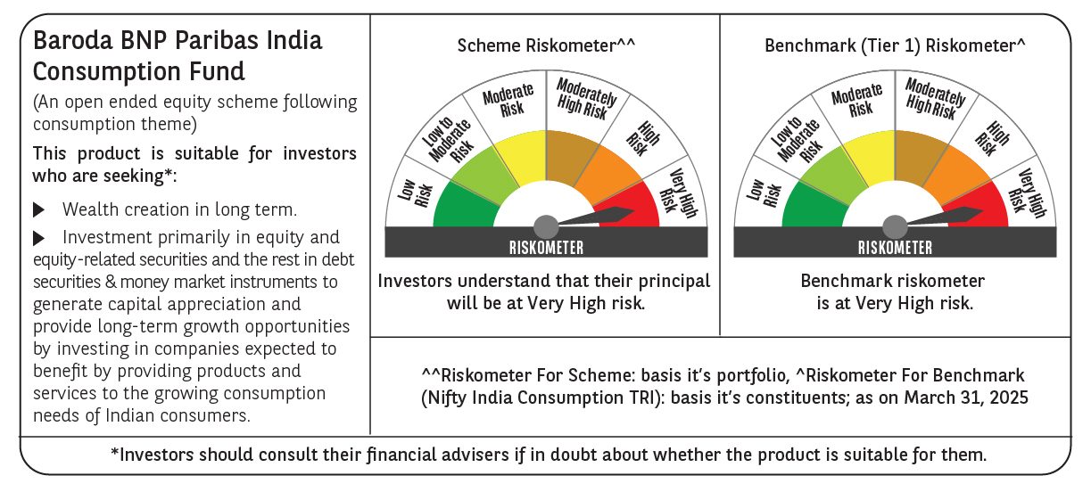
 | Baroda BNP Paribas India Consumption Fund

 | Monthly Portfolio Statement as on March 31, 2025
 | Name of the Instrument | ISIN | Industry / Rating | Quantity | Market/Fair Value (Rs. in Lakhs) | % to Net Assets | YTM~ | YTC^ | null
 | Equity & Equity related
 | (a) Listed / awaiting listing on Stock Exchanges
BTVL02 | Bharti Airtel Limited | INE397D01024 | Telecom - Services | 600,000 | 10,400.40 | 7.60%
MAHI02 | Mahindra & Mahindra Limited | INE101A01026 | Automobiles | 250,000 | 6,664.50 | 4.87%
ITCL02 | ITC Limited | INE154A01025 | Diversified FMCG | 1,350,000 | 5,531.63 | 4.04%
TWAT02 | Titan Company Limited | INE280A01028 | Consumer Durables | 180,000 | 5,514.03 | 4.03%
EIML02 | Eicher Motors Limited | INE066A01021 | Automobiles | 100,000 | 5,347.70 | 3.91%
SAEL02 | TVS Motor Company Limited | INE494B01023 | Automobiles | 220,000 | 5,323.67 | 3.89%
PHMI02 | The Phoenix Mills Limited | INE211B01039 | Realty | 265,000 | 4,354.75 | 3.18%
HLEL02 | Hindustan Unilever Limited | INE030A01027 | Diversified FMCG | 190,000 | 4,291.82 | 3.13%
IHOT02 | The Indian Hotels Company Limited | INE053A01029 | Leisure Services | 525,000 | 4,134.64 | 3.02%
MAUD01 | Maruti Suzuki India Limited | INE585B01010 | Automobiles | 32,500 | 3,744.70 | 2.73%
UBBL02 | United Breweries Limited | INE686F01025 | Beverages | 180,000 | 3,598.65 | 2.63%
MCSP02 | United Spirits Limited | INE854D01024 | Beverages | 250,000 | 3,503.25 | 2.56%
JUFL02 | Jubilant Foodworks Limited | INE797F01020 | Leisure Services | 500,000 | 3,321.75 | 2.43%
BLUS03 | Blue Star Limited | INE472A01039 | Consumer Durables | 150,000 | 3,204.60 | 2.34%
LAKM02 | Trent Limited | INE849A01020 | Retailing | 60,000 | 3,195.09 | 2.33%
BRIT03 | Britannia Industries Limited | INE216A01030 | Food Products | 63,000 | 3,110.25 | 2.27%
AVSP01 | Avenue Supermarts Limited | INE192R01011 | Retailing | 75,000 | 3,062.40 | 2.24%
VNBL03 | Varun Beverages Limited | INE200M01039 | Beverages | 550,000 | 2,968.08 | 2.17%
DABU02 | Dabur India Limited | INE016A01026 | Personal Products | 575,000 | 2,912.38 | 2.13%
ADWI01 | Adani Wilmar Limited | INE699H01024 | Agricultural Food & other Products | 1,050,000 | 2,712.36 | 1.98%
CGCE01 | Crompton Greaves Consumer Electricals Limited | INE299U01018 | Consumer Durables | 750,000 | 2,654.63 | 1.94%
ZMPL01 | Zomato Limited | INE758T01015 | Retailing | 1,200,000 | 2,420.40 | 1.77%
ESMC02 | PB Fintech Limited | INE417T01026 | Financial Technology (Fintech) | 150,000 | 2,384.63 | 1.74%
GCPL02 | Godrej Consumer Products Limited | INE102D01028 | Personal Products | 200,000 | 2,318.50 | 1.69%
BINL01 | Indus Towers Limited | INE121J01017 | Telecom - Services | 668,288 | 2,234.09 | 1.63%
RAKH02 | Radico Khaitan Limited | INE944F01028 | Beverages | 85,000 | 2,064.61 | 1.51%
MAHE01 | Max Healthcare Institute Limited | INE027H01010 | Healthcare Services | 180,000 | 1,974.51 | 1.44%
BEFS01 | Mrs. Bectors Food Specialities Limited | INE495P01012 | Food Products | 134,000 | 1,958.28 | 1.43%
MEBR01 | Metro Brands Limited | INE317I01021 | Consumer Durables | 190,000 | 1,925.27 | 1.41%
VGIL02 | V-Guard Industries Limited | INE951I01027 | Consumer Durables | 500,000 | 1,777.75 | 1.30%
PROG01 | Procter & Gamble Hygiene and Health Care Limited | INE179A01014 | Personal Products | 13,000 | 1,768.08 | 1.29%
HAIL03 | Havells India Limited | INE176B01034 | Consumer Durables | 115,000 | 1,758.24 | 1.28%
VOLT02 | Voltas Limited | INE226A01021 | Consumer Durables | 115,000 | 1,677.51 | 1.23%
MARC02 | Marico Limited | INE196A01026 | Agricultural Food & other Products | 250,000 | 1,629.13 | 1.19%
PAGE01 | Page Industries Limited | INE761H01022 | Textiles & Apparels | 3,500 | 1,494.28 | 1.09%
WESD02 | Westlife Foodworld Limited | INE274F01020 | Leisure Services | 210,000 | 1,469.58 | 1.07%
BATA02 | Bata India Limited | INE176A01028 | Consumer Durables | 120,000 | 1,463.88 | 1.07%
EMAM02 | Emami Limited | INE548C01032 | Personal Products | 250,000 | 1,449.75 | 1.06%
ISHA01 | Gillette India Limited | INE322A01010 | Personal Products | 18,000 | 1,444.19 | 1.05%
TTEA02 | Tata Consumer Products Limited | INE192A01025 | Agricultural Food & other Products | 110,000 | 1,102.09 | 0.80%
PVRL01 | PVR INOX Limited | INE191H01014 | Entertainment | 120,000 | 1,095.06 | 0.80%
CNAF01 | Zydus Wellness Limited | INE768C01010 | Food Products | 63,000 | 1,058.72 | 0.77%
TTPL02 | TTK Prestige Limited | INE690A01028 | Consumer Durables | 174,000 | 1,034.26 | 0.76%
HYUN01 | Hyundai Motor India Ltd | INE0V6F01027 | Automobiles | 56,567 | 965.97 | 0.71%
VIPI02 | VIP Industries Limited | INE054A01027 | Consumer Durables | 235,000 | 657.30 | 0.48%
RCCL01 | Raymond Lifestyle Limited | INE02ID01020 | Textiles & Apparels | 25,000 | 261.66 | 0.19%
 | Sub Total |  |  |  | 128,939.02 | 94.18%
 | (b) Unlisted |  |  |  | NIL | NIL
 | Sub Total |  |  |  | NIL | NIL
 | Total |  |  |  | 128,939.02 | 94.18%
 | Money Market Instruments
 | Treasury Bill
TBIL2450 | 364 Days Tbill (MD 18/12/2025) | IN002024Z362 | Sovereign | 900,000 | 860.50 | 0.63% | 6.42%
 | Sub Total |  |  |  | 860.50 | 0.63%
 | Total |  |  |  | 860.50 | 0.63%
 | Reverse Repo / TREPS
TRP_020425 | Clearing Corporation of India Ltd |  |  |  | 7,221.65 | 5.27% | 6.68%
 | Sub Total |  |  |  | 7,221.65 | 5.27%
 | Total |  |  |  | 7,221.65 | 5.27%
 | Net Receivables / (Payables) |  |  |  | (92.65) | (0.08)%
 | GRAND TOTAL |  |  |  | 136,928.52 | 100.00%

 | ~ YTM as on March 31, 2025
 | ^ YTC represents Yield to Call provided by valuation agencies as on March 31, 2025. It is disclosed for Perpetual Bond issued by Banks (i.e. AT-1 Bond / Tier 1 Bond / Tier 2 Bond), as per AMFI Best Practices Guidelines Circular no. 135/BP/91/2020-21 read with SEBI circular No. SEBI/HO/IMD/DF4/CIR/P/2021/034 on Valuation of AT-1 Bonds and Tier 2 Bonds.

